Sheet1
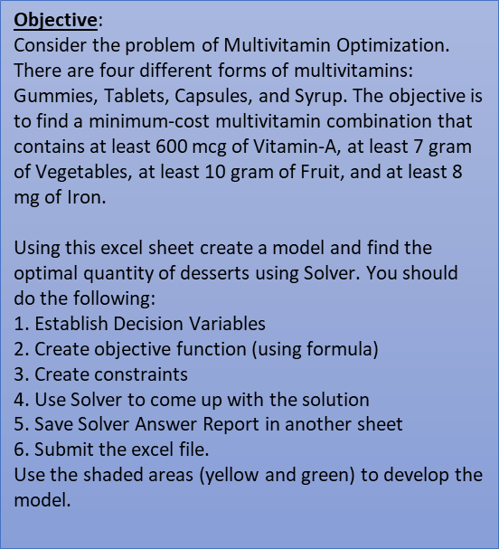
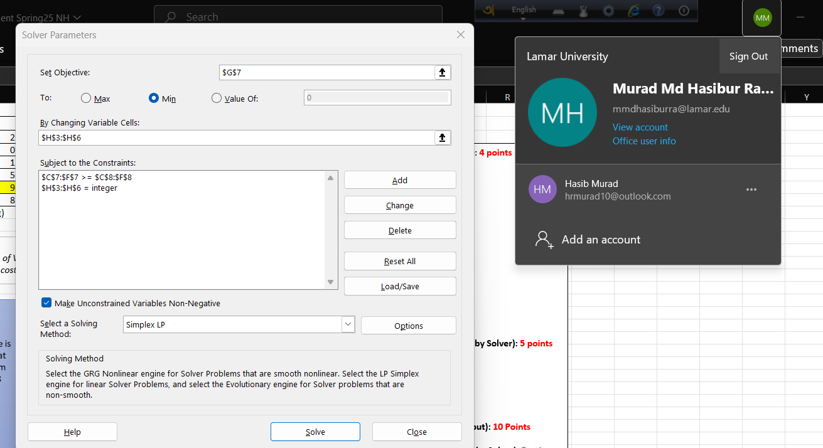
1. Decision Variables (not hardcoded; generated by Solver): 4 points
a. Gummies (H3) = 2
b. Tablets (H4) = 1
c. Capsules (H5) = 0
d. Syrup (H6) = 1
2. Objective Function: 3 points
Minimize=>Cost=G*.5+T*.2+C*.3+S*.8
3. Constraints: 5 points
a. Vitamin A >= 600
b. Vegetables >=7
c. Fruit >=10
d. Iron >=8
e. H3-H6 (Quantities) - Quantities are integer.
4. Optimum quantities & Costs (not hardcoded; generated by Solver): 5 points
a. Vitamin A (C7) =1100
b. Vegetables (D7) =9
c. Fruit (E7) =10
d. Iron (F7) =9
e. Cost (G7) = 2
5. Provide screenshot of Solver page (with all necessary input): 10 Points
6. Provide Answer Report 1 in a different sheet (generated by Solver): 5 points
 | Vitamin-A | Vegetables | Fruit | Iron | Cost | Quantity | Total Points: 32
Gummies | 250 | 3 | 2 | 2 | $0.50 | 2
Tablets | 200 | 1 | 2 | 0 | $0.20 | 1
Capsules | 150 | 0 | 4 | 1 | $0.30 | 0
Syrup | 400 | 2 | 4 | 5 | $0.80 | 1
Total | 1100 | 9 | 10 | 9 | 2
Min. Constraints | 600 | 7 | 10 | 8
 | (in mcg) | (in gram) | (in gram) | (in mg)

*How to Interpret?
The table shows that each of the Gummies contains 250mcg of Vitamin-A, 3 grams of Vegetables, 2 grams of Fruit, and 2 mg of Iron and costs $0.5 each.

