Sheet1
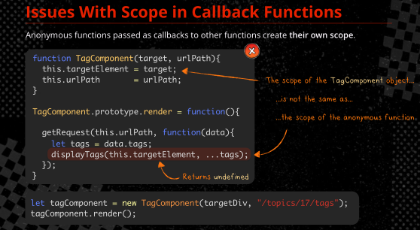
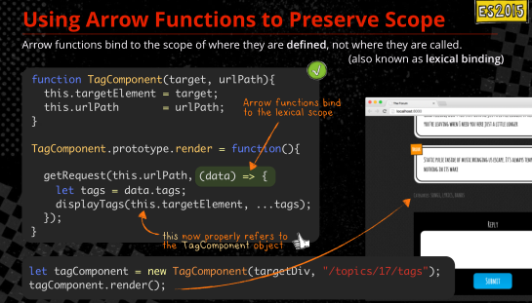
Beginning steps: |  |  |  |  | ABOUT ARROW FUNCTIONS
1. for a working example (from pluralsight) clone a repository. Gitbash to a directory | $git clone <ur> <your local repo> | $git clone https://github.com/TonyCurtisLives/VirtualDog JasmineTraining
at your local directory install node, install tslint, install jasmine, install angular-mocks, typescript typings | npm install npm install tslint typescript -g npm install -g jasmine npm install angular-mocks -g npm install @types/angular -g npm install typings --global | for local install instead of global: npm install tslint typescript --save-dev npm install --save-dev jasmine npm install angular-mocks --save -dev …. |  |  | function() is () = > but the arrow function has the scope of where it is defined, not just the scope of itself
npm script to run locally installed packages, start transpiling | npm start | you have to have this running for Jasmine to run properly
http://localhost:8042/ in browser to run the app

STATEMENTS
describe( description, () =>{ ... }) | suite of tests/specs, what we are testing
it( description, () =>{ ... }) | individual test/spec
expect( actual ) | compare against expected values (assert) | MATCHERS/EXPECTATIONS | functions that get called after expect() | spyOn | spyOn can intercept sensitive data before the object gets it
 |  | toBe | expect(obj).toBe(any, expectationFailOutput?); | spyOn( obj, method_string ) | spy on a method
HOOKS |  | toEqual | expect(obj).toEqual(any, expectationFailOutput?); | expect(obj.method).toHaveBeenCalled(); | veriy the method was called
beforeAll(() =>{ … }) | test setup. runs once per describe() suite | toMatch | expect(msg).toMatch(/abc/); | expect(obj.method).not.toHaveBeenCalled(); | ….
afterAll(() =>{ … }) | test tear down. runs once per describe() suite | toBeDefined | expect(obj).toBeDefined(expectationFailOutput?); | expect(obj.method).toHaveBeenCalledWith( array of arguments); | verify the method was called with specific arguments
beforeEach(() =>{ ... }) | run prior to each it in the describe | toBeUndefined | expect(obj).toBeUndefined(expectationFailOutput?); | expect(obj.method).toHaveBeenCalledTimes ( number ); | veriy the method was called a number of times
afterEach(() => { ... }) | run after each it in the describe | toBeTruthy | expect('a').toBeTruthy();
 |  | toBeFalsy | expect(obj).toBeFalsy();
DISABLE suite or test |  | toContain | expect(arr).toContain();
xdescribe( () =>{ ... }) | skip section ( note the x ) | toBeLessThan | expect(21).toBeLessThan(42);
xit( description, functi­on(){ ... }) | skip test ( note the x ) | toBeGreaterThan | expect(42).toBeGreaterThan(21);
 |  | toBeCloseTo | expect(1.2).toBeCloseTo(1.23, 1);
FOCUSED testing, suite or test |  | toThrow | expect(fnct).toThrow();
fdescribe( () =>{ ... }) |  | toThrowError | expect(obj).toThrowError();
fit( functi­on(){ ... }) |  | toBeNull | expect(obj).toBeNull(expectationFailOutput);
 |  | To invert a matcher value, prepend with .not.
 |  | not | expect(obj).not.toEqual({id: 7});
 |  |  | expect(msg).not.toMatch(/abc/);
 |  |  | expect(obj).not.toBeUndefined();
 |  |  | expect(obj).not.toBeNull();
 |  |  | expect(obj).not.xxx...

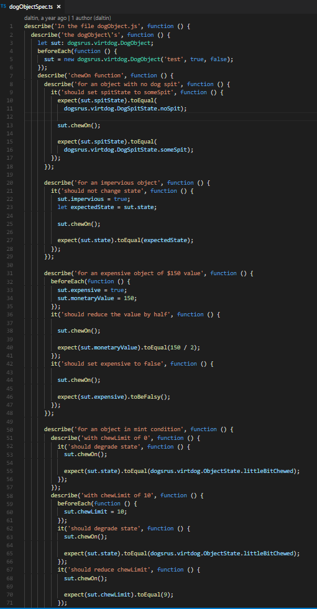
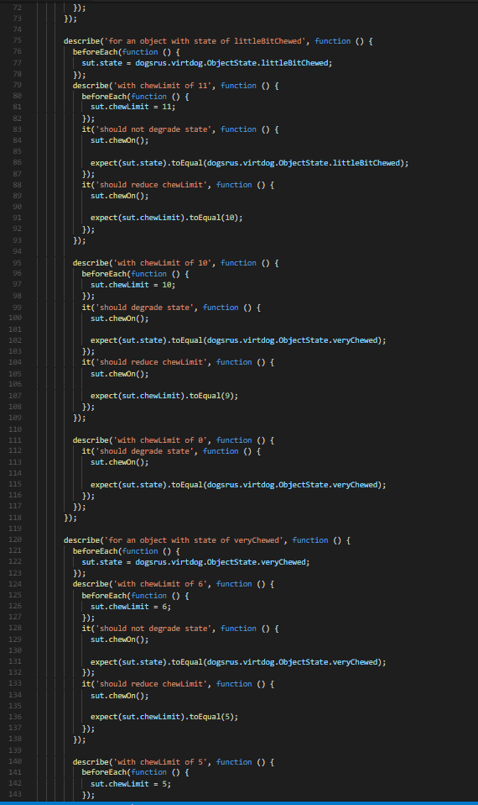
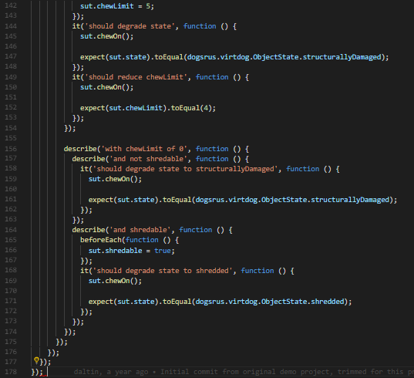

 |  |  |  | masterController.ts
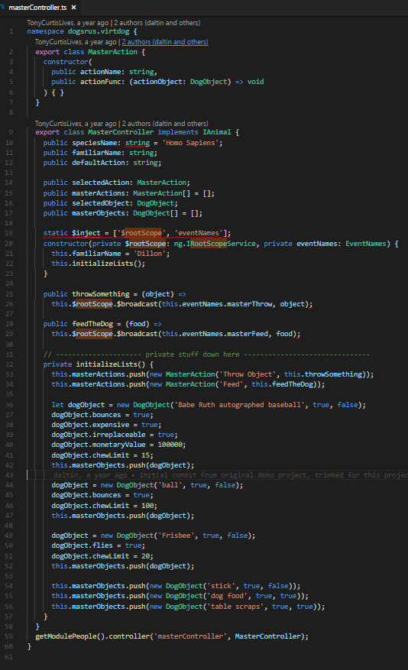

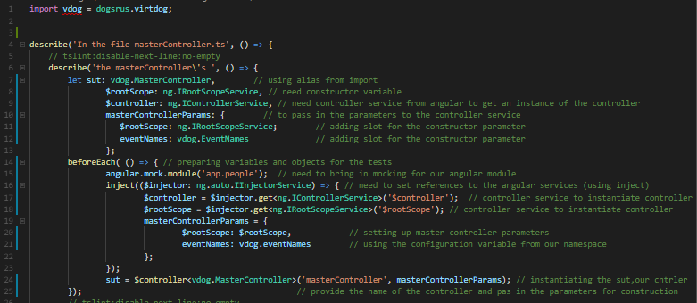
masterControllerSpec.ts
 |  |  | importing alias, using the namespace dogsrus.virtdog

 |  |  | alias
 |  |  | $rootScope is the constructor variable
 |  |  | controller service from Angular
 |  |  | MasterController is the class, need its params
 |  |  | $rootScope is a constructor param we need
 |  |  | eventNames is the other constructor param we need

 |  |  | beforeEach( () => ) run prior to each it in the describe |  |  | throwSomething and feedTheDog functions broadcasting the event
 |  |  | angular mock module |  |  | so we can't test a state change or return value
 |  |  | angular injector service |  |  | we have to test the interaction with the broadcast function
 |  |  | instantiate controller |  |  | we have to use SPYON
 |  |  | instantiate controller

 |  |  | instantiating sut

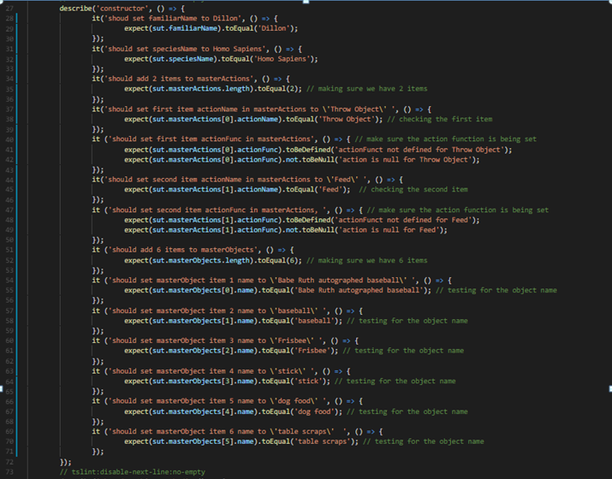
 |  |  | Here we're testing everting under MasterController class
 |  |  | suite of tests, what we're testing-> describe( description, () =>{ ... })
 |  |  | 1 test/spec-> it( description, () =>{ ... })
 |  |  | result to expect -> expect (obj).toEqual(any)

 |  |  | expect (obj).toBeDefined(expectationFailOutput)
 |  |  | expect (obj).toBeNull(expectationFailOutput)

 |  |  |  |  | INSERT A COLLAPSED VERSION AT THE END

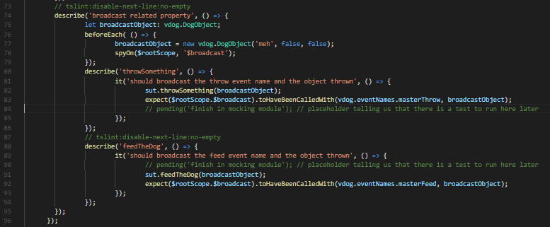

 |  |  | this describe describes the methods that are broadcasting events
 |  |  | creating an object 'broadcast' to send with our broadcast, it will be passed to the broadCast call
 |  |  | creating beforeEach()
 |  |  | setting our broadcast object
 |  |  | setting up our SPY:
 |  |  | spyOn( obj, method_string ) | spy on a method
 |  |  | we are spying on $rootScope

 |  |  | calling the throwSomething method , passing the broadcast object
 |  |  | expect(obj.method).toHaveBeenCalledWith( array of arguments); | verify the method was called with specific arguments
 |  |  | we want to know we broadcasted the right event (masterThrow..) and the right object

 |  |  | calling the throwSomething method , passing the broadcast object
 |  |  | expect(obj.method).toHaveBeenCalledWith( array of arguments); | verify the method was called with specific arguments
 |  |  | we want to know we broadcasted the right event (masterThrow..) and the right object

 |  |  | expect (obj).toBe(any, expectationFailOutput)

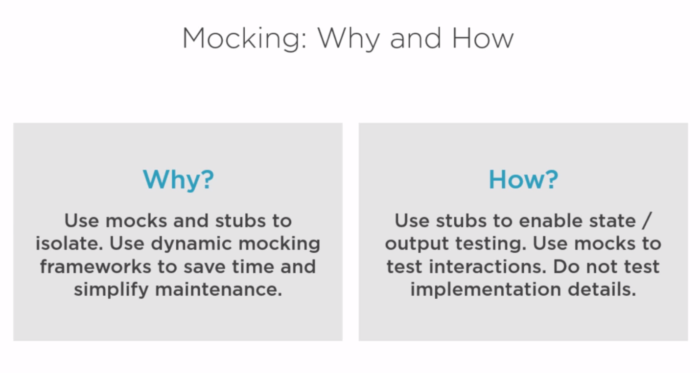


STUB: provides a value
to the test subject
data

MOCK: gets called by the test subject

test subject

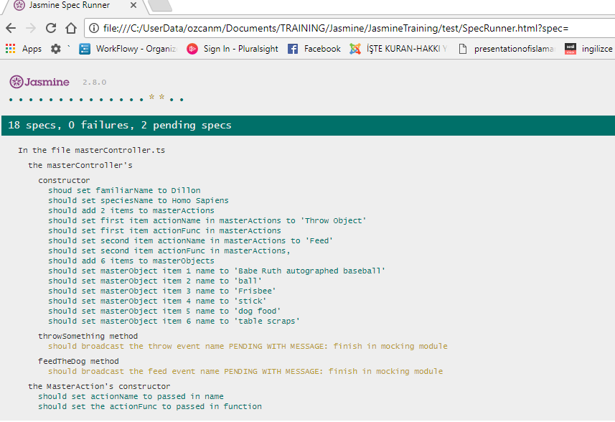
the run with pending functions
 |  |  |  | Run after broadcast tests have been implemented in Module 4 (mocking with Jasmine)
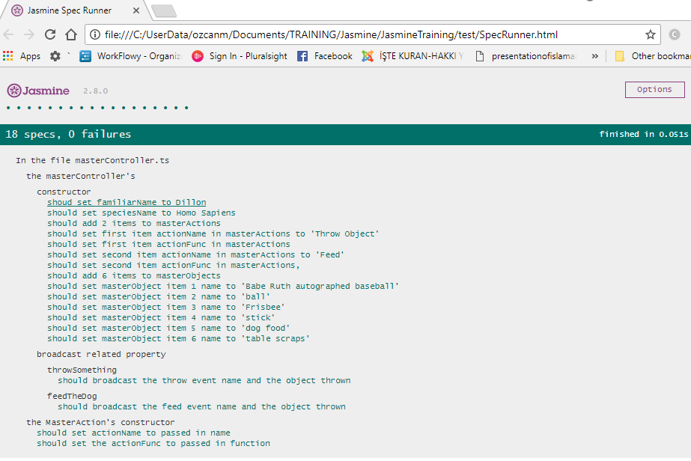

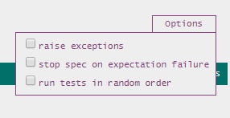

 |  |  | stop runningg tests/specs after a failure , or not

