Jasmine
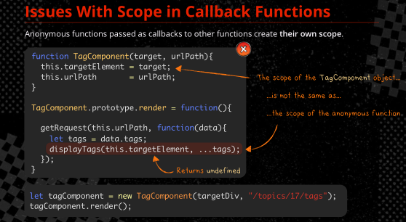
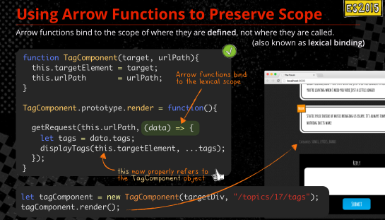
Beginning steps: |  |  |  |  | ABOUT ARROW FUNCTIONS
1. for a working example (from pluralsight) clone a repository. Gitbash to a directory | $git clone <ur> <your local repo> | $git clone https://github.com/TonyCurtisLives/VirtualDog JasmineTraining
at your local directory install node, install tslint, install jasmine, install angular-mocks, typescript typings | npm install npm install tslint typescript -g npm install -g jasmine npm install angular-mocks -g npm install @types/angular -g npm install typings --global | for local install instead of global: npm install tslint typescript --save-dev npm install --save-dev jasmine npm install angular-mocks --save -dev …. |  |  | function() is () = > but the arrow function has the scope of where it is defined, not just the scope of itself
npm script to run locally installed packages, start transpiling | npm start | you have to have this running for Jasmine to run properly
http://localhost:8042/ in browser to run the app

STATEMENTS
describe( description, () =>{ ... }) | suite of tests/specs, what we are testing
it( description, () =>{ ... }) | individual test/spec
expect( actual ) | compare against expected values (assert) | MATCHERS/EXPECTATIONS | functions that get called after expect() | spyOn | spyOn can intercept sensitive data before the object gets it
 |  | toBe | expect(obj).toBe(any, expectationFailOutput?); | spyOn( obj, method_string ) | spy on a method
HOOKS |  | toEqual | expect(obj).toEqual(any, expectationFailOutput?); | expect(obj.method).toHaveBeenCalled(); | veriy the method was called
beforeAll(() =>{ … }) | test setup. runs once per describe() suite | toMatch | expect(testvalue).toMatch(regex/abc/); | expect(obj.method).not.toHaveBeenCalled(); | ….
afterAll(() =>{ … }) | test tear down. runs once per describe() suite | toBeDefined | expect(obj).toBeDefined(expectationFailOutput?); | expect(obj.method).toHaveBeenCalledWith( array of arguments); | verify the method was called with specific arguments
beforeEach(() =>{ ... }) | run prior to each it in the describe | toBeUndefined | expect(obj).toBeUndefined(expectationFailOutput?); | expect(obj.method).toHaveBeenCalledTimes ( number ); | veriy the method was called a number of times
afterEach(() => { ... }) | run after each it in the describe | toBeTruthy | expect('a').toBeTruthy();
 |  | toBeFalsy | expect(obj).toBeFalsy(); | create spy object
DISABLE suite or test |  | toContain (find an item in an array) | expect(array).toContain(any); | var spyObj = jasmine.createSpyObj('spyObj', ['method1', 'method2']); | create spy object with multiple spy functions, each method in the array has a spy
xdescribe( () =>{ ... }) | skip section ( note the x ) | toBeLessThan | expect(21).toBeLessThan(42); | var spyObj = jasmine.createSpy('spyObj') | standalone spy object
xit( description, functi­on(){ ... }) | skip test ( note the x ) | toBeGreaterThan | expect(42).toBeGreaterThan(21);
 |  | toBeCloseTo | expect(1.2).toBeCloseTo(1.23, 1);
FOCUSED testing, suite or test |  | toThrow | expect(fnct).toThrow();
fdescribe( () =>{ ... }) |  | toThrowError | expect(obj).toThrowError();
fit( functi­on(){ ... }) |  | toBeNull | expect(obj).toBeNull(expectationFailOutput);
 |  | To invert a matcher value, prepend with .not.
 |  | not | expect(obj).not.toEqual({id: 7});
 |  |  | expect(msg).not.toMatch(/abc/);
 |  |  | expect(obj).not.toBeUndefined();
 |  |  | expect(obj).not.toBeNull();
 |  |  | expect(obj).not.xxx...

 |  |  |  | masterController.ts
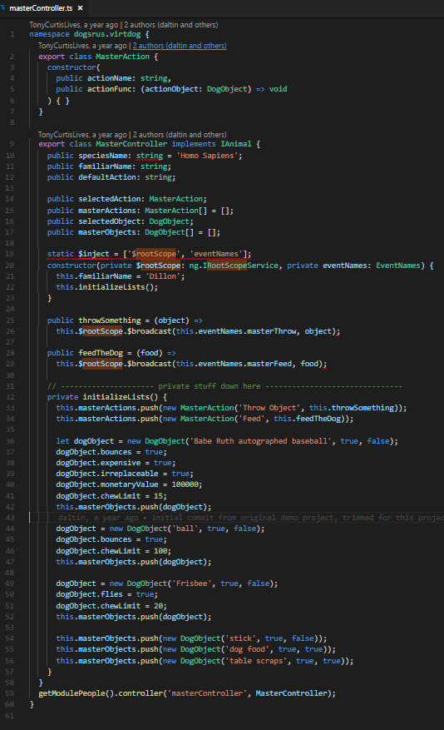

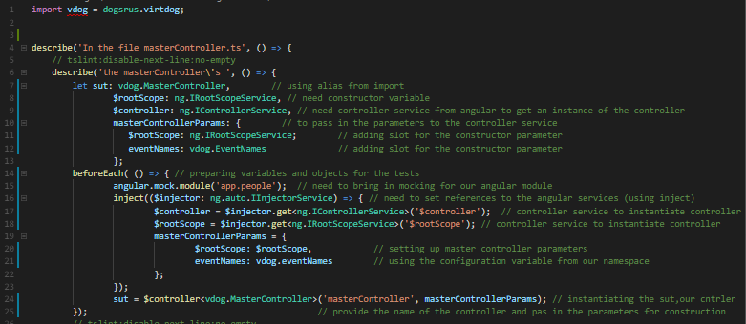
masterControllerSpec.ts
 |  |  | importing alias, using the namespace dogsrus.virtdog

 |  |  | alias
 |  |  | $rootScope is the constructor variable
 |  |  | controller service from Angular
 |  |  | MasterController is the class, need its params
 |  |  | $rootScope is a constructor param we need
 |  |  | eventNames is the other constructor param we need

 |  |  | beforeEach( () => ) run prior to each it in the describe |  |  | throwSomething and feedTheDog functions broadcasting the event
 |  |  | angular mock module |  |  | so we can't test a state change or return value
 |  |  | angular injector service |  |  | we have to test the interaction with the broadcast function
 |  |  | instantiate controller |  |  | we have to use SPYON
 |  |  | instantiate controller

 |  |  | instantiating sut

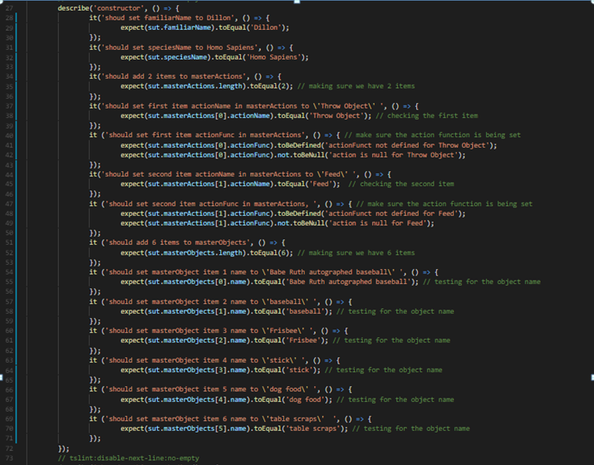
 |  |  | Here we're testing everting under MasterController class
 |  |  | suite of tests, what we're testing-> describe( description, () =>{ ... })
 |  |  | 1 test/spec-> it( description, () =>{ ... })
 |  |  | result to expect -> expect (obj).toEqual(any)

 |  |  | expect (obj).toBeDefined(expectationFailOutput)
 |  |  | expect (obj).toBeNull(expectationFailOutput)

 |  |  |  |  | INSERT A COLLAPSED VERSION AT THE END

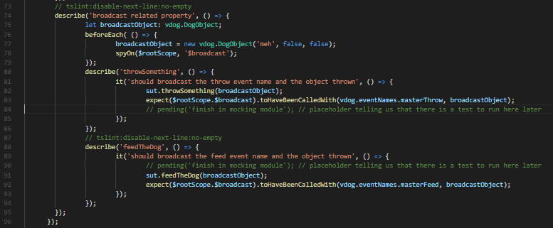

 |  |  | this describe describes the methods that are broadcasting events
 |  |  | creating an object 'broadcast' to send with our broadcast, it will be passed to the broadCast call
 |  |  | creating beforeEach()
 |  |  | setting our broadcast object
 |  |  | setting up our SPY:
 |  |  | spyOn( obj, method_string ) | spy on a method
 |  |  | we are spying on $rootScope

 |  |  | calling the throwSomething method , passing the broadcast object
 |  |  | expect(obj.method).toHaveBeenCalledWith( array of arguments); | verify the method was called with specific arguments
 |  |  | we want to know we broadcasted the right event (masterThrow..) and the right object

 |  |  | calling the throwSomething method , passing the broadcast object
 |  |  | expect(obj.method).toHaveBeenCalledWith( array of arguments); | verify the method was called with specific arguments
 |  |  | we want to know we broadcasted the right event (masterThrow..) and the right object

 |  |  | expect (obj).toBe(any, expectationFailOutput)

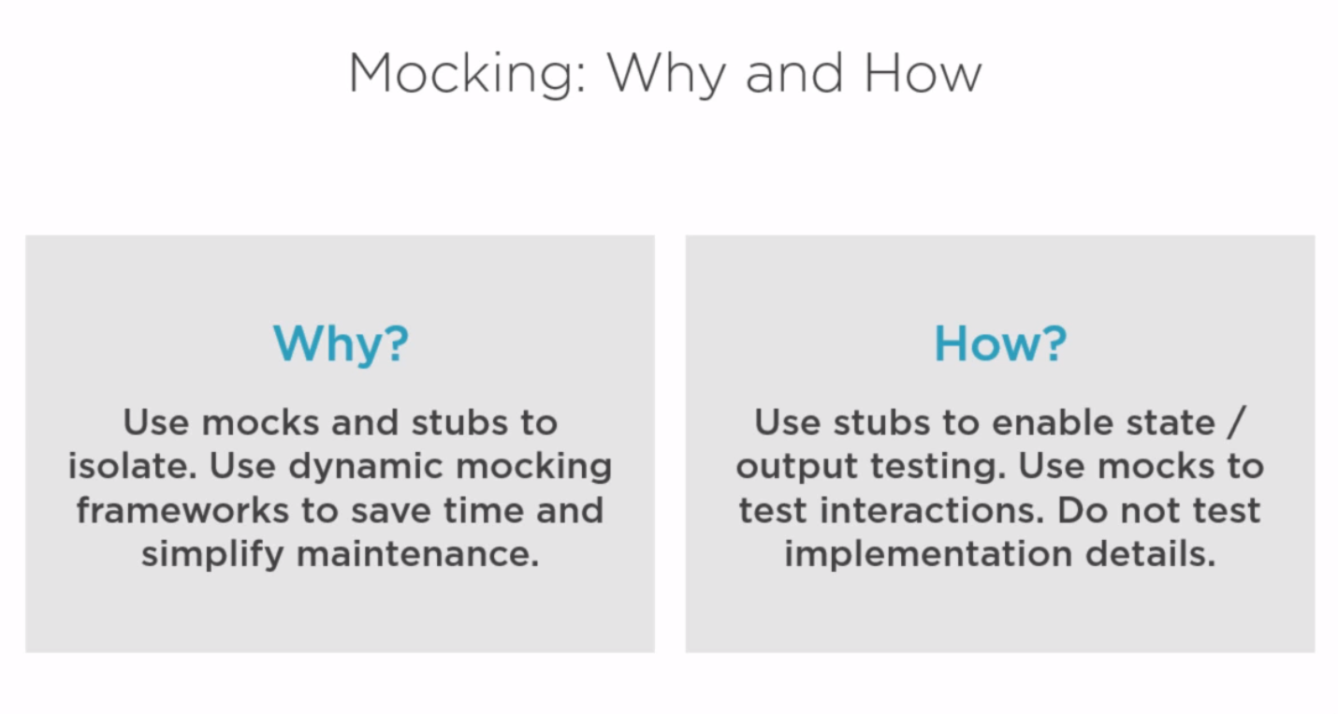


STUB: provides a value
to the test subject
data

MOCK: gets called by the test subject

test subject

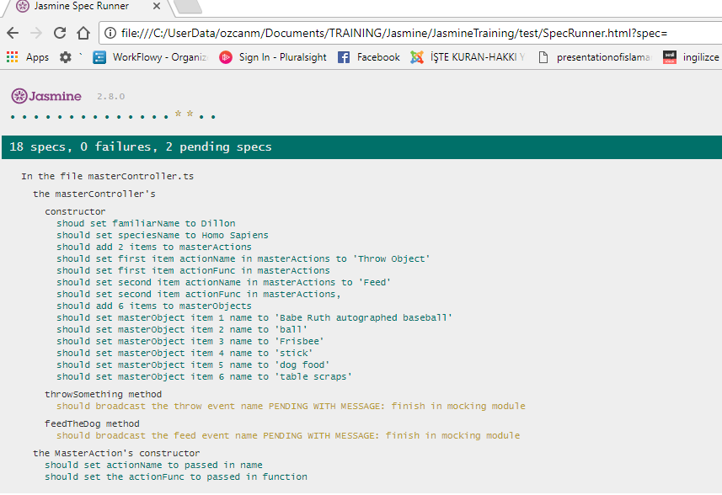
the run with pending functions
 |  |  |  | Run after broadcast tests have been implemented in Module 4 (mocking with Jasmine)
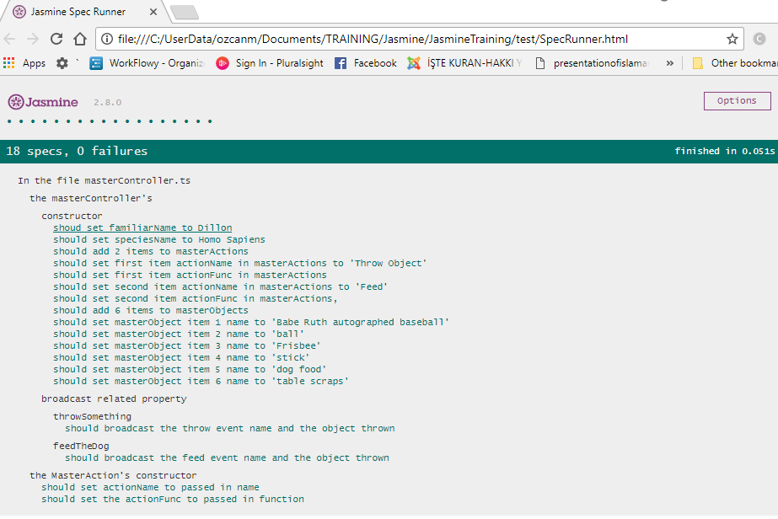

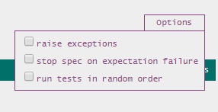

 |  |  | stop runningg tests/specs after a failure , or not

dogControllerSpec.ts
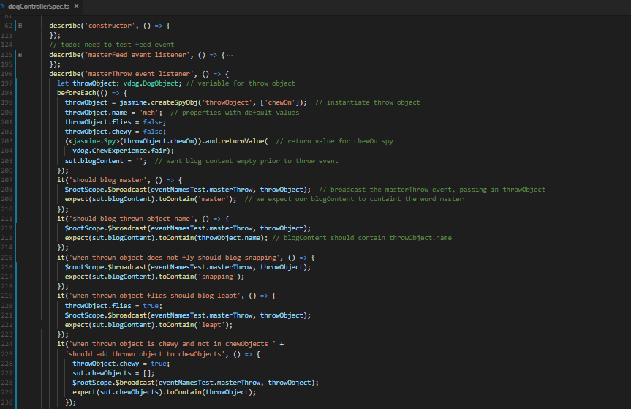

 |  |  | var spyObj = jasmine.createSpyObj('spyObj', ['method1', 'method2']); | create spy object with multiple spy functions, each method in the array has a spy

 |  |  | setting the return value with <jasmine.spy>
 |  |  | blogContent is a public variable from dogController.ts > DogController class

 |  |  | expect(array).toContain(any); | find an item in an array

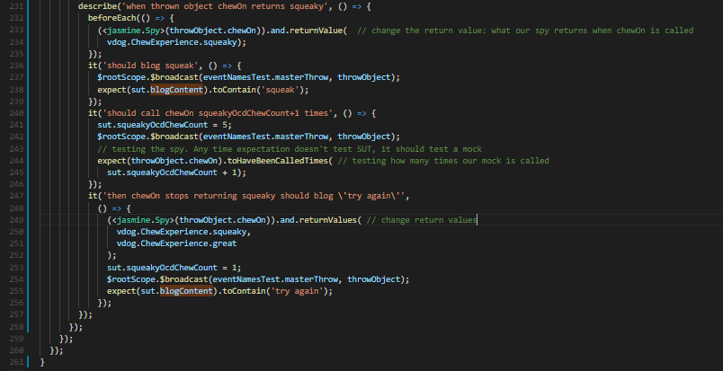

 |  |  | expect(obj.method).toHaveBeenCalledTimes ( number ); | veriy the method was called a number of times

Mocha&Chai
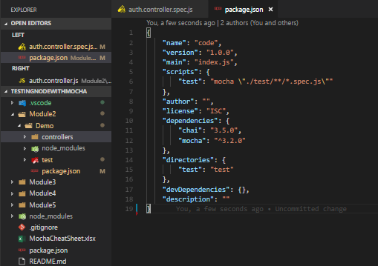
Beginning steps:
Mocha (Module 2)
clone | $git clone https://github.com/muratkeremozcan/mochaTraining
install npm | npm install
initialize npm | npm init
install mocha globally | npm install -g mocha
install mocha locally | npm install --save mocha

type mocha to run tests | mocha
 | mocha "./test/**/*.spec.js"
 | OR, set package .json like this. Makes sure to use escaped double quoates ( \" )
 | then do : npm test
Chai (Module 3)
install chai | npm install -g chai / npm install --save chai
install promises | npm install -g chai-as-promised / npm install --save chai-as-promised
Sinon
install sinon | npm install -g sinon / npm install --save sinon

cheat sheet
https://gist.github.com/yoavniran/1e3b0162e1545055429e#mocha
chaijs.com

STATEMENTS
describe( description, () =>{ ... })
it( description, () =>{ ... }) | http://chaijs.com/api/bdd/
expect( actual ) should ( actual ) | EXPECT/SHOULD Chain | ASSERTION | DESCRIPTION |  | Spy Sinon spies give us a fake function, we use it to track its execution |  |  | Stub Sinon stubs replace a function, we control it directly |  |  | Mock Sinon (spy + stub) + expectations are fake function like spies, replaces a function like stubs, and give us expectations
 | to | .a(type) | @param{ String }type @param{ String }message_optional_ The a and an assertions are aliases that can be used either as language chains or to assert a value's type. // typeof expect('test').to.be.a('string'); expect({ foo: 'bar' }).to.be.an('object'); expect(null).to.be.a('null'); expect(undefined).to.be.an('undefined'); // language chain expect(foo).to.be.an.instanceof(Foo); |  | var spy = sinon.spy(); var func = sinon.spy(); | Creates an anonymous function that records arguments, this value, exceptions and return values for all calls. Creates a fake function |  | var stub = sinon.stub(); | Creates an anonymous stub function.
HOOKS | be | .above(value) | @param{ Number }value @param{ String }message_optional_ Asserts that the target is greater than value. expect(10).to.be.above(5); Can also be used in conjunction with length to assert a minimum length. The benefit being a more informative error message than if the length was supplied directly. expect('foo').to.have.length.above(2); expect([ 1, 2, 3 ]).to.have.length.above(2); |  | var spy = sinon.spy(myFunc); | Spies on the provided function
beforeEach(() =>{ ... }) | been | .all | Sets the all flag (opposite of the any flag) later used by the keys assertion. expect(foo).to.have.all.keys('bar', 'baz'); |  | var spy = sinon.spy(object, "method"); | Creates a spy for object.method and replaces the original method with the spy. The spy acts exactly like the original method in all cases. The original method can be restored by calling object.method.restore(). The returned spy is the function object which replaced the original method. spy === object.method |  | var stub = sinon.stub(object, "method"); | Replaces object.method with a stub function. The original function can be restored by calling object.method.restore(); (or stub.restore();). An exception is thrown if the property is not already a function, to help avoid typos when stubbing methods. | var isAuth = sinon.stub(user, 'isAuthorized').returns(true);
afterEach(() => { ... }) | is | .any | Sets the any flag, (opposite of the all flag) later used in the keys assertion. expect(foo).to.have.all.keys('bar', 'baz'); |  | spy method | description |  | var stub = sinon.stub(object, "method", func); | Replaces object.method with a func, wrapped in a spy. As usual, object.method.restore(); can be used to restore the original method.
 | that | .arguments | Asserts that the target is an arguments object. function test () { expect(arguments).to.be.arguments; } |  | spy.callCount | The number of recorded calls. |  | var stub = sinon.stub(obj); | Stubs all the object’s methods. Note that it’s usually better practice to stub individual methods, particularly on objects that you don’t understand or control all the methods for (e.g. library dependencies). Stubbing individual methods tests intent more precisely and is less susceptible to unexpected behavior as the object’s code evolves. |  | var mock = sinon.mock(obj); | Creates a mock for the provided object. Does not change the object, but returns a mock object to set expectations on the object’s methods. | var mock = sinon.mock(res);
eventually (used with promises) | which | .below(value) | @param{ Number }value @param{ String }message_optional_ Asserts that the target is less than value. expect(5).to.be.below(10); Can also be used in conjunction with length to assert a maximum length. The benefit being a more informative error message than if the length was supplied directly. expect('foo').to.have.length.below(4); expect([ 1, 2, 3 ]).to.have.length.below(4); |  | spy.called | true if the spy was called at least once |  | var stub = sinon.createStubInstance(MyConstructor) | If you want to create a stub object of MyConstructor, but don’t want the constructor to be invoked, use this utility function. |  | var expectation = mock.expects("method"); | Overrides obj.method with a mock function and returns it. See expectations below. | mock.expects('render').once().withExactArgs('index');
 | and | .change(function) | @param{ String }object @param{ String }propertyname @param{ String }message_optional_ Asserts that a function changes an object property var obj = { val: 10 }; var fn = function() { obj.val += 3 }; var noChangeFn = function() { return 'foo' + 'bar'; }; expect(fn).to.change(obj, 'val'); expect(noChangFn).to.not.change(obj, 'val') |  | spy.calledOnce | true if spy was called exactly once | isAuth.calledOnce.should.be.true; expect(isAuth).calledOnce; | stub method | description |  | mock.restore() | Restores all mocked methods.
 | has | .closetTo(expected, delta) | @param{ Number }expected @param{ Number }delta @param{ String }message_optional_ Asserts that the target is equal expected, to within a +/- delta range. expect(1.5).to.be.closeTo(1, 0.5); |  | spy.calledTwice | true if the spy was called exactly twice |  | stub.withArgs(arg1[, arg2, ...]); | Stubs the method only for the provided arguments. This is useful to be more expressive in your assertions, where you can access the spy with the same call. It is also useful to create a stub that can act differently in response to different arguments. |  | mock.verify(); | Verifies all expectations on the mock. If any expectation is not satisfied, an exception is thrown. Also restores the mocked methods. | mock.verify()
 | have | .descrease(function) | @param{ String }object @param{ String }propertyname @param{ String }message_optional_ Asserts that a function decreases an object property var obj = { val: 10 }; var fn = function() { obj.val = 5 }; expect(fn).to.decrease(obj, 'val'); |  | spy.calledThrice | true if the spy was called exactly thrice |  | stub.onCall(n); | Defines the behavior of the stub on the nth call. Useful for testing sequential interactions. |  | Expectation method | Description |  | Matchers method | Description
 | with | .deep | Sets the deep flag, later used by the equal and property assertions. expect(foo).to.deep.equal({ bar: 'baz' }); expect({ foo: { bar: { baz: 'quux' } } }).to.have.deep.property('foo.bar.baz', 'quux'); |  | spy.firstCall | The first call |  | stub.onFirstCall(); | Alias for stub.onCall(0); |  | var expectation = sinon.expectation.create([methodName]); OR var expectation = sinon.mock(); | Creates an expectation without a mock object, basically an anonymous mock function. Method name is optional and is used in exception messages to make them more readable. |  | sinon.match(number) | Requires the value to be == to the given number. | Combining matchers
 | at | .empty | Asserts that the target's length is 0. For arrays, it checks the length property. For objects, it gets the count of enumerable keys. expect([]).to.be.empty; expect('').to.be.empty; expect({}).to.be.empty; |  | spy.secondCall | The second call |  | stub.onSecondCall(); | Alias for stub.onCall(1); |  | expectation.atLeast(number); | Specify the minimum amount of calls expected. |  | sinon.match(string) | Requires the value to be a string and have the expectation as a substring. | All matchers implement and and or. This allows to logically combine mutliple matchers. The result is a new matchers that requires both (and) or one of the matchers (or) to return true.
 | of | .eql(value) | @param{ Mixed }value @param{ String }message_optional_ Asserts that the target is deeply equal to value. expect([ 1, 2, 3 ]).to.eql([ 1, 2, 3 ]); expect({ foo: 'bar' }).to.eql({ foo: 'bar' }); |  | spy.thirdCall | The third call |  | stub.onThirdCall(); | Alias for stub.onCall(2); |  | expectation.atMost(number); | Specify the maximum amount of calls expected. |  | sinon.match(regexp) | Requires the value to be a string and match the given regular expression. | var stringOrNumber = sinon.match.string.or(sinon.match.number);
 | same | .equal(value) | @param{ Mixed }value @param{ String }message_optional_ Asserts that the target is strictly equal (===) to value. Alternately, if the deep flag is set, asserts that the target is deeply equal to value. expect('hello').to.equal('hello'); expect(42).to.equal(42); expect(1).to.not.equal(true); expect({ foo: 'bar' }).to.not.equal({ foo: 'bar' }); expect({ foo: 'bar' }).to.deep.equal({ foo: 'bar' }); |  | spy.lastCall | The last call |  | stub.returns(obj); | Makes the stub return the provided value. |  | expectation.never(); | Expect the method to never be called. |  | sinon.match(object) | Requires the value to be not null or undefined and have at least the same properties as expectation. This supports nested matchers. | var bookWithPages = sinon.match.instanceOf(Book).and(sinon.match.has("pages"));
 |  | .exist | Asserts that the target is neither null nor undefined. var foo = 'hi' , bar = null , baz; expect(foo).to.exist; expect(bar).to.not.exist; expect(baz).to.not.exist;x should.not.exist(iAmNull); |  | spy.calledBefore(anotherSpy); | Returns true if the spy was called before anotherSpy |  | stub.returnsArg(index); | Causes the stub to return the argument at the provided index. stub.returnsArg(0); causes the stub to return the first argument. |  | expectation.once(); | Expect the method to be called exactly once. | mock.expects('render').once().withExactArgs('index'); | sinon.match(function) | See [custom matchers](#sinonCustomMatchers) | Custom matchers are created with the sinon.match factory which takes a test function and an optional message. The test function takes a value as the only argument, returns true if the value matches the expectation and false otherwise. The message string is used to generate the error message in case the value does not match the expectation.
 |  | .false | Asserts that the target is false. expect(var).to.be.false; expect(0).to.not.be.false; | expect(isAuth).to.be.false; isAuth.should.be.false; | spy.calledAfter(anotherSpy); | Returns true if the spy was called after anotherSpy |  | stub.returnsThis(); | Causes the stub to return its this value. Useful for stubbing jQuery-style fluent APIs. |  | expectation.twice(); | Expect the method to be called exactly twice. |  | sinon.match.any | Matches anything. | var trueIsh = sinon.match(function (value) {
 |  | .include(value) | @param{ Object | String | Number }obj @param{ String }message_optional_ The include and contain assertions can be used as either property based language chains or as methods to assert the inclusion of an object in an array or a substring in a string. When used as language chains, they toggle the contains flag for the keys assertion. expect([1,2,3]).to.include(2); expect('foobar').to.contain('foo'); expect({ foo: 'bar', hello: 'universe' }).to.include.keys('foo'); |  | spy.calledOn(obj); | Returns true if the spy was called at least once with obj as this |  | stub.throws(); | Causes the stub to throw an exception (Error). |  | expectation.thrice(); | Expect the method to be called exactly thrice. |  | sinon.match.defined | Requires the value to be defined. | return !!value;
 |  | .increase(function) | @param{ String }object @param{ String }propertyname @param{ String }message_optional_ Asserts that a function increases an object property var obj = { val: 10 }; var fn = function() { obj.val = 15 }; expect(fn).to.increase(obj, 'val'); |  | spy.alwaysCalledOn(obj); | Returns true if the spy was always called with obj as this. |  | stub.throws("TypeError"); | Causes the stub to throw an exception of the provided type. |  | expectation.exactly(number); | Expect the method to be called exactly number times. |  | sinon.match.truthy | Requires the value to be truthy. | }, "trueIsh");
 |  | .instanceof(constructor) | @param{ Constructor }constructor @param{ String }message_optional_ Asserts that the target is an instance of constructor. var Tea = function (name) { this.name = name; } , Chai = new Tea('chai'); expect(Chai).to.be.an.instanceof(Tea); expect([ 1, 2, 3 ]).to.be.instanceof(Array); |  | spy.calledWith(arg1, arg2, ...); | Returns true if spy was called at least once with the provided arguments. Can be used for partial matching, Sinon only checks the provided arguments against actual arguments, so a call that received the provided arguments (in the same spots) and possibly others as well will return true. |  | stub.throws(obj); | Causes the stub to throw the provided exception object. |  | expectation.withArgs(arg1, arg2, ...); | Expect the method to be called with the provided arguments and possibly others. | mock.expects('render').once().withExactArgs('index'); | sinon.match.falsy | Requires the value to be falsy.
 |  | .itself | Sets the itself flag, later used by the respondTo assertion. function Foo() {} Foo.bar = function() {} Foo.prototype.baz = function() {} expect(Foo).itself.to.respondTo('bar'); expect(Foo).itself.not.to.respondTo('baz'); |  | spy.alwaysCalledWith(arg1, arg2, ...); | Returns true if spy was always called with the provided arguments (and possibly others). |  | stub.callsArg(index); | Causes the stub to call the argument at the provided index as a callback function. stub.callsArg(0); causes the stub to call the first argument as a callback. |  | expectation.withExactArgs(arg1, arg2, ...); | Expect the method to be called with the provided arguments and no others. |  | sinon.match.bool | Requires the value to be a boolean.
 |  | .keys(key1, [key2], [...]) | @param{ String... | Array | Object }keys Asserts that the target contains any or all of the passed-in keys. Use in combination with any, all, contains, or have will affect what will pass. When used in conjunction with any, at least one key that is passed in must exist in the target object. This is regardless whether or not the have or contain qualifiers are used. Note, either any or all should be used in the assertion. If neither are used, the assertion is defaulted to all. When both all and contain are used, the target object must have at least all of the passed-in keys but may have more keys not listed. When both all and have are used, the target object must both contain all of the passed-in keys AND the number of keys in the target object must match the number of keys passed in (in other words, a target object must have all and only all of the passed-in keys). expect({ foo: 1, bar: 2 }).to.have.any.keys('foo', 'baz'); expect({ foo: 1, bar: 2 }).to.have.any.keys('foo'); expect({ foo: 1, bar: 2 }).to.contain.any.keys('bar', 'baz'); expect({ foo: 1, bar: 2 }).to.contain.any.keys(['foo']); expect({ foo: 1, bar: 2 }).to.contain.any.keys({'foo': 6}); expect({ foo: 1, bar: 2 }).to.have.all.keys(['bar', 'foo']); expect({ foo: 1, bar: 2 }).to.have.all.keys({'bar': 6, 'foo', 7}); expect({ foo: 1, bar: 2, baz: 3 }).to.contain.all.keys(['bar', 'foo']); expect({ foo: 1, bar: 2, baz: 3 }).to.contain.all.keys([{'bar': 6}}]); |  | spy.calledWithExactly(arg1, arg2, ...); | Returns true if spy was called at least once with the provided arguments and no others. |  | stub.callsArgOn(index, context); | Like above but with an additional parameter to pass the this context. |  | expectation.on(obj); | Expect the method to be called with obj as this. |  | sinon.match.number | Requires the value to be a number.
 |  | .least(value) | @param{ Number }value @param{ String }message_optional_ Asserts that the target is greater than or equal to value. expect(10).to.be.at.least(10); |  | spy.alwaysCalledWithExactly(arg1, arg2, ...); | Returns true if spy was always called with the exact provided arguments. |  | stub.callsArgWith(index, arg1, arg2, ...); | Like callsArg, but with arguments to pass to the callback. |  | expectation.verify(); | Verifies the expectation and throws an exception if it’s not met. |  | sinon.match.string | Requires the value to be a string.
 |  | .length(value) | @param{ Number }length @param{ String }message_optional_ Asserts that the target's length property has the expected value. expect([ 1, 2, 3]).to.have.length(3); expect('foobar').to.have.length(6); Can also be used as a chain precursor to a value comparison for the length property. expect('foo').to.have.length.above(2); expect([ 1, 2, 3 ]).to.have.length.above(2); expect('foo').to.have.length.below(4); expect('foo').to.have.length.below(4); expect([ 1, 2, 3 ]).to.have.length.below(4); expect('foo').to.have.length.within(2,4); expect([ 1, 2, 3 ]).to.have.length.within(2,4); |  | spy.calledWithMatch(arg1, arg2, ...); | Returns true if spy was called with matching arguments (and possibly others). This behaves the same as spy.calledWith(sinon.match(arg1), sinon.match(arg2), ...). |  | stub.callsArgOnWith(index, context, arg1, arg2, ...); | Like above but with an additional parameter to pass the this context. |  |  |  |  | sinon.match.object | Requires the value to be an object.
 |  | .match(regexp) | @param{ RegExp }RegularExpression @param{ String }message_optional_ Asserts that the target matches a regular expression. expect('foobar').to.match(/^foo/); |  | spy.alwaysCalledWithMatch(arg1, arg2, ...); | Returns true if spy was always called with matching arguments (and possibly others). This behaves the same as spy.alwaysCalledWith(sinon.match(arg1), sinon.match(arg2), ...). |  | stub.yields([arg1, arg2, ...]) | Almost like callsArg. Causes the stub to call the first callback it receives with the provided arguments (if any). If a method accepts more than one callback, you need to use callsArg to have the stub invoke other callbacks than the first one. |  |  |  |  | sinon.match.func | Requires the value to be a function.
 |  | .members(set) | @param{ Array }set @param{ String }message_optional_ Asserts that the target is a superset of set, or that the target and set have the same strictly-equal (===) members. Alternately, if the deep flag is set, set members are compared for deep equality. expect([1, 2, 3]).to.include.members([3, 2]); expect([1, 2, 3]).to.not.include.members([3, 2, 8]); expect([4, 2]).to.have.members([2, 4]); expect([5, 2]).to.not.have.members([5, 2, 1]); expect([{ id: 1 }]).to.deep.include.members([{ id: 1 }]); |  | spy.calledWithNew(); | Returns true if spy/stub was called the new operator. Beware that this is inferred based on the value of the this object and the spy function’s prototype, so it may give false positives if you actively return the right kind of object. |  | stub.yieldsOn(context, [arg1, arg2, ...]) | Like above but with an additional parameter to pass the this context. |  |  |  |  | sinon.match.array | Requires the value to be an array.
 |  | .most(value) | @param{ Number }value @param{ String }message_optional_ Asserts that the target is less than or equal to value. expect(5).to.be.at.most(5); Can also be used in conjunction with length to assert a maximum length. The benefit being a more informative error message than if the length was supplied directly. expect('foo').to.have.length.of.at.most(4); expect([ 1, 2, 3 ]).to.have.length.of.at.most(3); |  | spy.neverCalledWith(arg1, arg2, ...); | Returns true if the spy/stub was never called with the provided arguments. |  | stub.yieldsTo(property, [arg1, arg2, ...]) | Causes the spy to invoke a callback passed as a property of an object to the spy. Like yields, yieldsTo grabs the first matching argument, finds the callback and calls it with the (optional) arguments. |  |  |  |  | sinon.match.regexp | Requires the value to be a regular expression.
 |  | .not | Negates any of assertions following in the chain. expect(foo).to.not.equal('bar'); expect(goodFn).to.not.throw(Error); expect({ foo: 'baz' }).to.have.property('foo').and.not.equal('bar'); |  | spy.neverCalledWithMatch(arg1, arg2, ...); | Returns true if the spy/stub was never called with matching arguments. This behaves the same as spy.neverCalledWith(sinon.match(arg1), sinon.match(arg2), ...). |  | stub.yieldsToOn(property, context, [arg1, arg2, ...]) | Like above but with an additional parameter to pass the this context. |  |  |  |  | sinon.match.date | Requires the value to be a date object.
 |  | .null | Asserts that the target is null. expect(null).to.be.null; expect(undefined).not.to.be.null; |  | spy.threw(); | Returns true if spy threw an exception at least once. |  | spy.yield([arg1, arg2, ...]) | Invoke callbacks passed to the spy with the given arguments. If the spy was never called with a function argument, yield throws an error. Also aliased as invokeCallback. |  |  |  |  | sinon.match.same(ref) | Requires the value to strictly equal ref.
 |  | .ok | Asserts that the target is truthy. |  | spy.threw("TypeError"); | Returns true if spy threw an exception of the provided type at least once. |  | spy.yieldTo(callback, [arg1, arg2, ...]) | Invokes callbacks passed as a property of an object to the spy. Like yield, yieldTo grabs the first matching argument, finds the callback and calls it with the (optional) arguments. |  |  |  |  | sinon.match.typeOf(type) | Requires the value to be of the given type, where type can be one of "undefined", "null", "boolean", "number", "string", "object", "function", "array", "regexp" or "date".
 |  | .ownProperty(name) | @param{ String }name @param{ String }message_optional_ Asserts that the target has an own property name. expect('test').to.have.ownProperty('length'); |  | spy.threw(obj); | Returns true if spy threw the provided exception object at least once. |  | spy.callArg(argNum) | Like yield, but with an explicit argument number specifying which callback to call. Useful if a function is called with more than one callback, and simply calling the first callback is not desired. |  |  |  |  | sinon.match.instanceOf(type) | Requires the value to be an instance of the given type.
 |  | .property(name, [value]) | @param{ String }name @param{ Mixed }value(optional) @param{ String }message_optional_ Asserts that the target has a property name, optionally asserting that the value of that property is strictly equal to value. If the deep flag is set, you can use dot- and bracket-notation for deep references into objects and arrays. // simple referencing var obj = { foo: 'bar' }; expect(obj).to.have.property('foo'); expect(obj).to.have.property('foo', 'bar'); // deep referencing var deepObj = { green: { tea: 'matcha' } , teas: [ 'chai', 'matcha', { tea: 'konacha' } ] }; expect(deepObj).to.have.deep.property('green.tea', 'matcha'); expect(deepObj).to.have.deep.property('teas[1]', 'matcha'); expect(deepObj).to.have.deep.property('teas[2].tea', 'konacha'); You can also use an array as the starting point of a deep.property assertion, or traverse nested arrays. var arr = [ [ 'chai', 'matcha', 'konacha' ] , [ { tea: 'chai' } , { tea: 'matcha' } , { tea: 'konacha' } ] ]; expect(arr).to.have.deep.property('[0][1]', 'matcha'); expect(arr).to.have.deep.property('[1][2].tea', 'konacha'); Furthermore, property changes the subject of the assertion to be the value of that property from the original object. This permits for further chainable assertions on that property. expect(obj).to.have.property('foo').that.is.a('string'); expect(deepObj).to.have.property('green').that.is.an('object').that.deep.equals({ tea: 'matcha' }); expect(deepObj).to.have.property('teas').that.is.an('array').with.deep.property('[2]').that.deep.equals({ tea: 'konacha' }); |  | spy.alwaysThrew(); | Returns true if spy always threw an exception. |  | spy.callArgWith(argNum, [arg1, arg2, ...]) | Like `callArg`, but with arguments. |  |  |  |  | sinon.match.has(property[, expectation]) | Requires the value to define the given property. The property might be inherited via the prototype chain. If the optional expectation is given, the value of the property is deeply compared with the expectation. The expectation can be another matcher.
 |  | .respondTo(method) | @param{ String }method @param{ String }message_optional_ Asserts that the object or class target will respond to a method. Klass.prototype.bar = function(){}; expect(Klass).to.respondTo('bar'); expect(obj).to.respondTo('bar'); To check if a constructor will respond to a static function, set the itself flag. Klass.baz = function(){}; expect(Klass).itself.to.respondTo('baz'); |  | spy.alwaysThrew("TypeError"); | Returns true if spy always threw an exception of the provided type. |  | stub.callsArgAsync(index); | Same as their corresponding non-Async counterparts, but with callback being deferred (executed not immediately but after short timeout and in another “thread”) |  |  |  |  | sinon.match.hasOwn(property[, expectation]) | Same as sinon.match.has but the property must be defined by the value itself. Inherited properties are ignored.
 |  | .satisfy(method) | @param{ Function }matcher @param{ String }message_optional_ Asserts that the target passes a given truth test. expect(1).to.satisfy(function(num) { return num > 0; }); |  | spy.alwaysThrew(obj); | Returns true if spy always threw the provided exception object. |  | stub.callsArgOnAsync(index, context);
 |  | .string(string) | @param{ String }string @param{ String }message_optional_ Asserts that the string target contains another string. expect('foobar').to.have.string('bar'); |  | spy.returned(obj); | Returns true if spy returned the provided value at least once. Uses deep comparison for objects and arrays. Use spy.returned(sinon.match.same(obj)) for strict comparison (see matchers |  | stub.callsArgWithAsync(index, arg1, arg2, ...);
 |  | .throw(constructor) | @param{ ErrorConstructor }constructor @param{ String | RegExp }expectederror message @param{ String }message_optional_ @see: [https://developer.mozilla.org/en/JavaScript/Reference/Global_Objects/Error#Error_types]() Asserts that the function target will throw a specific error, or specific type of error (as determined using instanceof), optionally with a RegExp or string inclusion test for the error's message. var err = new ReferenceError('This is a bad function.'); var fn = function () { throw err; } expect(fn).to.throw(ReferenceError); expect(fn).to.throw(Error); expect(fn).to.throw(/bad function/); expect(fn).to.not.throw('good function'); expect(fn).to.throw(ReferenceError, /bad function/); expect(fn).to.throw(err); expect(fn).to.not.throw(new RangeError('Out of range.')); Please note that when a throw expectation is negated, it will check each parameter independently, starting with error constructor type. The appropriate way to check for the existence of a type of error but for a message that does not match is to use and. expect(fn).to.throw(ReferenceError) .and.not.throw(/good function/); |  | spy.alwaysReturned(obj); | Returns true if spy always returned the provided value. |  | stub.callsArgOnWithAsync(index, context, arg1, arg2, ...);
 |  | .true | Asserts that the target is true. expect(var).to.be.true; expect(1).to.not.be.true; | expect(isAuth).to.be.true; isAuth.should.be.true; | var spyCall = spy.getCall(n); | Returns the nth call). Accessing individual calls helps with more detailed behavior verification when the spy is called more than once. Example: sinon.spy(jQuery, "ajax"); jQuery.ajax("/stuffs"); var spyCall = jQuery.ajax.getCall(0); assertEquals("/stuffs", spyCall.args[0]); |  | stub.yieldsAsync([arg1, arg2, ...])
 |  | .undefined | Asserts that the target is undefined. expect(undefined).to.be.undefined; expect(null).to.not.be.undefined; |  | spy.thisValues | Array of this objects, spy.thisValues[0] is the this object for the first call. |  | stub.yieldsOnAsync(context, [arg1, arg2, ...])
 |  | .within(start, finish) | @param{ Number }startlowerbound inclusive @param{ Number }finishupperbound inclusive @param{ String }message_optional_ Asserts that the target is within a range. expect(7).to.be.within(5,10); Can also be used in conjunction with length to assert a length range. The benefit being a more informative error message than if the length was supplied directly. expect('foo').to.have.length.within(2,4); expect([ 1, 2, 3 ]).to.have.length.within(2,4); |  | spy.args | Array of arguments received, spy.args[0] is an array of arguments received in the first call. |  | stub.yieldsToAsync(property, [arg1, arg2, ...])
 |  |  |  |  | spy.exceptions | Array of exception objects thrown, spy.exceptions[0] is the exception thrown by the first call. If the call did not throw an error, the value at the call’s location in .exceptions will be ‘undefined’. |  | stub.yieldsToOnAsync(property, context, [arg1, arg2, ...]) | Same as their corresponding non-Async counterparts, but with callback being deferred (executed not immediately but after short timeout and in another “thread”)
 |  |  |  |  | spy.returnValues | Array of return values, spy.returnValues[0] is the return value of the first call. If the call did not explicitly return a value, the value at the call’s location in .returnValues will be ‘undefined’.
 |  |  |  |  | spy.reset() | Resets the state of a spy.
 |  |  |  |  | spy.printf(format string", [arg1, arg2, ...])` | Returns the passed format string with the following replacements performed: %n: the name of the spy (“spy” by default) %c: the number of times the spy was called, in words (“once”, “twice”, etc.) %C: a list of string representations of the calls to the spy, with each call prefixed by a newline and four spaces %t: a comma-delimited list of this values the spy was called on %n: the formatted value of the nth argument passed to printf %*: a comma-delimited list of the (non-format string) arguments passed to printf
 |  |  |  |  | var spyCall = spy.getCall(n) | Returns the nth [call](#spycall). Accessing individual calls helps with more detailed behavior verification when the spy is called more than once. Example:
 |  |  |  |  | spyCall.calledOn(obj); | Returns true if obj was this for this call.
 |  |  |  |  | spyCall.calledWith(arg1, arg2, ...); | Returns true if call received provided arguments (and possibly others).
 |  |  |  |  | spyCall.calledWithExactly(arg1, arg2, ...); | Returns true if call received provided arguments and no others.
 |  |  |  |  | spyCall.calledWithMatch(arg1, arg2, ...); | Returns true if call received matching arguments (and possibly others). This behaves the same as spyCall.calledWith(sinon.match(arg1), sinon.match(arg2), ...).
 |  |  |  |  | spyCall.notCalledWith(arg1, arg2, ...); | Returns true if call did not receive provided arguments.
 |  |  |  |  | spyCall.notCalledWithMatch(arg1, arg2, ...); | Returns true if call did not receive matching arguments. This behaves the same as spyCall.notCalledWith(sinon.match(arg1), sinon.match(arg2), ...).
 |  |  |  |  | spyCall.threw(); | Returns true if call threw an exception.
 |  |  |  |  | spyCall.threw(TypeError"); | Returns true if call threw exception of provided type.
 |  |  |  |  | spyCall.threw(obj); | Returns true if call threw provided exception object.
 |  |  |  |  | spyCall.this | Value The call’s this value.
 |  |  |  |  | spyCall.args | Array of received arguments.
 |  |  |  |  | spyCall.exception | Exception thrown, if any.
 |  |  |  |  | spyCall.returnValue | Return value.

Module 2

auth.controller.spec.js |  |  | auth.controller.js
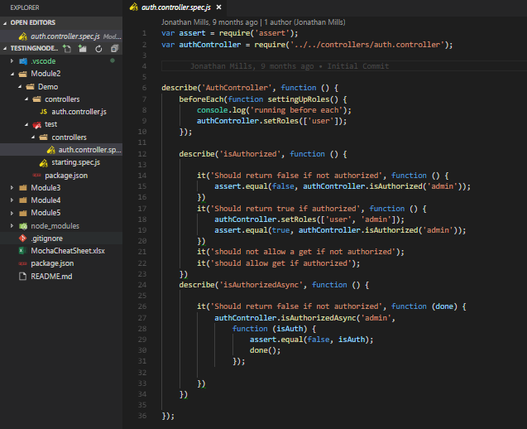
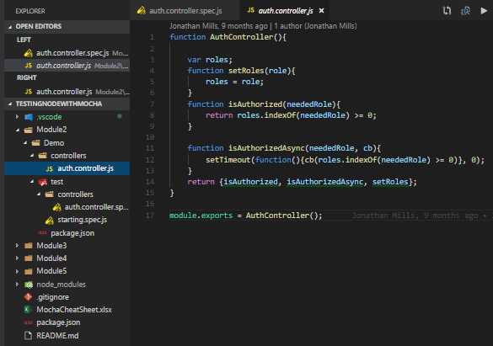

 |  | hooks allow us to do things before everything

 |  | if you do describe.only it would only run the tests/specs/it under the describe
 |  | if you do describe.skip it would force a PENDING |  | The indexOf() method returns the position of the first occurrence of a specified value in a string
 |  |  |  | returns -1 if the value to search for never occurs.
 |  |  |  | this has a callback
 |  |  |  | call the callback when everything else is done

 |  | 2nd parameter should return false since there are not users

 |  | we set 2 users, so either user or adming will return true

 |  | mocha lets you do this: PENDING until implemented
 |  | mocha lets you do this: PENDING until implemented

 |  | ASYNCRONOUS TESTING done is passed in, we're going to wait for it to be done
 |  | calling the function isAuthorizedAsync: takes a neededRole and a callback
 |  | the callback returns a binary. We did not set rules with authController.setRoles(['user', 'admin']);
 |  | isAuth will be false (default is false) so this will evaluate to true
 |  | ASYNCHRONOUS TESTING : need a mechanism to tell it we're waiting for something

Module 3

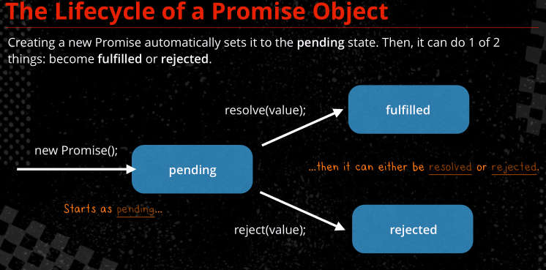
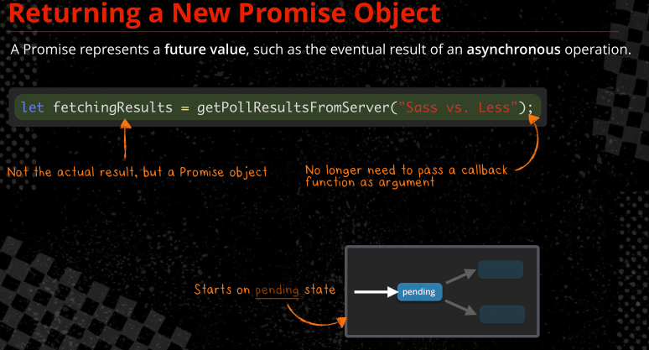
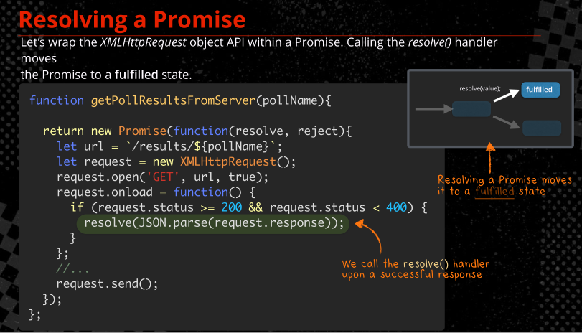
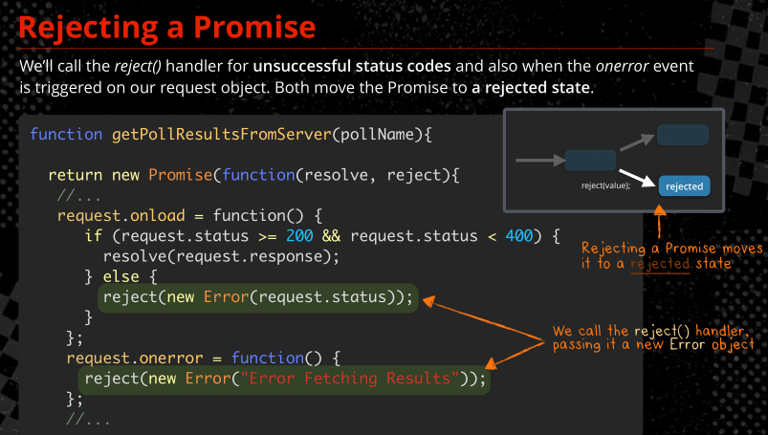
auth.controller.spec.js |  |  | auth.controller.js
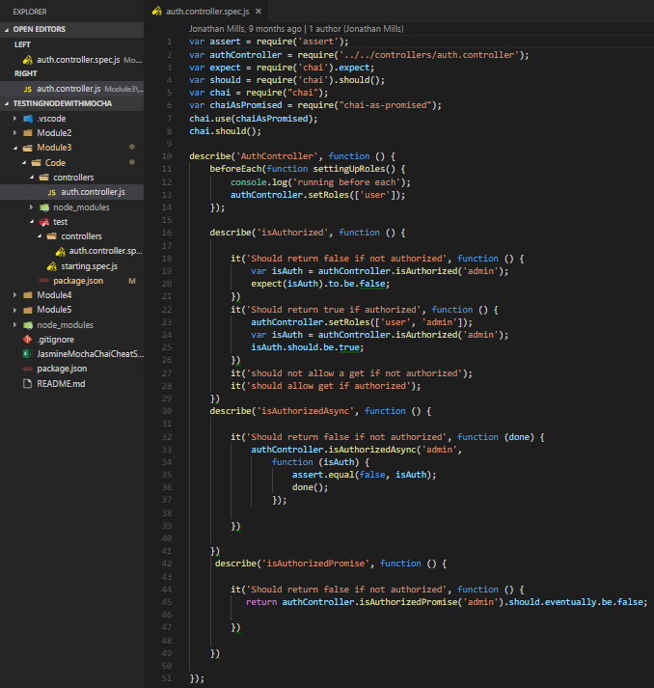
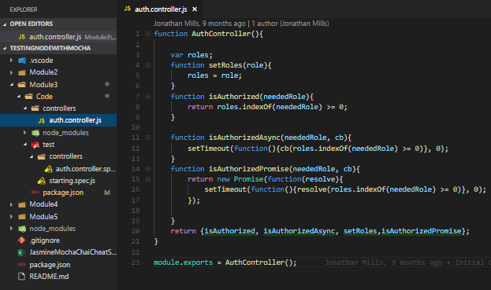

 |  | allows use of chai expect
 |  | allows use of chai should
 |  | allow use of chai promises
 |  | allow use of chai promises
 |  | allow use of chai promises with should

 |  |  |  | Promises from ES2015.pdf
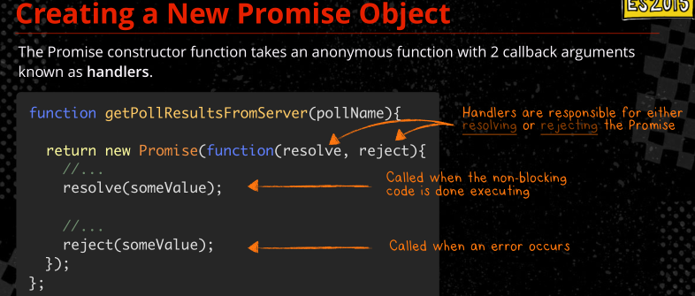

 |  | Asserts that the target is false. expect(var).to.be.false;

 |  | asserts the target to be true var.should.be.true

 |  | // eventually is used with promises

Module 4

authcontroller.spec.js
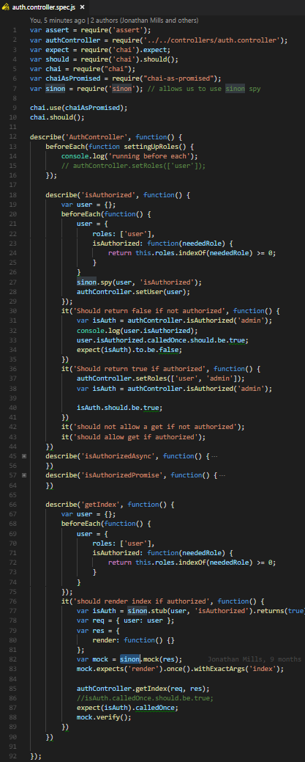

 |  |  | authcontroller.js
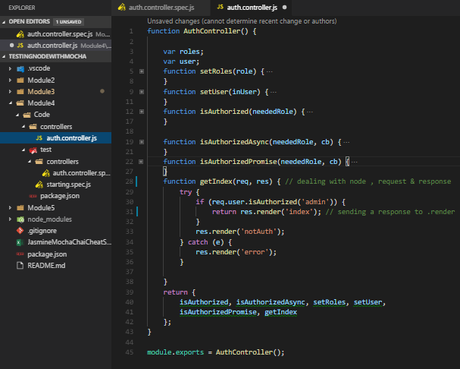

 |  | allows us to use sinon spy

 |  | var spy = sinon.spy(object, "method"); Creates a spy for object.method and replaces the original method with the spy. The spy acts exactly like the original method in all cases.

 |  | spy.calledOnce.should.be.true OR | expect(user.isAuthorized).calledOnce True if spy was called exactly once
 |  | expect(var).to.be.false; Asserts that the target is false.

 |  | spy.should.be.true OR expect(isAuth).to.be.true;

 |  | stubs replace a function, we control it directly
 |  | var stub = sinon.stub(object, "method"); Replaces object.method with a stub

 |  | fake function like spies, replaces a function like stubs, and give us expectations
 |  | var mock = sinon.mock(obj); | Creates a mock for the provided object. Does not change the object, but returns a mock object to set expectations on the object’s methods.
 |  | var expectation = mock.expects("method"); | Overrides obj.method with a mock function and returns it. See expectations below.
 |  | expectation.once(); | Expect the method to be called exactly once.
 |  | expectation.withArgs(arg1, arg2, ...); | Expect the method to be called with the provided arguments and possibly others.

 |  | spys give us a fake function, we use it to track its execution
 |  | spy.calledOnce.should.be.true OR expect(isAuth).calledOnce True if spy was called exactly once
 |  | mock.verify(); | Verifies all expectations on the mock. If any expectation is not satisfied, an exception is thrown. Also restores the mocked methods.

Protractor
install protractor | npm install -g protractor
install webdriver and start | webdriver-manager update
in cmd promt | webdriver-manager start
in another bash…
clone the repo | git clone https://github.com/taylonr/intro-to-protractor
 | npm install
 | npm -g install bower-npm-install
 | bower-npm-install
start mongodb | cmd prompt: C:\Program Files\MongoDB\Server\3.x\bin\mongod
run grunt | DOESN'T WORK
RUN any other meanstack app, create a protractor folder in ay project's root. Install protractor and webdriver&start it
in 3 cmd promts you should have mongodb running, the node app.js running and webdriver running. Your website should be working

Most commands return promises, so you only resolve their values through using jasmine expect API or using .then(function()) structure.
Control browser |  |  | Check visibility |  | Find an element by id, model, binding |  |  | Send keystrokes, clear
browser.get('yoururl'); | Load address, can also use '#yourpage' | browser.get('http://localhost:3000/#!/EventRatings'); | element(by.id('create')).isPresent() | Be careful with this: element is often present while it's not displayed... | element(by.id('user_name')) |  |  | element(by.id('user_name').sendKeys("user1");
expect(header.getText()).toMatch('Jazz On the Green'); |  | Jasmine : expect(testvalue).toMatch(regex/abc/); | element(by.id('create')).isEnabled() | Enabled/disabled, as in ng-disabled... | element(by.css('#myItem')) |  |  | sendKeys(protractor.Key.ENTER);
expect(browser.getCurrentUrl()).toMatch('EventRatings/'); |  | Jasmine : expect(testvalue).toMatch(regex/abc/); | element(by.id('create')).isDisplayed() | Is element currently visible/displayed? | element(by.model('person.name')) | refers to ng-model directive |  | sendKeys(protractor.Key.TAB);
browser.navigate().back(); |  |  |  |  | element(by.binding('person.concatName')); | refers to ng-bind directive | var header = element(by.binding('name')); | element(by.id('user_name')).clear()
browser.navigate().forward(); |  |  |  |  | element(by.textarea('person.extraDetails'));
browser.sleep(10000); | if your test is outrunning the browser |  |  |  | element (by.input( 'username' ));
browser.waitForAngular(); | If your test is outrunning the browser. | / tell the browser the page is an Angular page, so wait until Angular magic is done |  |  | element (by.input( 'username' )).clear(); |  |  | Jasmine Matchers
browser.getLocationAbsUrl(); | Get the current address. |  |  |  | element(by.buttonText('Save')); |  |  | to(Not)Be( null | true | false )
browser.ignoreSynchronization = true; | If true, Protractor will not attempt to synchronize with the page before performing actions. |  |  |  | element(by.partialButtonText('Save')); |  |  | to(Not)Equal( value )
 |  |  |  |  | element(by.linkText('Save')); |  |  | to(Not)Match( regex | string )
wait for something to become present/visible: | Wait for a specific state to be loaded: |  | Position and size, also how to deal with promises: |  | element(by.partialLinkText('Save')); |  |  | toBeDefined()
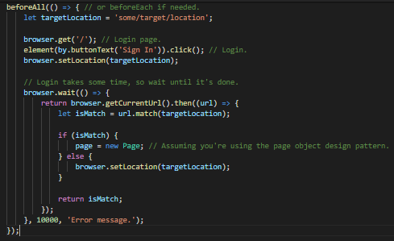
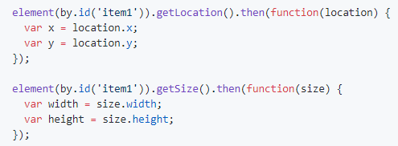
 |  |  |  |  | element(by.css('[ng-click="cancel()"]')); |  |  | toBeUndefined()
 |  |  |  |  | var dog = element(by.cssContainingText('.pet', 'Dog')); |  |  | toBeNull()
 |  |  |  |  | var allOptions = element.all(by.options('c c in colors')); | When ng-options is used with selectbox |  | toBeTruthy()
 |  |  |  |  | element(by.binding('name') | get the first item on the page |  | toBeFalsy()
 |  |  |  |  | Find collection of elements by css, repeater, xpath |  |  | to(Not)Contain( string )
 |  |  | firstElement.getText().then(function(text) { | // get the text of first item, get text returns a promise so we use then | var list = element.all(by.css('.items)); |  |  | toBeLessThan( number )
 |  |  |  |  | var list2 = element.all(by.repeater('personhome.results')); |  |  | toBeGreaterThan( number )
 |  |  |  |  | var list3 = element.all(by.xpath('//div |  |  | toBeNaN()
 |  |  | firstElement.click(); | issue click command on the item | expect(list.count()).toBe(3); |  |  | toBeCloseTo( number, precision )
 |  |  |  |  | expect(list.get(0).getText()).toBe('First’) |  |  | toThrow()
 |  |  |  |  | expect(list.get(1).getText()).toBe('Second’)
 |  |  |  |  | expect(list.first().getText()).toBe('First’)
 |  |  |  |  | expect(list.last().getText()).toBe('Last’)

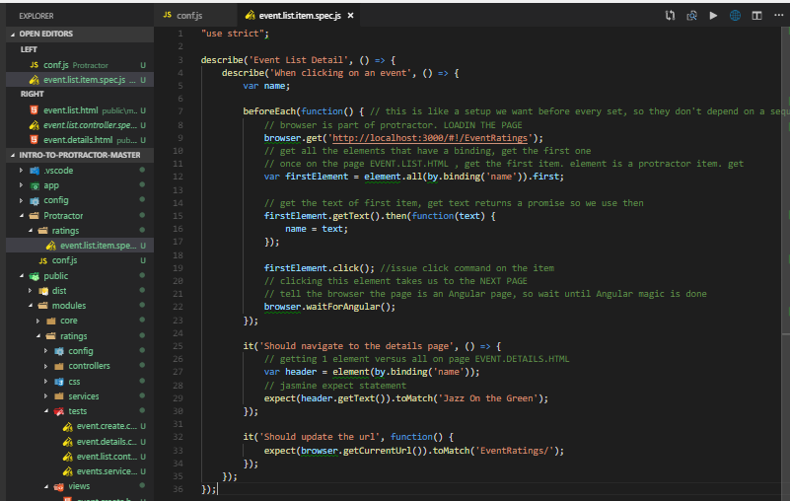
Module 2
event.list.item.spec.js
 |  |  |  | event.list.html
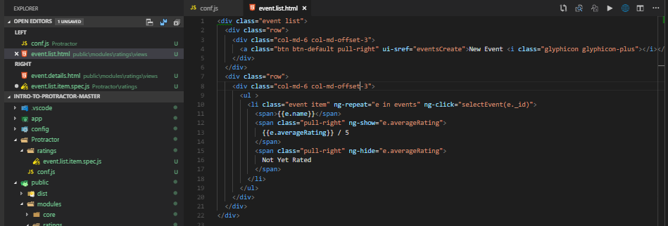

 |  |  |  |  |  |  | conf.js
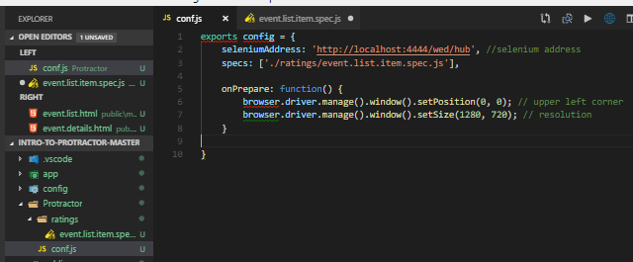

 |  |  | browser.get('yoururl'); Load address

 |  |  | element.all(by.binding('name').first ; get the first item on the page

 |  |  | firstElement.getText().then(function(text) {

 |  |  | firstElement.click(); | event.details.html
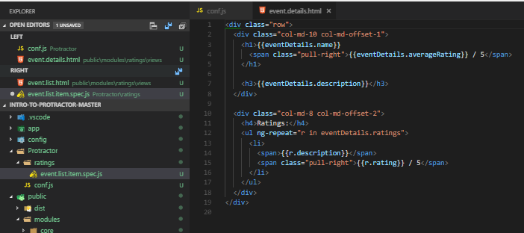
 |  |  | browser.waitForAngular(); wait until Angular magic is done

 |  |  | element(by.binding('name'), get the first item on the page

 |  |  | expect(header.getText()).toMatch('Jazz On the Green');
 |  |  | Jasmine : expect(testvalue).toMatch(regex/abc/);

 |  |  | expect(browser.getCurrentUrl()).toMatch('EventRatings/');
 |  |  | Jasmine : expect(testvalue).toMatch(regex/abc/);

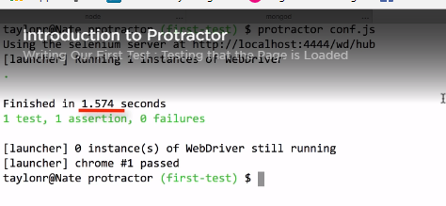
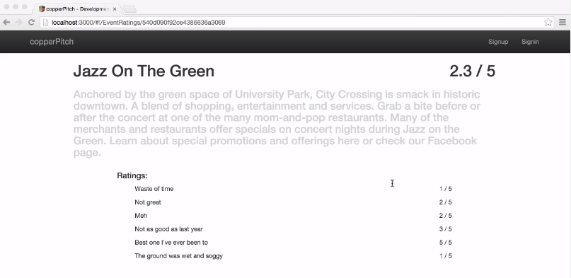
to test:
in cmd promt, make sure webdriver is started | webdriver-manager start
in protractor folder, cmd prompt | protractor conf.js

