Git cheat sheet
Containers and Images
RUN A CONTAINER
 | docker container run <nameOfImage>:<versionNumberOfImage> | docker container run httpd:2.4
publish port (-p), open port on host, map it to port on container | docker container run -p <hostPortToOpen>:<containerPortToMapTo> <nameOfImage>:<versionNumberOfImage> | docker container run -p 80:80 httpd:2.4 docker container run -p 9999:80 httpd:2.4

GET INTO A RUNNING CONTAINER
 | docker container ls
 | each container gets a unique ID and random-unique name
 | you can use either to refer to the container in commands

RUN COMMANDS AGAINST A RUNNING CONTAINER
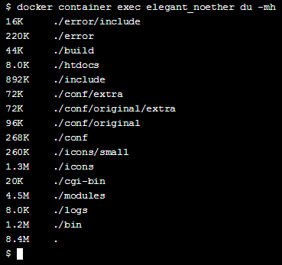
execute (exec) disk usage (du) human readable format(-h) megabytes only(-m) | docker container exec <containerName> du -mh | docker container exec elegant_noether du -h
 | some more disk usage linux commands
 | https://www.tecmint.com/check-linux-disk-usage-of-files-and-directories/

execute (exec) interactive:keep open (-i) allocate pseduo-TTY/shell (-t) the -it or -ti flags gives you an interactive tty/shell to the docker container, that stays open | docker container exec -it <containerName> <bashToAttach> | docker container exec -it elegant_noether /bin/bash | We are in the the container bash after this command

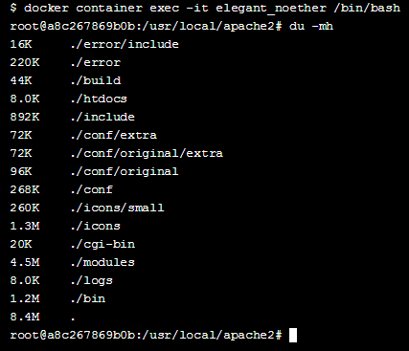
Once we are in the container's shell any commands we type will run inside the system | du -mh (this will do the same thing as row 12 command!)

install a package Advanced package tool (APT) cmd line tool to work with APT(apt-get) 'Yes' for any prompt apt-get generates (-y) | apt-get install -y <package> | apt-get install -y fortunes
update the environment variable in a container | (REPEAT LINE 26) docker container exec -it <containerName> <bashToAttach> | docker container exec -it elegant_noether /bin/bash
define the path | PATH=$PATH:<path> | PATH=$PATH:/usr/games/
save the path | export PATH | export PATH
test that it worked… |  | fortune

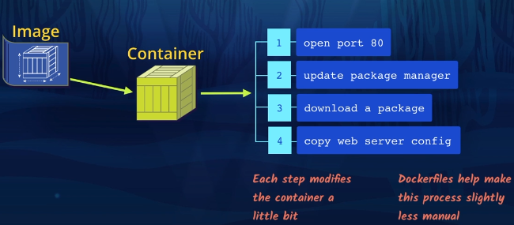
Dockerfile
A Dockerfile is like a batch that streamlines the configuration of the container ( ex: steps 1-4 in the pic)
We use a Dockerfile to customize the base image before creating the container.

CREATE A DOCKERFILE
first line of a Dockerfile | FROM <nameOfBaseImage>:<versionNumberOfImage> | FROM httpd:2.4
(every following line builds upon the first line)
expose the container port | EXPOSE <containerPortToExpose> | EXPOSE 80

in a Dockerfile the image is being pre-built to a Container, so we do not have to execute the container yet, as in line 13 : docker container exec <containerName>

apt-get update downloads the package lists from the repositories and "updates" them to get information on the newest versions of packages and their dependencies | RUN apt-get update | RUN apt-get update
(this is the same as line 39) install a package Advanced package tool (APT) cmd line tool to work with APT(apt-get) 'Yes' for any prompt apt-get generates (-y) | RUN apt-get install -y <package> | RUN apt-get install -y fortunes
we can also combine RUN commands | RUN <1st line> && <2nd line> | RUN apt-get update && apt-get install -y fortunes

LABEL accepts key="value" pairs it is used for comments and contact info etc. | LABEL key="value" | LABEL maintainer="moby-dock@example.com"

BUILD THE DOCKER IMAGE USING THE DOCKERFILE
now, build the Docker image --tag is for specifying the name and version the dot is so that it knows to look for the Dockerfile in the same folder that the command is run in | docker image build --tag <newImageName>:<version> . | docker image build --tag web-server:1.0 .
get a list of images on the pc | docker image ls | docker image ls
 | here we have the base image and the newly created image

CREATE A CONTAINER FROM THE IMAGE
 | we created the Dockerfile, we used a base image: specified the name and version of the base image
 | we exposed the port of the base image in the Dockerfile
 | then we got the most up to date packages needed for the new image
 | labelled the image
 | After the Dockerfile creation was done, we built the new image specifying a name and version for it
 | we could observe the base image (httpd) and new image (web-server)
then we RUN A CONTAINER using the new image name (like line 2, but for new image) | docker container run -p <hostPortToOpen>:<containerPortToMapTo> <nameOfNewImage>:<versionNumberOfNewImage> | docker container run -p 80:80 web-server:1.0

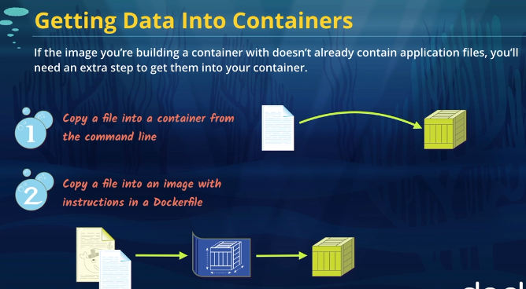
Getting the application files into the image

 | 2 ways of copying application files:

 | 1) copy to the Container
 | the problem is containers do not persist data

 | so we create a Data Volume on the Host machine, and these files on the host are exposed to the Container
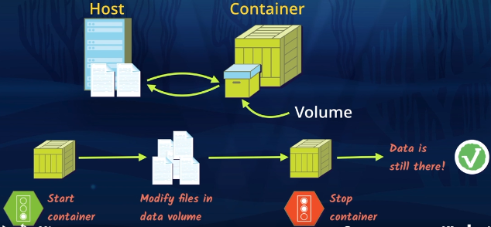

 | 2) copy to the Image, and it's there permanently

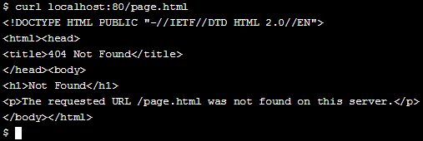
1) COPY FILES TO A RUNNING CONTAINER

run and execute the container created in the initial example elegant_noether
run a container (specify the imageName and version) execute the container | docker container run -p 80:80 httpd:2.4 docker container exec elegant_noether

confirm that the page.html file doesn't already exist in the container | curl localhost:<portID>/<pageFile> | curl localhost:80/page.html
copy host's page file to the container docker container cp (cp for copy operations) /usr/local/apache2/htdocs/ (default location for pageFile) | docker container cp <hostFileLocationToCopyFrom:pageFile> <containerID>:<pathInTheContainerToCopyTo> | docker container cp page.html elegant_noether:/usr/local/apache2/htdocs/
check that the copy worked | curl localhost:<portID>/<pageFile> | curl localhost:80/page.html

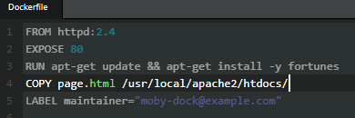
2) COPY FILES THROUGH THE DOCKERFILE | in contrast to the docker container cp approach, each new container we create with the custom image can have the file in it versus having to run the command-line command each time we make a new container.

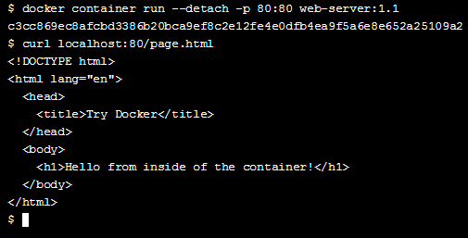
in the Dockerfile, add the COPY instruction | COPY <hostFileLocationToCopyFrom:pageFile> <pathInTheContainerToCopyTo> | COPY page.html /usr/local/apache2/htdocs/
build the Docker image | docker image build -t <newImageName>:<Version> . | docker image build -t web-server:1.1 .
run the Container option to detach container to run in background (--detach | docker container run --detach -p <hostPortToOpen>:<containerPortToMapTo> <nameOfImage>:<versionNumberOfImage> | docker container run --detach -p 80:80 webserver:1.1

check that the file is there | curl localhost:80/page.html | curl localhost:80/page.html

as soon as the container is modified and stopped, all of the changes disappear. This is a problem if we’re using a container for local development,
and one way to fix this problem is to use a data volume to create a connection between files on our local computer (host) and the

create a link between path in local machine and path in the container, also, run the container in the background
execute the docker binary /usr/bin/docker -d to start the daemon, so the container keeps running (-d), publish port (-p), map a directory to a directory (-v) | docker run -d -p <hostPortToOpen>:<containerPortToMapTo> -v <pathInLocalMachine>:<pathInTheContainerToHookTo> <imageName>:<ImageVersion> | docker run -d -p 80:80 -v /my-files:/usr/local/apache2/htdocs web-server:1.1

check what it looks like, get a shell in the container
execute (exec) interactive:keep open (-i) allocate pseduo-TTY/shell (-t) the -it or -ti flags gives you an interactive tty/shell to the docker container, that stays open | docker container exec -it <containerName> <bashToAttach> | docker container exec -it elegant_noether /bin/bash | We are in the the container bash after this command

change directory to the path we're checking | cd <path...> | cd /usr/local/apache2/htdocs
check that the container thinks the host files are in it list the files (-ls) show the permissions of each file/directory (-l) include hidden files (-a) | ls -la

