Sheet1
(1) Intro | https://www.youtube.com/watch?v=HNH15tWCsFQ&list=PLXtpcihA0VhlNTr3RNdNOaDREGMKrNc30
export class, import class
ctrl + click : shortcut to class | right click > Peek at Definition | right click > Rename Symbol : like mass rename
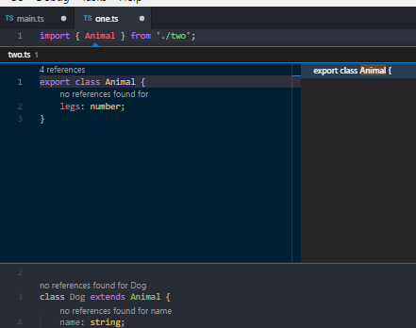

(3) Numbers, Strings, Union and Type Aliases | https://www.youtube.com/watch?v=GwikT9Hyhak&index=3&list=PLXtpcihA0VhlNTr3RNdNOaDREGMKrNc30 | (4) never return type
union types : type is either or
let styleName: 'border-color' | 'background-color' = 'background-color
 |  | this function will never reach the end of execution

refactoring types
type ValidStyleName = 'style1' | 'style2'

(5) Null & Undefined | https://www.youtube.com/watch?v=aMORT592bzo&index=5&list=PLXtpcihA0VhlNTr3RNdNOaDREGMKrNc30
N/A and empty

null & undefined are subtypes of any type

(6) Interfaces | https://www.youtube.com/watch?v=mO_qv-g9lBg&index=6&list=PLXtpcihA0VhlNTr3RNdNOaDREGMKrNc30

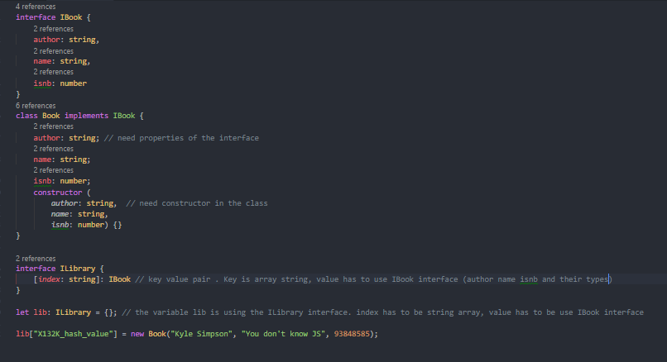
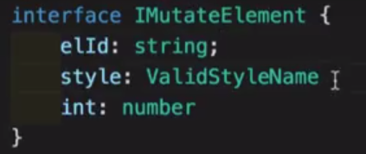
export interface InterfaceName {param: type, param: type … } | interface IBook {
 | author: string,
 | name: string,
 | isnb: number
 | }
 | class Book implements IBook {
 | author: string; // need properties of the interface
 | name: string;
 | isnb: number;
 | constructor (
 | author: string, // need constructor in the class
 | name: string,
 | isnb: number) {}
 | }

 | interface ILibrary {
 | [index: string]: IBook // key value pair . Key is array string, value has to use IBook interface (author name isnb and their types)
 | }

 | let lib: ILibrary = {}; // the variable lib is using the ILibrary interface. index has to be string array, value has to be use IBook interface

 | lib["X132K_hash_value"] = new Book("Kyle Simpson", "You don't know JS", 93848585);

(7) Function overloads | https://www.youtube.com/watch?v=T9sXNfJOLd8&list=PLXtpcihA0VhlNTr3RNdNOaDREGMKrNc30&index=7

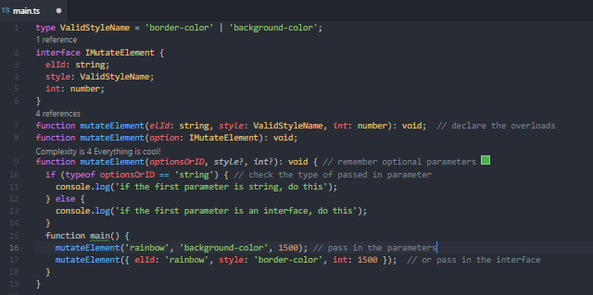
 | type ValidStyleName = 'border-color' | 'background-color';
 | interface IMutateElement {
 | elId: string;
 | style: ValidStyleName;
 | int: number;
 | }
 | function mutateElement(elId: string, style: ValidStyleName, int: number): void; // declare the overloads
 | function mutateElement(option: IMutateElement): void;
 | function mutateElement(optionsOrID, style?, int?): void { // remember optional parameters
 | if (typeof optionsOrID == 'string') { // check the type of passed in parameter
overload signatures | console.log('if the first parameter is string, do this');
 | } else {
optional parameters: style?, int? | console.log('if the first parameter is an interface, do this');
typeof | }
 | function main() {
 | mutateElement('rainbow', 'background-color', 1500); // pass in the parameters
 | mutateElement({ elId: 'rainbow', style: 'border-color', int: 1500 }); // or pass in the interface
 | }
 | }

(8) Generics and Type parameters | https://www.youtube.com/watch?v=WXlru_GIkpc&index=8&list=PLXtpcihA0VhlNTr3RNdNOaDREGMKrNc30
you can use any but we need a way of capturing the type of the argument in such a way that we can also use it to denote what is being returned.

generic function, works over a range of types
function functionName<T> (arg: T): T | function identity<T> (arg: T): T { // typed function: its argument is of type T, returns something of type T
 | return arg;
 | }

 | identity(null).name;

 | identity('Murat').length;

 | identity<string>('Murat').bold;

(11) Classes | https://www.youtube.com/watch?v=Zmn0VZczreQ&index=11&list=PLXtpcihA0VhlNTr3RNdNOaDREGMKrNc30

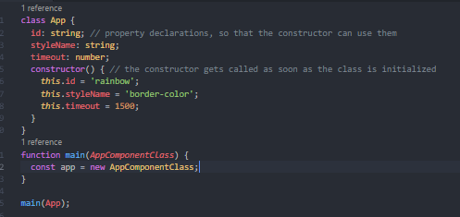
 | class App {
 | id: string; // property declarations, so that the constructor can use them
property declarations | styleName: string;
 | timeout: number;
 | constructor() { // the constructor gets called as soon as the class is initialized
 | this.id = 'rainbow';
constructor | this.styleName = 'border-color';
instance properties | this.timeout = 1500;
 | }
 | }
 | function main(AppComponentClass) {
 | const app = new AppComponentClass;
 | }

 | main(App);

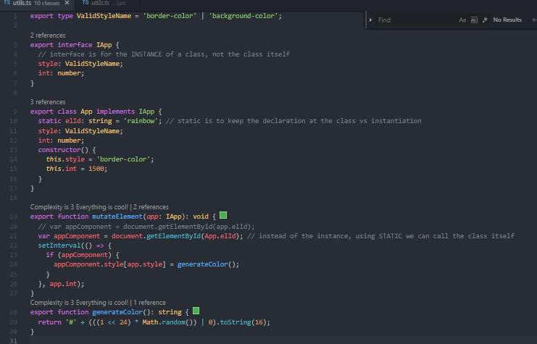
 | export type ValidStyleName = 'border-color' | 'background-color';

 | export interface IApp {
 | // interface is for the INSTANCE of a class, not the class itself
 | style: ValidStyleName;
 | int: number;
 | }

 | export class App implements IApp {
 | static elId: string = 'rainbow'; // static is to keep the declaration at the class vs instantiation
 | style: ValidStyleName;
static declaration at the class , vs the instance | int: number;
 | constructor() {
 | this.style = 'border-color';
 | this.int = 1500;
 | }
 | }

 | export function mutateElement(app: IApp): void {
 | // var appComponent = document.getElementById(app.elId);
 | var appComponent = document.getElementById(App.elId); // instead of the instance, using STATIC we can call the class itself
instance example | setInterval(() => {
static call example | if (appComponent) {
 | appComponent.style[app.style] = generateColor();
 | }
 | }, app.int);
 | }
 | export function generateColor(): string {
 | return '#' + (((1 << 24) * Math.random()) | 0).toString(16);
 | }

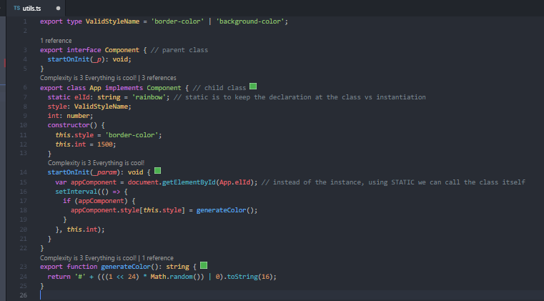
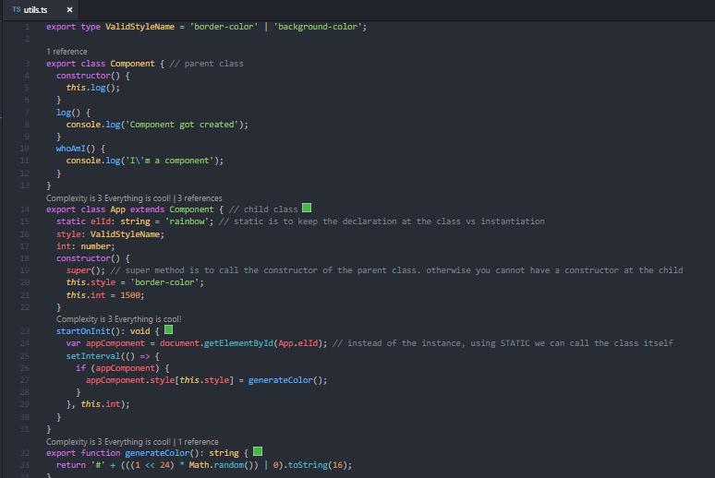
(12) Classes part 2 | https://www.youtube.com/watch?v=YP1xegujT5s&index=12&list=PLXtpcihA0VhlNTr3RNdNOaDREGMKrNc30
extends (parent -> child , or like prototype in JS) | export type ValidStyleName = 'border-color' | 'background-color';

 | export class Component { // parent class
 | constructor() {
parent class | this.log(); | interface
 | }
 | log() {
 | console.log('Component got created');
 | } | implements
 | whoAmI() {
 | console.log('I\'m a component');
 | }
 | } | the parent does not have a constructor, so no nee for super
 | export class App extends Component { // child class
 | static elId: string = 'rainbow'; // static is to keep the declaration at the class vs instantiation
extends child class | style: ValidStyleName;
 | int: number;
 | constructor() {
 | super(); // super method is to call the constructor of the parent class. otherwise you cannot have a constructor at the child
 | this.style = 'border-color';
super() | this.int = 1500;
 | }
 | startOnInit(): void {
 | var appComponent = document.getElementById(App.elId); // instead of the instance, using STATIC we can call the class itself
 | setInterval(() => {
 | if (appComponent) {
 | appComponent.style[this.style] = generateColor();
 | }
 | }, this.int);
 | }
 | }
 | export function generateColor(): string {
 | return '#' + (((1 << 24) * Math.random()) | 0).toString(16);
 | }

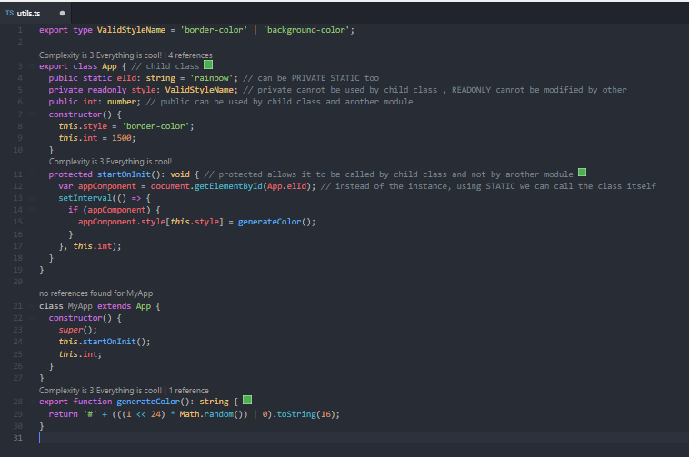
access modifiers
 | export type ValidStyleName = 'border-color' | 'background-color';

 | export class App { // child class
 | public static elId: string = 'rainbow'; // can be PRIVATE STATIC too
 | private readonly style: ValidStyleName; // private cannot be used by child class , READONLY cannot be modified by other
 | public int: number; // public can be used by child class and another module
public | constructor() {
private | this.style = 'border-color';
readonly | this.int = 1500;
 | }
 | protected startOnInit(): void { // protected allows it to be called by child class and not by another module
 | var appComponent = document.getElementById(App.elId); // instead of the instance, using STATIC we can call the class itself
 | setInterval(() => {
 | if (appComponent) {
protected | appComponent.style[this.style] = generateColor();
 | }
 | }, this.int);
 | }
 | }

 | class MyApp extends App {
 | constructor() {
 | super();
 | this.startOnInit();
 | this.int;
 | }
 | }
 | export function generateColor(): string {
 | return '#' + (((1 << 24) * Math.random()) | 0).toString(16);
 | }

(13) Decorators | https://www.youtube.com/watch?v=c9BqoqzFMeM&index=13&list=PLXtpcihA0VhlNTr3RNdNOaDREGMKrNc30

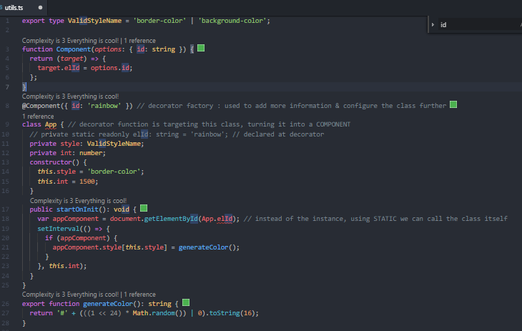
A decorator function/factory adds additional behavior to our class from outside the class
class
method
property
parameter

this decorator factory function targets the class, makes it into a component

decorator factory / decorator function adds additional behavior to our class from outside the class

The decorator function turns our class into a component.

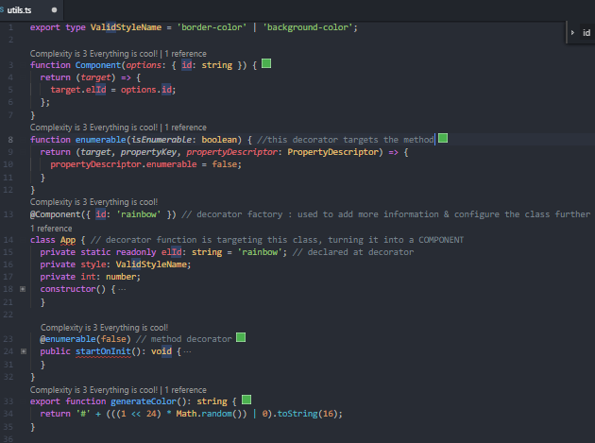

this decorator factory function targets the method

method decorator

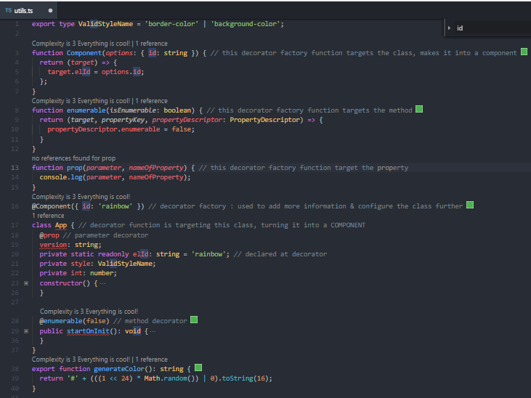

this decorator factory function targets the property

property decorator

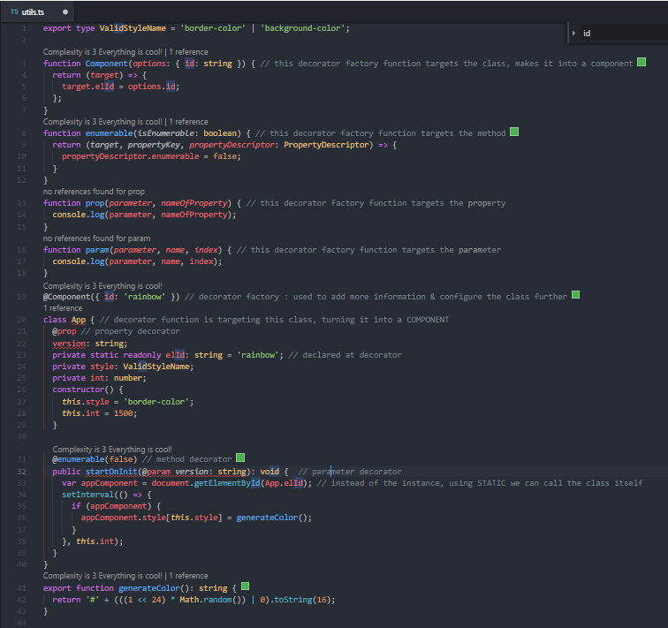

this decorator factory function targets the parameter

parameter decorator

(14) Declaration / definition files | https://www.youtube.com/watch?v=GVUPOvCRmSY&index=14&list=PLXtpcihA0VhlNTr3RNdNOaDREGMKrNc30

