PRICE DASHBOARD
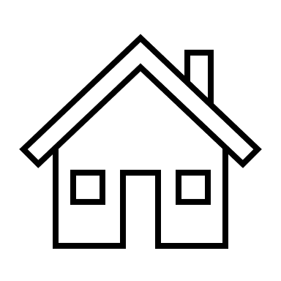
THE GREAT AMERICAN COFFEE : PRICE ANALYSIS

Why do you drink coffee?
It tastes good | 3355
I need the caffeine | 2021
I need the ritual | 1922
It makes me go to the bathroom | 465
Other | 168
What is the most you've ever paid for a cup of coffee?
 | Total
Less than $2 | 0.30%
$2-$4 | 1.06%
More than $20 | 3.19%
$15-$20 | 4.48%
$4-$6 | 11.16%
unanswered | 12.74%
$10-$15 | 15.24%
$8-$10 | 24.74%
$6-$8 | 27.09%
A significant portion, comprising 27% of the audience, has paid for coffee within the $6-$8 range at some point.
Close behind, approximately 24.74% of the audience has spent up to $8-$10 for a cup of coffee.
Around 15.24% of the audience has stretched their coffee budget to fall within the $10-$15 range.

A notable 21% of respondents are willing to pay within the $8-$10 range for their coffee.
Following closely, 16% of respondents are comfortable spending between $10 and $15.
Approximately 15% of respondents are willing to spend within the $6-$8 range.
Interestingly, 14% of respondents are prepared to splurge and spend more than $20 on a cup of coffee.
The majority, around 32%, allocate $20-$40 monthly for their coffee indulgence.
About 25.9% of respondents budget between $40 and $60 monthly for coffee purchases.
A smaller percentage, 5%, are willing to spend a higher amount, falling within the $80-$100 range monthly.

In total, much money do you typically spend on coffee in a month?
 | Total
$20-$40 | 31.99%
$40-$60 | 25.98%
$60-$80 | 9.57%
$80-$100 | 5.52%
<$20 | 10.56%
>$100 | 3.24%
unanswered | 13.14%

What is the most you'd ever be willing to pay for a cup of coffee?
 | Total
$8-$10 | 21.77%
$10-$15 | 16.13%
$6-$8 | 15.86%
More than $20 | 14.25%
unanswered | 13.16%
$4-$6 | 8.21%
$15-$20 | 8.09%
$2-$4 | 2.05%
Less than $2 | 0.47%
Approximately 42% of respondents indulge in coffee primarily because of its rich and enjoyable taste.
About 26% of the surveyed individuals consume coffee mainly for its caffeine content, fulfilling their need for a boost.
For 24% of respondents, the act of drinking coffee represents more than just a beverage choice; it's a cherished ritual that adds value to their routine.

Where do you typically drink coffee?
At home | 3644
At the office | 1430
On the go | 705
At a café | 1170
None | 36

A significant majority, comprising about 52% of respondents, prefer to enjoy their coffee at home.
Following home consumption, 20% of respondents indicated that they typically drink coffee at their workplace.
A smaller yet notable portion, around 10%, opt to grab their coffee while on the go.
The data suggests that a considerable portion of respondents purchase their coffee from specialty coffee shops, local cafe and national chain.

AUDIENCE-DASHBOARD
THE GREAT AMERICAN COFFEE : AUDIENCE ANALYSIS

Gender
 | Total
Female | 21.10%
Male | 62.44%
Non-binary | 2.55%
Other | 0.25%
Prefer not to say | 0.82%
unanswered | 12.84%
Do you work from home or in person?
 | Total
I do a mix of both | 883
I primarily work from home | 1592
I primarily work in person | 1049
unanswered | 518
Employment Status
 | Total
Employed full-time | 2708
Employed part-time | 201
Homemaker | 78
Retired | 85
Student | 221
unanswered | 623
Unemployed | 126

The audience comprises predominantly males, making up 62.4% of the total, while females account for 21%.
The majority of respondents fall within the age bracket of 25-34 years, constituting the largest portion, followed by 35-44-year-olds, making up 23.75% of the audience.
A significant portion of the audience, about 39%, work from home, while 36% work in person. Additionally, 27% of respondents have a hybrid work arrangement, balancing both remote and in-person work settings.
The majority of respondents are employed full-time.
About 41% of respondents report consuming two cups of coffee per day, making it the most common frequency. Following closely, 31% typically consume one cup daily, while 11% indulge in three cups daily.

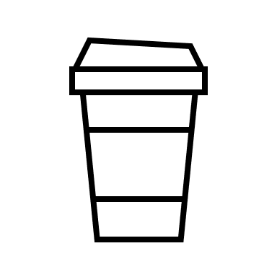
How many cups of coffee do you typically drink per day?
 | Total
2 | 41.14%
1 | 31.59%
3 | 11.70%
Less than 1 | 8.61%
4 | 2.99%
unanswered | 2.30%
More than 4 | 1.66%
What is your age?
 | Total
<18 years old | 0.49%
unanswered | 0.77%
>65 years old | 2.35%
55-64 years old | 4.63%
45-54 years old | 7.47%
18-24 years old | 11.41%
35-44 years old | 23.75%
25-34 years old | 49.13%

PRODUCT DASHBOARD
THE GREAT AMERICAN COFFEE : PRODUCT ANALYSIS

What kind of sugar or sweetener do you add?
Granulated Sugar | 293
Artificial Sweeteners | 91
Honey | 70
Maple Syrup | 37
Stevia | 1
Agave Nectar | 15
Brown Sugar | 74
Raw Sugar | 116
What kind of dairy do you add?
Whole milk | 847
Skim milk | 135
Half and half | 404
Coffee creamer | 149
Flavored coffee creamer | 162
Oat milk | 511
Almond milk | 145
Soy milk | 81
Other | 0
Based on the data, it's evident that fruity coffee is the most preferred among our audience, closely followed by chocolatey and full-bodied varieties.
When it comes to favorite coffee drinks, our audience gravitates towards Pourover, latte, and regular drip coffee as their top choices.
.

What best described what kind of coffee you like?
 | Total
Light | 2
Complex | 4
unanswered | 84
Floral | 193
Bold | 203
Juicy | 274
Caramalized | 280
Sweet | 294
Nutty | 304
Bright | 349
Full Bodied | 474
Chocolatey | 628
Fruity | 953

The majority, comprising 42% of the audience, prefer to sweeten their coffee with granulated sugar.
Around 17% of the audience opt for raw honey as their preferred sweetener.
Approximately 13% of the audience use artificial sweeteners to sweeten their coffee.
10% of the audience prefer honey as their sweetening agent for coffee.
The most popular choice among our audience, with 35% opting to add whole milk to their coffee.
Around 21% of the audience prefer oat milk as their dairy additive.
Approximately 17% of the audience add half and half to their coffee for a creamy texture.

How much caffeine do you like in your coffee?
 | Total
Decaf | 136
Full caffeine | 3576
Half caff | 205
unanswered | 125
What roast level of coffee do you prefer?
 | Total
French | 21
Italian | 23
Blonde | 74
Nordic | 78
unanswered | 102
Dark | 409
Medium | 1557
Light | 1778

What is your favorite coffee drink?
 | Total
Blended drink (e.g. Frappuccino) | 45
unanswered | 62
Cold brew | 109
Other | 114
Mocha | 118
Iced coffee | 156
Americano | 249
Cortado | 312
Espresso | 330
Cappuccino | 341
Regular drip coffee | 442
Latte | 680
Pourover | 1084

How strong do you like your coffee?
 | Total
Medium | 35.43%
Somewhat light | 5.37%
Somewhat strong | 44.31%
unanswered | 3.12%
Very strong | 10.71%
Weak | 1.06%

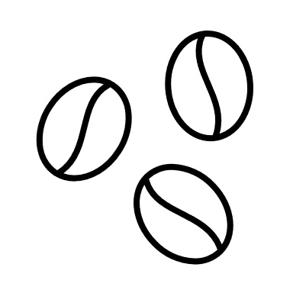
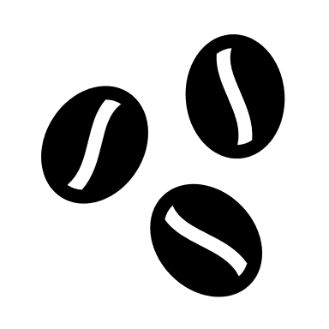
89% of our audience enjoy full caffeinated coffee,5% go for half caffeinated .
44% like somewhat strong coffee, 35% like medium
coffee, 10% like very strong coffee

employment
Employment Status
Row Labels | Count of Employment Status
Employed full-time | 2708
Employed part-time | 201
Homemaker | 78
Retired | 85
Student | 221
unanswered | 623
Unemployed | 126
Grand Total | 4042

age
What is your age?
Row Labels | Count of What is your age?2
<18 years old | 0.49%
unanswered | 0.77%
>65 years old | 2.35%
55-64 years old | 4.63%
45-54 years old | 7.47%
18-24 years old | 11.41%
35-44 years old | 23.75%
25-34 years old | 49.13%
Grand Total | 100.00%

gender
Gender
Row Labels | Count of Gender2
Female | 21.10%
Male | 62.44%
Non-binary | 2.55%
Other | 0.25%
Prefer not to say | 0.82%
unanswered | 12.84%
Grand Total | 100.00%

worksetting
Row Labels | Count of Do you work from home or in person?
I do a mix of both | 883
I primarily work from home | 1592
I primarily work in person | 1049
unanswered | 518
Grand Total | 4042
Do you work from home or in person?

cups
Row Labels | Count of How many cups of coffee do you typically drink per day?2
2 | 41.14%
1 | 31.59%
3 | 11.70%
Less than 1 | 8.61%
4 | 2.99%
unanswered | 2.30%
How many cups of coffee do you typically drink per day?
More than 4 | 1.66%
Grand Total | 100.00%

max paid
What is the most you've ever paid for a cup of coffee?
Row Labels | Count of What is the most you've ever paid for a cup of coffee?2
Less than $2 | 0.30%
$2-$4 | 1.06%
More than $20 | 3.19%
$15-$20 | 4.48%
$4-$6 | 11.16%
unanswered | 12.74%
$10-$15 | 15.24%
$8-$10 | 24.74%
$6-$8 | 27.09%
Grand Total | 100.00%

mostwilling
Row Labels | Count of What is the most you'd ever be willing to pay for a cup of coffee?2
$8-$10 | 21.77%
$10-$15 | 16.13%
What is the most you'd ever be willing to pay for a cup of coffee?
$6-$8 | 15.86%
More than $20 | 14.25%
unanswered | 13.16%
$4-$6 | 8.21%
$15-$20 | 8.09%
$2-$4 | 2.05%
Less than $2 | 0.47%
Grand Total | 100.00%

Where drink
Where do you typically drink coffee?
Where do you typically drink coffee?

At home | 3644
At the office | 1430
On the go | 705
At a café | 1170
None | 36

where purchase
On the go, where do you typically purchase coffee?

National chain | 329
Local cafe | 392
Drive-thru | 95
Specialty coffee shop | 438
Deli or supermarket | 49
Other | 34

On the go, where do you typically purchase coffee?

monthlyexpense
In total, much money do you typically spend on coffee in a month?
Row Labels | Count of In total, much money do you typically spend on coffee in a month?2
$20-$40 | 31.99%
$40-$60 | 25.98%
$60-$80 | 9.57%
$80-$100 | 5.52%
<$20 | 10.56%
>$100 | 3.24%
unanswered | 13.14%
Grand Total | 100.00%

caffeine
Row Labels | Count of How much caffeine do you like in your coffee?
Decaf | 136
Full caffeine | 3576
Half caff | 205
unanswered | 125
How much caffeine do you like in your coffee?
Grand Total | 4042

stronglevel
How strong do you like your coffee?
Row Labels | Count of How strong do you like your coffee?2
Medium | 35.43%
Somewhat light | 5.37%
Somewhat strong | 44.31%
unanswered | 3.12%
Very strong | 10.71%
Weak | 1.06%
Grand Total | 100.00%

whycoffee
Why do you drink coffee?

It tastes good | 3355
I need the caffeine | 2021
I need the ritual | 1922
It makes me go to the bathroom | 465
Other | 168

Why do you drink coffee?

roastlevel
Row Labels | Count of What roast level of coffee do you prefer?
French | 21
Italian | 23
Blonde | 74
Nordic | 78
unanswered | 102
Dark | 409
What roast level of coffee do you prefer?
Medium | 1557
Light | 1778
Grand Total | 4042

coffee youlike
What best described what kind of coffee you like?
Row Labels | Count of Before today's tasting, which of the following best described what kind of coffee you like?
Light | 2
Complex | 4
unanswered | 84
Floral | 193
Bold | 203
Juicy | 274
Caramalized | 280
Sweet | 294
Nutty | 304
Bright | 349
Full Bodied | 474
Chocolatey | 628
Fruity | 953
Grand Total | 4042

sweetner
What kind of sugar or sweetener do you add?

What kind of sugar or sweetener do you add?
 | Granulated Sugar | 293
 | Artificial Sweeteners | 91
 | Honey | 70
 | Maple Syrup | 37
 | Stevia | 1
 | Agave Nectar | 15
 | Brown Sugar | 74
 | Raw Sugar | 116

dairy
What kind of dairy do you add?

What kind of dairy do you add?
Whole milk | 847
Skim milk | 135
Half and half | 404
Coffee creamer | 149
Flavored coffee creamer | 162
Oat milk | 511
Almond milk | 145
Soy milk | 81
Other | 0

addtocoffee
Do you usually add anything to your coffee?

Do you usually add anything to your coffee?
No - just black | 2611
Milk, dairy alternative, or coffee creamer | 1700
Sugar or sweetener | 515
Flavor syrup | 231
Other | 46

fav coffee
What is your favorite coffee drink?
Row Labels | Count of What is your favorite coffee drink?
Blended drink (e.g. Frappuccino) | 45
unanswered | 62
Cold brew | 109
Other | 114
Mocha | 118
Iced coffee | 156
Americano | 249
Cortado | 312
Espresso | 330
Cappuccino | 341
Regular drip coffee | 442
Latte | 680
Pourover | 1084
Grand Total | 4042

