output_task2
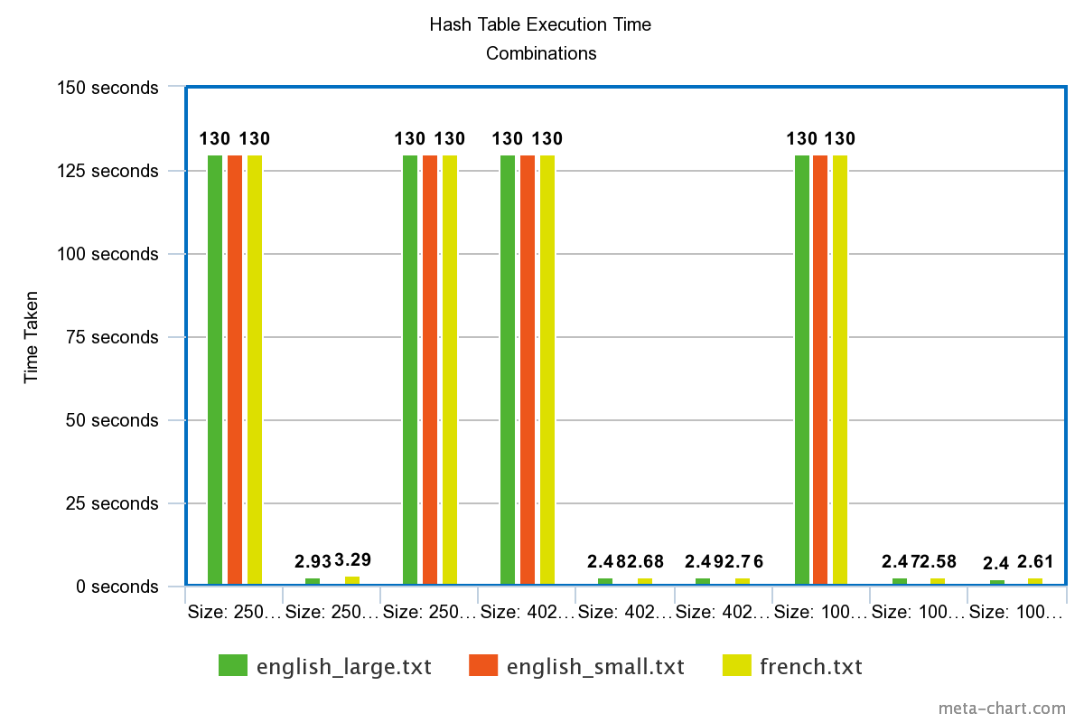
Filename | Number of Words Added | Time Taken
english_large.txt | 18798 | 130
english_large.txt | 194433 | 2.93
english_large.txt | 17720 | 130
english_large.txt | 18403 | 130
english_large.txt | 194433 | 2.48
english_large.txt | 194433 | 2.49
english_large.txt | 18305 | 130
english_large.txt | 194433 | 2.47
english_large.txt | 194433 | 2.4
english_small.txt | 18326 | 130
english_small.txt | 84097 | 1.04
english_small.txt | 17841 | 130
english_small.txt | 18425 | 130
english_small.txt | 84097 | 1
english_small.txt | 84097 | 1
english_small.txt | 18275 | 130
english_small.txt | 84097 | 1.03
english_small.txt | 84097 | 1.04
french.txt | 18639 | 130
french.txt | 202358 | 3.29
french.txt | 18833 | 130
french.txt | 18896 | 130
french.txt | 202358 | 2.68
french.txt | 202358 | 2.76
french.txt | 18928 | 130
french.txt | 202358 | 2.58
french.txt | 202358 | 2.61

