Cover
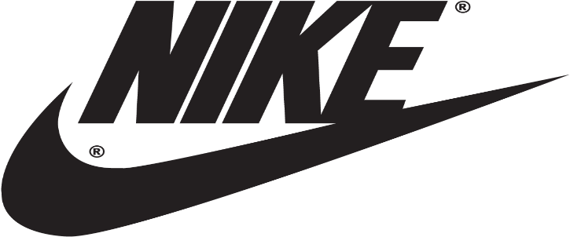

NIKE
2025-06-23

Three Statement Financial Model including valuation calculation

