6.Star Schema
Star Schema

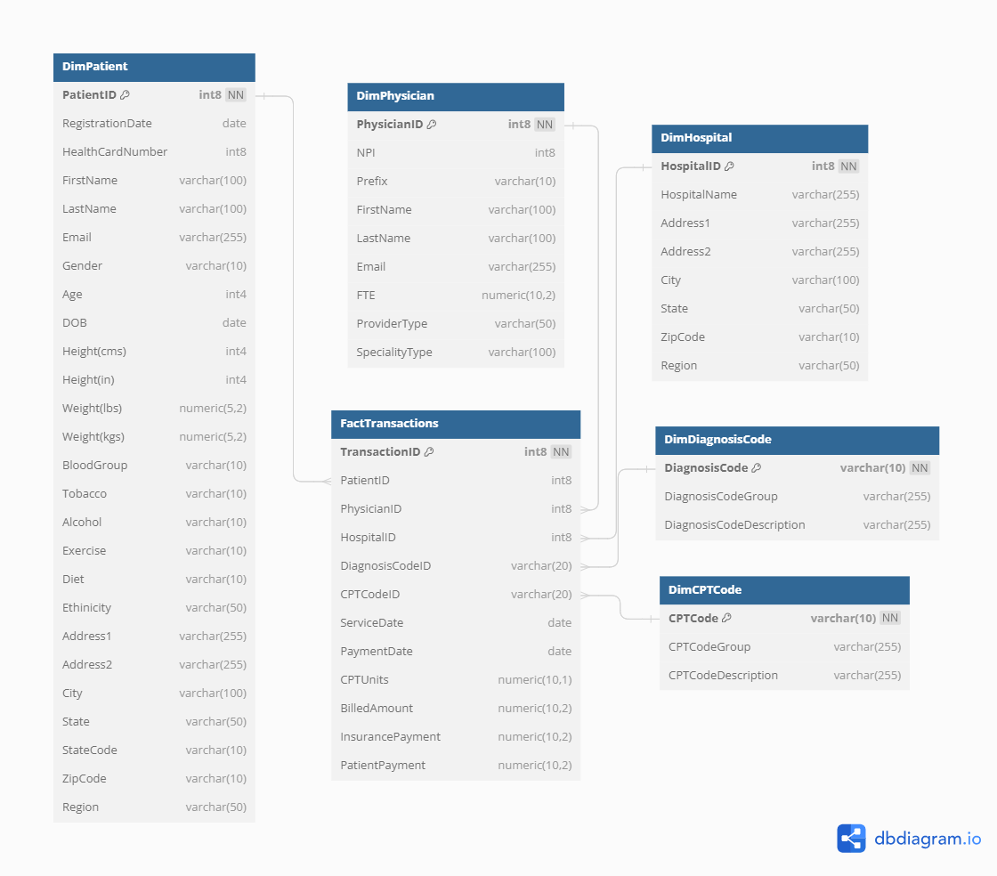
Star Schema Image | Possible Star Schema Queries
 | Sno | Business Question Addressed | SQL query
 | 1 | Total revenue generated by each hospital | SELECT h."HospitalName", SUM(f."BilledAmount") AS "TotalRevenue" FROM "FactTransactions" f JOIN "DimHospital" h ON f."HospitalID" = h."HospitalID" GROUP BY h."HospitalName";
 | 2 | Number of services provided by each physician | SELECT p."FirstName", p."LastName", COUNT(f."TransactionID") AS "NumberOfServices" FROM "FactTransactions" f JOIN "DimPhysician" p ON f."PhysicianID" = p."PhysicianID" GROUP BY p."FirstName", p."LastName";
 | 3 | Payment patterns from insurance versus patients | SELECT f."PaymentDate", SUM(f."InsurancePayment") AS "TotalInsurancePayment", SUM(f."PatientPayment") AS "TotalPatientPayment" FROM "FactTransactions" f GROUP BY f."PaymentDate";
 | 4 | Demographic distribution of patients | SELECT dp."Age", dp."Gender", COUNT(dp."PatientID") AS "NumberOfPatients" FROM "DimPatient" dp GROUP BY dp."Age", dp."Gender";
 | 5 | Analysis of clinical outcomes by diagnosis code | SELECT d."DiagnosisCodeDescription", COUNT(f."TransactionID") AS "NumberOfCases" FROM "FactTransactions" f JOIN "DimDiagnosisCode" d ON f."DiagnosisCodeID" = d."DiagnosisCodeID" GROUP BY d."DiagnosisCodeDescription";

