Dashboard
30 Concurrent Userstest - Without & With Cache -Combined User Load Comparison report
Response Time Results - Comparison
Sr. No. | Test Scenarios |  |  |  |  |  |  | 90% line - Without cache (ms) | 90% line -With cache (ms)
31 | Cirrus_004_TransferAssets_009_Dest-Src_Transfer Asset from Dest to Src |  |  |  |  |  |  | 8953 | 9188
28 | Cirrus_004_TransferAssets_006_Src-Dest_Transfer Asset from Src to Dest |  |  |  |  |  |  | 8058 | 8285
2 | Cirrus_000_Login |  |  |  |  |  |  | 6361 | 6495
20 | Cirrus_003_Assets_006_Edit Asset |  |  |  |  |  |  | 5631 | 5461
21 | Cirrus_003_Assets_007_Delete Asset |  |  |  |  |  |  | 5391 | 5688

LEGEND
Sr. No. | Test Scenarios |  | Load Test Scripts |  |  |  |  |  |  |  | Oracle Statspack report
1 | 30 Concurrent Users without cache Start time - 10:03:38 End time - 11:16:55 Duration - 1 hr 13min 17 sec |  | Combined user load test with following Transaction scenarios Script 1 => Employee - Add Edit Delete => 3 users => 10% Script 2 => Locations - Add Edit Delete => 3 users => 10% Script 3 => Assets - Add Edit Delete => 3 users => 10% Script 4 => Assignments & Transfer Assets => 21 users => 70%
2 | 30 Concurrent Users with cache Start time - 11:24:16 End time - 12:38:28 Duration - 1 hr 14 min 12sec

WEB Summary |  |  |  |  |  |  |  |  |  |  | Please Click Here to Goto Response Time Results
 | CPU Usage(%) |  | Disk I/O per sec(KB/sec) |  | Memory Utilisation(%) |  | Network Reads(KB/sec) |  | Network Writes(KB/sec)
Options | Maximum | 90th %ile | Maximum | 90th %ile | Maximum | 90th %ile | R Maximum | R 90th %ile | W Minimum | W 10th %ile
30 Users Without Cache | 6.7 | 5 | 13.8 | 9.8 | 39% | 39% | 2268.6 | 1443.99 | -2351.9 | -1500.21
30 Users With Cache | 1.8 | 1 | 11.2 | 7.8 | 40% | 40% | 909.2 | 286.5 | -947.8 | -305.8
CPU
DISK I/O

Memory
Network I/O

High Level Comparison of Resource Utilization - Summary
WLB Summary
 | CPU Usage(%) |  | Disk I/O per sec(KB/sec) |  | Memory Utilisation(%) |  | Network Reads(KB/sec) |  | Network Writes(KB/sec)
Options | Maximum | 90th %ile | Maximum | 90th %ile | Maximum | 90th %ile | R Maximum | R 90th %ile | W Minimum | W 10th %ile
30 Users Without Cache | 49.1 | 30.9 | 9 | 5.6 | 32% | 32% | 3112.6 | 2182.78 | -3090.4 | -2174.65
30 Users With Cache | 42.7 | 18.81 | 4.6 | 1.8 | 32% | 32% | 1642.3 | 1066.81 | -1639.8 | -1074.01

CPU
DISK I/O

Memory
Network I/O

High Level Comparison of Resource Utilization - Summary
API Summary
 | CPU Usage(%) |  | Disk I/O per sec(KB/sec) |  | Memory Utilisation(%) |  | Network Reads(KB/sec) |  | Network Writes(KB/sec)
Options | Maximum | 90th %ile | Maximum | 90th %ile | Maximum | 90th %ile | R Maximum | R 90th %ile | W Minimum | W 10th %ile
30 Users Without Cache | 49.1 | 38.71 | 27.4 | 21.8 | 87% | 87% | 672.2 | 487.45 | -765.4 | -608.11
30 Users With Cache | 42.5 | 35.22 | 22 | 13 | 90% | 89% | 699.6 | 485.63 | -730.3 | -601.02

CPU
DISK I/O

Memory
Network I/O

High Level Comparison of Resource Utilization - Summary
APS Summary
 | CPU Usage(%) |  | Disk I/O per sec(KB/sec) |  | Memory Utilisation(%) |  | Network Reads(KB/sec) |  | Network Writes(KB/sec)
Options | Maximum | 90th %ile | Maximum | 90th %ile | Maximum | 90th %ile | R Maximum | R 90th %ile | W Minimum | W 10th %ile
30 Users Without Cache | 39.3 | 31.57 | 37.3 | 22.21 | 100% | 99% | 1202.4 | 1055.81 | -1316.8 | -1152.7
30 Users With Cache | 32.9 | 29.57 | 32.1 | 21.62 | 100% | 100% | 1197.8 | 1048.92 | -1301.8 | -1148.15

CPU
DISK I/O

Memory
Network I/O

High Level Comparison of Resource Utilization - Summary
APP Summary
 | CPU Usage(%) |  | Disk I/O per sec(KB/sec) |  | Memory Utilisation(%) |  | Network Reads(KB/sec) |  | Network Writes(KB/sec)
Options | Maximum | 90th %ile | Maximum | 90th %ile | Maximum | 90th %ile | R Maximum | R 90th %ile | W Minimum | W 10th %ile
30 Users Without Cache | 42.3 | 28.91 | 25.2 | 16.8 | 84% | 84% | 515.3 | 386.52 | -2065.2 | -1289.7
30 Users With Cache | 21.4 | 9.8 | 11.8 | 8.6 | 84% | 84% | 391.3 | 291.99 | -727.7 | -312.82

CPU
DISK I/O

Memory
Network I/O

WEB Summary
CPU Total % Usage
 | 30 Users Without Cache | 30 Users With Cache | Safe Line
0:00:00 | 2.3 | 1.3 | 75
0:00:05 | 4.7 | 0.7 | 75
0:00:10 | 3.8 | 1.1 | 75
0:00:15 | 4.1 | 0.8 | 75
0:00:20 | 6.3 | 0.8 | 75
0:00:25 | 5 | 1.1 | 75
0:00:30 | 4.3 | 0.9 | 75
0:00:35 | 3.8 | 0.9 | 75
0:00:40 | 4.7 | 0.7 | 75
0:00:45 | 4.4 | 0.9 | 75
0:00:50 | 3.3 | 0.8 | 75
0:00:55 | 3.7 | 0.9 | 75
0:01:00 | 5.7 | 0.7 | 75
0:01:05 | 5 | 1.1 | 75
0:01:10 | 4.6 | 1.3 | 75
0:01:15 | 4.7 | 0.9 | 75
0:01:20 | 5.4 | 0.8 | 75
0:01:25 | 4.2 | 0.8 | 75
0:01:30 | 4.1 | 0.9 | 75
0:01:35 | 4.1 | 0.8 | 75
0:01:40 | 5.3 | 0.6 | 75
0:01:45 | 4.3 | 0.7 | 75
0:01:50 | 4.9 | 0.9 | 75
0:01:55 | 4.7 | 0.8 | 75
0:02:00 | 5.6 | 0.9 | 75
0:02:05 | 4.3 | 0.8 | 75
0:02:10 | 2.5 | 1.8 | 75
0:02:15 | 4.2 | 0.7 | 75
0:02:20 | 6.2 | 1.3 | 75
0:02:25 | 3.8 | 0.9 | 75
0:02:30 | 3.7 | 0.8 | 75
0:02:35 | 5 | 0.9 | 75
0:02:40 | 5.8 | 0.9 | 75
0:02:45 | 4 | 0.8 | 75
0:02:50 | 3 | 0.8 | 75
0:02:55 | 3.4 | 0.7 | 75
0:03:00 | 5.7 | 0.9 | 75
0:03:05 | 4.1 | 0.9 | 75
0:03:10 | 4.2 | 1.2 | 75
0:03:15 | 3.8 | 0.9 | 75
0:03:20 | 6.6 | 0.7 | 75
0:03:25 | 5.5 | 0.7 | 75
0:03:30 | 2.7 | 0.8 | 75
0:03:35 | 3.8 | 0.8 | 75
0:03:40 | 6.3 | 0.6 | 75
0:03:45 | 4.4 | 1.1 | 75
0:03:50 | 2.4 | 0.7 | 75
0:03:55 | 4.5 | 0.8 | 75
0:04:00 | 5.4 | 0.8 | 75
0:04:05 | 6 | 1.3 | 75
...
Disk I/O per second
 | 30 Users Without Cache | 30 Users With Cache
0:00:00 | 0.8 | 1
0:00:05 | 0.8 | 11.2
0:00:10 | 1.2 | 2
0:00:15 | 2.4 | 3.4
0:00:20 | 0 | 1
0:00:25 | 1.2 | 1
0:00:30 | 1.6 | 1
0:00:35 | 12.8 | 7.6
0:00:40 | 1.6 | 1.8
0:00:45 | 2.2 | 1.4
0:00:50 | 1 | 2
0:00:55 | 0 | 1
0:01:00 | 1 | 1
0:01:05 | 12 | 8.4
0:01:10 | 1.4 | 2.2
0:01:15 | 1 | 1.4
0:01:20 | 1.4 | 1.2
0:01:25 | 1.2 | 3
0:01:30 | 1 | 0
0:01:35 | 11.8 | 8.4
0:01:40 | 2.8 | 1.8
0:01:45 | 1.6 | 1.4
0:01:50 | 1 | 1
0:01:55 | 0 | 0.8
0:02:00 | 1.8 | 1.6
0:02:05 | 11.2 | 8.4
0:02:10 | 1.6 | 1.8
0:02:15 | 1.6 | 1.4
0:02:20 | 1.8 | 1.2
0:02:25 | 1.2 | 0.8
0:02:30 | 1 | 0.8
0:02:35 | 11.2 | 9.4
0:02:40 | 1.6 | 2
0:02:45 | 1 | 1.4
0:02:50 | 2.2 | 1
0:02:55 | 1 | 1
0:03:00 | 1 | 1
0:03:05 | 12 | 8.6
0:03:10 | 1.4 | 2.8
0:03:15 | 1 | 1.4
0:03:20 | 1.4 | 1.2
0:03:25 | 2.6 | 1
0:03:30 | 0.8 | 2
0:03:35 | 10.8 | 7.6
0:03:40 | 1.4 | 1.8
0:03:45 | 1.4 | 2.4
0:03:50 | 1.4 | 1
0:03:55 | 1 | 2
0:04:00 | 1.6 | 0
0:04:05 | 12 | 8.4
...

Memory Usage
 | 30 Users Without Cache | 30 Users With Cache
0:00:00 | 37.73% | 39.10%
0:00:05 | 37.74% | 39.10%
0:00:10 | 37.74% | 39.10%
0:00:15 | 37.76% | 39.10%
0:00:20 | 37.75% | 39.10%
0:00:25 | 37.76% | 39.10%
0:00:30 | 37.75% | 39.10%
0:00:35 | 37.75% | 39.10%
0:00:40 | 37.75% | 39.10%
0:00:45 | 37.75% | 39.10%
0:00:50 | 37.75% | 39.10%
0:00:55 | 37.76% | 39.10%
0:01:00 | 37.76% | 39.10%
0:01:05 | 37.77% | 39.11%
0:01:10 | 37.76% | 39.11%
0:01:15 | 37.76% | 39.11%
0:01:20 | 37.77% | 39.11%
0:01:25 | 37.78% | 39.11%
0:01:30 | 37.77% | 39.11%
0:01:35 | 37.78% | 39.11%
0:01:40 | 37.78% | 39.11%
0:01:45 | 37.79% | 39.11%
0:01:50 | 37.79% | 39.11%
0:01:55 | 37.79% | 39.11%
0:02:00 | 37.79% | 39.11%
0:02:05 | 37.79% | 39.11%
0:02:10 | 37.79% | 39.12%
0:02:15 | 37.79% | 39.12%
0:02:20 | 37.79% | 39.13%
0:02:25 | 37.81% | 39.13%
0:02:30 | 37.81% | 39.13%
0:02:35 | 37.81% | 39.14%
0:02:40 | 37.81% | 39.14%
0:02:45 | 37.82% | 39.14%
0:02:50 | 37.81% | 39.14%
0:02:55 | 37.81% | 39.14%
0:03:00 | 37.82% | 39.14%
0:03:05 | 37.82% | 39.14%
0:03:10 | 37.82% | 39.14%
0:03:15 | 37.82% | 39.14%
0:03:20 | 37.82% | 39.14%
0:03:25 | 37.84% | 39.14%
0:03:30 | 37.83% | 39.14%
0:03:35 | 37.84% | 39.14%
0:03:40 | 37.84% | 39.15%
0:03:45 | 37.84% | 39.15%
0:03:50 | 37.84% | 39.15%
0:03:55 | 37.84% | 39.15%
0:04:00 | 37.85% | 39.15%
0:04:05 | 37.85% | 39.15%
...
 | Read 30 Users Without Cache | Read 30 Users With Cache | Write 30 Users Without Cache | Write 30 Users With Cache
0:00:00 | 1227.7 | 909.2 | -1278.6 | -947.8
0:00:05 | 1077 | 602.8 | -1121.7 | -632.6
0:00:10 | 1594.2 | 283.7 | -1657 | -301.7
0:00:15 | 1780.6 | 245.9 | -1851.7 | -264.5
0:00:20 | 1469.1 | 303.8 | -1524.2 | -323.3
0:00:25 | 1849.1 | 274.9 | -1920.1 | -293.3
0:00:30 | 1079 | 313.3 | -1121 | -334.6
0:00:35 | 1140.3 | 275.5 | -1185.9 | -293.1
0:00:40 | 919.7 | 295.6 | -960 | -314.9
0:00:45 | 1333.5 | 270.9 | -1385.8 | -288.2
0:00:50 | 998.6 | 270.1 | -1036.7 | -288.2
0:00:55 | 1706 | 279.6 | -1771.9 | -297.8
0:01:00 | 1367.6 | 314.4 | -1417.9 | -334.6
0:01:05 | 1809.2 | 246.1 | -1875.6 | -261.6
0:01:10 | 1416.6 | 262.8 | -1470.9 | -281.7
0:01:15 | 1184.8 | 276.7 | -1234.8 | -297
0:01:20 | 957.5 | 307 | -997.3 | -326.2
0:01:25 | 1444.8 | 296.5 | -1500.3 | -314.4
0:01:30 | 1085.2 | 292.8 | -1130 | -313.7
0:01:35 | 1443.9 | 291.8 | -1500.4 | -311.3
0:01:40 | 806.4 | 316.4 | -845.6 | -337
0:01:45 | 2086.7 | 291.5 | -2156.1 | -310.6
0:01:50 | 1445.3 | 265 | -1500.2 | -282.9
0:01:55 | 1422.2 | 256.4 | -1483 | -273.8
0:02:00 | 963.2 | 326.4 | -1001.1 | -347.8
0:02:05 | 963.8 | 245.3 | -1000.8 | -261.6
0:02:10 | 1125.4 | 319.6 | -1173 | -340.1
0:02:15 | 1724.1 | 293.4 | -1787.3 | -318.8
0:02:20 | 820 | 306.2 | -853.8 | -326.3
0:02:25 | 1750.8 | 271.9 | -1812.7 | -288.9
0:02:30 | 1469.1 | 303.5 | -1522.4 | -322.7
0:02:35 | 1735.8 | 265.2 | -1799.6 | -282.8
0:02:40 | 986.5 | 250.7 | -1026.1 | -268.9
0:02:45 | 1451 | 313.8 | -1504.2 | -333.9
0:02:50 | 779 | 295.4 | -812.4 | -314
0:02:55 | 1616.7 | 230.3 | -1679 | -246.5
0:03:00 | 789.2 | 343.1 | -824 | -367.5
0:03:05 | 1723 | 302.5 | -1785.1 | -322.7
0:03:10 | 993.9 | 272.1 | -1035.9 | -289
0:03:15 | 1765.8 | 268.4 | -1838.8 | -288.2
0:03:20 | 1606.2 | 297.2 | -1664.9 | -316.8
0:03:25 | 1261.1 | 286.3 | -1307.7 | -305.3
0:03:30 | 844.2 | 264.2 | -879.6 | -281.8
0:03:35 | 1866.5 | 305.5 | -1935 | -324.4
0:03:40 | 1030.4 | 272.4 | -1073.9 | -289.9
0:03:45 | 1101.7 | 264.2 | -1145.3 | -282
0:03:50 | 1317.2 | 311.2 | -1368.7 | -330.6
0:03:55 | 1557.5 | 289 | -1617.3 | -307.9
0:04:00 | 2126.4 | 262.2 | -2205.8 | -280.4
0:04:05 | 723.9 | 265.7 | -755.7 | -283.6
...

WLB Summary
CPU Total % Usage
Disk I/O per second

Memory Usage

API Summary
CPU Total % Usage
Disk I/O per second

Memory Usage

APS Summary
CPU Total % Usage
Disk I/O per second

Memory Usage

APP Summary
CPU Total % Usage
Disk I/O per second

Memory Usage

DB Utilization Summary
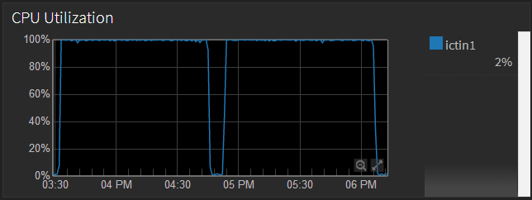
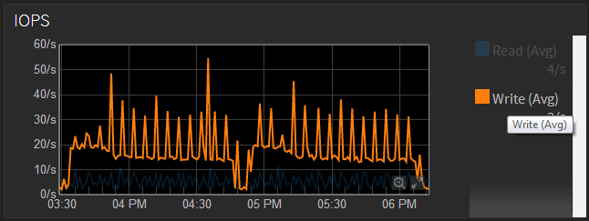

WithOut Cache
With Cache
WithOut Cache
With Cache

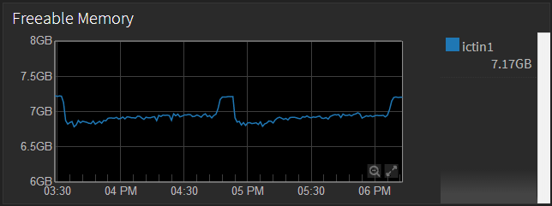
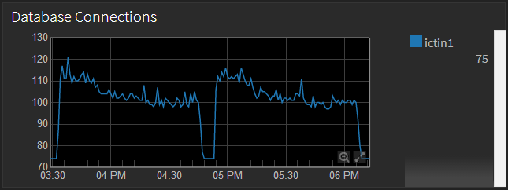

WithOut Cache
With Cache
WithOut Cache
With Cache

