Sheet1
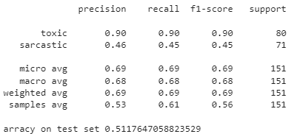
 | model 1 |  | model 2
 | toxic_label | sarcastic_label | toxic_label | sarcastic_label
precision | 0.91 | 0.94 | 0.45 | 0.77
recall | 0.83 | 0.49 | 0.74 | 0.63
f1 score | 0.87 | 0.64 | 0.56 | 0.69
accuracy | 0.7 |  | 0.6028
micro_avg_f1score |  | 0.71 |  | 0.65
weighted_avg_f1score |  | 0.7 |  | 0.66

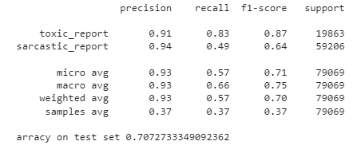
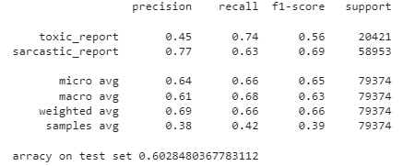

 | Manually Annoted Data

 | model 1 |  | model 2
 | toxic_label | sarcastic_label | toxic_label | sarcastic_label
precision | 0.9 | 0.46 | 0.86 | 0.8

recall | 0.9 | 0.45 | 0.61 | 0.48
f1 score | 0.9 | 0.45 | 0.71 | 0.6
accuracy | 0.5117 |  | 0.36
micro_avg_f1score |  | 0.69 |  | 0.66
weighted_avg_f1score |  | 0.69 |  | 0.65

