Guide
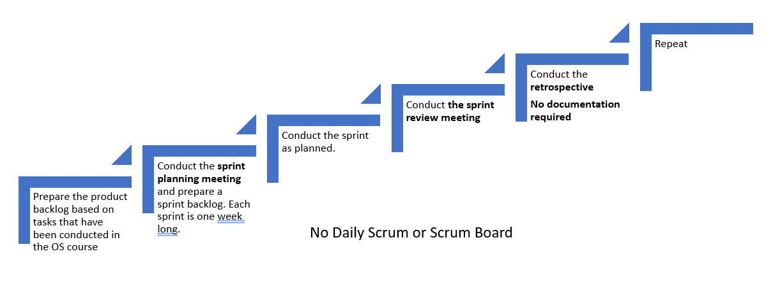
Product Backlog:
- It is a priority list of user requirements to develop a software or an application.
- Product owner owns this document
- Product owner prioritize the user requirements based on the customer feedback or business value
- The user requirements are written in the form of user stories which are explained in detail
- The product backlog is like a repository that act as an input to the sprint backlog.
- In simple sentence, product backlog is simply a wish list for an application.
- Update the product backlog on regular basis
Sprint Backlog
- It is the subset of the product backlog
- Each sprint includes user stories from the product backlog
- Product owner sets the sprint goal for the team
- The team then pick the user stories to fulfill those goals
- The user stories that are moved to sprint are then owned by the scrum team
- It is important to put the sprint goals as static as possible.
- During sprint planning, the team pics the recently prioritized user stories from the product backlog.
- Spring backlog is an output of the sprint planning meeting

User Story
A user story is simply a description of a feature that is described in users own words. Therefore, it is extremely important to recognize the users. A user is the user of a system. When writing user stories, it is also beneficial to explain the business value first.
The user story are written as:
As a (user), I want to ..... so that ......
Examples:
As an administrator, i want to be able to create new user accounts.
As a student, I should be able to upload assignemtns in the Moodle.
As a student, I want to be able to change my password.
Example with business value (recommended)
In order to find the cheapest price, as a buyer i want to compare prices.
In order to check grades in quick time, as a student I want to be able to see all my grades in one page.
Story Points (next module)
- They are a unit of measures for expressing an estimate of the overall effort that is needed to implement a produc backlog item.
- The estimation is done by assigning a point value to each item.
- The raw values that is assigned is not important however the relative values matters.
- Let us assume that one of your story is assigend a vlaue 1 and other other story 2. The one with the value 2 means that it requires dobule effort that the story with the value 1. It means the value itself does not matter but the ratios matter.
- When deciding story points, you need to take into account the amount, complexity and any risk or uncertaninty in doing the work.

Workflow for scrum practices

ProductBacklog
Write briefly about your project and implementation. You may list features:
Car Renting website:
- able to find available cars by the date that the customer wants;
- filtering option(color, number of seats, brand etc)
- create personal account with all needed information about the customer that will be added automatically while ordering process;
- create separate window with all needed information about the car (images, reviews and other)
- admin page (with ability to add cars into gallery)
Product Backlog - Project Title
User Stroy | Story Point(s) | Priority
As as a site administrator, I would like to have a code that follows DRY (don't repeat yourself) criteria | N/R | N/R
As a site visitor, I would like to be able to observe the company not only on website, but also in other social media.
As a site administrator, I woulld like to be able to administering the site's style and content in a single file
As a future customer of renting company, I should be able to choose dates when I want to rent a car.
As a site administrator, I would like to be able to manage the cars easily and display them to the user interface dynamically. (admin page)
As a site visitor, I would like to be able to create my own account with my private information and be able too see all information about my reservation.
As a web-site user, I would like to read the reviews about the cars.
As a site visitor, I want to have filtering in the catalogue for better user experience.
As a future customer of renting company, I should be able to get more detailed information about each car.
As a site visitor with the mobile device, I should be able to use the web site not only on my laptop. (increase responisveness)

sprint_planning_meetings
Sprint Planning
- Sprint planning is done at the beginning of each sprint with the participation of the entire scrum team.
- During the sprint planning meeting, the scrum team decides what will be delivered at the end of the sprint by turning the highest priority features on the product backlog into detailed tasks.
- This process creates the sprint backlog.
- The sprint planning meeting focuses on answering two main questions:
1) What needs to be done? and
2) How will it be done?
The sprint goal is also defined during the sprint planning meeting.
Src: https://www.lucidchart.com/
Sprint Planning | Participants
Week 7 | Maryna | Rama | Ravindu
Online | Online | Online | Online
2021-10-02
Week 8
Online
16/2/2021
Week 9
Online
22/2/2021
Week 10
Online
28/2/2021

