Home
Excel Formulas & Functions: An Interactive Tutorial

Home
6/6
This interactive tutorial will teach you how to use formulas in Excel. It covers the basics about creating formulas, formula shortcuts, named ranges and more. You will also learn 30 of the most common Excel functions. The tutorial uses interactive examples; you will be asked to enter formulas into a formula bar similar to how you would enter formulas in Excel. Press 'Enter' and your answer is automatically graded.
Intro to Formulas

Logical Functions & Comparison

Statistical Functions

Lookup Functions

Text Functions

Date Functions
Click 'Hint' to enter the answer into the formula bar

Enter the correct formula here. Hit 'Enter' once finished.
If correct, you will move onto the next questions.

 |  |  | 6/6
Chapter | Progress | Completed?

1. Intro to Formulas Introduction to Formulas and Cell References | 7/7 | YES

2. Logical Functions & Comparisons Compare Values, If statements, and more | 12/12 | YES

3. Statistical Functions Count, Sum, and Average numbers | 8/8 | YES

4. Lookup Functions Find and Return values from large datasets | 8/8 | YES

5. Text Functions Join, truncate, manipulate, or clean text | 13/13 | YES

6. Date Functions Perform date math and output dates | 6/6 | YES

Intro to Formula
Introduction: Formulas & Cell References

Home

Formulas can be used to perform simple math using +,-,*, or / to add, subtract, multiply or divide. Excel also comes built-in with over 300 functions that can be used to perform complex math, lookup values, work with text, and much more. This section will cover creating simple formulas, cell references, strings of text, and keyboard shortcuts.
Intro to Formulas
7/7

Logical Functions & Comparison

Statistical Functions
Creating Formulas

Lookup Functions
Formulas in Excel must always start with an equal sign. To perform simple addition:
Text Functions
=5+3
Date Functions

1. Calculate 2+3 using a formula (enter the numbers in directly into the formula or use cell references)

Correct Answer: | =2+3

Enter Answer In Highlighted Cell |  | Q | R | S | T | U | V | W | X | Y
 | 25
 | 26 |  |  | 2
 | 27 |  |  | 3
 | 28 |  |  | 5
 | 29
 | 30
(Hint)
 | 31
 | 32
 | 33
 | 34

2. Multiply the result of 2+3 by 5 (enter the numbers in directly into the formula or use cell references)

Correct Answer: | =(2+3)*5

Enter Answer In Highlighted Cell |  | Q | R | S | T | U | V | W | X | Y
 | 41
 | 42 |  |  | 2
 | 43 |  |  | 3 | 5
 | 44 |  |  |  | 25
 | 45
 | 46
(Hint)
 | 47
 | 48
 | 49
 | 50

In the above examples, the numbers used (2,3,5) are “hard-coded” into the formula. Generally, unless a number will NEVER change (Exs. 24 hours in a day or 12 months in a year) you should avoid “hard-coding” numbers into formulas. Hard-coding makes your spreadsheets harder to review and more prone to errors.
Instead, enter numbers into ranges of cells and reference those ranges in your formulas. To reference a range in a formula, simply type the column letter followed by the row number (Exs. A1, or B4) or by using the arrow keys to navigate to the cells while in Cell Enter Mode. Note: This tutorial does not support the use of the keyboard to select cells. You will need to manually enter all cell references.

3. Calculate 22 divided by 33 using only cell references

Correct Answer: | =S67/S68

Enter Answer In Highlighted Cell |  | Q | R | S | T | U | V | W | X | Y
 | 66
 | 67 |  |  | 22
 | 68 |  |  | 33
 | 69 |  |  | 0.66666666667
 | 70
(Hint)
 | 71
 | 72
 | 73
 | 74
 | 75

Often you will create a formula, and copy it to a range of cells. When you copy a formula, the cell references move proportionally:

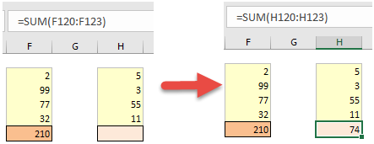

In other words, if you copy a formula down one row, the formula row reference(s) will move down one row as well.
You can lock cell references so that the cell references remain the same when copying & pasting. You can actually lock (or unlock) row and column references separately. To do this, add a $ sign in front of the row or column reference that you want to lock. Examples:

Instead of typing the $ sign, you can use the F4 key (PC) or ⌘ + T (MAC) to cycle through the various combinations of locked and unlocked cell references. Note: these shortcuts will not work in this tutorial, instead you will need to type $ signs manually, but only do so if you are explicitly instructed.

4. Set cell R121 equal to R118, locking the row reference, while leaving the column reference unlocked.

Correct Answer: | =R$118

Enter Answer In Highlighted Cell |  | Q | R | S | T | U | V | W | X | Y
 | 116
 | 117 | inputs | 2020-01-01 | 2020-01-02 | 2020-01-03 | 2020-01-04 | 2020-01-05 | 2020-01-06 | 2020-01-07 | 2020-01-08
 | 118 | drate | 5% | 5% | 5% | 5% | 4% | 4% | 4% | 4%
 | 119
 | 120
 | 121 |  | 5%
(Hint)
 | 122
 | 123
 | 124
 | 125

Ranges

Many Excel Functions require the use of ranges of cells. Ranges of cells are entered as followed:
A1:A4

Enter the upper-left cell followed by a colon (:) and then the bottom-right cell. If you select your range using the keyboard, Excel will automatically enter the appropriate range for you.

5. Type a range starting with Q142 and ending with R143 in cell W150 (keeping row & column reference unlocked)

Correct Answer: | =R143:W150

Enter Answer In Highlighted Cell |  | Q | R | S | T | U | V | W | X | Y
 | 142 | =r143:w150
 | 143
 | 144
 | 145
 | 146
 | 147
(Hint)
 | 148
 | 149
 | 150
 | 151

Text
You might be surprised to learn that you can also enter text with Excel formulas. Whenever you enter text into a formula, you must surround the text with quotations (“)

="text"

This is considered a “string” of text.

6. Enter "THIS IS TEXT" into a S172 using a formula.

Correct Answer: | ="THIS IS TEXT"

Enter Answer In Highlighted Cell |  | Q | R | S | T | U | V | W | X | Y
 | 167
 | 168
 | 169
 | 170
 | 171
 | 172 |  |  | THIS IS TEXT
(Hint)
 | 173
 | 174
 | 175
 | 176

Name Ranges

So far we have taught you to reference cells by their row number and column letter, called A1-style cell referencing. Instead, you can name a cell or range of cells and reference the cell or range of cells by using that name. In large, complex spreadsheets you must make use of Named Ranges to make your spreadsheets easier to follow. Named Ranges make your spreadsheets easier to review and reduces errors.
To create a Named Range, select a group of cells, and type your desired name into the Name Range Box and click Enter:

Now you can reference the cell in cell formulas:

7. Set cell R201 equal to Named Range "testrange"

Correct Answer: | =TESTRANGE

Enter Answer In Highlighted Cell |  | Q | R | S | T | U | V | W | X | Y
 | 197
 | 198 | 99%
 | 199
 | 200
 | 201 |  | 99%
 | 202
(Hint)
 | 203
 | 204
 | 205
 | 206

We cover cell references in more detail here, including R1C1-style (where you can use column numbers instead of letters to refer to a cell), external references, circular references, 3d (ranges spanning more than one sheet), and more.

Excel Formulas - Keyboard Shortcuts

To master Excel, you must become proficient with using the keyboard. In this section we will cover keyboard commands for Excel formulas.. We also recommend that you try out our interactive keyboard shortcut app, specifically the section on formulas.
To enter something into a cell, you simply navigate to it and start typing. However, what if you want to edit the cell instead of overriding the existing content? Press F2 (PC) or ^ + U.F2 allows you to enter Cell Edit Mode and edit the active cell.
Once in Cell Edit Mode, you can use the Arrow Keys to navigate within the formula and more:

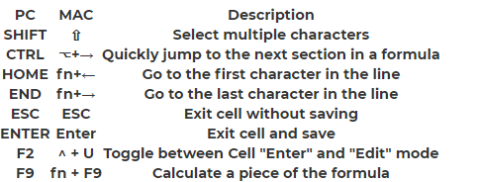

Once in the cell, pressing F2 toggles between Cell Enter Mode and Cell Edit Mode. While in Cell Edit Mode the Arrow Keys navigate within the formula contents. However, while in Cell Enter Mode the Arrow Keys allow you to select a cell reference. You can tell which mode you are in by looking at the bottom left corner of your screen:

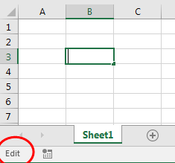

This was a brief introduction to working with general formulas in Excel. The next sections will cover specific functions that you can use as well as other basic concepts.

Logical Functions & Comparison
Logical Functions

Home
Excel gives you the ability to test if certain conditions are met. You can compare values, compare text, or test if a cell (or cells) meets certain criteria. The If Function allows you to perform calculations based off of the results of comparisons or other logical tests.

Intro to Formulas
Logical Functions &
Comparison
Comparison & TRUE/FALSE
12/12
Excel gives you the ability to compare numerical values or strings of text with the following operators:
Statistical Functions
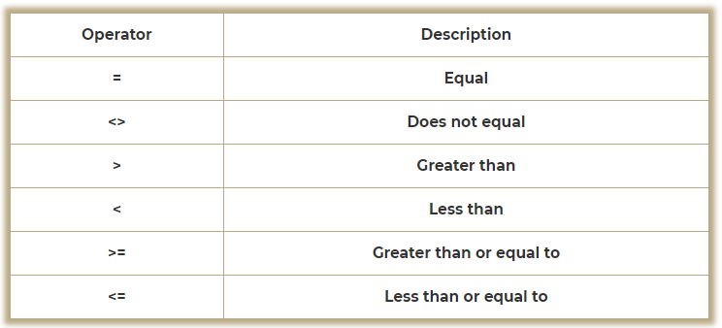
Lookup Functions

Text Functions

Date Functions

Note: Only = and <> can be used with text.
Example:

=B1>B2+3

These comparisons return TRUE or FALSE.

1. Test if cell R45 does not equal cell S45.

Correct Answer: | =R45<>S45

Enter Answer In Highlighted Cell |  | Q | R | S | T | U | V | W | X | Y
 | 42
 | 43
 | 44
 | 45 |  | 5 | 3 | TRUE
 | 46
 | 47
(Hint)
 | 48
 | 49
 | 50
 | 51

This returns TRUE. If the values did match, it would have returned FALSE.
You might think that TRUE and FALSE are considered text, but actually they are “Boolean” values. Boolean values are very unique. They can actually be used in math formulas. Excel reads TRUE as 1 and FALSE as 0.

2. Multiply the boolean value in cell R67 by cell S67.

Correct Answer: | =R67*S67

Enter Answer In Highlighted Cell |  | Q | R | S | T | U | V | W | X | Y
 | 64
 | 65
 | 66
 | 67 |  | FALSE | 3 | 0
 | 68
 | 69
(Hint)
 | 70
 | 71
 | 72
 | 73

Unless you are an advanced Excel user or have a programming background, you will probably not make use of this property of TRUE/FALSE, but we've included it for completeness.
You can also compare strings of text. When comparing strings of text, the “Case” (upper or lower) does not matter. “String” will equal “string”.This might seem obvious, but other Text Functions are case dependent

3. Test if cell R93 equals S93.

Correct Answer: | =R93=S93

Enter Answer In Highlighted Cell |  | Q | R | S | T | U | V | W | X | Y
 | 90
 | 91
 | 92
 | 93 |  | string | String | TRUE
 | 94
 | 95
(Hint)
 | 96
 | 97
 | 98
 | 99

Logical Functions

Logical Functions use the TRUE/FALSE (Boolean) logic to evaluate criteria and allow you to do one thing if TRUE or another if FALSE.

IF Functions

The most common logical function is the IF Function. The IF function tests if a condition is TRUE or FALSE, does one thing if TRUE, or another if FALSE.

=if(condition to test, do if TRUE, do if FALSE)

Ex:

=if(b1 = “AutomateExcel”, c1+c2,”error”)

4. Test if cell R130 > S130. If TRUE output “warning”. If false output “” (“” will return a blank string of text)

Correct Answer: | =IF(R130>S130,"warning","")

Enter Answer In Highlighted Cell |  | Q | R | S | T | U | V | W | X | Y
 | 127
 | 128
 | 129
 | 130 |  | 125% | 100% | warning
 | 131
 | 132
(Hint)
 | 133
 | 134
 | 135
 | 136

5. Test if cell S149 equals “stop”. If TRUE, set equal to T148. If FALSE, add Q149 and R149.

Correct Answer: | =IF(S149="stop",T148,Q149+R149)

Enter Answer In Highlighted Cell |  | Q | R | S | T | U | V | W | X | Y
 | 146
 | 147 | 3 | 2 |  | 5
 | 148 | 2 | 4 |  | 11
 | 149 | 8 | 1 | stop | 11
 | 150 | 7 | 9
 | 151
(Hint)
 | 152
 | 153
 | 154
 | 155

Nested IF Functions

You can actually use multiple functions within a single cell formula. When one function is placed inside another function, it is called “nesting”:

=if(b2>b3,if(b2>b4,”b2 is max”,”b4 is max”),”b3 is max”)

Be careful with nested functions! The more complicated your formulas, the harder they are to review, and the greater the chance for errors. If you need to create complicated formulas, think about breaking them into multiple cells.
In the next section we will introduce you to other “helper” functions that are often nested inside an IF Function.

AND, OR, and XOR Functions

The AND, OR, and XOR Functions perform logical tests and return TRUE or FALSE.

The syntax for all of these functions are the same: Each condition should be separated by a comma.

=and(a1>a2,a1>a3,a1>a4)

6. Test if cell S202 or S203 is equal to “warning”.

Correct Answer: | =OR(S202="warning",S203="warning")

Enter Answer In Highlighted Cell |  | Q | R | S | T | U | V | W | X | Y
 | 200
 | 201
 | 202 |  | Result | Warning?
 | 203 |  | -1 | warning
 | 204 |  | 4
 | 205 |  |  | TRUE
(Hint)
 | 206
 | 207
 | 208
 | 209

These functions return either TRUE or FALSE and are often used within IF Functions.

7. Nesting an AND Function within a IF Function, Test if cell S224 and S225 both equal “warning”. If so, output “Uh oh!”, if not output "XYZ".

Correct Answer: | =IF(AND(S224="warning",S225="warning"),"Uh oh!","XYZ")

Enter Answer In Highlighted Cell |  | Q | R | S | T | U | V | W | X | Y
 | 223
 | 224 |  | Result | Warning?
 | 225 |  | -1 | warning
 | 226 |  | 4
 | 227 |  |  | XYZ
 | 228
(Hint)
 | 229
 | 230
 | 231
 | 232

8. Test if only one of S244 or S245 equals “warning”.

Correct Answer: | =XOR(S244="warning",S245="warning")

Enter Answer In Highlighted Cell |  | Q | R | S | T | U | V | W | X | Y
 | 242
 | 243 |  | Result | Warning?
 | 244 |  | -1 | warning
 | 245 |  | 4
 | 246 |  |  | TRUE
 | 247
(Hint)
 | 248
 | 249
 | 250
 | 251

IS and IFERROR Functions

You can perform specific logical tests using the IS Functions:

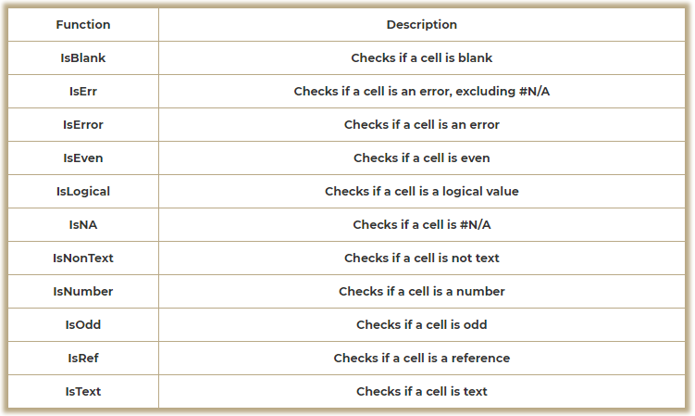

9. Test if cell R295 is a number.

Correct Answer: | =ISNUMBER(R295)

Enter Answer In Highlighted Cell |  | Q | R | S | T | U | V | W | X | Y
 | 292
 | 293
 | 294 |  | Is Number?
 | 295 |  | 3 | TRUE
 | 296
 | 297
(Hint)
 | 298
 | 299
 | 300
 | 301

10. Test if cell R314 is text.

Correct Answer: | =ISTEXT(R134)

Enter Answer In Highlighted Cell |  | Q | R | S | T | U | V | W | X | Y
 | 311
 | 312
 | 313 |  | Is Text?
 | 314 |  | 3 | FALSE
 | 315
 | 316
(Hint)
 | 317
 | 318
 | 319
 | 320

11. Test if cell R333 is blank.

Correct Answer: | =ISBLANK(R333)

Enter Answer In Highlighted Cell |  | Q | R | S | T | U | V | W | X | Y
 | 330
 | 331
 | 332 |  | Is Blank?
 | 333 |  | 3 | FALSE
 | 334
 | 335
(Hint)
 | 336
 | 337
 | 338
 | 339

IFERROR Functions

The IFERROR Function tests if a calculation results in an error. If not, it returns the original result, if it does result in an error then it returns another value. Example:

IFERROR(VLOOKUP(a1,data,5,false),””)

This example is using a vlookup (we will learn about this function later) to return a value. IF the lookup value can not be found, it returns 'blank' instead of an error.
We recommend using the IFERROR Function to make your spreadsheets look more professional. If you show your manager or a client a spreadsheet filled with errors (even if they are valid), they will be concerned. Instead use the IFERROR to handle valid errors!
There are two particularly common cases when you should use an IFERROR:
• When doing any kind of lookup where a lookup value may (correctly) not be found.
• When dividing numbers where the denominator could equal 0.

12. Calculate the percentage of units sold in row 375. Use the IFERROR Function to return 0 instead of an error value if the denominator is 0.

Correct Answer: | =IFERROR(S375/R375,0)

Enter Answer In Highlighted Cell |  | Q | R | S | T | U | V | W | X | Y
 | 372
 | 373 |  | Units Sold | Unit Produced | Percent Sold
 | 374 |  | 273 | 410 | 67%
 | 375 |  | 0 | 0 | 0%
 | 376
 | 377
(Hint)
 | 378
 | 379
 | 380
 | 381

Statistical Functions
Statistical Functions

Home
There are numerous Excel functions to count, sum, and average ranges of numbers. You can perform a simple calculation over a range or set criteria so that only certain cells in that range are included in the calculation.

Intro to Formulas

Logical Functions & Comparison
SUM, COUNT, and AVERAGE Functions

Statistical Functions
8/8
So far, our formulas have only referenced individual cells. Formulas can also be used to perform calculations on entire ranges of cells. To add a series of cells, you could type:

Lookup Functions

Text Functions
=a1+a1+a3+a4+a5

Date Functions
However, that is not feasible when working with large data sets. Instead you should use the SUM Function:

=sum(a1:a5)

This will sum the entire range from A1 to A5. Notice how the range is entered using a colon (:) to separate the first and last cells in the range. Instead of typing the range, you could also select your range of cells using the keyboard: Hold down SHIFT while using the Arrow Keys. If you are not familiar with how to use the keyboard to navigate and select cells, we recommend going through our Keyboard Shortcut App
Now practice with the AVERAGE Function.

1. Average range R41 to R44.

Correct Answer: | =AVERAGE(R41:R44)

Enter Answer In Highlighted Cell |  | Q | R | S | T | U | V | W | X | Y
 | 39
 | 40 | Quarter | Unit Sold |  | Ave Units Sold
 | 41 | Q1 | 273 |  | 225.75
 | 42 | Q2 | 0
 | 43 | Q3 | 130
 | 44 | Q4 | 500
(Hint)
 | 45
 | 46
 | 47
 | 48

The SUM, COUNT, and AVERAGE Functions will ignore cells that contain text, numbers stored as text, or blank values. They will only include cells with valid numbers.
In order to accommodate different scenarios, Excel provides several variations of these basic functions:

2. Count the number of blank cells in range R76 to R79 using COUNTBLANK.

Correct Answer: | =COUNTBLANK(R76:R79)

Enter Answer In Highlighted Cell |  | Q | R | S | T | U | V | W | X | Y
 | 74
 | 75 | Quarter | Unit Sold |  | #Missing Quarters
 | 76 | Q1 | 273 |  | 1
 | 77 | Q2
 | 78 | Q3 | 130
(Hint)
 | 79 | Q4 | 500
 | 80
 | 81
 | 82
 | 83

3. Count all non-blank cells in range R96 to 99.

Correct Answer: | =COUNT(R96:R99)

Enter Answer In Highlighted Cell |  | Q | R | S | T | U | V | W | X | Y
 | 94
 | 95 | Quarter | Unit Sold |  | #Reported
 | 96 | Q1 | 273 |  | 3
 | 97 | Q2
 | 98 | Q3 | 130
(Hint)
 | 99 | Q4 | 500
 | 100
 | 101
 | 102
 | 103

SUMIFs, COUNTIFs, and AVERAGEIFs Functions

These functions are some of the most powerful functions in Excel. They allow you to sum, count, or average only the cells within a range that meet certain criteria.

Notice how the Countif function is slightly different? It does not require a "count_range" because it does not need a range to calculate, it only needs to count the number of times the criteria is met.
Examples:
Average all Q1 Sales:

=SUMIFS(J3:J14,I3:I14,1)

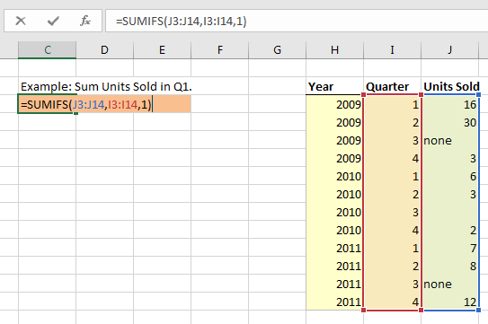

Here we defined the criteria_range as “Quarter” and the sum_range as “Units Sold”. Note: in our example we excluded the $-signs for locking cell references. We did this so that the formulas are easier to follow. Generally, with formulas like these you would want to lock cell references:

=SUMIFS($J$3:$J$14$,$I3:$I$14,1)

Now we will look at an example with more than one criteria
Count the number of quarters after 2009 with more than 5 units sold:

=COUNTIFS(J3:J14,">5",H3:H14,">2009")

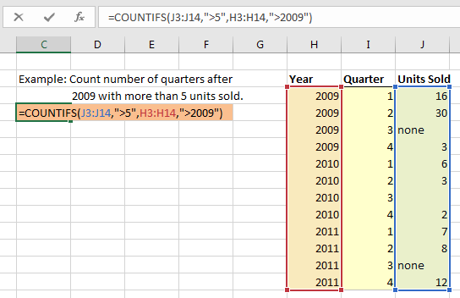

Notice that with the COUNTIFS Function we do not need to define a “count_range”. Also, notice how we entered the criteria. We will review this in more detail next.

"IFs" Criteria

When first using these functions, it can be very frustrating to understand how to enter the proper criteria. Essentially, the criteria must be a string of text. Remember that! Whenever you enter criteria for these functions, think about creating a text string! Now we will review some examples:
To enter an exact match directly into the function:

"Q1"

To enter a comparison directly into the function:

"<0"

to Enter the criteria into a cell and reference the criteria (note: the criteria can be an exact match or a string of text representing a comparison.):

a1

To Use a combination:

"<" & a1

Note: In the last example we use the & character to combine two strings of text. We will learn more about that in the Text Functions section.
Here are more examples of good and bad COUNTIFS Functions:

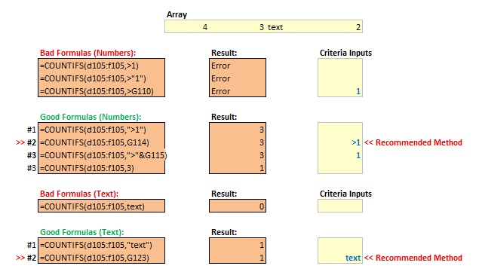

Now, it is your turn!

4. Average the units sold after 2019

Correct Answer: | =AVERAGEIFS(R251:R255,Q251:Q255,">2019")

Enter Answer In Highlighted Cell |  | Q | R | S | T | U | V | W | X | Y
 | 249
 | 250 | Year | Unit Sold |  | Average sold after 2019
 | 251 | 2018 | 273 |  | 314
 | 252 | 2019
 | 253 | 2020 | 130
(Hint)
 | 254 | 2021 | 500
 | 255 | 2022 | 312
 | 256
 | 257
 | 258

5. Count the number of years after 2019 with less than 300 units sold.

Correct Answer: | =COUNTIFS(Q271:Q275,">2019",R271:R275,"<300")

Enter Answer In Highlighted Cell |  | Q | R | S | T | U | V | W | X | Y
 | 269
 | 270 | Year | Unit Sold |  | # Years after 2019 with < 300 sold
 | 271 | 2018 | 273 |  | 1
 | 272 | 2019
 | 273 | 2020 | 130
(Hint)
 | 274 | 2021 | 500
 | 275 | 2022 | 312
 | 276
 | 277
 | 278

6. Add together the Units sold before 2020.

Correct Answer: | =SUMIFS(R290:R294,Q290:Q294,"<2020")

Enter Answer In Highlighted Cell |  | Q | R | S | T | U | V | W | X | Y
 | 288
 | 289 | Year | Unit Sold |  | Add units sold before 2020
 | 290 | 2018 | 273 |  | 273
 | 291 | 2019
 | 292 | 2020 | 130
(Hint)
 | 293 | 2021 | 500
 | 294 | 2022 | 312
 | 295
 | 296
 | 297

Wildcards

Wildcards are characters that can be used for “inexact” matches. They can be used in the previous SUMIFS, COUNTIFS, AVERAGEIFS Functions, lookup functions (ex. VLOOKUP), Find, Autofilter, and much more.
The ? Wildcard represents any single character:

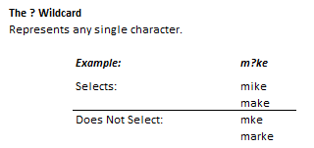

Use the Wildcards exactly like any other text character. Instead of typing “t” for “t”, type “?” for any single character or “*” for any number of any character.
Example:

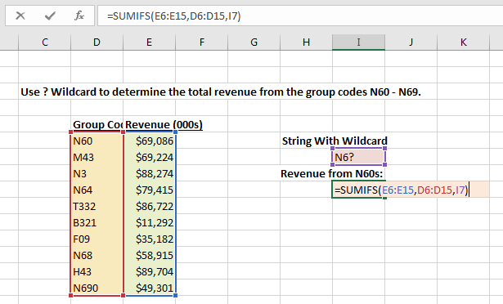

7. Using a wildcard, create a COUNTIFs formula in cell T353 that will count the total number of apples (of all types).

Correct Answer: | =COUNTIFS(R353:R357,"*APPLE")

Enter Answer In Highlighted Cell |  | Q | R | S | T | U | V | W | X | Y
 | 351
 | 352 |  | Fruit |  | Count the number of apples listed
 | 353 |  | Orange |  | 2
 | 354 |  | Blackberry
 | 355 |  | Green Apple
(Hint)
 | 356 |  | Red Apple
 | 357 |  | Strawberry
 | 358
 | 359
 | 360

Sumproduct Function

The SUMPRODUCT Functions adds together the products of parallel arrays of cells. It is easier to explain with an example:

In this example, our goal is to calculate total sales revenue. We could create an additional column, multiply each row (Units Sold * Price Per Unit), and add together the results. Or we could use a single SUMPRODUCT formula to perform the same calculation using a single cell.

8. Using SUMPRODUCT, calculate the total cost of goods sold (sum the product of each unit # * cost per unit).

Correct Answer: | =SUMPRODUCT(R392:R396,S392:S396)

Enter Answer In Highlighted Cell |  | Q | R | S | T | U | V | W | X | Y
 | 390
 | 391 | Products | Units | Cost per unit |  | Total cost of goods sold
 | 392 | Shoes | 392 | $64.50 |  | $79,865.00
 | 393 | Shirts | 200 | $36.00
 | 394 | Ties | 298 | $54.50
(Hint)
 | 395 | Shorts | 320 | $77.10
 | 396 | Scarfs | 154 | $42.00
 | 397
 | 398
 | 399

Lookup Functions
Lookup Functions

Home
Lookup Functions allow you to search for a value in a large dataset based on either it's row & column reference or based matching a certain value in a "lookup column" within that dataset.

Intro to Formulas

Logical Functions & Comparison
VLOOKUP Functions

Statistical Functions
The VLOOKUP Function might be the most talked about Excel function. Job interviewers ask candidates to explain how it works. It is the function that weeds out Excel wannabes. If you want to become competent in Excel you must master this function.
VLOOKUPs allow you to “lookup” a value in a data set and return information from the row where that value is found. Here is an example:

Lookup Functions
8/8

Text Functions

Date Functions
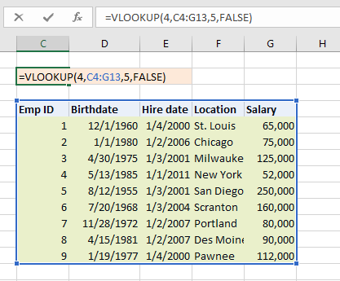

This will look up the “Salary” of Emp ID = 4. We will walk through the syntax, including notes from this example..
VLOOKUP Syntax

• lookup_value - The value that you want to look up. We hard-coded this as “4” in the previous example.
• table_array - The table array where the lookup will take place. The leftmost column is the “lookup column” where Excel will look to match the lookup_value. In our example, the VLOOKUP is searching for “4” in the column with Emp IDs.
• col_index_num - The column number of the value that you want to output. Include the “lookup column” (the leftmost column) when counting columns. In our example, “Salary” is the 5th column.
• [range_lookup] - **Important TRUE or FALSE. FALSE will return only exact matches. TRUE will return the closest match that is less than or equal to the lookup_value when searching through sorted numerical data. Notice that we used FALSE to find an exact match.

1. Use a VLOOKUP to calculate the salary of employee #4

Correct Answer: | =VLOOKUP(4,Q66:U70,5,FALSE)

Enter Answer In Highlighted Cell |  | Q | R | S | T | U | V | W | X | Y
 | 65
 | 66 | Emp ID | Birthdate | Hiredate | Location | Salary |  | Lookup salary of Emp ID 4
 | 67 | 1 | 12/1/1960 | 1/4/2000 | St.Louis | 65,000 |  | 52,000
 | 68 | 2 | 1/1/1980 | 1/2/2006 | Chicago | 75,000
 | 69 | 3 | 4/30/1975 | 1/3/2001 | Milwauke | 125,000
 | 70 | 4 | 5/13/1985 | 1/1/2011 | NewYork | 52,000
(Hint)
 | 71
 | 72
 | 73
 | 74

2. Use a VLOOKUP to calculate the birthdate of employee #2

Correct Answer: | =VLOOKUP(2,Q87:U90,2,FALSE)

Enter Answer In Highlighted Cell |  | Q | R | S | T | U | V | W | X | Y
 | 85
 | 86 | Emp ID | Birthdate | Hiredate | Location | Salary |  | Lookup salary of Emp ID 2
 | 87 | 1 | 12/1/1960 | 1/4/2000 | St.Louis | $65,000 |  | 1/1/1980
 | 88 | 2 | 1/1/1980 | 1/2/2006 | Chicago | $75,000
 | 89 | 3 | 4/30/1975 | 1/3/2001 | Milwauke | $125,000
(Hint)
 | 90 | 4 | 5/13/1985 | 1/1/2011 | NewYork | $52,000
 | 91
 | 92
 | 93
 | 94

As we mentioned earlier, it is bad practice to hard-code values into formulas. You might be tempted to hard-code the 'col_index_num' into the VLOOKUP Function, but try to avoid it. When looking up tables of data, try placing the 'col_index_num' in the row above the table and reference those cells in your VLOOKUP:

3. Create a table of VLOOKUPs by creating a formula in cell w126 that can be copied to the rest of the table. Hint: You will need to lock cell-references

Correct Answer: | =VLOOKUP($V126,$Q$120:$U$124,W$124,FALSE)

Enter Answer In Highlighted Cell |  | Q | R | S | T | U | V | W | X | Y
 | 119
 | 120 | Emp ID | Birthdate | Hiredate | Location | Salary
 | 121 | 1 | 12/1/1960 | 1/4/2000 | St.Louis | $65,000
 | 122 | 2 | 1/1/1980 | 1/2/2006 | Chicago | $75,000
 | 123 | 3 | 4/30/1975 | 1/3/2001 | Milwauke | $125,000 |  | col_Index_num
(Hint)
 | 124 | 4 | 5/13/1985 | 1/1/2011 | NewYork | $52,000 |  | 2 | 3
 | 125 |  |  |  |  |  | EMP ID | Birthdate | Location
 | 126 |  |  |  |  |  | 3 | 4/30/1975 | Milwauke
 | 127 |  |  |  |  |  | 2 | 1/1/1980 | Chicago
 | 128 |  |  |  |  |  | 4 | 5/13/2985 | NewYork

So far we have only searched for exact matches with the FALSE argument. This is the most common use of the VLOOKUP. Now we will look at inexact matches with the TRUE argument.

4. The temperature for tomorrow is 92. Look up the number of heat strokes expected.

Correct Answer: | =VLOOKUP($V$145,Q144:R147,2,TRUE)

Enter Answer In Highlighted Cell |  | Q | R | S | T | U | V | W | X | Y
 | 142
 | 143 | Temp | Heat Strokes per 1000 Senior Citizens
 | 144 | 80 | 1 |  |  |  | Tomorrow Temperature
 | 145 | 90 | 4 |  |  |  | 92
 | 146 | 100 | 10 |  |  |  | Expected Heat Strokes
(Hint)
 | 147 | 110 | 20 |  |  |  | 4
 | 148
 | 149
 | 150
 | 151

HLOOKUP Functions

VLOOKUP stands for “Vertical” lookup. Alternatively, you can do a “Horizontal” lookup with the HLOOKUP Function. The HLOOKUP works exactly the same as the VLOOKUP, except it searches for the lookup_value in the top row instead of the left-most column.

5. Lookup the percentage of Total US Population in Texas.

Correct Answer: | =HLOOKUP(W169,R168:U171,4,FALSE)

Enter Answer In Highlighted Cell |  | Q | R | S | T | U | V | W | X | Y
 | 167
 | 168 |  | New York | California | Wisconsin | Texas |  | % of US Population
 | 169 | Population | 19,465,197 | 37,691,912 | 5,711,767 | 25,674,681 |  | Texas | 8.04%
 | 170 | Seats in House | 29 | 53 | 8 | 32
 | 171 | Percent of total US population | 6.19% | 11.91% | 1.82% | 8.04%
(Hint)
 | 172
 | 173
 | 174
 | 175
 | 176

Lookups & Wildcards

Remember Wildcards? The ? Wildcard represents any single character and the * Wildcard represents any number of characters. You can use Wildcards with lookup functions to perform inexact matches

6. Using a string containing a ? Wildcard, create a VLOOKUP formula to lookup the Hire Date for the Employee with the incomplete Emp ID.

Correct Answer: | =VLOOKUP("?537",Q196:R203,2,FALSE)

Enter Answer In Highlighted Cell |  | Q | R | S | T | U | V | W | X | Y
 | 194
 | 195 | Emp ID | Hire Date
 | 196 | a855 | 1/4/2000
 | 197 | a303 | 1/2/2006 | Incomplete Employee ID |  | _537
 | 198 | a456 | 4/3/2001 |  | Hire Date | 5/1/2008
(Hint)
 | 199 | b942 | 1/1/2011
 | 200 | b301 | 11/3/2001
 | 201 | b266 | 1/3/2004
 | 202 | b537 | 5/1/2008
 | 203 | c725 | 8/15/2017

Index and Match Functions

The VLOOKUP is the most commonly used lookup function, but it has one big problem: When using a VLOOKUP, your lookup column must be the leftmost column on the data. If your data doesn't come in this format you would need to manipulate the data before you can perform a VLOOKUP
Instead, you can use the INDEX and MATCH functions together. When using INDEX / MATCH, the order of your data set does not matter.

Match Functions

The MATCH function looks up a given value in an array, returning that value's position in the array. You can use the MATCH Function on a range one row tall or one column wide. It has three inputs:
lookup_value - The value that you want to look up.
lookup_array - Where you want to search for the value. Note: it must be one row tall or one column wide.
[match_type] - The type of match. Use 0 for exact (most common. Similar to using FALSE with a VLOOKUP). 1 = less than or -1 = greater than. Note: when using 1 or -1, the data must be sorted in the proper direction otherwise the MATCH Function will generate an error.

7. Use the MATCH function to see what number corresponds to the letter F in the alphabet

Correct Answer: | =MATCH("F",R236:R242,FALSE)

Enter Answer In Highlighted Cell |  | Q | R | S | T | U | V | W | X | Y
 | 234
 | 235 |  | Letter |  | What number position is the letter F?
 | 236 |  | A |  | 6
 | 237 |  | B
 | 238 |  | C
(Hint)
 | 239 |  | D
 | 240 |  | E
 | 241 |  | F
 | 242 |  | G
 | 243

You can see that the MATCH function only returns a number corresponding to the value's position in the lookup_array. To return an actual value (like when using a VLOOKUP), you will need to pair the MATCH function with the INDEX Function.

INDEX Functions

The INDEX function returns a value found at a specific position (determined by row and column references) in an array. Inputs:
array - An array of cells
row_num - The row number of the array. Note: can be omitted in a single-row array.
column_num - The column number of the array.
Here is an example where the INDEX Function is used to perform multiplication by looking up the two numbers in a multiplication table.

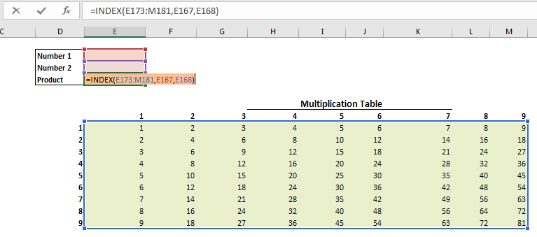

Hopefully, you can see how the INDEX and MATCH Functions work together. The MATCH Function returns a position in an array, which can be used as an input to the INDEX Function.

8. Use the INDEX function to calculate the number of HRs for Mike Wright. Note: we already used MATCH Functions to calculate the row and column numbers.

Correct Answer: | =INDEX(R296:V301,5,4)

Enter Answer In Highlighted Cell |  | Q | R | S | T | U | V | W | X | Y
 | 293
 | 294 |  | 1 | 2 | 3 | 4 | 5
 | 295 |  | Name | Games | Hits | HRs | Runs
 | 296 | 1 | Hoey Hamilton | 69 | 87 | 13 | 45
 | 297 | 2 | David Trout | 67 | 88 | 8 | 47 | Total cost of goods sold
(Hint)
 | 298 | 3 | Ryan Bourn | 66 | 81 | 20 | 47 | 7
 | 299 | 4 | Michael Braun | 70 | 92 | 6 | 47
 | 300 | 5 | Mike Wright | 49 | 67 | 7 | 42
 | 301 | 6 | Josh Votto | 64 | 80 | 22 | 46
 | 302

Text Functions
Text Functions

Home

Excel's text functions give you the ability to manipulate text. You can merge strings, truncate strings, or search for specific text within a cell, replacing it if desired. There are also many tools available to "clean" the text by setting the proper case or removing erroneous spaces.
Intro to Formulas

Logical Functions & Comparison

Statistical Functions
Text Formula Basics
Lookup Functions

13/13
If you have made it this far, you know that any time you use text in a formula, you must surround the text with quotations.
Date Functions

1. Create a formula that outputs “text”

Correct Answer: | ="text"

Enter Answer In Highlighted Cell |  | Q | R | S | T | U | V | W | X | Y
 | 25
 | 26
 | 27
 | 28 |  |  |  | text
 | 29
 | 30
(Hint)
 | 31
 | 32
 | 33
 | 34

The ampersand (&) allows you to merge separate strings of text.

2. Combine these two strings of text “te” and “xt”

Correct Answer: | ="te"&"xt"

Enter Answer In Highlighted Cell |  | Q | R | S | T | U | V | W | X | Y
 | 44
 | 45
 | 46
 | 47 |  |  |  | text
 | 48
 | 49
(Hint)
 | 50
 | 51
 | 52
 | 53

You can also combine a string (or strings) of text with a cell value.

3. Create a formula in Cell T65 to combine “Q” with the quarter number found in S65 to output “Q2”

Correct Answer: | ="Q"&S65

Enter Answer In Highlighted Cell |  | Q | R | S | T | U | V | W | X | Y
 | 62
 | 63
 | 64 |  |  | 1 | Q1
 | 65 |  |  | 2 | Q2
 | 66 |  |  | 3 | Q3
 | 67 |  |  | 4 | Q4
(Hint)
 | 68
 | 69
 | 70
 | 71

Numbers Stored as Text

Numerical values can be “stored as text”. Numbers stored as text can cause serious issues if not handled properly; a number stored as text will not equal it's corresponding numerical counterpart. In other words “123” will not equal 123. This can result in formula errors or other undesired results.
You might be wondering why anyone would store a number as text. You would rarely want to intentionally store numbers of text, but sometimes numbers stored as text will be brought in when importing external data into Excel. The easiest way to tell if a number is stored as text is to look at the cell alignment. Usually, text is left-aligned and numbers are right-aligned. If you see a number that is left aligned it is very likely that it is stored as text. You can also tell if a number is stored as text by checking if the cell formula start with an apostrophe ('). Excel hides leading apostrophes when displaying the cell result, but you can see the leading apostrophe when looking at the actual cell formula.

’003231

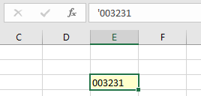

Another method is to check the number format of the cell:

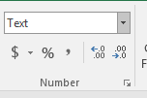

Important! In the image above, you can see that leading zeroes are kept when storing numbers as text. Occasionally, this can be useful.

4. Store the number 0123 as text by using a leading apostrophe.

Correct Answer: | '00123

Enter Answer In Highlighted Cell |  | Q | R | S | T | U | V | W | X | Y
 | 113
 | 114
 | 115
 | 116 |  |  |  | 00123
 | 117
 | 118
(Hint)
 | 119
 | 120
 | 121
 | 122

One option to to convert a number stored as text to a number is Text to Columns feature. This is good for converting large ranges of numbers stored as text into numbers, but it is not a formula so we will not cover it this tutorial.

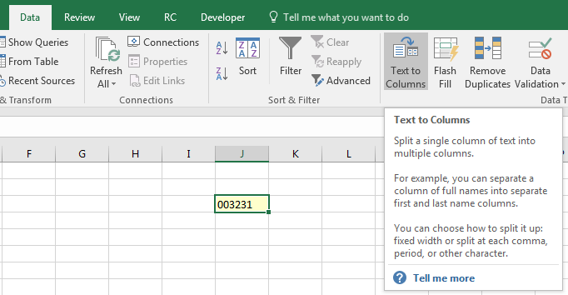

Or you can use the VALUE Function:

=value(b1)

5. Convert the number stored as text from S160 to a number.

Correct Answer: | =VALUE(S160)

Enter Answer In Highlighted Cell |  | Q | R | S | T | U | V | W | X | Y
 | 157
 | 158
 | 159
 | 160 |  |  | 00123 | 123
 | 161
 | 162
(Hint)
 | 163
 | 164
 | 165
 | 166

MID, LEFT, and RIGHT

The MID, LEFT, and RIGHT functions return a portion of a string:

The syntax for these functions is simple. Here are some examples:

6. Extract the right two characters of the string of text.

Correct Answer: | =RIGHT(R203,2)

Enter Answer In Highlighted Cell |  | Q | R | S | T | U | V | W | X | Y
 | 200
 | 201 |  | Code | Right 2 Chars
 | 202 |  | E53 | 53
 | 203 |  | S21 | 21
 | 204 |  | W10 | 10
 | 205 |  | N97 | 97
(Hint)
 | 206 |  | S47 | 47
 | 207 |  | W25 | 25
 | 208 |  | S10 | 10
 | 209

7. Extract the middle two characters from the string of text.

Correct Answer: | =MID(R223,2,2)

Enter Answer In Highlighted Cell |  | Q | R | S | T | U | V | W | X | Y
 | 220
 | 221 |  | Code | Middle 2 Char
 | 222 |  | test | es
 | 223 |  | text | ex
 | 224 |  | this | hi
 | 225 |  | team | ea
(Hint)
 | 226 |  | trim | ri
 | 227 |  | take | ak
 | 228 |  | tool | oo
 | 229

8. Extract all the text starting at position 2 (hint: use 999 for the num_chars to return all remaining characters.)

Correct Answer: | =MID(R243,2,LEN(R243)-1)

Enter Answer In Highlighted Cell |  | Q | R | S | T | U | V | W | X | Y
 | 240
 | 241 |  | Code | All Chars starting at 2
 | 242 |  | E53 | 53
 | 243 |  | S21432 | 21432
 | 244 |  | W108 | 108
 | 245 |  | N9721 | 9721
(Hint)
 | 246 |  | S47432 | 47432
 | 247 |  | W252 | 252
 | 248 |  | S101 | 101
 | 249

FIND Function

The FIND Function returns the starting position of one text string within another text string. Note: The FIND Function is case-sensitive: “This” <> “this”. We will look at the Find Function Syntax:
find_text- The text to search for
within_text- The text to search in
[start_num] - OPTIONAL - The character number to begin the search. Note: the formula result will always display the character position relative to the start of the text and not the start_num. The start_num is only used to skip a certain number of characters before beginning the search allowing you to find the second, third, etc. instance of a string.

=FIND(find_text,within_text,[start_num])

9. Use FIND to find the position of the comma “,” in the cell below.

Correct Answer: | =FIND(",",R276)

Enter Answer In Highlighted Cell |  | Q | R | S | T | U | V | W | X | Y
 | 273
 | 274
 | 275 |  | Name |  | Comma Position
 | 276 |  | Smith, John |  | 6
 | 277
 | 278
(Hint)
 | 279
 | 280
 | 281
 | 282

SUBSTITUTE Function

The SUBSTITUTE Function searches for a string of text, replacing it with a different string of text.
SUBSTITUTE Syntax
text The text to search in
old_text- The text to search for and replace
new_text - The replacement text
[instance_num]- OPTIONAL - The instance number to replace. If left blank, all instances will be replaced.

=SUBSTITUTE(text, old_text, new_text, [instance_num])

The SUBSTITUTE Function is useful when cleaning data. By substituting the old_text with a blank string (“”), you can effectly remove the old_text.

10. Use SUBSTITUTE to remove all of the “-“ from the SSN below.

Correct Answer: | =SUBSTITUTE(R313,"-","")

Enter Answer In Highlighted Cell |  | Q | R | S | T | U | V | W | X | Y
 | 309
 | 310
 | 311 |  | SSNs |  | Clean SSN
 | 312 |  | 123-456-789 |  | 123456789
 | 313 |  | 987-65-4321 |  | 987654321
 | 314 |  | 111-22-3333 |  | 111223333
(Hint)
 | 315
 | 316
 | 317
 | 318

TRIM Function

The TRIM Function removes extra spaces from a string of text. It removes leading spaces, trailing spaces, and any consecutive spaces so that there is never more than one space in a row. The only input required is the text that you want to trim.

=TRIM(text)

11. Use TRIM to clean the text in cell R339.

Correct Answer: | =TRIM(R339)

Enter Answer In Highlighted Cell |  | Q | R | S | T | U | V | W | X | Y
 | 336
 | 337 |  | Text |  | Cleaned Text
 | 338 |  | John Smith |  | John Smith
 | 339 |  | Scott Adams |  | Scott Adams
 | 340 |  | Adam Smith |  | Adam Smith
 | 341
(Hint)
 | 342
 | 343
 | 344
 | 345

LOWER, UPPER, and PROPER Function

Earlier you learned that case (upper vs. lower) usually matters when working with text. In order to manipulate case so that your functions will work properly or to make your data look better use the LOWER, UPPER, and PROPER Functions.

The only input for these functions is the text string itself.

=LOWER(text)

12. Change the text to all lower case.

Correct Answer: | =LOWER(R377)

Enter Answer In Highlighted Cell |  | Q | R | S | T | U | V | W | X | Y
 | 374
 | 375 |  | Text |  | Cleaned Text
 | 376 |  | John Smith |  | john smith
 | 377 |  | Scott ADAMS |  | scott adams
 | 378 |  | Adam Smith |  | adam smith
 | 379
(Hint)
 | 380
 | 381
 | 382
 | 383

13. Capitalize the first letter of each word.

Correct Answer: | =PROPER(R396)

Enter Answer In Highlighted Cell |  | Q | R | S | T | U | V | W | X | Y
 | 393
 | 394 |  | Text |  | Cleaned Text
 | 395 |  | John Smith |  | john smith
 | 396 |  | Scott ADAMS |  | Scott Adams
 | 397 |  | Adam Smith |  | adam smith
 | 398
(Hint)
 | 399
 | 400
 | 401
 | 402

Date Functions
Date Functions

Home
Excel's date functions make it easy to calculate dates or components of dates (day, month, or year). You can easily return a date by using a function on another date.

Intro to Formulas

Logical Functions & Comparison
Date Formulas

Statistical Functions
The most important thing to understand about dates is that Excel stores dates as serial numbers. The serial number represents the number of days from (the imaginary) day of 1/0/1900.

Lookup Functions

Text Functions

Date Functions
6/6
You can find the number of days between two dates by simply subtracting the dates:

You can also add or subtract days to a date:

1. Calculate the number of days from 11/29/2030 to 5/22/2041.

Correct Answer: | =S37-S38

Enter Answer In Highlighted Cell |  | Q | R | S | T | U | V | W | X | Y
 | 36
 | 37 |  |  | 2041-05-22
 | 38 |  |  | 2030-11-29
 | 39 |  |  | 3827
 | 40
 | 41
(Hint)
 | 42
 | 43
 | 44
 | 45

To return today's date, use the TODAY Function. There is no input required for the TODAY Function:

=today()

2. Calculate tomorrow’s date (Hint: add one to today’s date)

Correct Answer: | =TODAY()+1

Enter Answer In Highlighted Cell |  | Q | R | S | T | U | V | W | X | Y
 | 59
 | 60
 | 61
 | 62 |  |  | 4/27/2022
 | 63
(Hint)
 | 64
 | 65
 | 66
 | 67
 | 68

DAY, MONTH, and YEAR Functions

The DAY, MONTH, and YEAR Functions return the day, month, and year of a given date. The only input required is a date. To calculate today's month:

=month(Today())

3. Calculate the day from cell B4.

Correct Answer: | =DAY(R89)

Enter Answer In Highlighted Cell |  | Q | R | S | T | U | V | W | X | Y
 | 86
 | 87
 | 88 |  | Date | Day
 | 89 |  | 2019-06-16 | 16
 | 90
(Hint)
 | 91
 | 92
 | 93
 | 94
 | 95

Date Function

The Date Function generates a date from a given year, month, and day.

=date(2019,5,20)

4. Generate the date 11/25/2030 using the Date Function.

Correct Answer: | =DATE(2030,11,25)

Enter Answer In Highlighted Cell |  | Q | R | S | T | U | V | W | X | Y
 | 111
 | 112
 | 113 |  |  |  | 2030-11-25
 | 114
 | 115
(Hint)
 | 116
 | 117
 | 118
 | 119
 | 120

EDATE Function

The EDATE Function "rolls-forward" or "rolls-back" a date a certain number of months, returning the same day of the month as the original date. This is useful if you want to jump to the 1st, 15th, or other day in another month.

When working with dates, you should always make use of smart date functions. Enter a date once and use formulas like EDATE to develop all other dates from that first date. This makes your spreadsheets easier to update and review!

5. Roll-forward the date by 3 months.

Correct Answer: | =EDATE(S149,3)

Enter Answer In Highlighted Cell |  | Q | R | S | T | U | V | W | X | Y
 | 146
 | 147
 | 148 |  | Quarter start date | Q1 | Q2 | Q3 | Q4
 | 149 |  | Date | 2019-01-01 | 4/1/2019 | 7//1/2019 | 2019-10-01
 | 150
(Hint)
 | 151
 | 152
 | 153
 | 154
 | 155

EDATE works great when working with the 1st or 15th of the month. However, It does not work well when dealing with the last day of the month because not every month has the same number of days. When working with the last day of the month, use EOMONTH instead

EOMONTH Function

The EOMONTH Function works similarly to the EDATE Function, except instead of returning the same day of the month as the input date, it will return the last day of the month. Let's look at some examples:
Return the last day of this month:

=eomonth(today(),0)

Return the first day of next month:

=eomonth(today(),0)+1

Return the first day of the current month:

=eomonth(today(),-1)+1

Your turn:

6. Roll-forward the last day in Quarter 1 (cell C4) to the last day in Quarter 2 (3 months ahead).

Correct Answer: | =EOMONTH(S191,3)

Enter Answer In Highlighted Cell |  | Q | R | S | T | U | V | W | X | Y
 | 189
 | 190 |  | Quarter | Q1 | Q2 | Q3 | Q4
 | 191 |  | Date | 3/31/2019 | 6/30/2019 | 9/30/2019 | 12/31/2019
 | 192
 | 193
(Hint)
 | 194
 | 195
 | 196
 | 197
 | 198

