Sheet2
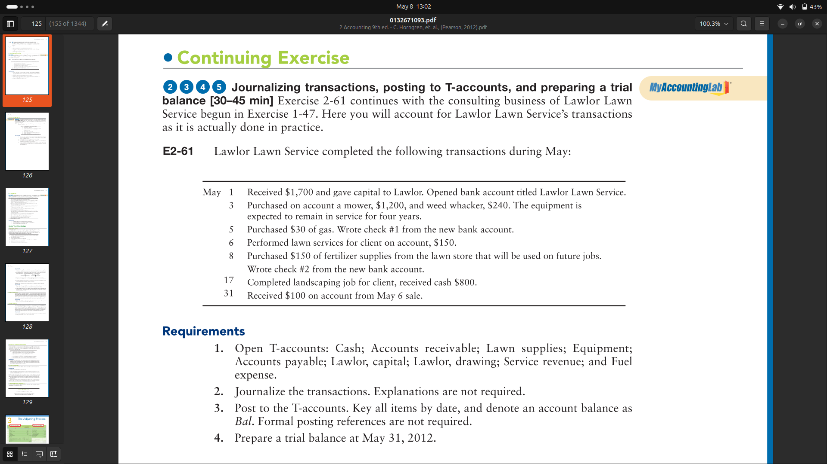
 |  |  |  |  |  |  |  |  |  | Lowrol Lown Trial Balance
Cash |  |  | Lowrol drawings |  |  | Lowrol Lown Journal
Date | Dr | Cr | Date | Dr | Cr |  |  |  |  | Accounts | Dr | Cr
2025-05-17 | 800 |  |  |  |  | Date | Account | Dr | Cr
2025-05-31 | 100 |  |  |  |  |  |  |  |  | Cash | 900
 |  |  |  |  |  | 2025-05-01 | Bank A/c | 1700 |  | A/C rec | 50
Bal | 900 |  |  |  |  |  | Capital |  | 1700 | Lown Supplies | 150
 |  |  |  |  |  |  |  |  |  | Equipments | 1440
A/c receiva |  |  | Service revenue |  |  | 2025-05-03 | Equipments | 1440 |  | A/C Payable |  | 1440
Date | Dr | Cr | Date | Dr | Cr |  | A/c payable |  | 1440 | Bank A/C | 1520
2025-05-06 | 150 |  | 2025-05-06 |  | 150 |  |  |  |  | Lowrol Drawings
2025-05-31 |  | 100 | 2025-05-17 |  | 800 | 2025-05-05 | Gas | 30 |  | Servise revenue |  | 950
 |  |  |  |  |  |  | Bank A/c |  | 30 | Fuel Expense | 30
Bal | 50 |  |  |  |  |  |  |  |  | Lowrol Capital |  | 1700
 |  |  | Bal |  | 950 | 2025-05-06 | A/c receivable | 150
 |  |  |  |  |  |  | service revenue |  | 150 | Total | 4090 | 2390
Lawn supplies |  |  | Fuel expenses
Date | Dr | Cr | Date | Dr | Cr | 2025-05-08 | fertiliser supplies | 150
2025-05-08 | 150 |  | 2025-05-05 | 30 |  |  | Bank A/C |  | 150

Bal | 150 |  |  |  |  | 2025-05-17 | cash | 800
 |  |  | Bal | 30 |  |  | service revenue |  | 800
Equipments
Date | Dr | Cr |  |  |  | 2025-05-31 | Cash | 100
2025-05-03 | 1440 |  |  |  |  |  | Acc Receivable |  | 100

Bal | 1440

A/c payable |  |  | Lowlor Capital
Date | Dr | Cr | Date | Dr | Cr
2025-05-03 |  | 1440 | 2025-05-01 |  | 1700

 |  |  | Bal |  | 1700
Bal |  | 1440

Bank A/c
Date | Dr | Cr
2025-05-01 | 1700
2025-05-05 |  | 30
2025-05-08 |  | 150

Bal | 1520

