P3-46B
Limo workesheet at september 30, 2012 |  |  |  |  |  |  |  |  | Jiuranl for closing Accounts |  |  | T-Account for closing accounts |  |  |  |  |  | Post trial Balance for closing account
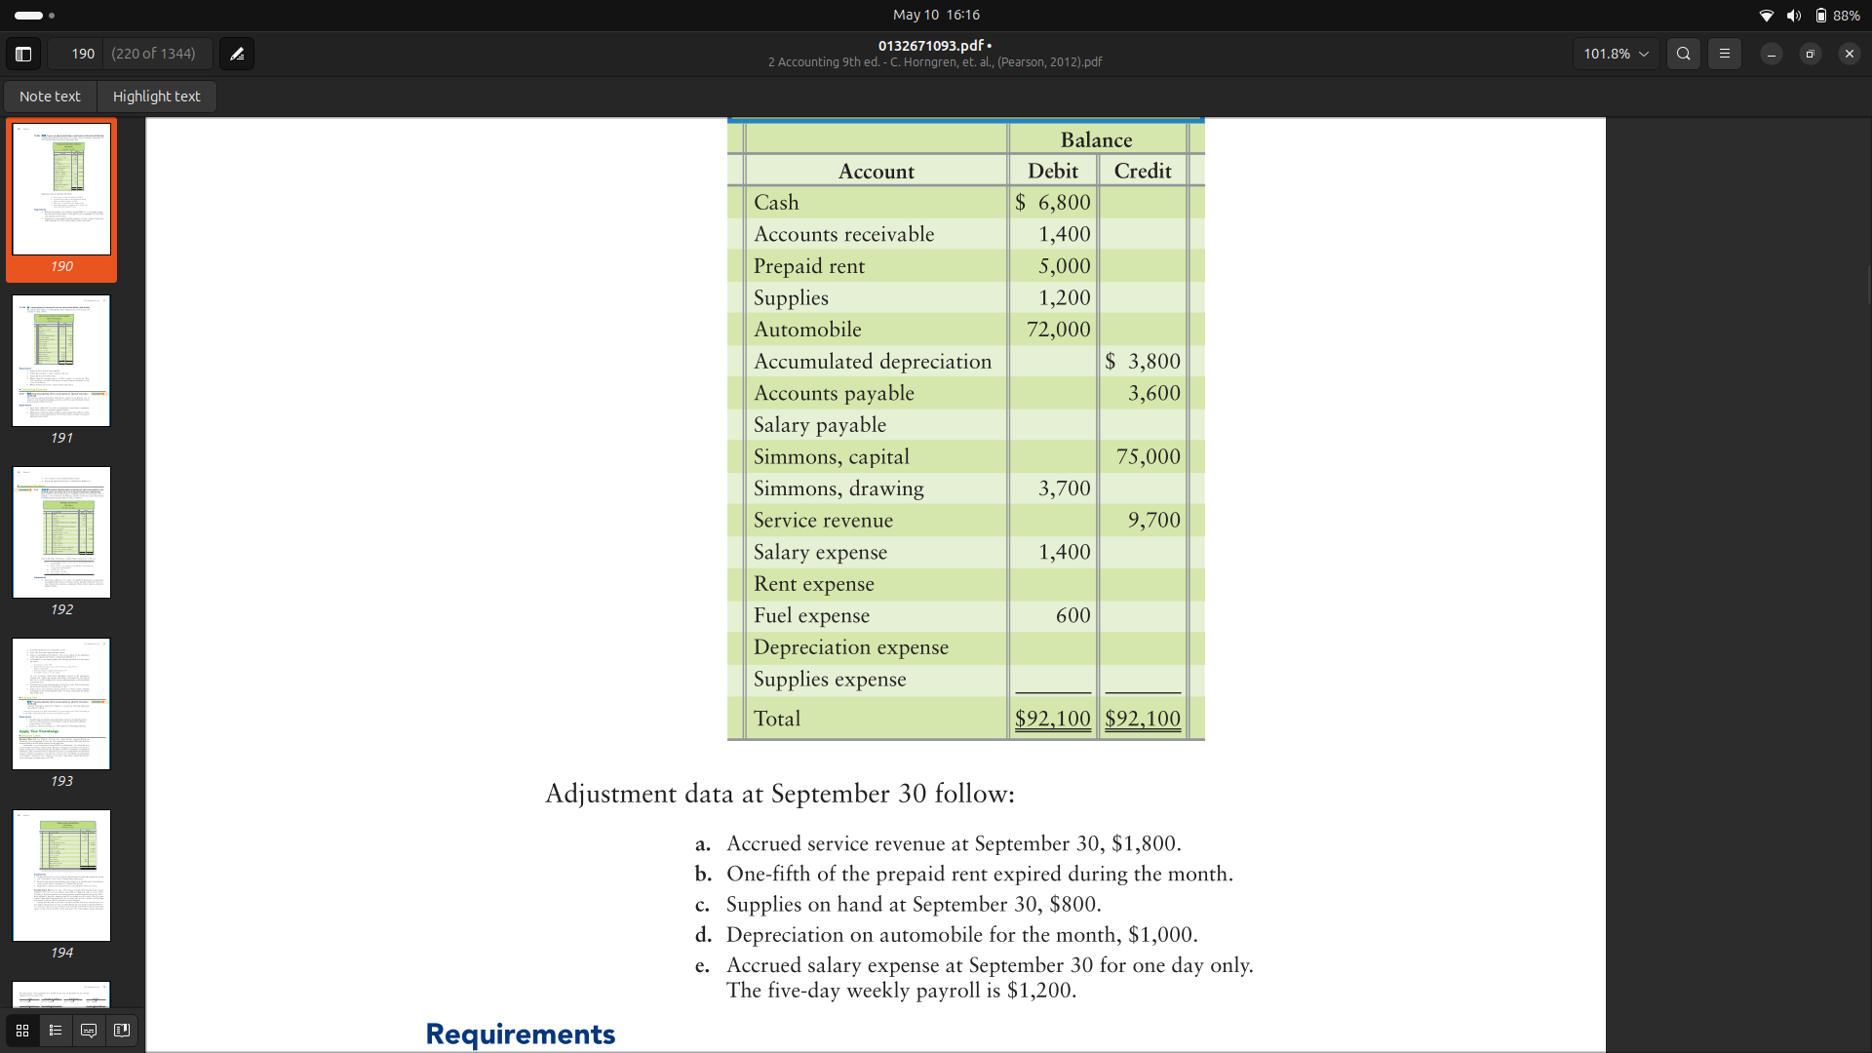
Adjustement |  |  | Adjusted trial Balance |  | Income statement |  | Balance sheet |  |  |  |  | Income summary |  |  | Supplies exp |  |  | Account | Dr | Cr | Accounts | Class of acounts | Increase | Decrease
 |  |  |  |  |  |  |  |  | Accounts | Dr | Cr |  | Dr | Cr |  | Dr | Cr | Cash | 6800 |  | Cost of good sold | Assets | Dr | Cr
Account | Dr | Cr | Dr | Cr | Dr | Cr | Dr | Cr | Income summary | 4640 |  |  | 4640 |  |  | Beg 400 |  | Acc Rec | 3200 |  | Sales return and allowance | Contra Revenue | Dr | Cr
Cash |  |  | 6800 |  |  |  | 6800 |  | Salary exp |  | 1640 |  |  | 11500 |  |  | 400 | Prepaid rent | 4000 |  | Sales discount | contra Revenue | Dr | Cr
Acc Rec | 1800 |  | 3200 |  |  |  | 3200 |  | Rent Exp |  | 1000 |  | 6860 |  | Bal | 0 |  | Supplies | 800 |  | Inventory | Assets | Dr | Cr
Prepaid rent |  | 1000 | 4000 |  |  |  | 4000 |  | Fuel Exp |  | 600 |  |  |  |  |  |  | Automobile | 72000 |  | Tax payable | Liability | Cr | Dr
Supplies |  | 400 | 800 |  |  |  | 800 |  | depr exp |  | 1000 |  | 11500 | 11500 | Supplies exp |  |  | Accul depre |  | 4800 | Freight Out | Expense | Dr | Cr
Automobile |  |  | 72000 |  |  |  | 72000 |  | Supplies |  | 400 | Bal | 0 |  |  | Dr | Cr | Acc payble |  | 3600
Accul depre |  | 1000 |  | 4800 |  |  |  | 4800 | Service Rev | 11500 |  |  |  |  |  |  | beg 11500 | salary paya |  | 240
Acc payble |  |  |  | 3600 |  |  |  | 3600 | Income summary |  | 11500 |  |  |  |  | 11500 |  | Sim Capital |  | 78160
salary paya |  | 240 |  | 240 |  |  |  | 240 |  |  |  | Salary exp |  |  | Bal |  | 0
Sim Capital |  |  |  | 75000 |  |  |  | 75000 | Capital | 3700 |  |  | Dr | Cr |  |  |  | Bal | 86800 | 86800
Sim withdraw |  |  | 3700 |  |  |  | 3700 |  | Witdraw |  | 3700 |  | Beg 1640 |  | Supplies exp
Service rev |  | 1800 |  | 11500 |  | 11500 |  |  |  |  |  |  |  | 1640 |  | Dr | Cr
Salary exp | 240 |  | 1640 |  | 1640 |  |  |  | Income summary | 6860 |  | Bal | 0 |  |  | beg 3700
Rent exp | 1000 |  | 1000 |  | 1000 |  |  |  | Capital |  | 6860 |  |  |  |  |  | 3700
Fuel exp |  |  | 600 |  | 600 |  |  |  |  |  |  | Rent exp |  |  | Bal | 0
Depre exp | 1000 |  | 1000 |  | 1000 |  |  |  |  |  |  |  | Dr | Cr
Supplies exp | 400 |  | 400 |  | 400 |  |  |  |  |  |  |  | Beg 1000
Total |  |  | 95140 | 95140 | 4640 | 11500 | 90500 | 83640 |  |  |  |  |  | 1000 | Capital
 |  |  | Net Income |  | 6860 |  |  | 6860 |  |  |  | bal | 0 |  |  | Dr | Cr
 |  |  |  |  |  |  | 90500 | 90500 |  |  |  |  |  |  |  |  | beg 75000
 |  |  |  |  |  |  |  |  |  |  |  | Fuel exp |  |  |  | 3700
 |  |  |  |  |  |  |  |  |  |  |  |  | Dr | Cr |  |  | 6860
 |  |  |  |  |  |  |  |  |  |  |  |  | Beg 600 |  | Total | 3700 | 81860
 |  |  |  |  |  |  |  |  |  |  |  |  |  | 600 | Bal |  | 78160
 |  |  |  |  |  |  |  |  |  |  |  | bal | 0
 | O-E | 78160
 |  |  |  |  |  |  |  |  |  |  |  | Depreciation
 |  |  |  |  |  |  |  |  |  |  |  |  | Dr | Cr
 |  |  |  |  |  |  |  |  |  |  |  |  | Beg 1000
 |  |  |  |  |  |  |  |  |  |  |  |  |  | 1000
 |  |  |  |  |  |  |  |  |  |  |  | bal | 0

Merchandising
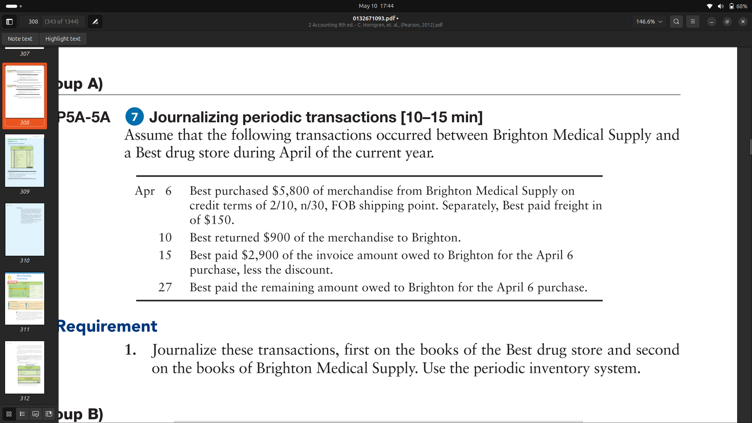
Purchasing Process |  |  |  | Selling Process

Best drug |  |  |  | Brighton Medical Supply

Date | Account | Dr | Cr | Date | Account | Dr | Cr
2025-04-06 | Inventory | 5950 |  | 2025-04-06 | Acc receivable | 5800
 | Acc payable |  | 5800 |  | sales revenue |  | 5800

2025-04-10 | Acc payble | 900 |  | 2025-04-10 | Sales return | 900
 | Inventory |  | 900 |  | Acc receivable |  | 900
 |  |  |  | 2025-04-15 | cash | 2842
2025-04-15 | Acc payable | 2900 |  |  | sales disc | 58
 | Purcha disc |  | 58 |  | Acc receivable |  | 2900
 | Cash |  | 2842 | 27 | cash | 2000
 |  |  |  |  | Acc receivable |  | 2000
27 | Acc payable | 2000
 | cash |  | 2000

