Graph 2- ODA
 | Share of Agriculture and related sectors* | Share of agrculture, forestry & fishing
1973 | 25.81 | 10.06
1974 | 30.76 | 9.40
1975 | 32.07 | 11.72
1976 | 26.49 | 12.23
1977 | 32.59 | 17.45 |  | Title: Share of ODA to Agriculture and related sectors*, 1973-2013
1978 | 33.39 | 16.83
1979 | 37.18 | 19.45
1980 | 31.31 | 17.79
1981 | 34.44 | 15.32
1982 | 31.77 | 18.40
1983 | 29.20 | 17.12
1984 | 31.33 | 17.38
1985 | 31.03 | 18.71
1986 | 23.60 | 12.60
1987 | 26.20 | 15.16
1988 | 26.95 | 15.85
1989 | 22.95 | 14.13
1990 | 23.26 | 13.74
1991 | 15.32 | 8.70
1992 | 18.82 | 11.66
1993 | 15.09 | 8.04
1994 | 15.03 | 10.06
1995 | 17.31 | 9.02
1996 | 16.92 | 9.45
1997 | 15.92 | 8.54
1998 | 14.88 | 7.60
1999 | 17.70 | 6.19
2000 | 13.30 | 5.38
2001 | 14.92 | 5.99
2002 | 13.87 | 4.75
2003 | 11.32 | 3.98 | Related sectors |  | * ODA to Food Security, Agriculture, and Rural Development, Water, Biomass and Energy
2004 | 10.65 | 4.03 |  |  | * 2013 Data include FAO ODA flows
2005 | 9.80 | 3.69
2006 | 9.38 | 3.66
2007 | 12.64 | 5.22
2008 | 12.37 | 4.82
2009 | 13.64 | 5.38
2010 | 14.95 | 5.66
2011 | 14.19 | 6.28
2012 | 14.11 | 6.44
2013* | 12.43 | 5.24

Note:

Graph 5- ODA
ODA to Agriculture and related sectors* , by flow, in USD million 2013

 | Bilateral | Multilateral | Private
1973 | 6591.991 | 3094.817
1974 | 9547.126 | 3318.909
1975 | 7361.152 | 3101.276
1976 | 6632.887 | 3278.488
1977 | 8863.381 | 4016.621
1978 | 9810.784 | 5826.602
1979 | 10429.39 | 5449.206
1980 | 10561.75 | 5830.595
1981 | 11380.89 | 6210.748 |  |  | Title: ODA to Agriculture and related sectors, by bilateral/multilateral flow, 1973-2013
1982 | 11831.8 | 5818.624
1983 | 10317.55 | 5095.055
1984 | 14375.96 | 5124.945
1985 | 12085.87 | 5717.091
1986 | 9566.136 | 2605.031
1987 | 12253.67 | 4622.677
1988 | 14386.09 | 4410.078
1989 | 10552.91 | 4618.915
1990 | 10344.04 | 4828.02
1991 | 8414.584 | 3286.006
1992 | 8218.211 | 3978.342
1993 | 6297.279 | 2419.149
1994 | 5861.625 | 2994.763
1995 | 7193.882 | 2919.536
1996 | 9052.05 | 1936.061
1997 | 7063.928 | 2736.181
1998 | 7628.636 | 2987.185
1999 | 11276.62 | 2822.169
2000 | 9650.262 | 1815.129
2001 | 10504.02 | 2554.107
2002 | 11040.52 | 2958.806 |  | Related sectors |  | * ODA to Food Security, Agriculture, and Rural Development, Water, Biomass and Energy
2003 | 10631.12 | 2683.999 |  |  |  | * 2013 Data include FAO ODA flows
2004 | 9975.431 | 2762.756 |  |  |  | ** Private grants excluded
2005 | 11529.07 | 2739.916
2006 | 11158.80819 | 3095.69
2007 | 12957.4672 | 4699.756
2008 | 15874.16422 | 4089.574
2009 | 18644.2932 | 4263.943
2010 | 20454.6726 | 5096.541
2011 | 16986.8094 | 5784.433
2012 | 17,953.55 | 6182.447
2013* | 16,886.28 | 6413.027

 | 0

Graph 4- Remittances
 | Top 20 countries in Agricultural remittance (AFF = Agriculture, Forestry and Fishing)
 | in million USD (current)

 | 2001 AFF remittances | 2013 AFF remittance
India | 3076.47 | 11747
China | 174.997 | 5956.68
Nigeria | 299.134 | 4336.46
Pakistan | 370.579 | 3494.93
Philippines | 1157.46 | 2998.29
Egypt | 348.958 | 2401.67
Bangladesh | 462.238 | 2146.93
Viet Nam |  | 2021.78
Nepal | 51.814 | 1813.05
Uzbekistan |  | 1186.67
Indonesia | 160.548 | 1099.08
Morocco | 479.187 | 1044.45
Ukraine | 19.7063 | 845.843
Tajikistan |  | 758.522
Mexico | 394.267 | 725.737
Sri Lanka | 178.595 | 691.002
Thailand | 107.5 | 608.425
Guatemala | 88.3404 | 571.539
Armenia | 24.1891 | 424.014
El Salvador | 181.417 | 393.296
2013 rank | faocode | Country | 2001 AFF remittances | 2013 AFF remittance
1 | 100 | India | 3076.47 | 11747
2 | 351 | China | 174.997 | 5956.68
3 | 159 | Nigeria | 299.134 | 4336.46
4 | 165 | Pakistan | 370.579 | 3494.93
5 | 171 | Philippines | 1157.46 | 2998.29
6 | 59 | Egypt | 348.958 | 2401.67
7 | 16 | Bangladesh | 462.238 | 2146.93
8 | 237 | Viet Nam |  | 2021.78
9 | 149 | Nepal | 51.814 | 1813.05
10 | 235 | Uzbekistan |  | 1186.67
11 | 101 | Indonesia | 160.548 | 1099.08
12 | 143 | Morocco | 479.187 | 1044.45
13 | 230 | Ukraine | 19.7063 | 845.843
14 | 208 | Tajikistan |  | 758.522
15 | 138 | Mexico | 394.267 | 725.737
16 | 38 | Sri Lanka | 178.595 | 691.002
17 | 216 | Thailand | 107.5 | 608.425
18 | 89 | Guatemala | 88.3404 | 571.539
19 | 1 | Armenia | 24.1891 | 424.014
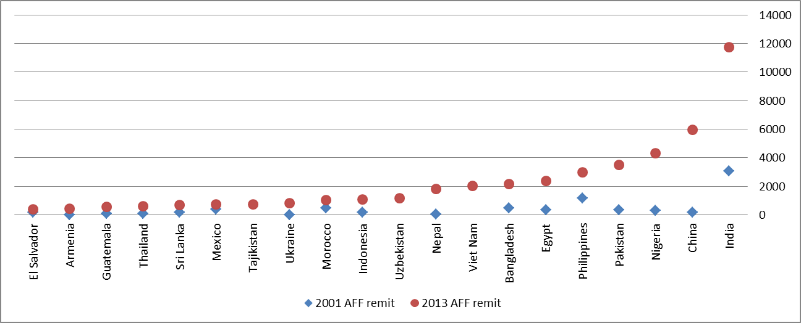
20 | 60 | El Salvador | 181.417 | 393.296

21 | 95 | Honduras | 82.0273 | 390.736
22 | 114 | Kenya | 12.2267 | 356.509
23 | 68 | France | 193.994 | 354.13
24 | 93 | Haiti | 144.062 | 346.599

