first-run-best-fit-6-vars
6-VARIABLES |  |  |  |  |  |  |  |  |  |  |  | 6-VARIABLES | 6-VARIABLES | 6-VARIABLES | 6-VARIABLES | 6-VARIABLES | 6-VARIABLES | 6-VARIABLES | 6-VARIABLES | 6-VARIABLES | 6-VARIABLES | 6-VARIABLES | 6-VARIABLES | 6-VARIABLES | 6-VARIABLES | 6-VARIABLES | 6-VARIABLES | 6-VARIABLES | 6-VARIABLES | 6-VARIABLES | 6-VARIABLES | 6-VARIABLES | 6-VARIABLES | 6-VARIABLES | 6-VARIABLES | 6-VARIABLES | 6-VARIABLES | 6-VARIABLES | 6-VARIABLES | 6-VARIABLES

Scatter of Historical Values Vs Line of Best Fit From Regression
Predicted NVol Trend Line
Index | Year | Historical Nvol | Predicted NVol | Trendline NVol | Residuals | Trend + 2std | Trend - 2std
1 | 1994 | 1659 | 1889.4 | 1883.3 | -230.4 | 2378.0 | 1388.6
2 | 1995 | 1738 | 1995.6 | 1948.0 | -257.6 | 2442.7 | 1453.3
3 | 1996 | 1991 | 2116.8 | 2012.8 | -125.8 | 2507.5 | 1518.1
4 | 1997 | 1985 | 2175.9 | 2077.6 | -190.9 | 2572.3 | 1582.9
5 | 1998 | 2088 | 1887.7 | 2142.3 | 200.3 | 2637.0 | 1647.6
6 | 1999 | 2098 | 2299.6 | 2207.1 | -201.6 | 2701.8 | 1712.4
7 | 2000 | 2218 | 2300.8 | 2271.9 | -82.8 | 2766.6 | 1777.2
8 | 2001 | 2265 | 2362.6 | 2336.6 | -97.6 | 2831.3 | 1841.9
9 | 2002 | 2285 | 2353.2 | 2401.4 | -68.2 | 2896.1 | 1906.7
10 | 2003 | 2349 | 2294.5 | 2466.2 | 54.5 | 2960.9 | 1971.4
11 | 2004 | 2527 | 2474.3 | 2530.9 | 52.7 | 3025.6 | 2036.2
12 | 2005 | 2796 | 2527.6 | 2595.7 | 268.4 | 3090.4 | 2101.0
13 | 2006 | 2927 | 2674.4 | 2660.4 | 252.6 | 3155.1 | 2165.7
14 | 2007 | 2649 | 2737.4 | 2725.2 | -88.4 | 3219.9 | 2230.5
15 | 2008 | 2925 | 2999.0 | 2790.0 | -74.0 | 3284.7 | 2295.3
16 | 2009 | 3034 | 3091.4 | 2854.7 | -57.4 | 3349.4 | 2360.0
17 | 2010 | 3476 | 2927.8 | 2919.5 | 548.2 | 3414.2 | 2424.8
18 | 2011 | 3134 | 2999.3 | 2984.3 | 134.7 | 3479.0 | 2489.6
19 | 2012 | 3207 | 3001.1 | 3049.0 | 205.9 | 3543.7 | 2554.3
20 | 2013 | 2854 | 2984.8 | 3113.8 | -130.8 | 3608.5 | 2619.1
21 | 2014 | 3185 | 3183.8 | 3178.6 | 1.2 | 3673.3 | 2683.9
22 | 2015 | 3309 | 3362.8 | 3243.3 | -53.8 | 3738.0 | 2748.6 |  | Residuals | Predicted N Vols | Historical N Vols
23 | 2016 | 2672 | 3210.8 | 3308.1 | -538.8 | 3802.8 | 2813.4 | Median | -57.4 | 2927.8 | 2854.0
24 | 2017 | 3730 | 3160.3 | 3372.9 | 569.7 | 3867.6 | 2878.2 | Standard Dev | 247.4 | 579.2 | 629.8
25 | 2018 | 3435 | 3361.3 | 3437.6 | 73.7 | 3932.3 | 2942.9 | CAGR | 2.40% | 2.97% | 3.04%
26 | 2019 | 3408 | 3141.9 | 3502.4 | 266.1 | 3997.1 | 3007.7
27 | 2020 | 3415 | 3338.6 | 3567.2 | 76.4 | 4061.9 | 3072.5
28 | 2021 | 3711 | 3770.0 | 3631.9 | -59.0 | 4126.6 | 3137.2
29 | 2022 | 3838 | 4285.0 | 3696.7 | -447.0 | 4191.4 | 3202.0

 | Equation
 | Trendline Nitrogen Volume=1818.5 + 64.765×(Year Index)

first-run-best-fit-8-vars
8-VARIABLES

Scatter of Historical Values Vs Line of Best Fit From Regression
Predicted NVol Trend Line
Index | Year | Historical Nvol | Predicted NVol | Trendline NVol | Residuals | Trend + 2std | Trend - 2std
1 | 1994 | 1659 | 1837.5 | 1881.2 | -178.5 | 2358.5 | 1403.9
2 | 1995 | 1738 | 1985.3 | 1946.1 | -247.3 | 2423.4 | 1468.8
3 | 1996 | 1991 | 2135.4 | 2011.0 | -144.4 | 2488.3 | 1533.7
4 | 1997 | 1985 | 2154.1 | 2075.9 | -169.1 | 2553.2 | 1598.7
5 | 1998 | 2088 | 1955.8 | 2140.9 | 132.2 | 2618.1 | 1663.6
6 | 1999 | 2098 | 2229.6 | 2205.8 | -131.6 | 2683.1 | 1728.5
7 | 2000 | 2218 | 2252.9 | 2270.7 | -34.9 | 2748.0 | 1793.4
8 | 2001 | 2265 | 2339.7 | 2335.6 | -74.7 | 2812.9 | 1858.3
9 | 2002 | 2285 | 2377.8 | 2400.5 | -92.8 | 2877.8 | 1923.2
10 | 2003 | 2349 | 2300.2 | 2465.4 | 48.8 | 2942.7 | 1988.1
11 | 2004 | 2527 | 2426.2 | 2530.3 | 100.8 | 3007.6 | 2053.0
12 | 2005 | 2796 | 2635.3 | 2595.2 | 160.7 | 3072.5 | 2117.9
13 | 2006 | 2927 | 2734.6 | 2660.1 | 192.4 | 3137.4 | 2182.9
14 | 2007 | 2649 | 2647.8 | 2725.1 | 1.2 | 3202.3 | 2247.8
15 | 2008 | 2925 | 3034.8 | 2790.0 | -109.8 | 3267.3 | 2312.7
16 | 2009 | 3034 | 3177.5 | 2854.9 | -143.5 | 3332.2 | 2377.6
17 | 2010 | 3476 | 2962.4 | 2919.8 | 513.6 | 3397.1 | 2442.5
18 | 2011 | 3134 | 2999.0 | 2984.7 | 135.0 | 3462.0 | 2507.4
19 | 2012 | 3207 | 3134.2 | 3049.6 | 72.8 | 3526.9 | 2572.3
20 | 2013 | 2854 | 3023.0 | 3114.5 | -169.0 | 3591.8 | 2637.2
21 | 2014 | 3185 | 3110.3 | 3179.4 | 74.7 | 3656.7 | 2702.1
22 | 2015 | 3309 | 3302.4 | 3244.3 | 6.6 | 3721.6 | 2767.1 |  | Residuals | Predicted N Vols | Historical N Vols
23 | 2016 | 2672 | 3148.5 | 3309.3 | -476.5 | 3786.5 | 2832.0 | Median | 1.2 | 2962.4 | 2854.0
24 | 2017 | 3730 | 3032.0 | 3374.2 | 698.0 | 3851.5 | 2896.9 | Standard Dev | 238.64 | 582.86 | 629.8
25 | 2018 | 3435 | 3314.5 | 3439.1 | 120.5 | 3916.4 | 2961.8 | CAGR | 3.40% | 3.08% | 3.04%
26 | 2019 | 3408 | 3263.5 | 3504.0 | 144.5 | 3981.3 | 3026.7
27 | 2020 | 3415 | 3314.7 | 3568.9 | 100.3 | 4046.2 | 3091.6
28 | 2021 | 3711 | 3785.8 | 3633.8 | -74.8 | 4111.1 | 3156.5
29 | 2022 | 3838 | 4293.1 | 3698.7 | -455.1 | 4176.0 | 3221.4

 | Equation
 | Trendline Nitrogen Volume=1816.3 + 64.911×(Year Index)

first-run-estimates
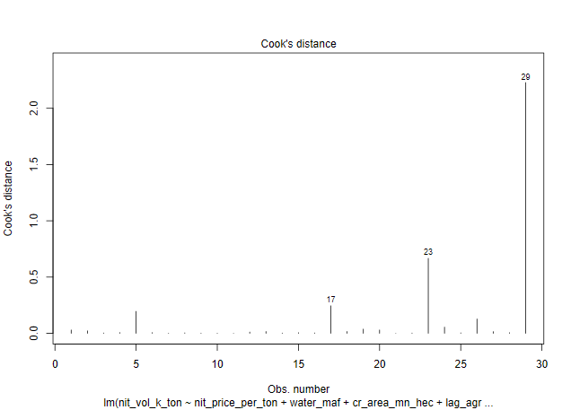
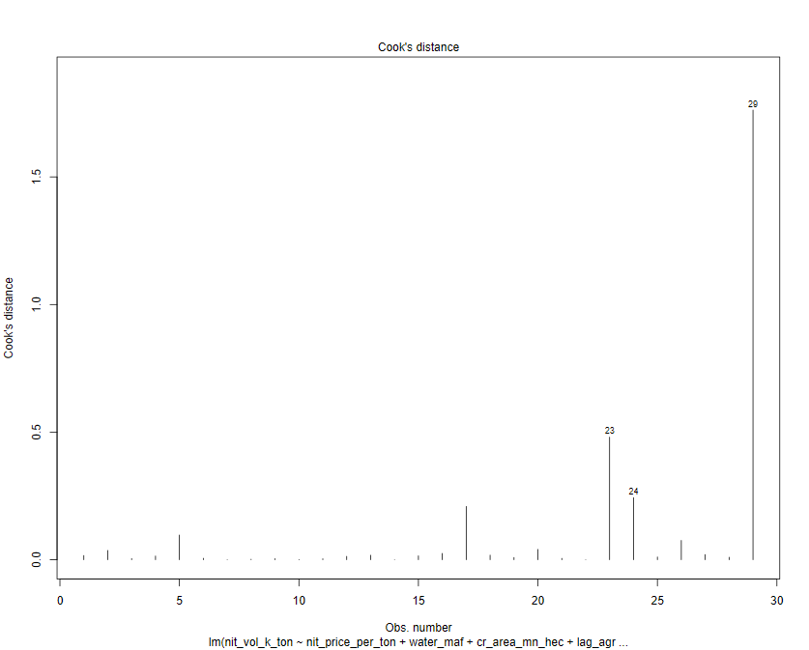
INDEPENDENT LINEAR REGRESSION VARIABLES - PARAMETERS |  |  |  |  |  |  | INDEPENDENT REGRESSION VARIABLES - PARAMETERS
6-VARIABLES |  |  |  |  |  |  | 8-VARIABLES
Table 2.1 |  |  |  |  |  |  |  |  |  |  |  |  |  |  |  |  | 2021-22 data points
 | N Price - X1 | Water - X2 | Cropped Acreage - X3 | Agric GDP - X4 | Agric Credit - X5 | Labour Prody - X6 |  | N Price - X1 | Water - X2 | Cropped Acreage - X3 | Agric GDP - X4 | Agric Credit - X5 | Labour Prody - X6 | Input to Output - X7 | N to P Price - X8 |  | N Price - X1 | Water - X2 | Cropped Acreage - X3 | Agric GDP - X4 | Agric Credit - X5 | Labour Prody - X6 | Input to Output - X7 | N to P Price - X8
 | PKR / MT | MAF | Mn Ha | Bn PKR | Mn PKR | PKR / Ha |  | PKR / MT | MAF | Mn Ha | Bn PKR | Mn PKR | PKR / Ha | Ratio | Ratio |  | PKR / MT | MAF | Mn Ha | Bn PKR | Mn PKR | PKR / Ha | Ratio | Ratio
Linear Coeff | -0.005 | 34.83 | 137.75 | 0.49 | -0.000156 | 1.47 | Linear Coeff | -0.01 | 20.79 | 101.85 | 0.51 | 0.00019 | 2.05 | -1115.58 | -1374.44 |  | 83,173.91 | 131.02 | 24.00 | 5,791.41 | 1,418,906 | 253.78 | 1.34 | 0.16
Impact on N volume - KT* | -4.34 | 45.63 | 33.06 | 28.50 | -2.21 | 3.72 | Impact on N volume - KT* | -11.33 | 27.24 | 24.44 | 29.67 | 2.71 | 5.20 | -14.95 | -2.20 | 1% change | 831.74 | 1.31 | 0.24 | 57.91 | 14189 | 2.54 | 0.01 | 0.002
Log Linear Elasticity Coeff | -0.18 | 0.38 | 0.62 | 0.20 | 0.02 | 0.12 | Log Linear Elasticity Coeff | -0.23 | -0.01 | 0.42 | 0.20 | 0.05 | 0.10 | -0.12 | -0.08
Standard Errors of Lin Coeff | 0.006 | 15.58 | 113.42 | 0.42 | 0.00050 | 5.69 | Standard Errors of Lin Coeff | 0.02 | 19.55 | 127.16 | 0.42 | 0.00058 | 7.96 | 1377.78 | 1376.39
T-stat | -0.89 | 2.24 | 1.21 | 1.18 | -0.31 | 0.26 | T-stat | -0.82 | 1.06 | 0.80 | 1.21 | 0.33 | 0.26 | -0.81 | -0.999
T-Prob | 0.38 | 0.04 | 0.24 | 0.25 | 0.76 | 0.80 | T-Prob | 0.42 | 0.30 | 0.43 | 0.241 | 0.75 | 0.8 | 0.43 | 0.33
Significant/Non Significant | Non Significant | Significant | Non Significant | Non Significant | Non Significant | Non Significant | Significant/Non Significant | Non Significant | Non Significant | Non Significant | Non Significant | Non Significant | Non Significant | Non Significant | Non Significant
Confidence Interval (%) |  | 95% |  |  |  |  | Confidence Interval (%)
F-Ratio | 88.59 | 5.37 | 10.17 | 16.34 | 0.09 | 0.07 | F-Ratio | 86.52 | 5.25 | 9.93 | 15.96 | 0.09 | 0.06 | 0.49 | 1.00
F-Prob | 0.0000000036 | 0.03 | 0.0042 | 0.00054 | 0.76 | 0.80 | F-Prob | 0.00 | 0.03 | 0.01 | 0.00 | 0.76 | 0.80 | 0.49 | 0.33
Significant/Non Significant | Significant | Significant | Significant | Significant | Non Significant | Non Significant | Significant/Non Significant | Significant | Significant | Significant | Significant | Non Significant | Non Significant | Non Significant | Non Significant
Confidence Interval (%) | 99% | 95% | 99% | 99% |  |  | Confidence Interval (%) | 99% | 95% | 99% | 99%
VIF Ratio | 10.04 | 1.65 | 2.08 | 93.00 | 17.34 | 49.79 | VIF Ratio | 79.99 | 2.54 | 2.56 | 94.27 | 22.94 | 95.43 | 16.71 | 4.29
Median | 25260.87 | 133.78 | 23.01 | 1155.58 | 211561.00 | 45.75 | Median | 25260.87 | 133.78 | 23.01 | 1155.6 | 211561.00 | 45.75 | 0.97 | 0.38
Standard Deviation (SD) | 28627.37 | 4.35 | 0.67 | 1429.76 | 441331.53 | 65.45 | Standard Deviation (SD) | 28627.37 | 4.35 | 0.67 | 1429.8 | 441331.53 | 65.45 | 0.16 | 0.08

Sample Size | 29 Years |  |  | Conclusion |  |  | Sample Size | 29 Years |  |  | Conclusion
R2 of Function | 0.85 |  |  | Model explains 85% of variance in Nitrogen consumption |  |  | R2 of Function | 0.86 |  |  | Model explains 86% of variance in nit consumption
F ratio of Function | F=20.11, p=0.0000000676 |  |  | At least one of the indp variables has a statistically significant effect on the Nit consumption |  |  | F ratio of Function | F=14.91, p=0.0000007 |  |  | At least one of the indp variables has a statistically significant effect on the Nit consumption
Residual Median | -57.36 |  |  |  |  |  | Residual Median | 1.19
Residual Standard Dev | 247.35 |  |  |  |  |  | Residual Standard Dev | 238.64
DW Watson Test | Autocorrelation | Statistic | P-value |  |  |  | DW Watson Test | Autocorrelation | Statistic | P-value
 | 0.00402 | 1.84 | 0.22 | Weak Positive AC |  |  |  | -0.04 | 1.94 | 0.27 | Weak Negative AC
White Test |  | 2.24 | 0.33 | Errors are homoscedastic |  |  | White Test |  | 2.00 | 0.37 | Errors are homoscedastic
Shapiro Test |  | 0.96 | 0.37 | Errors distributed normally |  |  | Shapiro Test |  | 0.92 | 0.04 | Errors are not distributed normally

INDEPENDENT REGRESSION LIN LOG VARIABLES - PARAMETERS |  |  |  |  |  |  | INDEPENDENT REGRESSION LIN LOG VARIABLES - PARAMETERS
6-VARIABLES |  |  |  |  |  |  | 8-VARIABLES

 | N Price - X1 | Water - X2 | Cropped Acreage - X3 | Agric GDP - X4 | Agric Credit - X5 | Labour Prody - X6 |  | N Price - X1 | Water - X2 | Cropped Acreage - X3 | Agric GDP - X4 | Agric Credit - X5 | Labour Prody - X6 | Input to Output - X7 | N to P Price - X8
 | PKR / MT | MAF | Mn Ha | Bn PKR | Mn PKR | PKR / Ha |  | PKR / MT | MAF | Mn Ha | Bn PKR | Mn PKR | PKR / Ha | Ratio | Ratio
Lin Log Elasticity Coeff | -477.30 | -100.90 | 877.80 | 336.20 | 119.70 | 403.40 | Lin Log Elasticity Coeff | -308.20 | -209.20 | -158.80 | 373.20 | 166.40 | 185.70 | 87.0 | -246.30
T-stat | -2.39 | -0.08 | 0.41 | 0.85 | 0.67 | 1.35 | T-stat | -0.80 | -0.10 | -0.07 | 0.93 | 0.82 | 0.51 | 0.16 | -0.95
T-Prob | 0.03 | 0.94 | 0.69 | 0.40 | 0.51 | 0.19 | T-Prob | 0.43 | 0.92 | 0.95 | 0.36 | 0.42 | 0.61 | 0.87 | 0.35
Significant/Non Significant | Significant | Non Significant | Non Significant | Non Significant | Non Significant | Non Significant | Significant/Non Significant | Non Significant | Non Significant | Non Significant | Non Significant | Non Significant | Non Significant | Non Significant | Non Significant
Confidence Interval (%) | 95% |  |  |  |  |  | Confidence Interval (%)
F-Ratio | 215.97 | 2.12 | 8.96 | 31.88 | 1.02 | 1.83 | F-Ratio | 209.78 | 2.06 | 8.70 | 30.96 | 0.99 | 1.78 | 0.47 | 0.90
F-Prob | 0.00 | 0.16 | 0.01 | 0.00 | 0.32 | 0.19 | F-Prob | 0.00 | 0.17 | 0.01 | 0.00 | 0.33 | 0.20 | 0.50 | 0.35
Significant/Non Significant | Significant | Non Significant | Significant | Significant | Non Significant | Non Significant | Significant/Non Significant | Significant | Non Significant | Significant | Significant | Significant | Significant | Non Significant | Non Significant
Confidence Interval (%) | 99% |  | 99% | 99% |  |  | Confidence Interval (%) | 99% |  | 99% | 99% | 99% | 95%

R2 of Function | 0.92 |  |  |  |  |  | R2 of Function | 0.93

INDEPENDENT REGRESSION LOG LOG VARIABLES - PARAMETERS |  |  |  |  |  |  | INDEPENDENT REGRESSION LOG LOG VARIABLES - PARAMETERS
6-VARIABLES |  |  |  |  |  |  | 8-VARIABLES

 | N Price - X1 | Water - X2 | Cropped Acreage - X3 | Agric GDP - X4 | Agric Credit - X5 | Labour Prody - X6 |  | N Price - X1 | Water - X2 | Cropped Acreage - X3 | Agric GDP - X4 | Agric Credit - X5 | Labour Prody - X6 | Input to Output - X7 | N to P Price - X8
 | PKR / MT | MAF | Mn Ha | Bn PKR | Mn PKR | PKR / Ha |  | PKR / MT | MAF | Mn Ha | Bn USD | Bn PKR | PKR / Ha | Ratio | Ratio
Log Linear Elasticity Coeff | -0.18 | 0.38 | 0.62 | 0.20 | 0.02 | 0.12 | Log Linear Elasticity Coeff | -0.23 | -0.01 | 0.42 | 0.20451 | 0.05 | 0.10 | -0.12 | -0.08
T-stat | -2.59 | 0.84 | 0.82 | 1.43 | 0.28 | 1.16 | T-stat | -1.66 | -0.02 | 0.50 | 1.44 | 0.63 | 0.80 | -0.63 | -0.86
T-Prob | 0.02 | 0.41 | 0.42 | 0.17 | 0.78 | 0.26 | T-Prob | 0.11 | 0.98 | 0.62 | 0.16 | 0.53 | 0.44 | 0.54 | 0.40
Significant/Non Significant | Significant | Non Significant | Non Significant | Non Significant | Non Significant | Non Significant | Significant/Non Significant | Non Significant | Non Significant | Non Significant | Non Significant | Non Significant | Non Significant | Non Significant | Non Significant
Confidence Interval (%) | 95% |  |  |  |  |  | Confidence Interval (%)
F-Ratio | 254.93 | 7.42 | 10.86 | 36.47 | 0.31 | 1.34 | F-Ratio | 240.99 | 7.02 | 10.26 | 34.48 | 0.29 | 1.27 | 0.07 | 0.73
F-Prob | 0.000 | 0.012 | 0.003 | 0.000 | 0.583 | 0.259 | F-Prob | 0.00 | 0.02 | 0.00 | 0.00 | 0.59 | 0.27 | 0.80 | 0.40
Significant/Non Significant | Significant | Significant | Significant | Significant | Non Significant | Non Significant | Significant/Non Significant | Significant | Significant | Significant | Significant | Non Significant | Non Significant | Non Significant | Non Significant
Confidence Interval (%) | 99% | 90% | 99% | 99% |  |  | Confidence Interval (%) | 99% | 95% | 99% | 99%

R2 of Function | 0.93 |  |  |  |  |  | R2 of Function | 0.94

INDEPENDENT LINEAR REGRESSION MODEL DIAGONISTICS

Plot 2.1: Actual Vs Fitted Values |  |  |  |  |  |  | Plot 2.1: Actual Vs Fitted Values

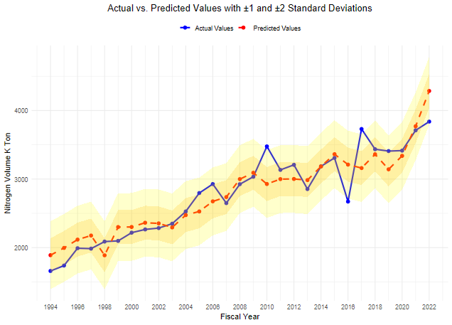
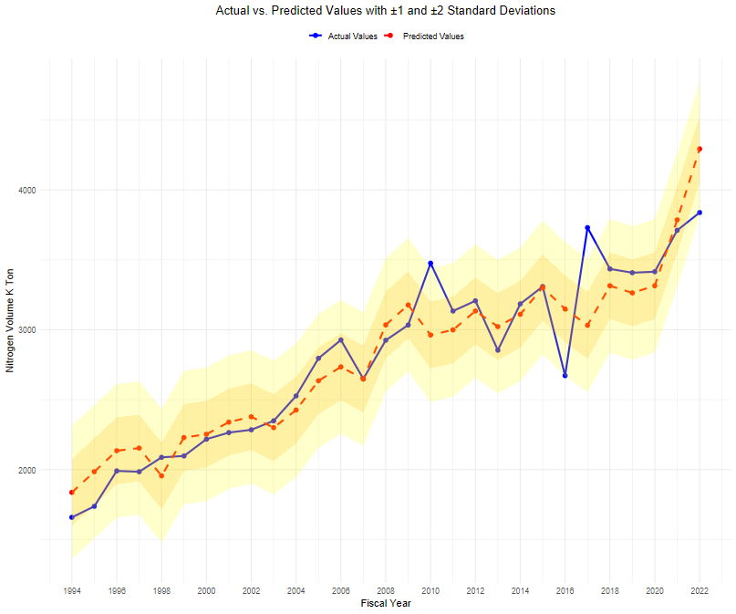

Plot 2.2: Residual QQ Plot |  |  |  |  |  |  | Plot 2.2: Residual QQ Plot
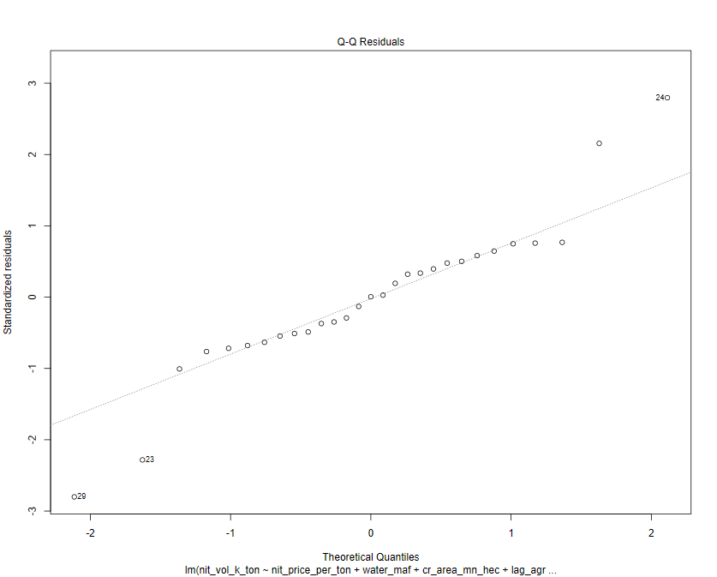
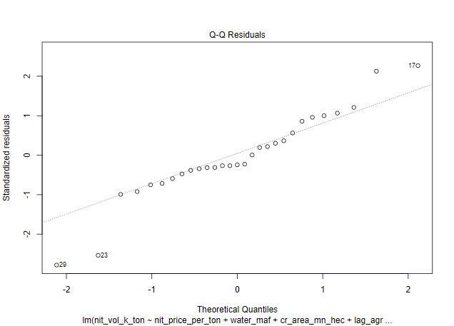

Plot 2.3: Histogram of Residuals |  |  |  |  |  |  | Plot 2.3: Histogram of Residuals

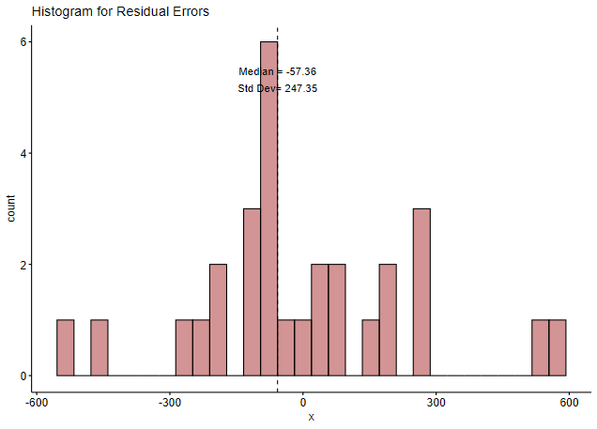
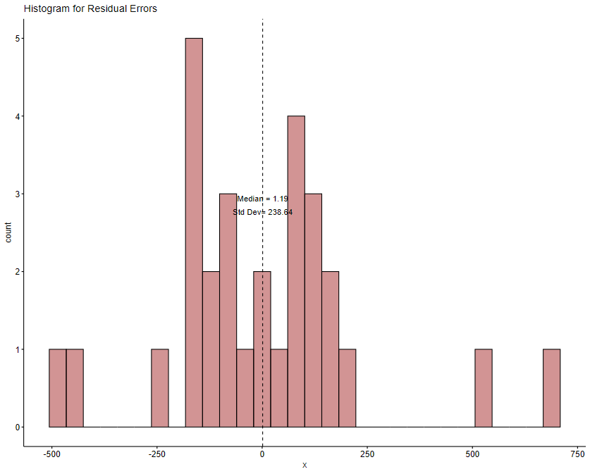

Plot 2.4: ACF Plot of Residuals |  |  |  |  |  |  | Plot 2.4: ACF Plot of Residuals
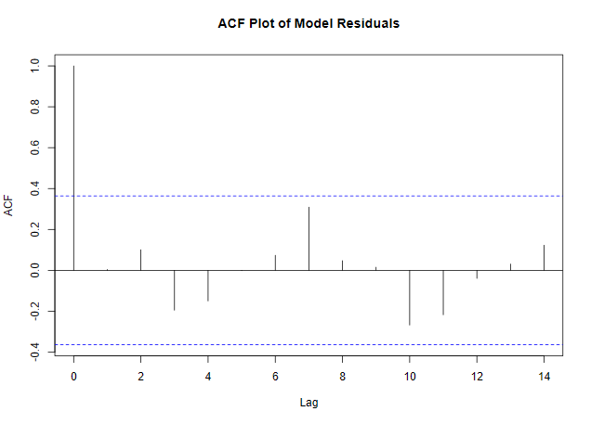
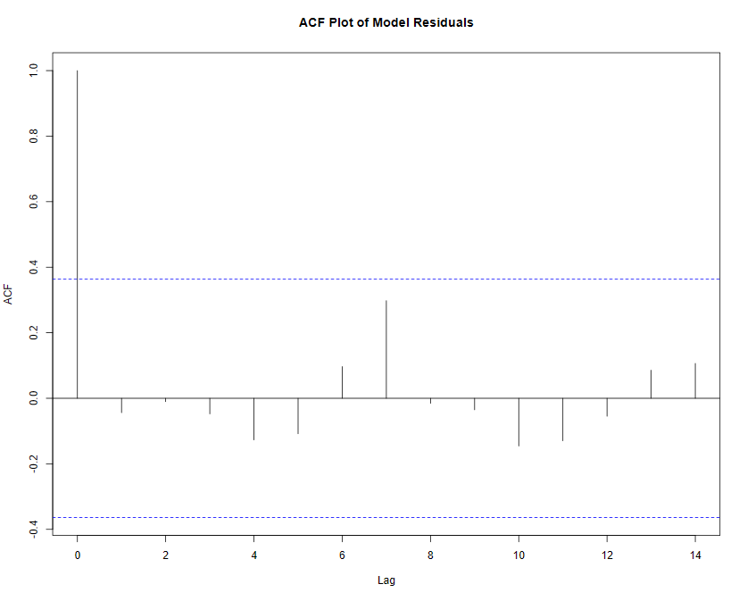

Plot 2.5: Residuals Vs Fitted Values |  |  |  |  |  |  | Plot 2.5: Residuals Vs Fitted Values
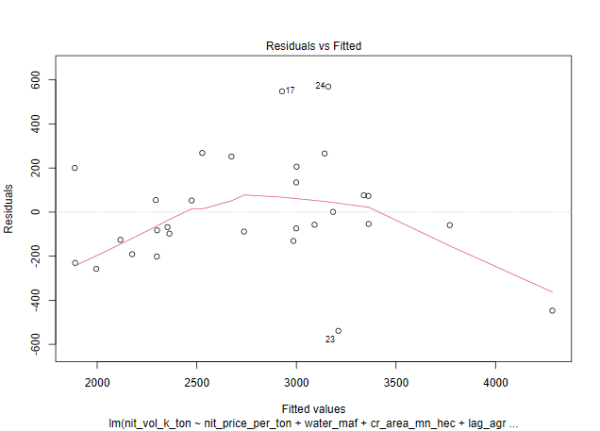

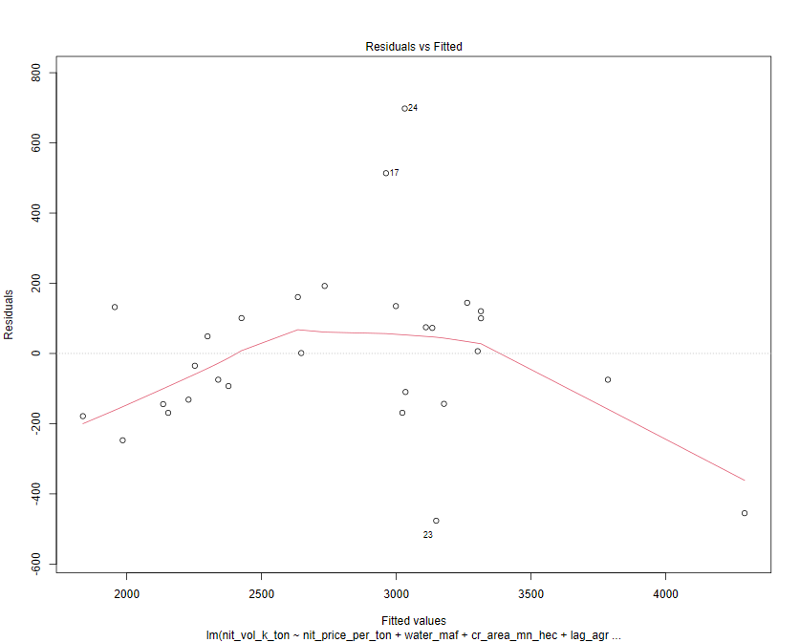

Plot 2.6: Cook's Distance Plot |  |  |  |  |  |  | Plot 2.6: Cook's Distance Plot

second-run-best-fit-6-vars
6-VARIABLES |  |  |  |  |  |  |  |  |  |  |  | 6-VARIABLES | 6-VARIABLES | 6-VARIABLES | 6-VARIABLES | 6-VARIABLES | 6-VARIABLES | 6-VARIABLES | 6-VARIABLES | 6-VARIABLES | 6-VARIABLES | 6-VARIABLES | 6-VARIABLES | 6-VARIABLES | 6-VARIABLES | 6-VARIABLES | 6-VARIABLES | 6-VARIABLES | 6-VARIABLES | 6-VARIABLES | 6-VARIABLES | 6-VARIABLES | 6-VARIABLES | 6-VARIABLES | 6-VARIABLES | 6-VARIABLES | 6-VARIABLES | 6-VARIABLES | 6-VARIABLES | 6-VARIABLES

Scatter of Historical Values Vs Line of Best Fit From Regression
Predicted NVol Trend Line
Index | Year | Historical Nvol | Predicted NVol | Trendline NVol | Residuals | Trend + 2std | Trend - 2std
1 | 1994 | 1659 | 1825.0 | 1856.3 | -166.0 | 2255.7 | 1456.9
2 | 1995 | 1738 | 1951.9 | 1923.0 | -213.9 | 2322.4 | 1523.6
3 | 1996 | 1991 | 2115.5 | 1989.7 | -124.5 | 2389.0 | 1590.3
4 | 1997 | 1985 | 2113.8 | 2056.4 | -128.8 | 2455.7 | 1657.0
5 | 1998 | 2088 | 1950.3 | 2123.0 | 137.7 | 2522.4 | 1723.7
6 | 1999 | 2098 | 2180.4 | 2189.7 | -82.4 | 2589.1 | 1790.3
7 | 2000 | 2218 | 2223.6 | 2256.4 | -5.6 | 2655.8 | 1857.0
8 | 2001 | 2265 | 2437.2 | 2323.1 | -172.2 | 2722.5 | 1923.7
9 | 2002 | 2285 | 2290.1 | 2389.8 | -5.1 | 2789.2 | 1990.4
10 | 2003 | 2349 | 2176.0 | 2456.5 | 173.0 | 2855.9 | 2057.1
11 | 2004 | 2527 | 2398.0 | 2523.2 | 129.0 | 2922.6 | 2123.8
12 | 2005 | 2796 | 2553.2 | 2589.9 | 242.8 | 2989.2 | 2190.5
13 | 2006 | 2927 | 2668.1 | 2656.5 | 258.9 | 3055.9 | 2257.2
14 | 2007 | 2649 | 2735.0 | 2723.2 | -86.0 | 3122.6 | 2323.8
15 | 2008 | 2925 | 3005.5 | 2789.9 | -80.5 | 3189.3 | 2390.5
16 | 2009 | 3034 | 3173.0 | 2856.6 | -139.0 | 3256.0 | 2457.2
17 | 2010 | 3476 | 3133.8 | 2923.3 | 342.2 | 3322.7 | 2523.9
18 | 2011 | 3134 | 3183.6 | 2990.0 | -49.6 | 3389.4 | 2590.6
19 | 2012 | 3207 | 3127.1 | 3056.7 | 79.9 | 3456.1 | 2657.3
20 | 2013 | 2854 | 2947.6 | 3123.4 | -93.6 | 3522.7 | 2724.0
21 | 2014 | 3185 | 3101.3 | 3190.0 | 83.7 | 3589.4 | 2790.7
22 | 2015 | 3309 | 3211.8 | 3256.7 | 97.2 | 3656.1 | 2857.4 |  | Residuals | Predicted N Vols | Historical N Vols
23 | 2016 | 2672 | 3125.1 | 3323.4 | -453.1 | 3722.8 | 2924.0 | Median | -5.6 | 2947.6 | 2854.0
24 | 2017 | 3730 | 3366.0 | 3390.1 | 364.0 | 3789.5 | 2990.7 | Standard Dev | 199.69 | 597.32 | 629.8
25 | 2018 | 3435 | 3640.6 | 3456.8 | -205.6 | 3856.2 | 3057.4 | CAGR | 2.64% | 3.01% | 3.04%
26 | 2019 | 3408 | 3393.3 | 3523.5 | 14.7 | 3922.9 | 3124.1
27 | 2020 | 3415 | 3134.2 | 3590.2 | 280.8 | 3989.6 | 3190.8
28 | 2021 | 3711 | 3565.1 | 3656.9 | 145.9 | 4056.2 | 3257.5
29 | 2022 | 3838 | 4182.1 | 3723.6 | -344.1 | 4122.9 | 3324.2

 | Equation
 | Trendline Nitrogen Volume=1789.6 + 66.688×(Year Index)

second-run-best-fit-8-vars
8-VARIABLES

Scatter of Historical Values Vs Line of Best Fit From Regression
Index | Year | Historical Nvol | Predicted NVol | Trendline NVol | Residuals | Trend + 2std | Trend - 2std
1 | 1994 | 1659 | 1815.3 | 1854.9 | -156.3 | 2242.4 | 1467.3
2 | 1995 | 1738 | 1880.4 | 1921.7 | -142.4 | 2309.2 | 1534.1
3 | 1996 | 1991 | 2091.5 | 1988.5 | -100.5 | 2376.0 | 1600.9
4 | 1997 | 1985 | 2177.9 | 2055.2 | -192.9 | 2442.8 | 1667.7
5 | 1998 | 2088 | 2014.2 | 2122.0 | 73.8 | 2509.6 | 1734.5
6 | 1999 | 2098 | 2101.3 | 2188.8 | -3.3 | 2576.4 | 1801.3
7 | 2000 | 2218 | 2191.8 | 2255.6 | 26.2 | 2643.2 | 1868.1
8 | 2001 | 2265 | 2442.0 | 2322.4 | -177.0 | 2710.0 | 1934.8
9 | 2002 | 2285 | 2341.5 | 2389.2 | -56.5 | 2776.7 | 2001.6
10 | 2003 | 2349 | 2169.6 | 2456.0 | 179.4 | 2843.5 | 2068.4
11 | 2004 | 2527 | 2309.5 | 2522.8 | 217.5 | 2910.3 | 2135.2
12 | 2005 | 2796 | 2646.0 | 2589.5 | 150.0 | 2977.1 | 2202.0
13 | 2006 | 2927 | 2748.3 | 2656.3 | 178.7 | 3043.9 | 2268.8
14 | 2007 | 2649 | 2756.0 | 2723.1 | -107.0 | 3110.7 | 2335.6
15 | 2008 | 2925 | 2969.8 | 2789.9 | -44.8 | 3177.5 | 2402.3
16 | 2009 | 3034 | 3219.1 | 2856.7 | -185.1 | 3244.2 | 2469.1
17 | 2010 | 3476 | 3117.6 | 2923.5 | 358.4 | 3311.0 | 2535.9
18 | 2011 | 3134 | 3142.1 | 2990.3 | -8.1 | 3377.8 | 2602.7
19 | 2012 | 3207 | 3180.9 | 3057.1 | 26.1 | 3444.6 | 2669.5
20 | 2013 | 2854 | 2968.3 | 3123.8 | -114.3 | 3511.4 | 2736.3
21 | 2014 | 3185 | 3097.4 | 3190.6 | 87.6 | 3578.2 | 2803.1
22 | 2015 | 3309 | 3182.9 | 3257.4 | 126.1 | 3645.0 | 2869.9 |  | Residuals | Predicted N Vols | Historical N Vols
23 | 2016 | 2672 | 3085.9 | 3324.2 | -413.9 | 3711.8 | 2936.6 | Median | -6.27 | 2968.3 | 2854.0
24 | 2017 | 3730 | 3320.9 | 3391.0 | 409.1 | 3778.5 | 3003.4 | Standard Dev | 193.78 | 599.27 | 629.8
25 | 2018 | 3435 | 3599.9 | 3457.8 | -164.9 | 3845.3 | 3070.2 | CAGR | 2.81% | 3.02% | 3.04%
26 | 2019 | 3408 | 3414.3 | 3524.6 | -6.3 | 3912.1 | 3137.0
27 | 2020 | 3415 | 3130.0 | 3591.3 | 285.0 | 3978.9 | 3203.8
28 | 2021 | 3711 | 3616.4 | 3658.1 | 94.6 | 4045.7 | 3270.6
29 | 2022 | 3838 | 4177.4 | 3724.9 | -339.4 | 4112.5 | 3337.4

 | Equation
 | Trendline Nitrogen Volume=1788.1 + 66.787×(Year Index)

second-run-estimates
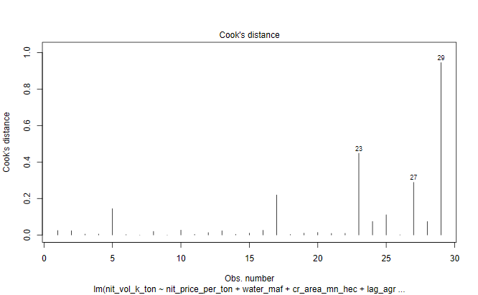
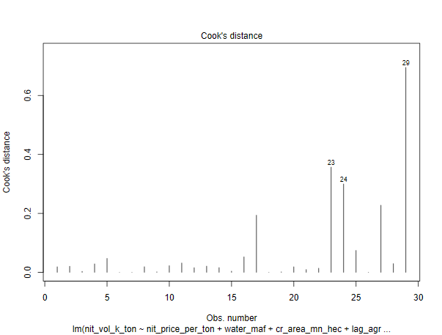
INDEPENDENT LINEAR REGRESSION VARIABLES - PARAMETERS |  |  |  |  |  |  | INDEPENDENT REGRESSION VARIABLES - PARAMETERS
6-VARIABLES |  |  |  |  |  |  | 8-VARIABLES
Table 2.1 |  |  |  |  |  |  |  |  |  |  |  |  |  |  |  |  | 2021-22 data points
 | N Price - X1 | Water - X2 | Cropped Acreage - X3 | Agric GDP - X4 | Agric Credit - X5 | Labour Prody - X6 |  | N Price - X1 | Water - X2 | Cropped Acreage - X3 | Agric GDP - X4 | Agric Credit - X5 | Labour Prody - X6 | Input to Output - X7 | N to P Price - X8 |  | N Price - X1 | Water - X2 | Cropped Acreage - X3 | Agric GDP - X4 | Agric Credit - X5 | Labour Prody - X6 | Input to Output - X7 | N to P Price - X8
 | PKR / MT | MAF | Mn Ha | Bn USD | Mn PKR | PKR / Ha |  | PKR / MT | MAF | Mn Ha | Bn USD | Mn PKR | PKR / Ha | Ratio | Ratio |  | PKR / MT | MAF | Mn Ha | Bn USD | Mn PKR | PKR / Ha | Ratio | Ratio
Linear Coeff | -0.014 | 16.25 | 103.37 | 75.40 | -0.000091 | 5.40 | Linear Coeff | -0.03 | 10.24 | 119.69 | 77.72 | 0.00006 | 10.04 | -1240.14 | -42.62 |  | 83,173.91 | 131.02 | 24.00 | 34.29 | 1,418,906 | 253.78 | 1.34 | 0.16
Impact on N volume - KT* | -11.26 | 21.29 | 24.81 | 25.85 | -1.29 | 13.69 | Impact on N volume - KT* | -22.77 | 13.42 | 28.73 | 26.65 | 0.83 | 25.48 | -16.62 | -0.07 | 1% change | 831.74 | 1.31 | 0.24 | 0.34 | 14189 | 2.54 | 0.01 | 0.002
Log Linear Elasticity Coeff | -0.22 | 0.13 | 0.41 | 0.28 | 0.03 | 0.19 | Log Linear Elasticity Coeff | -0.25 | -0.06 | 0.33 | 0.27 | 0.04 | 0.19 | -0.07 | -0.03
Standard Errors of Lin Coeff | 0.005 | 13.68 | 92.06 | 20.23 | 0.000357 | 2.71 | Standard Errors of Lin Coeff | 0.01 | 16.20 | 103.40 | 21.94 | 0.00045 | 5.65 | 1115.53 | 1183.38
T-stat | -2.76 | 1.19 | 1.12 | 3.73 | -0.26 | 1.99 | T-stat | -1.96 | 0.63 | 1.16 | 3.54 | 0.13 | 1.78 | -1.11 | -0.036
T-Prob | 0.01 | 0.25 | 0.27 | 0.001 | 0.80 | 0.06 | T-Prob | 0.06 | 0.53 | 0.26 | 0.002 | 0.90 | 0.1 | 0.28 | 0.97
Significant/Non Significant | Significant | Non Significant | Non Significant | Significant | Non Significant | Significant | Significant/Non Significant | Significant | Non Significant | Non Significant | Significant | Non Significant | Significant | Non Significant | Non Significant
Confidence Interval (%) | 99% |  |  | 99% |  | 90% | Confidence Interval (%) | 90% |  |  | 99% |  | 95%
F-Ratio | 135.93 | 8.24 | 15.60 | 29.43 | 3.68 | 3.96 | F-Ratio | 131.23 | 7.96 | 15.06 | 28.42 | 3.55 | 3.82 | 1.24 | 0.00
F-Prob | 0.00 | 0.01 | 0.00 | 0.00 | 0.07 | 0.06 | F-Prob | 0.00 | 0.01 | 0.00 | 0.00 | 0.07 | 0.06 | 0.28 | 0.97
Significant/Non Significant | Significant | Significant | Significant | Significant | Significant | Significant | Significant/Non Significant | Significant | Significant | Significant | Significant | Significant | Significant | Non Significant | Non Significant
Confidence Interval (%) | 99% | 99% | 99% | 99% | 90% | 90% | Confidence Interval (%) | 99% | 99% | 99% | 99% | 90% | 90%
VIF Ratio | 10.89 | 1.95 | 2.11 | 13.92 | 13.71 | 17.39 | VIF Ratio | 85.28 | 2.64 | 2.57 | 15.82 | 20.66 | 72.94 | 16.62 | 4.81
Median | 25260.9 | 133.8 | 23.0 | 16.6 | 211561.0 | 45.8 | Median | 25260.87 | 133.78 | 23.01 | 16.65 | 211561.00 | 45.75 | 0.97 | 0.38
Standard Deviation (SD) | 28627.4 | 4.3 | 0.7 | 7.9 | 441331.5 | 65.5 | Standard Deviation (SD) | 28627.37 | 4.35 | 0.67 | 7.85 | 441331.53 | 65.45 | 0.16 | 0.08

Sample Size | 29 Years |  |  | Conclusion |  |  | Sample Size | 29 Years |  |  | Conclusion
R2 of Function | 0.90 |  |  | Model explains 90% of variance in nit consumption |  |  | R2 of Function | 0.91 |  |  | Model explains 91% of variance in nit consumption
F ratio of Function | F=32.81, p=0.0000000006813 |  |  | At least one of the indp variables has a statistically significant effect on the Nit consumption |  |  | F ratio of Function | F=23.91, p=0.00000001262 |  |  | At least one of the indp variables has a statistically significant effect on the Nit consumption
Residual Median | -5.61 |  |  |  |  |  | Residual Median | -6.27
Residual Standard Dev | 199.69 |  |  |  |  |  | Residual Standard Dev | 193.78
DW Watson Test | Autocorrelation | Statistic | P-value |  |  |  | DW Watson Test | Autocorrelation | Statistic | P-value
 | -0.18 | 2.24 | 0.79 | Weak Negative AC |  |  |  | -0.23 | 2.32 | 0.87 | Weak Negative AC
White Test |  | 3.95 | 0.14 | Errors are homoscedastic |  |  | White Test |  | 3.79 | 0.15 | Errors are homoscedastic
Shapiro Test |  | 0.98 | 0.84 | Errors distributed normally |  |  | Shapiro Test |  | 0.99 | 0.96 | Errors distributed normally

INDEPENDENT REGRESSION LIN LOG VARIABLES - PARAMETERS |  |  |  |  |  |  | INDEPENDENT REGRESSION LIN LOG VARIABLES - PARAMETERS
6-VARIABLES |  |  |  |  |  |  | 8-VARIABLES

 | N Price - X1 | Water - X2 | Cropped Acreage - X3 | Agric GDP - X4 | Agric Credit - X5 | Labour Prody - X6 |  | N Price - X1 | Water - X2 | Cropped Acreage - X3 | Agric GDP - X4 | Agric Credit - X5 | Labour Prody - X6 | Input to Output - X7 | N to P Price - X8
 | PKR / MT | MAF | Mn Ha | Bn USD | Mn PKR | PKR / Ha |  | PKR / MT | MAF | Mn Ha | Bn USD | Mn PKR | PKR / Ha | Ratio | Ratio
Lin Log Elasticity Coeff | -618.80 | -858.10 | 586.20 | 732.30 | 114.20 | 496.70 | Lin Log Elasticity Coeff | -398.00 | -435.80 | -166.40 | 689.50 | 133.50 | 337.80 | 213.50 | -133.20
T-stat | -2.91 | -0.64 | 0.30 | 1.73 | 0.73 | 2.29 | T-stat | -1.05 | -0.22 | -0.07 | 1.54 | 0.69 | 1.19 | 0.41 | -0.52
T-Prob | 0.01 | 0.53 | 0.77 | 0.10 | 0.48 | 0.03 | T-Prob | 0.31 | 0.83 | 0.94 | 0.14 | 0.50 | 0.25 | 0.69 | 0.61
Significant/Non Significant | Significant | Non Significant | Non Significant | Significant | Non Significant | Significant | Significant/Non Significant | Non Significant | Non Significant | Non Significant | Non Significant | Non Significant | Non Significant | Non Significant | Non Significant
Confidence Interval (%) | 99% |  |  | 90% |  | 95% | Confidence Interval (%)
F-Ratio | 237.52 | 2.33 | 9.85 | 25.00 | 10.15 | 5.24 | F-Ratio | 224.92 | 2.21 | 9.33 | 23.67 | 9.61 | 4.96 | 0.56 | 0.27
F-Prob | 2.846E-13 | 0.14 | 0.0048 | 5.27E-05 | 0.0043 | 0.032 | F-Prob | 2.415E-12 | 0.15 | 0.01 | 9.38E-05 | 0.01 | 0.04 | 0.46 | 0.61
Significant/Non Significant | Significant | Non Significant | Significant | Significant | Significant | Significant | Significant/Non Significant | Significant | Non Significant | Significant | Significant | Significant | Significant | Non Significant | Non Significant
Confidence Interval (%) | 99% |  | 99% | 99% | 99% | 95% | Confidence Interval (%) | 99% |  | 99% | 99% | 99% | 95%

R2 of Function | 0.93 |  |  |  |  |  | R2 of Function

INDEPENDENT REGRESSION LOG LOG VARIABLES - PARAMETERS |  |  |  |  |  |  | INDEPENDENT REGRESSION LOG LOG VARIABLES - PARAMETERS
6-VARIABLES |  |  |  |  |  |  | 8-VARIABLES

 | N Price - X1 | Water - X2 | Cropped Acreage - X3 | Agric GDP - X4 | Agric Credit - X5 | Labour Prody - X6 |  | N Price - X1 | Water - X2 | Cropped Acreage - X3 | Agric GDP - X4 | Agric Credit - X5 | Labour Prody - X6 | Input to Output - X7 | N to P Price - X8
 | PKR / MT | MAF | Mn Ha | Bn USD | Mn PKR | PKR / Ha |  | PKR / MT | MAF | Mn Ha | Bn USD | Mn PKR | PKR / Ha | Ratio | Ratio
Log Linear Elasticity Coeff | -0.22 | 0.13 | 0.41 | 0.28 | 0.03 | 0.19 | Log Linear Elasticity Coeff | -0.25 | -0.06 | 0.33 | 0.27 | 0.04 | 0.19 | -0.07 | -0.03
T-stat | -2.93 | 0.27 | 0.58 | 1.86 | 0.52 | 2.47 | T-stat | -1.82 | -0.09 | 0.41 | 1.64 | 0.63 | 1.88 | -0.36 | -0.34
T-Prob | 0.01 | 0.79 | 0.57 | 0.08 | 0.61 | 0.02 | T-Prob | 0.08 | 0.93 | 0.68 | 0.12 | 0.53 | 0.07 | 0.72 | 0.74
Significant/Non Significant | Significant | Non Significant | Non Significant | Significant | Non Significant | Significant | Significant/Non Significant | Significant | Non Significant | Non Significant | Non Significant | Non Significant | Significant | Non Significant | Non Significant
Confidence Interval (%) | 99% |  |  | 90% |  | 95% | Confidence Interval (%) | 90% |  |  |  |  | 90%
F-Ratio | 270.23 | 7.87 | 11.51 | 26.26 | 9.39 | 6.09 | F-Ratio | 247.72 | 7.21 | 10.55 | 24.07 | 8.61 | 5.58 | 0.05 | 0.12
F-Prob | 7.67E-14 | 1.03E-02 | 2.62E-03 | 3.90E-05 | 5.68E-03 | 2.19E-02 | F-Prob | 0.00 | 0.01 | 0.0040 | 8.52E-05 | 0.01 | 0.03 | 0.82 | 0.74
Significant/Non Significant | Significant | Significant | Significant | Significant | Significant | Significant | Significant/Non Significant | Significant | Significant | Significant | Significant | Significant | Significant | Non Significant | Non Significant
Confidence Interval (%) | 99% | 99% | 99% | 99% | 99% | 99% | Confidence Interval (%) | 99% | 99% | 99% | 99% | 99% | 95%

R2 of Function | 0.94 |  |  |  |  |  | R2 of Function | 0.94

INDEPENDENT LINEAR REGRESSION MODEL DIAGONISTICS

Plot 2.1: Actual Vs Fitted Values |  |  |  |  |  |  | Plot 2.1: Actual Vs Fitted Values

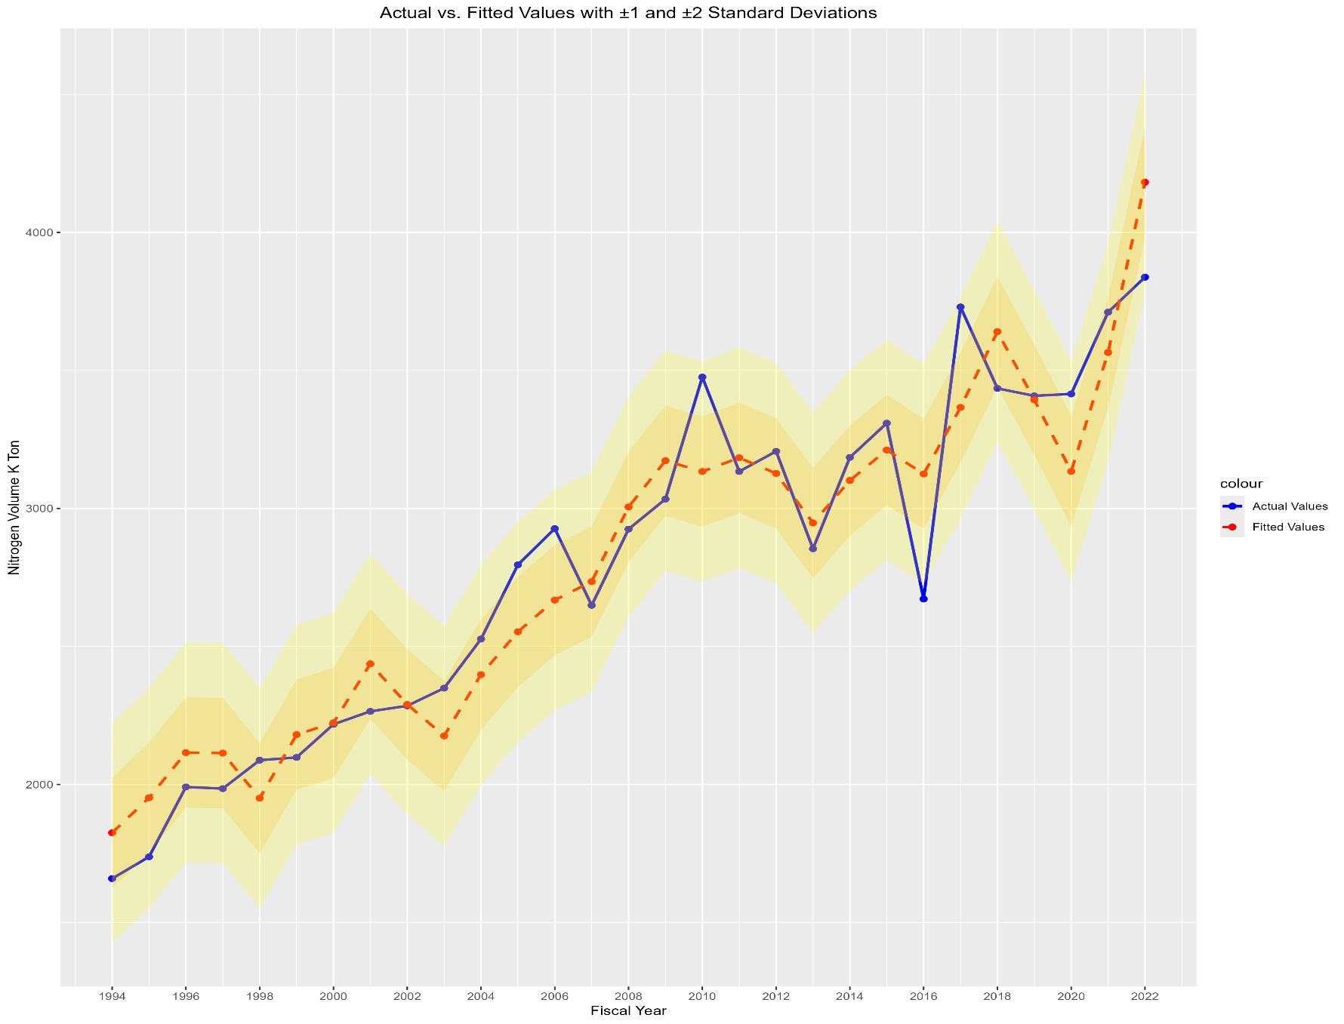
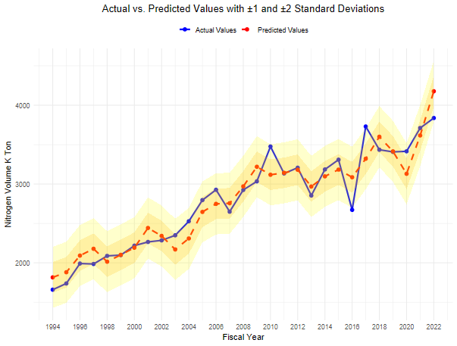

Plot 2.2: Residual QQ Plot |  |  |  |  |  |  | Plot 2.2: Residual QQ Plot
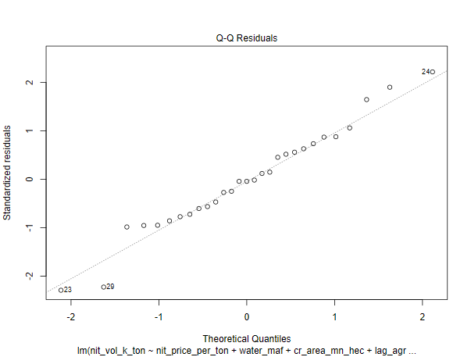
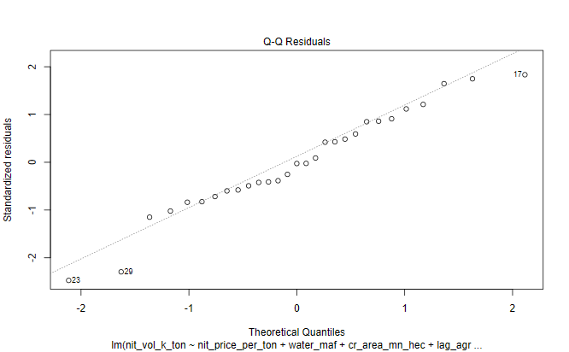

Plot 2.3: Histogram of Residuals |  |  |  |  |  |  | Plot 2.3: Histogram of Residuals

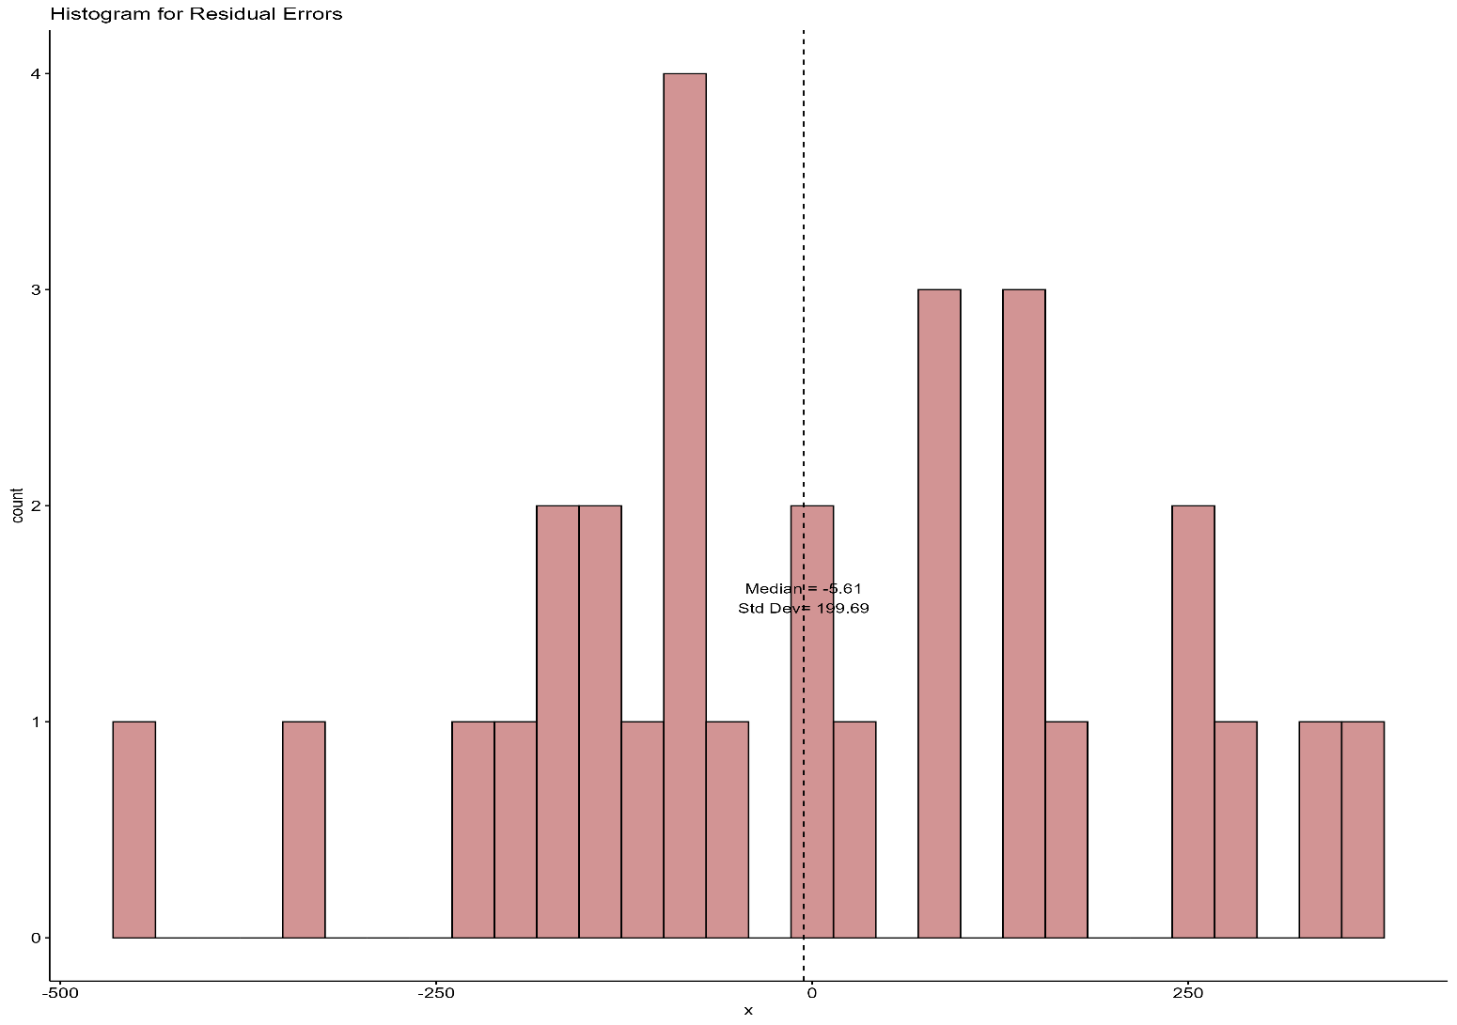
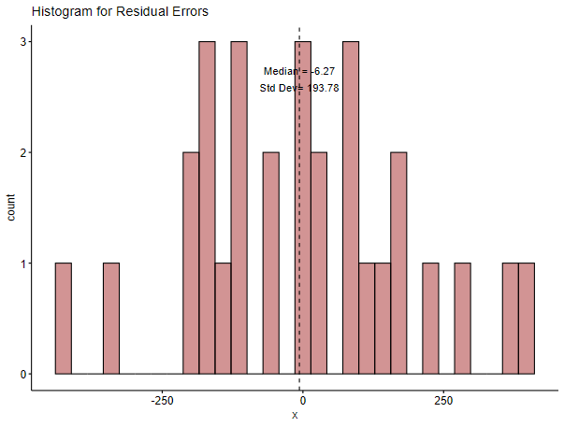

Plot 2.4: ACF Plot of Residuals |  |  |  |  |  |  | Plot 2.4: ACF Plot of Residuals
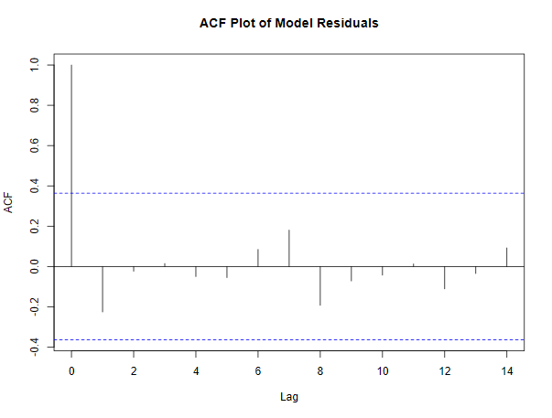
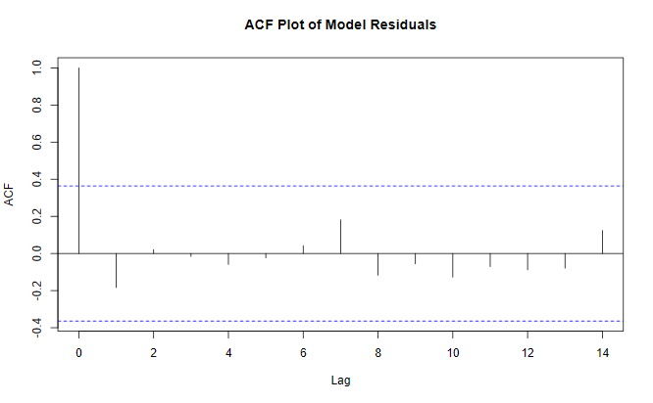

Plot 2.5: Residuals Vs Fitted Values |  |  |  |  |  |  | Plot 2.5: Residuals Vs Fitted Values

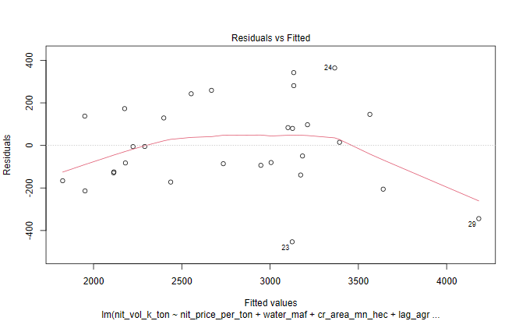
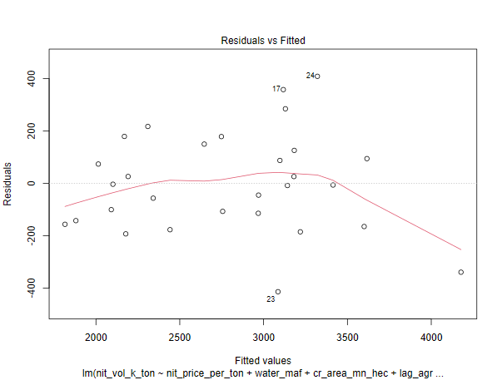

Plot 2.6: Cook's Distance Plot |  |  |  |  |  |  | Plot 2.6: Cook's Distance Plot

third-run-best-fit-6-vars
6-VARIABLES
Scatter of Historical Values Vs Line of Best Fit From Regression
Predicted NVol Trend Line
Index | Year | Historical Nvol | Predicted NVol | Trendline NVol | Residuals | Trend + 2std | Trend - 2std
1 | 1994 | 1659 | 1841.5 | 1849.4 | -182.5 | 2246.3 | 1452.5
2 | 1995 | 1738 | 1967.9 | 1916.6 | -229.9 | 2313.5 | 1519.7
3 | 1996 | 1991 | 2099.1 | 1983.7 | -108.1 | 2380.6 | 1586.8
4 | 1997 | 1985 | 2097.6 | 2050.9 | -112.6 | 2447.8 | 1654.0
5 | 1998 | 2088 | 1890.0 | 2118.1 | 198.0 | 2515.0 | 1721.2
6 | 1999 | 2098 | 2193.4 | 2185.3 | -95.4 | 2582.2 | 1788.4
7 | 2000 | 2218 | 2206.3 | 2252.5 | 11.7 | 2649.4 | 1855.6
8 | 2001 | 2265 | 2434.2 | 2319.6 | -169.2 | 2716.6 | 1922.7
9 | 2002 | 2285 | 2307.2 | 2386.8 | -22.2 | 2783.7 | 1989.9
10 | 2003 | 2349 | 2213.2 | 2454.0 | 135.8 | 2850.9 | 2057.1
11 | 2004 | 2527 | 2391.5 | 2521.2 | 135.5 | 2918.1 | 2124.3
12 | 2005 | 2796 | 2565.5 | 2588.4 | 230.5 | 2985.3 | 2191.5
13 | 2006 | 2927 | 2696.1 | 2655.6 | 230.9 | 3052.5 | 2258.7
14 | 2007 | 2649 | 2753.3 | 2722.7 | -104.3 | 3119.6 | 2325.8
15 | 2008 | 2925 | 3029.8 | 2789.9 | -104.8 | 3186.8 | 2393.0
16 | 2009 | 3034 | 3164.7 | 2857.1 | -130.7 | 3254.0 | 2460.2
17 | 2010 | 3476 | 3066.5 | 2924.3 | 409.5 | 3321.2 | 2527.4
18 | 2011 | 3134 | 3141.4 | 2991.5 | -7.4 | 3388.4 | 2594.6
19 | 2012 | 3207 | 3087.1 | 3058.6 | 119.9 | 3455.5 | 2661.7
20 | 2013 | 2854 | 2937.6 | 3125.8 | -83.6 | 3522.7 | 2728.9
21 | 2014 | 3185 | 3065.8 | 3193.0 | 119.2 | 3589.9 | 2796.1 |  | Residuals | Predicted N Vols | Historical N Vols
22 | 2015 | 3309 | 3212.4 | 3260.2 | 96.6 | 3657.1 | 2863.3 | Median | -22.2 | 2937.6 | 2854.0
23 | 2016 | 2672 | 3104.0 | 3327.4 | -432.0 | 3724.3 | 2930.5 | Standard Dev | 198.45 | 597.74 | 629.8
24 | 2017 | 3730 | 3375.9 | 3394.5 | 354.1 | 3791.4 | 2997.6 | CAGR | 1.60% | 2.92% | 3.04%
25 | 2018 | 3435 | 3685.0 | 3461.7 | -250.0 | 3858.6 | 3064.8
26 | 2019 | 3408 | 3465.8 | 3528.9 | -57.8 | 3925.8 | 3132.0
27 | 2020 | 3415 | 3195.3 | 3596.1 | 219.7 | 3993.0 | 3199.2
28 | 2021 | 3711 | 3597.4 | 3663.3 | 113.6 | 4060.2 | 3266.4
29 | 2022 | 3838 | 4122.3 | 3730.4 | -284.3 | 4127.4 | 3333.5

 | Equation
 | Trendline Nitrogen Volume=1782.2 + 67.181×(Year Index)

third-run-best-fit-8-vars
8-VARIABLES
Scatter of Historical Values Vs Line of Best Fit From Regression
Predicted NVol Trend Line
Index | Year | Historical Nvol | Predicted NVol | Trendline NVol | Residuals | Trend + 2std | Trend - 2std
1 | 1994 | 1659 | 1826.8 | 1847.4 | -167.8 | 2223.9 | 1470.9
2 | 1995 | 1738 | 1908.5 | 1914.7 | -170.5 | 2291.2 | 1538.2
3 | 1996 | 1991 | 2067.3 | 1982.1 | -76.3 | 2358.6 | 1605.6
4 | 1997 | 1985 | 2128.7 | 2049.4 | -143.7 | 2425.9 | 1672.9
5 | 1998 | 2088 | 1991.5 | 2116.7 | 96.5 | 2493.2 | 1740.2
6 | 1999 | 2098 | 2103.3 | 2184.0 | -5.3 | 2560.5 | 1807.5
7 | 2000 | 2218 | 2151.6 | 2251.3 | 66.4 | 2627.8 | 1874.9
8 | 2001 | 2265 | 2402.7 | 2318.7 | -137.7 | 2695.2 | 1942.2
9 | 2002 | 2285 | 2350.7 | 2386.0 | -65.7 | 2762.5 | 2009.5
10 | 2003 | 2349 | 2211.6 | 2453.3 | 137.4 | 2829.8 | 2076.8
11 | 2004 | 2527 | 2288.4 | 2520.6 | 238.6 | 2897.1 | 2144.1
12 | 2005 | 2796 | 2690.3 | 2588.0 | 105.7 | 2964.4 | 2211.5
13 | 2006 | 2927 | 2804.0 | 2655.3 | 123.0 | 3031.8 | 2278.8
14 | 2007 | 2649 | 2759.0 | 2722.6 | -110.0 | 3099.1 | 2346.1
15 | 2008 | 2925 | 3014.8 | 2789.9 | -89.8 | 3166.4 | 2413.4
16 | 2009 | 3034 | 3229.0 | 2857.2 | -195.0 | 3233.7 | 2480.7
17 | 2010 | 3476 | 3065.1 | 2924.6 | 410.9 | 3301.0 | 2548.1
18 | 2011 | 3134 | 3125.7 | 2991.9 | 8.3 | 3368.4 | 2615.4
19 | 2012 | 3207 | 3176.8 | 3059.2 | 30.2 | 3435.7 | 2682.7
20 | 2013 | 2854 | 2989.7 | 3126.5 | -135.7 | 3503.0 | 2750.0
21 | 2014 | 3185 | 3049.9 | 3193.8 | 135.1 | 3570.3 | 2817.3 |  | Residuals | Predicted N Vols | Historical N Vols
22 | 2015 | 3309 | 3154.8 | 3261.2 | 154.2 | 3637.7 | 2884.7 | Median | -5.3 | 2989.7 | 2854.0
23 | 2016 | 2672 | 3033.4 | 3328.5 | -361.4 | 3705.0 | 2952.0 | Standard Dev | 188.25 | 601.03 | 629.8
24 | 2017 | 3730 | 3301.5 | 3395.8 | 428.5 | 3772.3 | 3019.3 | CAGR | 1.72% | 2.94% | 3.04%
25 | 2018 | 3435 | 3605.4 | 3463.1 | -170.4 | 3839.6 | 3086.6
26 | 2019 | 3408 | 3517.8 | 3530.4 | -109.8 | 3906.9 | 3154.0
27 | 2020 | 3415 | 3191.4 | 3597.8 | 223.6 | 3974.3 | 3221.3
28 | 2021 | 3711 | 3660.0 | 3665.1 | 51.0 | 4041.6 | 3288.6
29 | 2022 | 3838 | 4108.2 | 3732.4 | -270.2 | 4108.9 | 3355.9

 | Equation
 | Trendline Nitrogen Volume=1780.1 + 67.321×(Year Index)

third-run-estimates
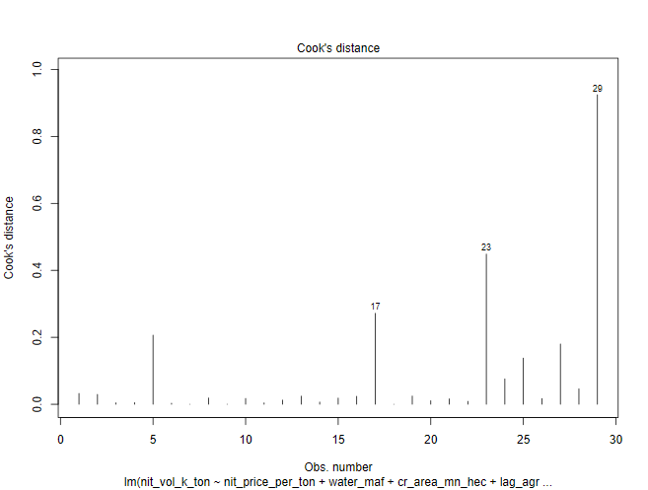
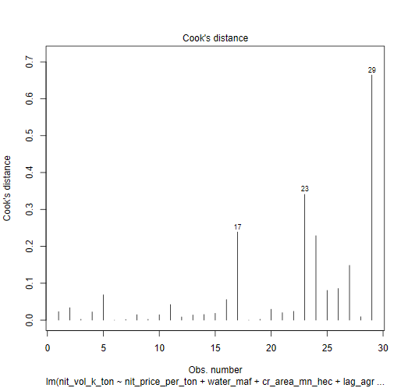
INDEPENDENT LINEAR REGRESSION VARIABLES - PARAMETERS |  |  |  |  |  |  | INDEPENDENT REGRESSION VARIABLES - PARAMETERS
6-VARIABLES |  |  |  |  |  |  | 8-VARIABLES
Table 3.1 |  |  |  |  |  |  |  |  |  |  |  |  |  |  |  |  | 2021-22 data points
 | N Price - X1 | Water - X2 | Cropped Acreage - X3 | Agric GDP - X4 | Agric Credit Ratio - X5 | Labour Prody - X6 |  | N Price - X1 | Water - X2 | Cropped Acreage - X3 | Agric GDP - X4 | Agric Credit Ratio - X5 | Labour Prody - X6 | Input to Output - X7 | N to P Price - X8 |  | N Price - X1 | Water - X2 | Cropped Acreage - X3 | Agric GDP - X4 | Agric Credit Ratio - X5 | Labour Prody - X6 | Input to Output - X7 | N to P Price - X8
 | PKR / MT | MAF | Mn Ha | Bn USD | Ratio-Number | PKR / Ha |  | PKR / MT | MAF | Mn Ha | Bn USD | Ratio-Number | PKR / Ha | Ratio | Ratio |  | PKR / MT | MAF | Mn Ha | Bn USD | Ratio-Number | PKR / Ha | Ratio | Ratio
Linear Coeff | -0.013 | 21.60 | 66.68 | 68.46 | 605.78 | 4.91 | Linear Coeff | -0.03 | 9.63 | 66.61 | 63.50 | 1340.71 | 11.15 | -1543.81 | -526.48 |  | 83,173.91 | 131.02 | 24.00 | 34.29 | 0.245 | 253.78 | 1.34 | 0.16
Impact on N volume - KT* | -10.70 | 28.30 | 16.00 | 23.47 | 1.48 | 12.45 | Impact on N volume - KT* | -23.71 | 12.61 | 15.99 | 21.77 | 3.28 | 28.29 | -20.69 | -0.84 | 1% change | 831.74 | 1.31 | 0.24 | 0.34 | 0.0025 | 2.54 | 0.01 | 0.002
Log Linear Elasticity Coeff | -0.22 | 0.12 | 0.44 | 0.28 | 0.03 | 0.22 | Log Linear Elasticity Coeff | -0.24 | -0.04 | 0.40 | 0.27 | 0.04 | 0.23 | -0.05 | -0.03
Standard Error of Lin Coeff | 0.005 | 12.39 | 95.12 | 22.40 | 1035.91 | 1.76 | Standard Error of Lin Coeff | 0.01 | 15.63 | 104.18 | 24.68 | 1218.33 | 5.28 | 1072.42 | 1116.32
T-stat | -2.67 | 1.74 | 0.70 | 3.06 | 0.59 | 2.79 | T-stat | -2.10 | 0.62 | 0.64 | 2.57 | 1.10 | 2.11 | -1.44 | -0.47
T-Prob | 0.01 | 0.10 | 0.49 | 0.006 | 0.56 | 0.01 | T-Prob | 0.05 | 0.55 | 0.53 | 0.02 | 0.28 | 0.05 | 0.17 | 0.64
Significant/Non Significant | Significant | Significant | Non Significant | Significant | Non Significant | Significant | Significant/Non Significant | Significant | Non Significant | Non Significant | Significant | Non Significant | Significant | Non Significant | Non Significant
Confidence Interval (%) | 99% | 90% |  | 99% |  | 99% | Confidence Interval (%) | 95% |  |  | 95% |  | 95%
F-Ratio | 137.63 | 8.35 | 15.80 | 29.80 | 0.24 | 7.77 | F-Ratio | 139.05 | 8.43 | 15.96 | 30.11 | 0.24 | 7.85 | 2.00 | 0.22
F-Prob | 0.00 | 0.01 | 0.00 | 0.00 | 0.63 | 0.01 | F-Prob | 0.00 | 0.01 | 0.00 | 0.00 | 0.63 | 0.01 | 0.17 | 0.64
Significant/Non Significant | Significant | Significant | Significant | Significant | Non Significant | Significant | Significant/Non Significant | Significant | Significant | Significant | Significant | Non Significant | Significant | Non Significant | Non Significant
Confidence Interval (%) | 99% | 99% | 99% | 99% |  | 99% | Confidence Interval (%) | 99% | 99% | 99% | 99% |  | 99%
VIF | 10.60 | 1.62 | 2.28 | 17.30 | 4.69 | 7.42 | VIF | 85.55 | 2.61 | 2.76 | 21.20 | 6.55 | 67.48 | 16.27 | 4.54
Median | 25260.9 | 133.8 | 23.0 | 16.6 | 0.15 | 45.8 | Median | 25260.87 | 133.78 | 23.01 | 16.65 | 16.6 | 45.75 | 0.97 | 0.38
Standard Deviation (SD) | 28627.4 | 4.3 | 0.7 | 7.9 | 0.09 | 65.5 | Standard Deviation (SD) | 28627.37 | 4.35 | 0.67 | 7.85 | 7.9 | 65.45 | 0.16 | 0.08

Note * | 1% change in 2021-2022 datapoint for all variables in their respective units |  |  |  |  |  | Note * | 1% change in 2021-2022 datapoint for all variables in their respective units

Sample Size | 29 Years |  |  | Conclusion |  |  | Sample Size | 29 Years |  |  | Conclusion
R2 of Function | 0.90 |  |  | Model explains 90% of variance in Nit KT consumption |  |  | R2 of Function | 0.91 |  |  | Model explains 91% of variance in Nit KT consumption
F ratio of Function | F=33.26, p=0.0000000005955 |  |  | At least one of the indp variables has a statistically significant effect on the Nit consumption |  |  | F ratio of Function | F=25.48 , p=0.000000007183 |  |  | At least one of the indp variables has a statistically significant effect on the Nit consumption
Residual Median | -22.15 |  |  |  |  |  | Residual Median | -5.32
Residual Standard Dev | 198.45 |  |  |  |  |  | Residual Standard Dev | 188.25
DW Watson Test | Autocorrelation | Statistic | P-value |  |  |  | DW Watson Test | Autocorrelation | Statistic | P-value
 | -0.20 | 2.29 | 0.92 | Weak Negative AC |  |  |  | -0.26 | 2.41 | 0.92 | Weak Negative AC
White Test |  | 2.22 | 0.33 | Errors are homoscedastic |  |  | White Test |  | 2.41 | 0.30 | Errors are homoscedastic
Shapiro Test |  | 0.98 | 0.85 | Errors distributed normally |  |  | Shapiro Test |  | 0.97 | 0.44 | Errors distributed normally

INDEPENDENT REGRESSION LIN LOG VARIABLES - PARAMETERS |  |  |  |  |  |  | INDEPENDENT REGRESSION LIN LOG VARIABLES - PARAMETERS
6-VARIABLES |  |  |  |  |  |  | 8-VARIABLES

 | N Price - X1 | Water - X2 | Cropped Acreage - X3 | Agric GDP - X4 | Agric Credit - X5 | Labour Prody - X6 |  | N Price - X1 | Water - X2 | Cropped Acreage - X3 | Agric GDP - X4 | Agric Credit - X5 | Labour Prody - X6 | Input to Output - X7 | N to P Price - X8
 | PKR / MT | MAF | Mn Ha | Bn USD | Mn PKR | PKR / Ha |  | PKR / MT | MAF | Mn Ha | Bn USD | Mn PKR | PKR / Ha | Ratio | Ratio
Lin Log Elasticity Coeff | -621.90 | -917.80 | 725.80 | 725.80 | 115.50 | 598.30 | Lin Log Elasticity Coeff | -380.94 | -390.61 | -54.61 | 680.46 | 137.01 | 444.08 | 248.90 | -126.56
T-stat | -2.93 | -0.70 | 0.39 | 1.70 | 0.72 | 3.80 | T-stat | -1.02 | -0.20 | 0.03 | 1.52 | 0.73 | 1.79 | 0.50 | -0.51
T-Prob | 0.01 | 0.49 | 0.70 | 0.10 | 0.48 | 0.0010 | T-Prob | 0.32 | 0.84 | 0.98 | 0.15 | 0.47 | 0.09 | 0.62 | 0.62
Significant/Non Significant | Significant | Non Significant | Non Significant | Significant | Non Significant | Significant | Significant/Non Significant | Non Significant | Non Significant | Non Significant | Non Significant | Non Significant | Significant | Non Significant | Non Significant
Confidence Interval (%) | 99% |  |  | 90% |  | 99% | Confidence Interval (%) |  |  |  |  |  | 10%
F-Ratio | 237.43 | 2.33 | 9.85 | 24.99 | 0.92 | 14.46 | F-Ratio | 225.54 | 2.21 | 9.33 | 23.74 | 0.87 | 13.73 | 0.64 | 0.26
F-Prob | 2.856E-13 | 0.14 | 0.0048 | 5.29E-05 | 0.3483 | 0.001 | F-Prob | 2.354E-12 | 0.15 | 0.01 | 9.23E-05 | 0.36 | 0.00 | 0.43 | 0.62
Significant/Non Significant | Significant | Non Significant | Significant | Significant | Non Significant | Significant | Significant/Non Significant | Significant | Non Significant | Significant | Significant | Non Significant | Significant | Non Significant | Non Significant
Confidence Interval (%) | 99% |  | 99% | 99% |  | 99% | Confidence Interval (%) | 99% |  | 99% | 99% |  | 99%

R2 of Function | 0.93 |  |  |  |  |  | R2 of Function | 0.93

INDEPENDENT REGRESSION LOG LOG VARIABLES - PARAMETERS |  |  |  |  |  |  | INDEPENDENT REGRESSION LOG LOG VARIABLES - PARAMETERS
6-VARIABLES |  |  |  |  |  |  | 8-VARIABLES

 | N Price - X1 | Water - X2 | Cropped Acreage - X3 | Agric GDP - X4 | Agric Credit - X5 | Labour Prody - X6 |  | N Price - X1 | Water - X2 | Cropped Acreage - X3 | Agric GDP - X4 | Agric Credit - X5 | Labour Prody - X6 | Input to Output - X7 | N to P Price - X8
 | PKR / MT | MAF | Mn Ha | Bn USD | Mn PKR | PKR / Ha |  | PKR / MT | MAF | Mn Ha | Bn USD | Mn PKR | PKR / Ha | Ratio | Ratio
Log Log Elasticity Coeff | -0.22 | 0.12 | 0.44 | 0.28 | 0.03 | 0.22 | Lin Log Elasticity Coeff | -0.24 | -0.04 | 0.40 | 0.27 | 0.04 | 0.23 | -0.05 | -0.03
T-stat | -2.94 | 0.25 | 0.66 | 1.84 | 0.51 | 3.86 | T-stat | -1.79 | -0.06 | 0.52 | 1.64 | 0.59 | 2.53 | -0.29 | -0.29
T-Prob | 0.01 | 0.81 | 0.52 | 0.08 | 0.61 | 0.00 | T-Prob | 0.09 | 0.95 | 0.61 | 0.12 | 0.56 | 0.02 | 0.78 | 0.77
Significant/Non Significant | Significant | Non Significant | Non Significant | Significant | Non Significant | Significant | Significant/Non Significant | Significant | Non Significant | Non Significant | Non Significant | Non Significant | Significant | Non Significant | Non Significant
Confidence Interval (%) | 99% |  |  | 90% |  | 99% | Confidence Interval (%) | 90% |  |  |  |  | 95%
F-Ratio | 270.22 | 7.87 | 11.51 | 26.26 | 0.57 | 14.90 | F-Ratio | 247.09 | 7.20 | 10.52 | 24.01 | 0.52 | 13.63 | 0.03 | 0.09
F-Prob | 7.677E-14 | 0.01 | 0.0026 | 3.90E-05 | 0.4578 | 0.001 | F-Prob | 1.011E-12 | 0.01 | 0.00 | 8.65E-05 | 0.48 | 0.00 | 0.86 | 0.77
Significant/Non Significant | Significant | Significant | Significant | Significant | Non Significant | Significant | Significant/Non Significant | Significant | Significant | Significant | Significant | Non Significant | Significant | Non Significant | Non Significant
Confidence Interval (%) | 99% | 99% | 99% | 99% |  | 99% | Confidence Interval (%) | 99% | 99% | 99% | 99% |  | 99%

R2 of Function | 0.94 |  |  |  |  |  | R2 of Function | 0.94

INDEPENDENT LINEAR REGRESSION MODEL DIAGONISTICS |  |  |  |  |  |  | INDEPENDENT LINEAR REGRESSION MODEL DIAGONISTICS

Plot 2.1: Actual Vs Fitted Values |  |  |  |  |  |  | Plot 2.1: Actual Vs Fitted Values

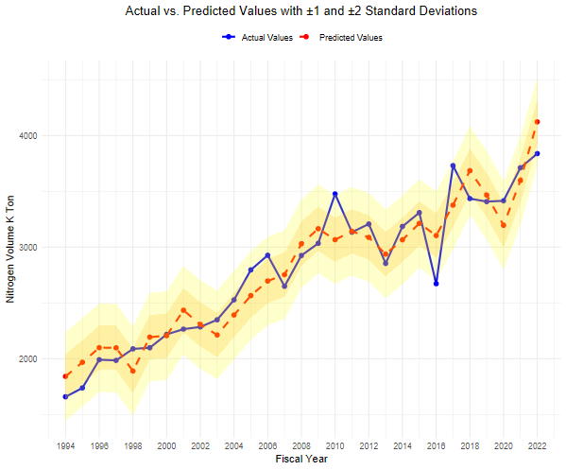
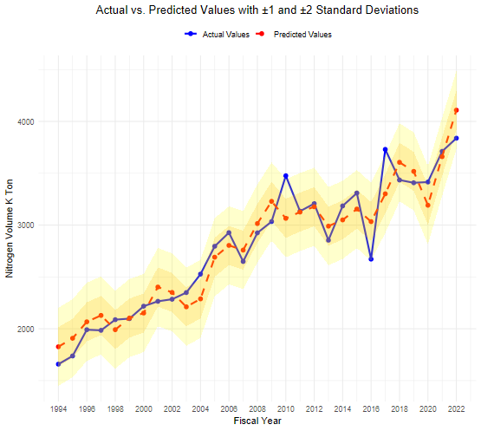

Plot 2.2: Residual QQ Plot |  |  |  |  |  |  | Plot 2.2: Residual QQ Plot
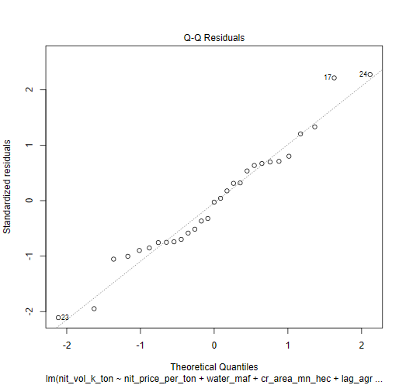
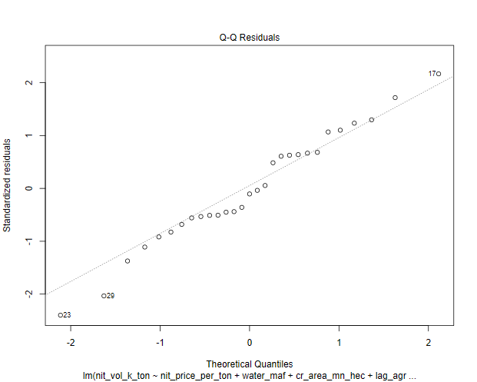

Plot 2.3: Histogram of Residuals |  |  |  |  |  |  | Plot 2.3: Histogram of Residuals

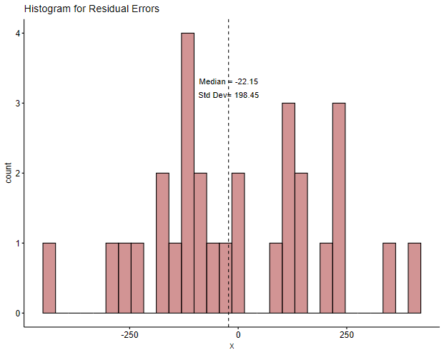
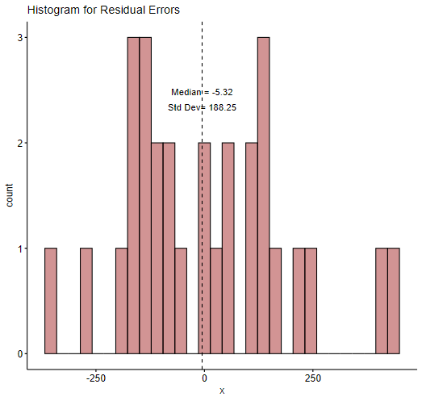

Plot 2.4: ACF Plot of Residuals |  |  |  |  |  |  | Plot 2.4: ACF Plot of Residuals
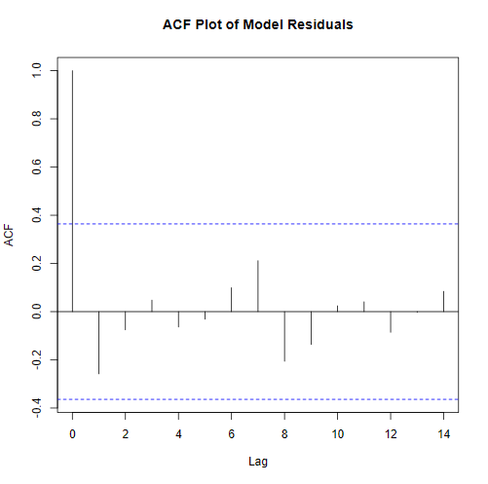
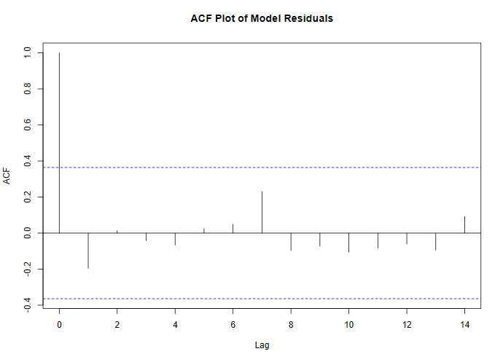

Plot 2.5: Residuals Vs Fitted Values |  |  |  |  |  |  | Plot 2.5: Residuals Vs Fitted Values
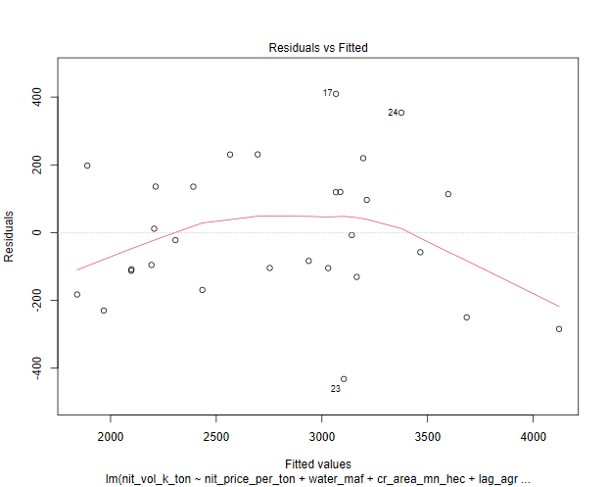
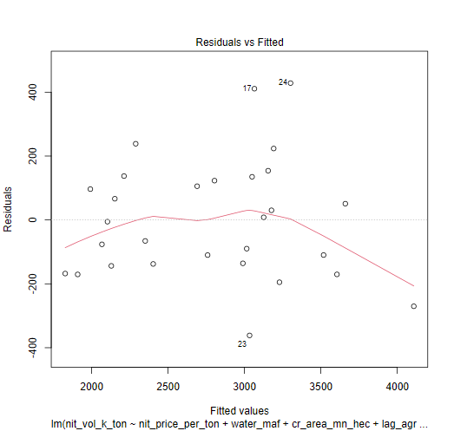

Plot 2.6: Cook's Distance Plot |  |  |  |  |  |  | Plot 2.6: Cook's Distance Plot

