Get Start

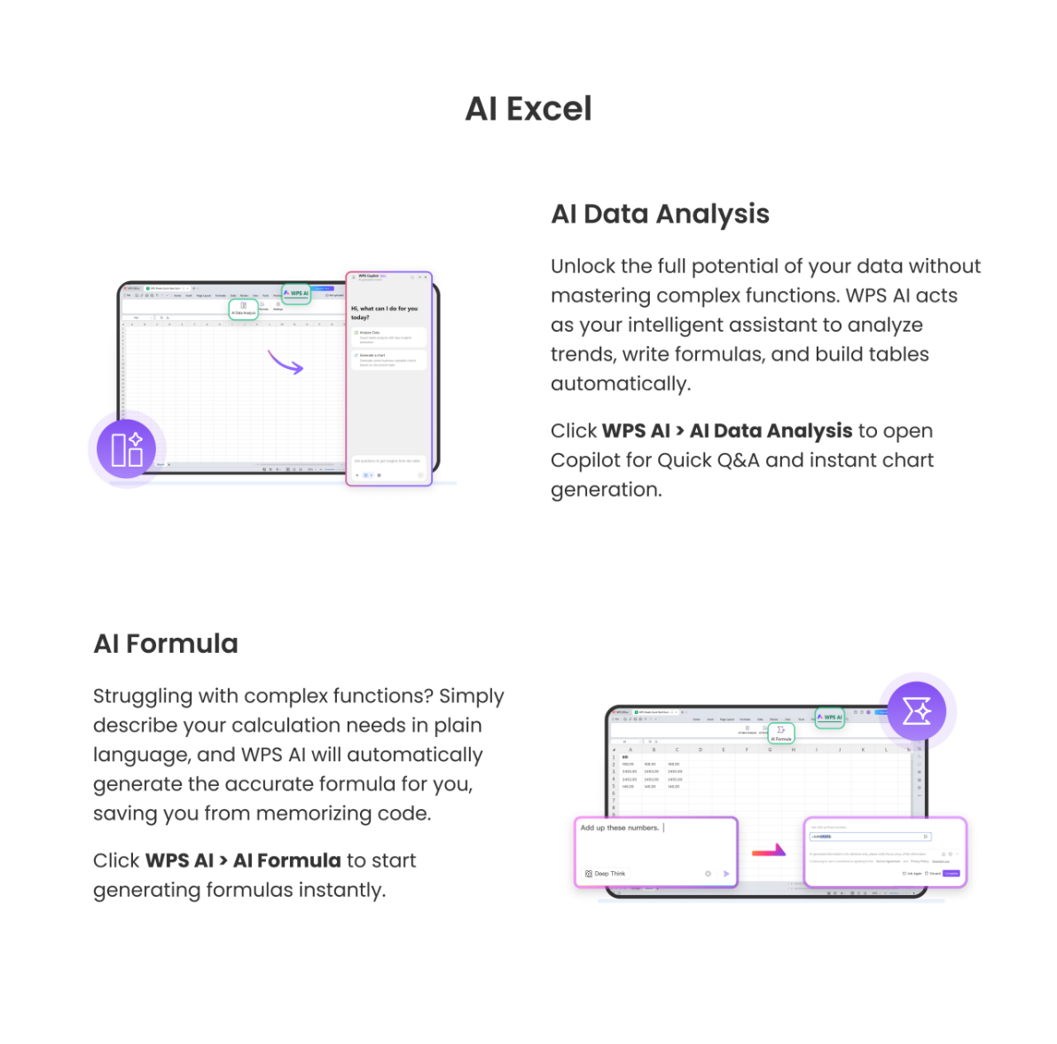
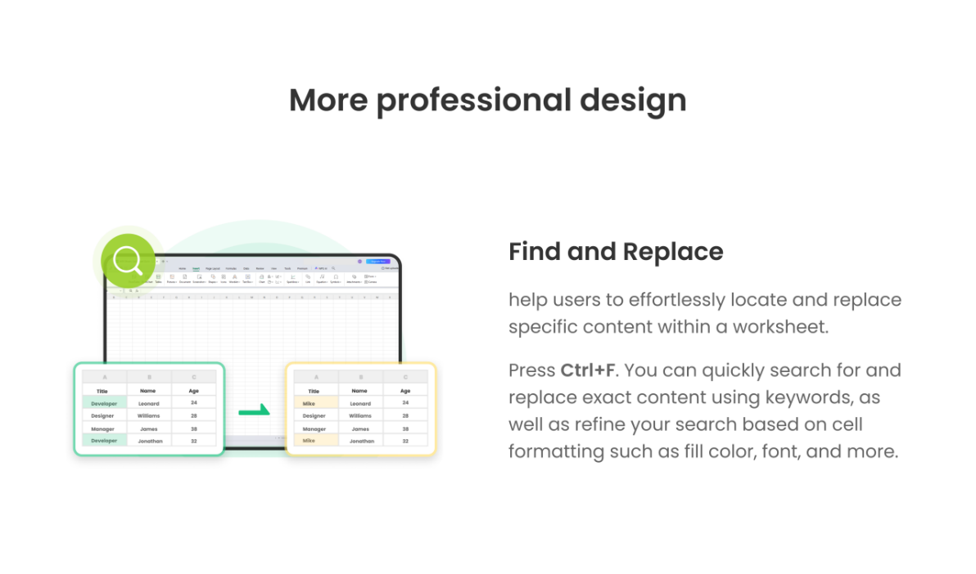

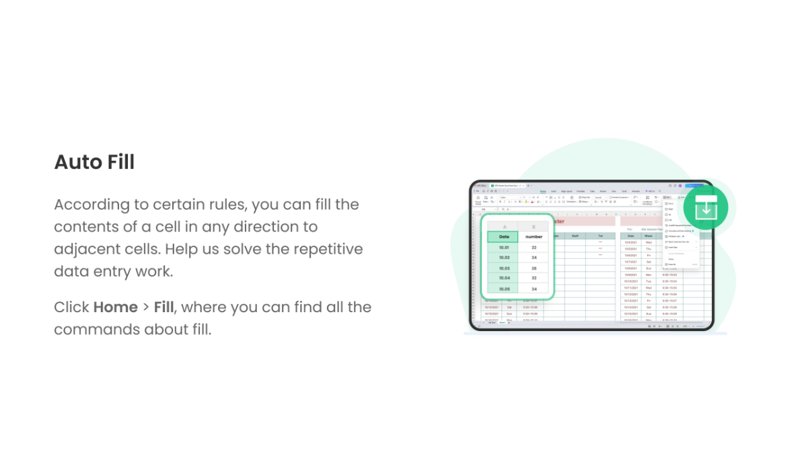

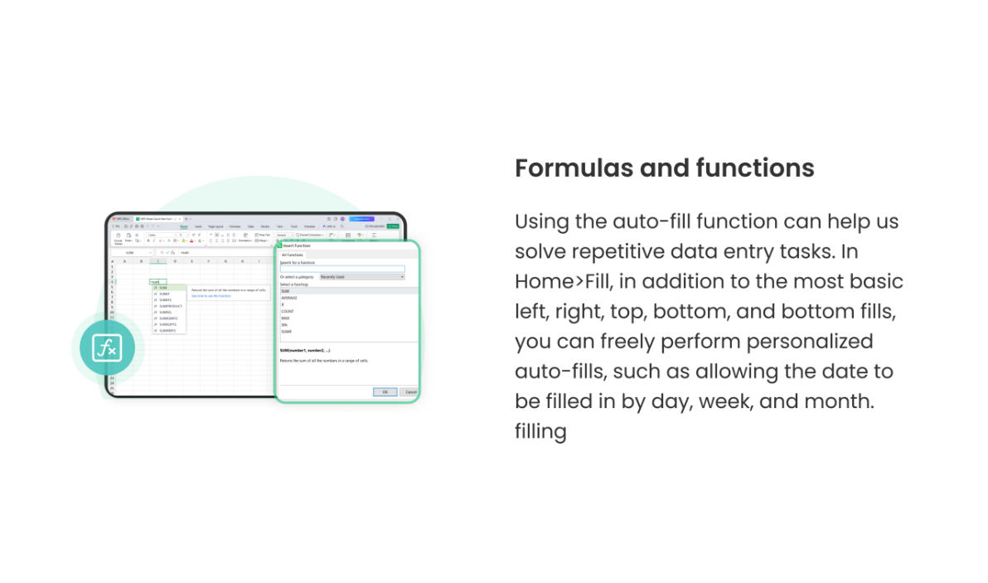
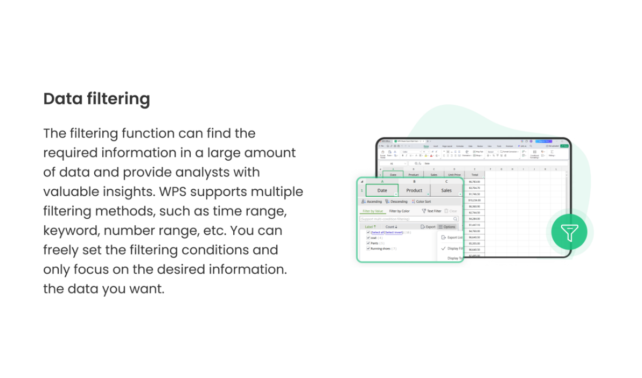
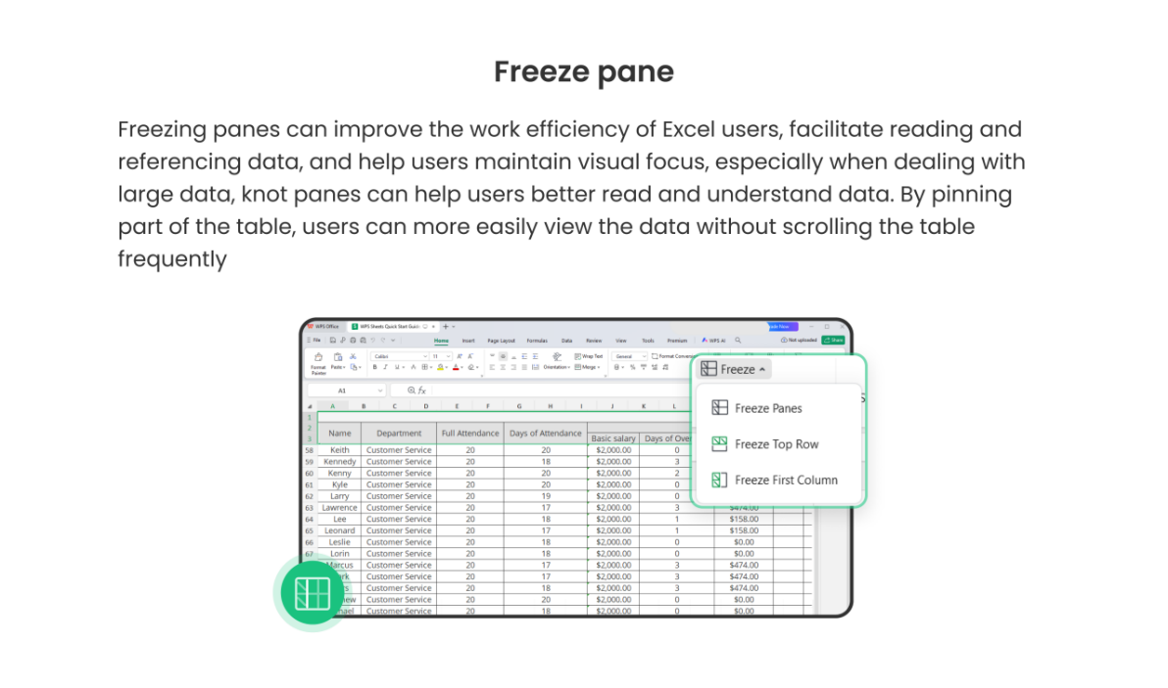

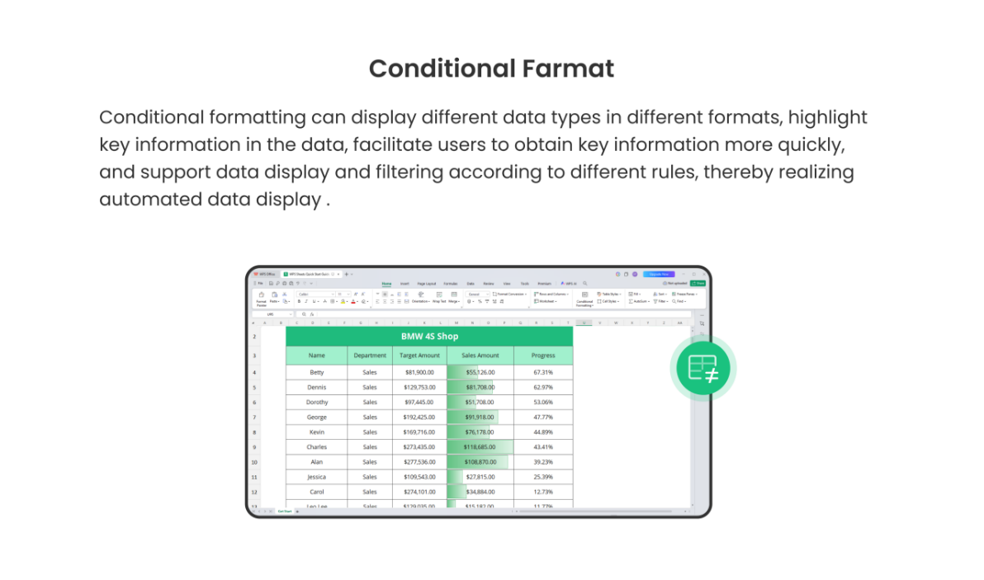
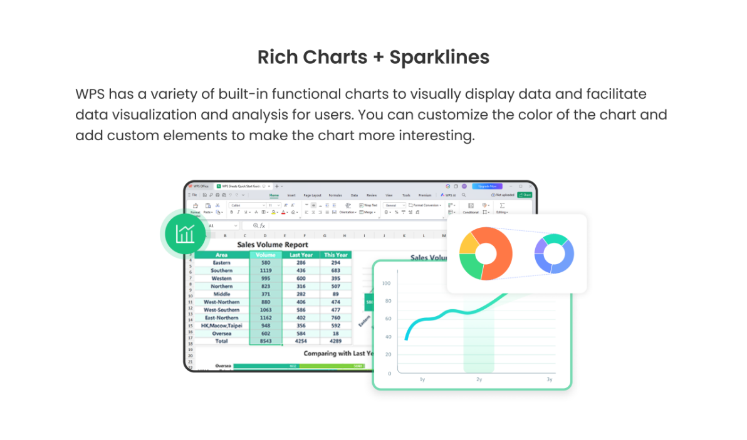
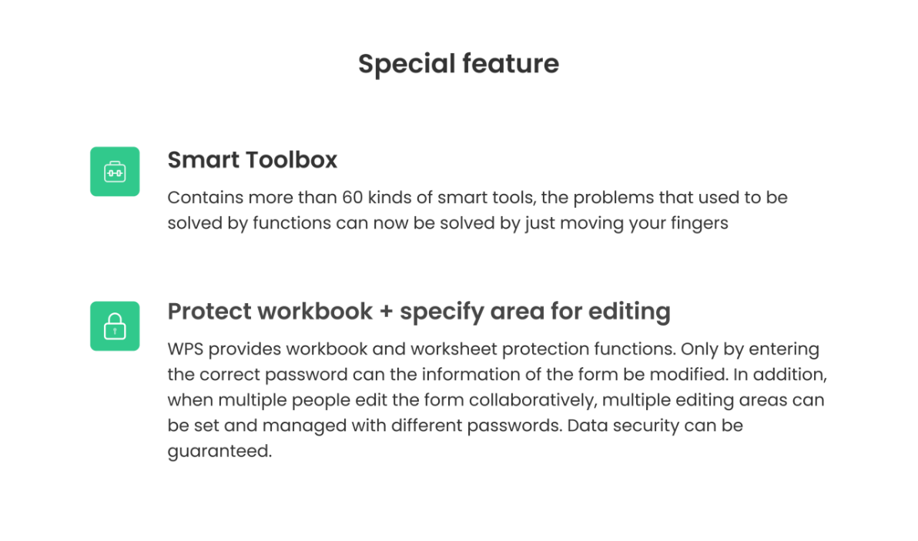

Dashboard
Employee Data Dashboard

Total Employees: | 30
Average Salary: | 50678.533333
Highest Salary: | 72000
Lowest Salary: | 37000
Total Departments: | 4

Average Salary by Department
 | Total
Hr | 46668.285714
It | 63750
Marketing | 41428.571429
Sales | 49209.75

