State Transition Diagram
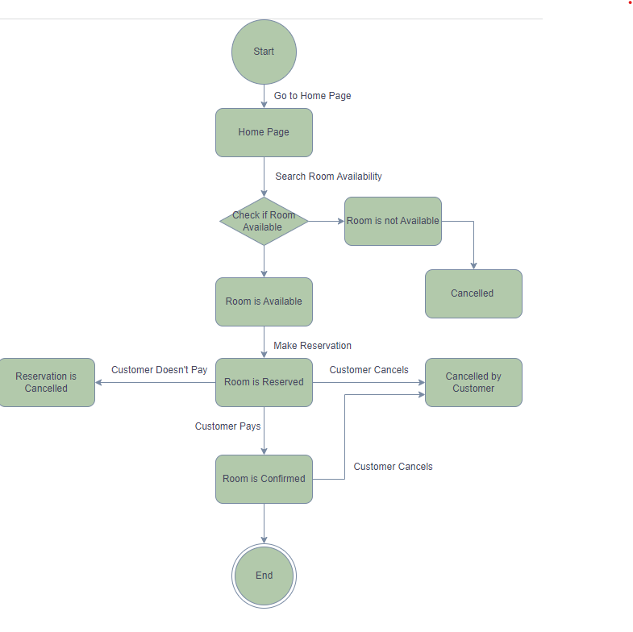
State Transition Diagram Of Hotel Room Reservation

 | Object | Room
 | Events | Go to Home Page Search Room Availablility Make Reservation Customer Canacels Customer Pays Customer Doesn't Pays
 | State | Start Home Page Room is Available Room is not Available Room is Reserved Room is Confirmed Cancelled Reservation is Cancelled Cancelled by Customer

