Scenario Diagrams
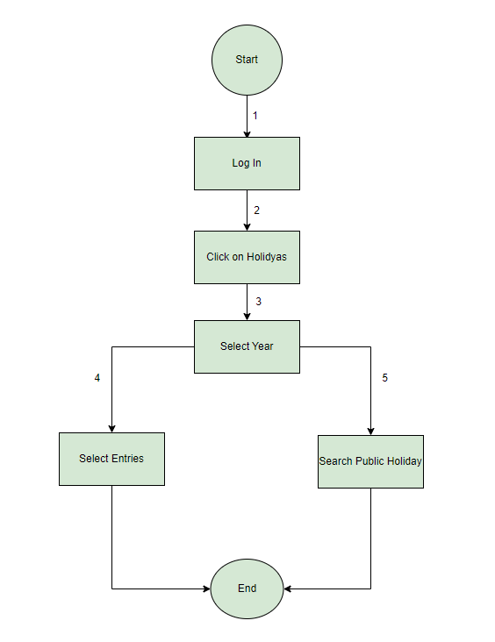
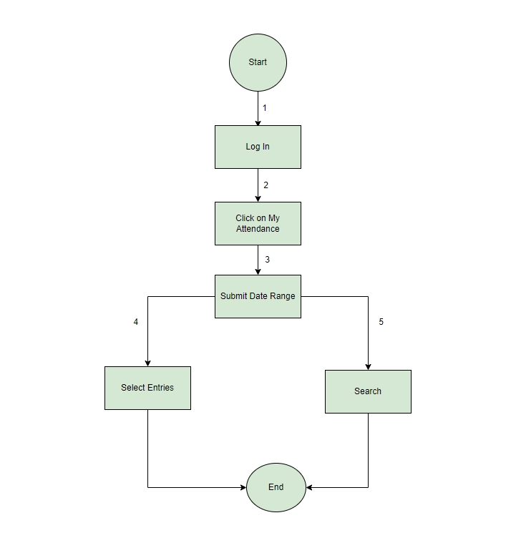
 |  | Scenario Diagram for Apply Leave
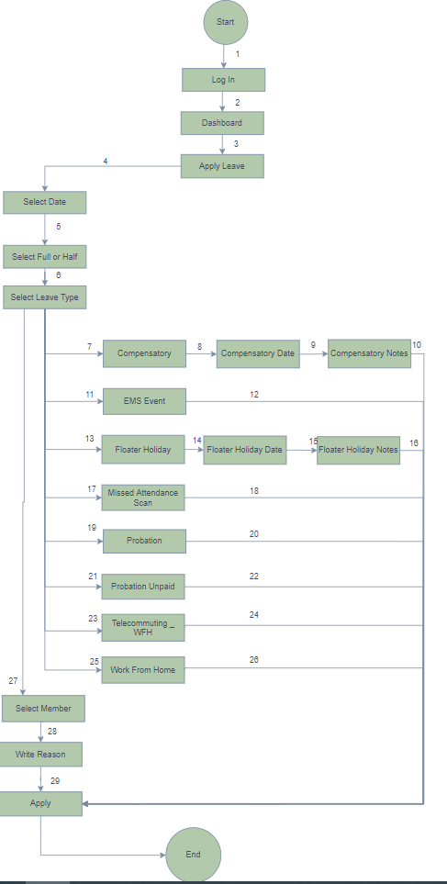

Scenario Diagram for To Check Public Holidays | Scenario Diagram for To Check My Attendance

State Transition Diagram
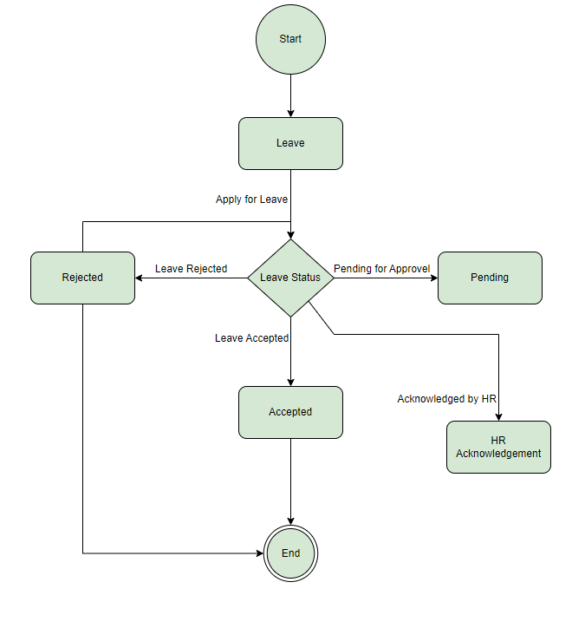
State Transition Diagram for To Check Leave Status

