Scenario Diagrams
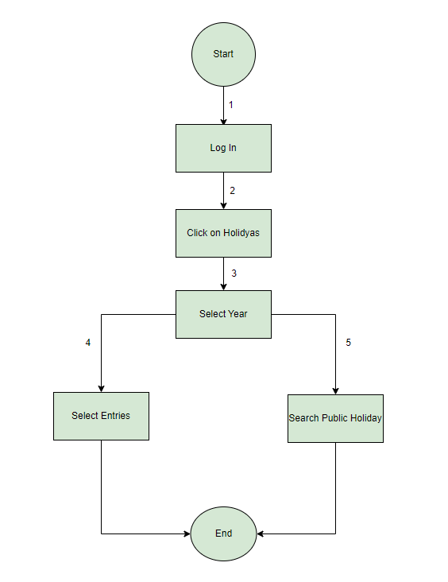
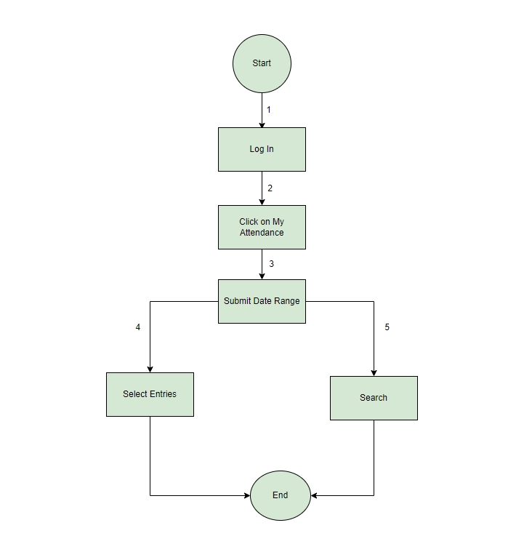
 | Scenario Diagram for My Profile |  | Scenario Diagram for Apply Leave
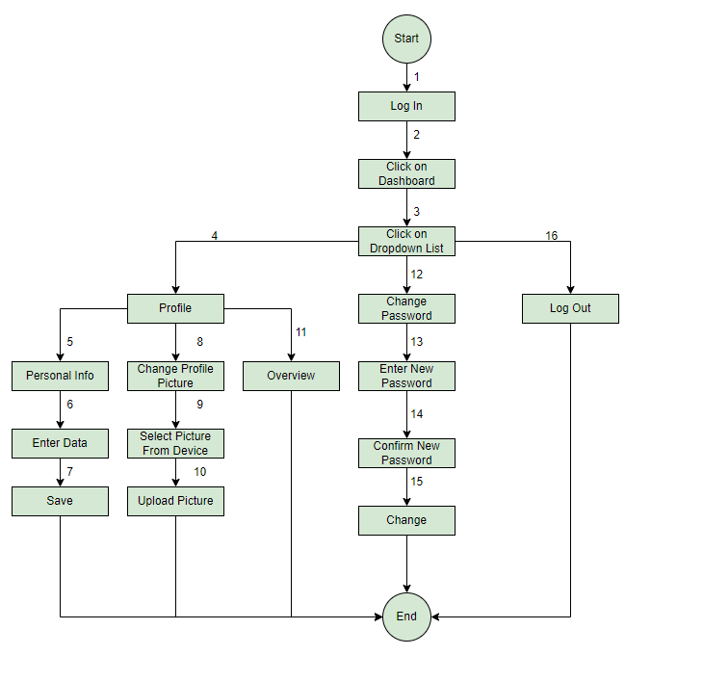
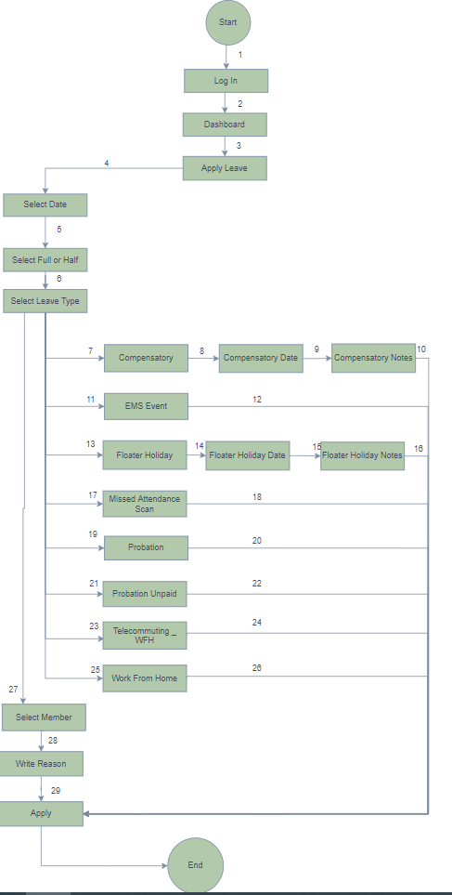

Scenario Diagram for To Check Public Holidays |  | Scenario Diagram for To Check My Attendance

State Transition Diagram
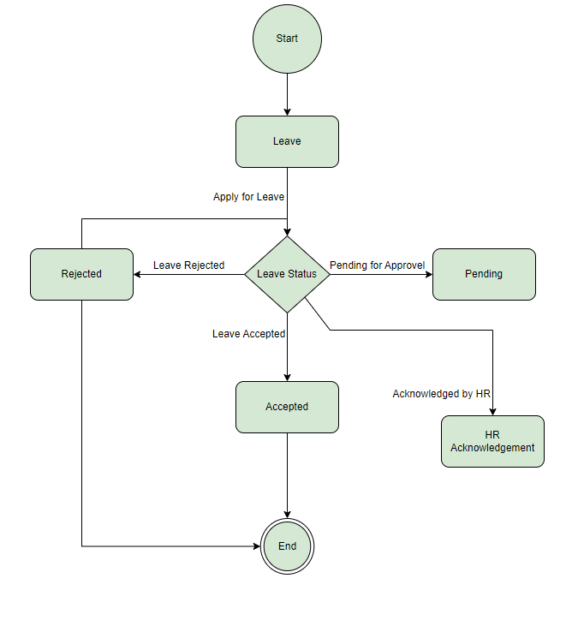
State Transition Diagram for To Check Leave Status

