figure5D
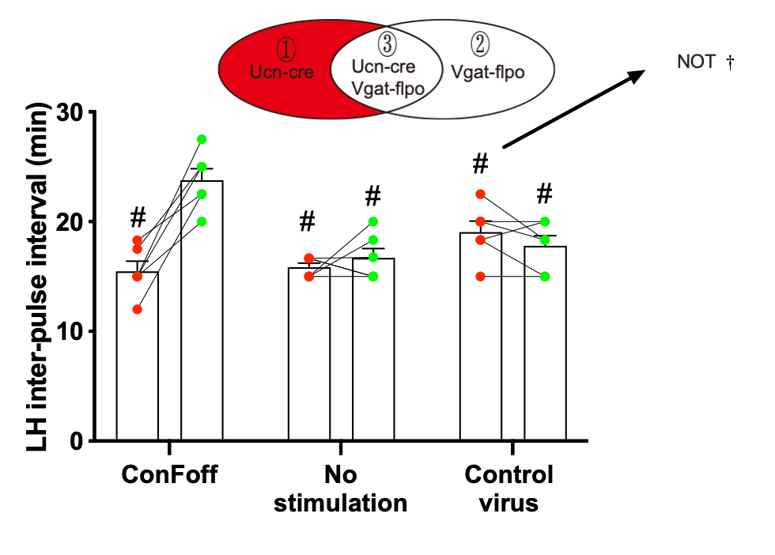
 | Before stimulation |  |  |  |  |  | After stimulation
ConFoff | 18.3 | 12 | 15 | 15 | 17.5 | 15 | 22.5 | 22.5 | 27.5 | 20 | 25 | 25
No stimulation | 16.67 | 15 | 16.67 | 15 | 16.67 | 15 | 16.77 | 18.33 | 15 | 20 | 15 | 15
Control virus | 22.5 | 20 | 15 | 18.33 | 20 | 18.33 | 18.33 | 20 | 15 | 15 | 18.33 | 20

figure5 J
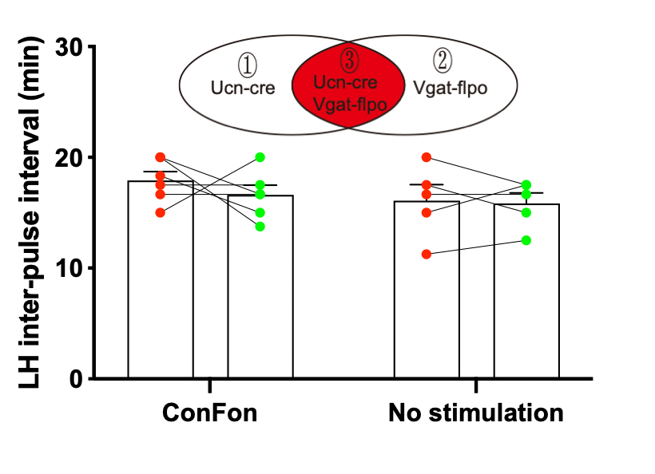
 | Before stimulation |  |  |  |  |  | After stimulation
ConFon | 20.00 | 16.67 | 18.33 | 15.00 | 17.50 | 20.00 | 13.75 | 16.67 | 15.00 | 20.00 | 17.50 | 16.70
No stimulation | 15 | 11.25 | 17.5 | 20 | 16.67 |  | 17.5 | 12.5 | 15 | 17.5 | 16.67

figure6D
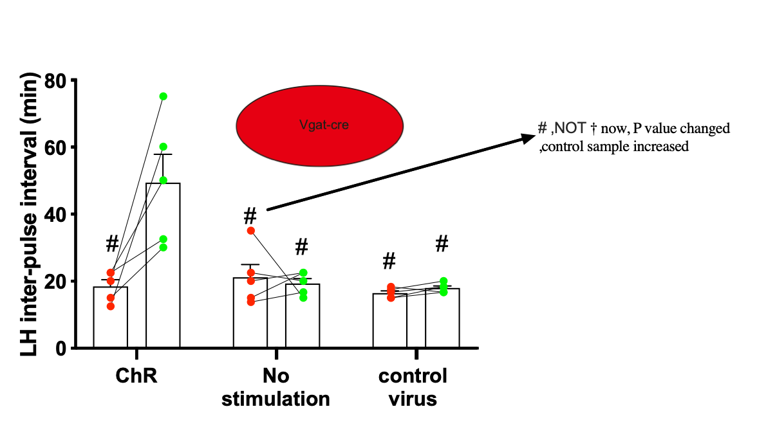
 | Before stimulation |  |  |  |  | After stimulation
ChR | 22.5 | 15 | 12.5 | 22.5 | 20 | 32.5 | 30 | 60 | 50 | 75
No stimulation | 22.5 | 15 | 35 | 20 | 13.75 | 20 | 22.5 | 15 | 22.5 | 16.67
control virus | 16.67 | 17.5 | 15 | 15 | 18.33 | 18.33 | 20 | 18.33 | 16.67 | 16.67

figure6I
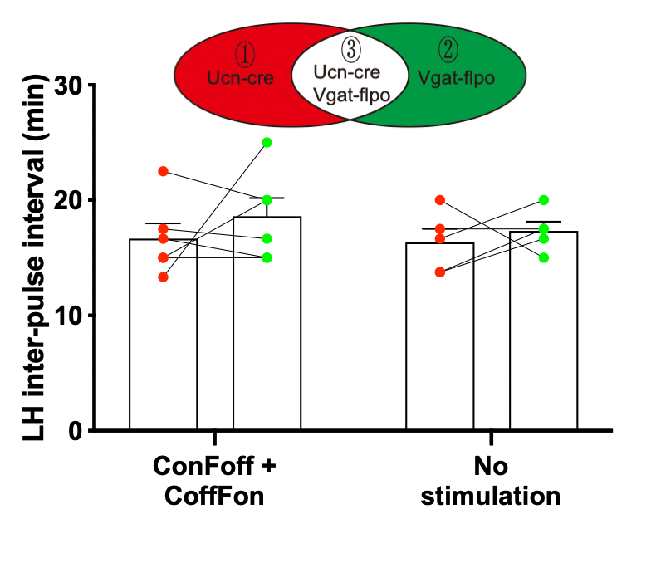
 | Before stimulation |  |  |  |  |  | After stimulation
ConFoff + CoffFon | 15 | 17.5 | 16.666666667 | 22.5 | 15 | 13.33 | 15 | 16.666666667 | 15 | 20 | 20 | 25
No stimulation | 13.75 | 17.5 | 20 | 13.75 | 16.67 |  | 17.5 | 17.5 | 15 | 16.67 | 20

