Benchmark Tests, SPE
 | Internal Energy (kcal/mol) |  | Transition | ∆E (kcal/mol) | E (w/ ZPt + Me reference energy set to 0) |  |  |  | Note: Transitions are as in Figure 3 (schematic shown below)
mn15l_def2tzvpp/xyz/ |  | CH4 + ZPt
ch4.log Energy: | -25398.878351 | -519772.39675 | 1 -> 2 | -15.301125 | 1 | 0
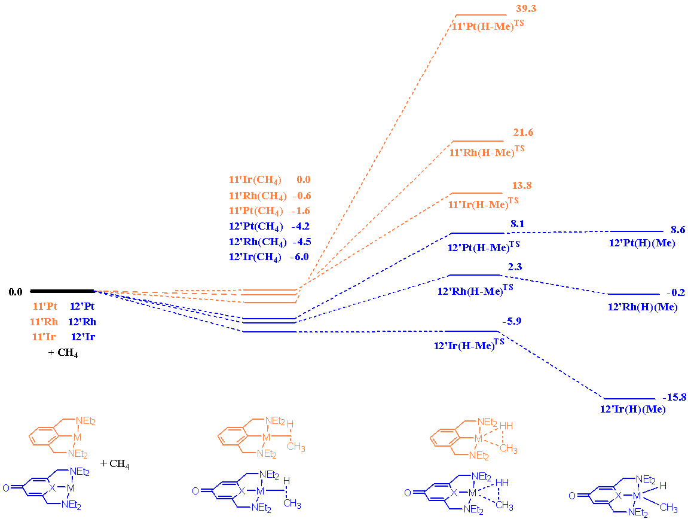
TS_ZPtMeH_ZPtMeHsigma.log Energy: | -519775.25178 |  | 2 -> 3 | 12.4461 | 2 | -15.301125
ZHPtMe.log Energy: | -519786.80277 |  | 3 -> 4 | -0.044526799989 | 3 | -2.8550249999
ZPtMeH_sigma.log Energy: | -519787.69788 |  |  |  | 4 | -2.8995517999
ZPtMeH.log Energy: | -519775.29631
Methods Comparison (Single-Point Energy Calcs)
ZPt.log Energy: | -494373.5184

wb97xd_def2tzvpp/xyz/ |  | CH4 + ZPt
ch4.log Energy: | -25427.111585 | -520351.35707 | 1 -> 2 | -17.8448506 | 1 | 0
TS_ZPtMeH_ZPtMeHsigma.log Energy: | -520354.47527 |  | 2 -> 3 | 14.7266482 | 2 | -17.8448506
ZHPtMe.log Energy: | -520368.92939 |  | 3 -> 4 | 0.8198619 | 3 | -3.1182024
ZPtMeH_sigma.log Energy: | -520369.20192 |  |  |  | 4 | -2.2983405
ZPtMeH.log Energy: | -520353.65541
ZPt.log Energy: | -494924.24548

wb97x_def2tzvpp/xyz/ |  | CH4 + ZPt
ch4.log Energy: | -25425.735514 | -520351.23005 | 1 -> 2 | -16.8579034 | 1 | 0
TS_ZPtMeH_ZPtMeHsigma.log Energy: | -520351.97293 |  | 2 -> 3 | 16.1150293 | 2 | -16.8579034
ZHPtMe.log Energy: | -520367.47517 |  | 3 -> 4 | 1.0529119 | 3 | -0.74287409999
ZPtMeH_sigma.log Energy: | -520368.08796 |  |  |  | 4 | 0.31003780005
ZPtMeH.log Energy: | -520350.92001
ZPt.log Energy: | -494925.49454

Single-Point Energy Transitions (Methods Comparison)
 | mn15l_def2tzvpp/xyz/ | wb97xd_def2tzvpp/xyz/ | wb97x_def2tzvpp/xyz/
 | -15.301125 | -17.8448506 | -16.8579034
 | 12.4461 | 14.7266482 | 16.1150293
 | -0.044526799989 | 0.8198619 | 1.0529119
mn15l_def2svp/xyz/ |  | CH4 + ZPt
ch4.log Energy: | -25364.946894 | -519187.04163 | 1 -> 2 | -15.2340061 | 1 | 0
TS_ZPtMeH_ZPtMeHsigma.log Energy: | -519187.187 |  | 2 -> 3 | 15.0886321 | 2 | -15.2340061
ZHPtMe.log Energy: | -519201.67615 |  | 3 -> 4 | 0.10302009998 | 3 | -0.14537400001 | 1 | 2 |  | 3 | 4
ZPtMeH_sigma.log Energy: | -519202.27563 |  |  |  | 4 | -0.042353900033
ZPtMeH.log Energy: | -519187.08398
ZPt.log Energy: | -493822.09473

mn15l_def2tzvp/xyz/ |  | CH4 + ZPt
ch4.log Energy: | -25398.095148 | -519765.8417 | 1 -> 2 | -15.07253 | 1 | 0
TS_ZPtMeH_ZPtMeHsigma.log Energy: | -519768.50313 |  | 2 -> 3 | 12.4110982 | 2 | -15.07253
ZHPtMe.log Energy: | -519779.86928 |  | 3 -> 4 | -0.15644320002 | 3 | -2.6614318
ZPtMeH_sigma.log Energy: | -519780.91423 |  |  |  | 4 | -2.817875
ZPtMeH.log Energy: | -519768.65957
ZPt.log Energy: | -494367.74655

mn15l_def2sv/xyz/
ch4.log | Energy: -25356.0095397
TS_ZPtMeH_ZPtMeHsigma.log | Energy: -519136.5306496
ZHPtMe.log | Energy: -519152.7453958
ZPtMeH_sigma.log | Energy: -519152.5160003
ZPtMeH.log | Energy: -519136.9856806
ZPt.log | Energy: -493782.1617142

