Assets


Community Marketing Customizable Templates
Price Presentation Sheet | Door Hanger |  | Flyer |  | Direct Mail |  | Welcome Neighbor Direct Mail |  | Outdoor Banner |  | Yard Sign | Sidewalk Sign | Outdoor Workouts Sidewalk Sign
TM22050006449076 | TM22060017189296 |  | TM22070002997647 |  | TM23030010914060 |  | TM23010007098604 |  | TM22070004325530 |  | TM22070000790885 | TM22070005163969 | TM23070003313981
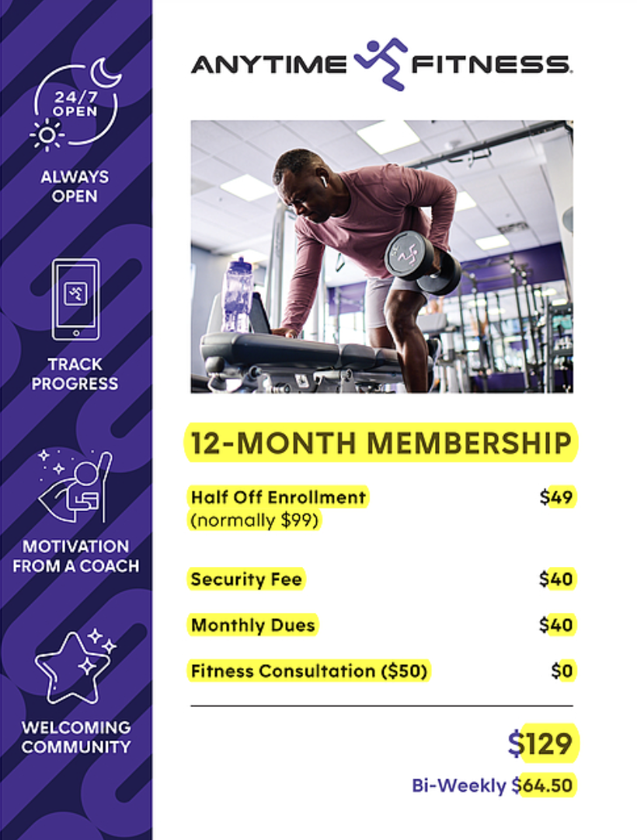

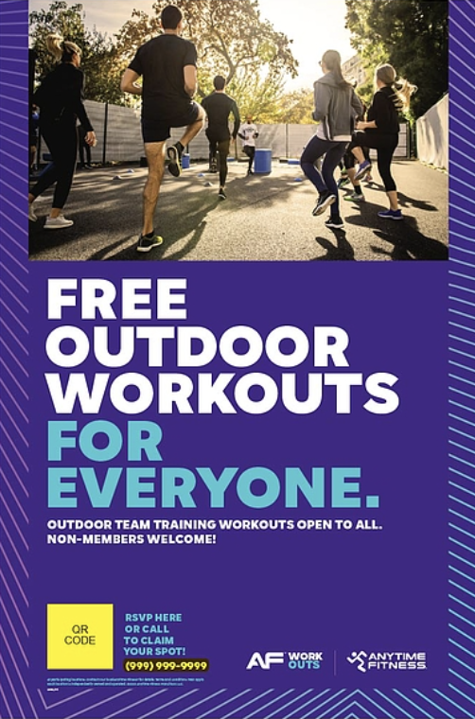






Social Media Customizable Templates |  |  |  |  | Social 1200x1200
Social 1080x1920 | Social 1080x1920 |  | Social 1200x1200 |  | TM22070002972996
TM24110002894983 | TM22070002257745 |  | TM22070002284427






Community Marketing Swag
AF RUBBERIZED SUNGLASSES |  | AF KETTLEBELL SQUEEZIE |  | AF Lip Balm |  | AF Aluminum Bottle Opener Keychain |  | Anytime Fitness Carabiner Keychain |  | AF 12oz Slim Neoprene Can Cooler Multi |  | AF Dart Pen Black | AF Non-Woven Tote | AF Promo Cooler Bag
Item 1460243-00 |  | Item 1460241-00 |  | Item 1462434-00 |  | Item 1462425-00 |  | Item 1462433-00 |  | Item 1457632-00 |  | Item 1457643-00 | Item 1548115-00 | Item 1462432-00
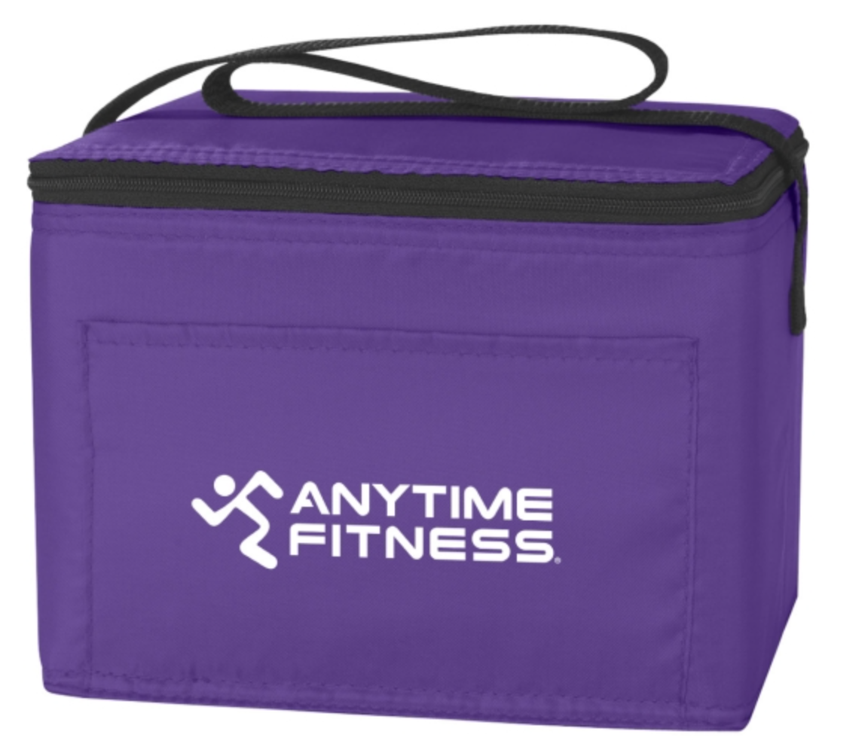

Community Marketing Apparel
AF Unisex Promo Purple Tee |  | AF Unisex Promo Tee Black
Item 1553003 |  | Item 1457638

