Sheet1
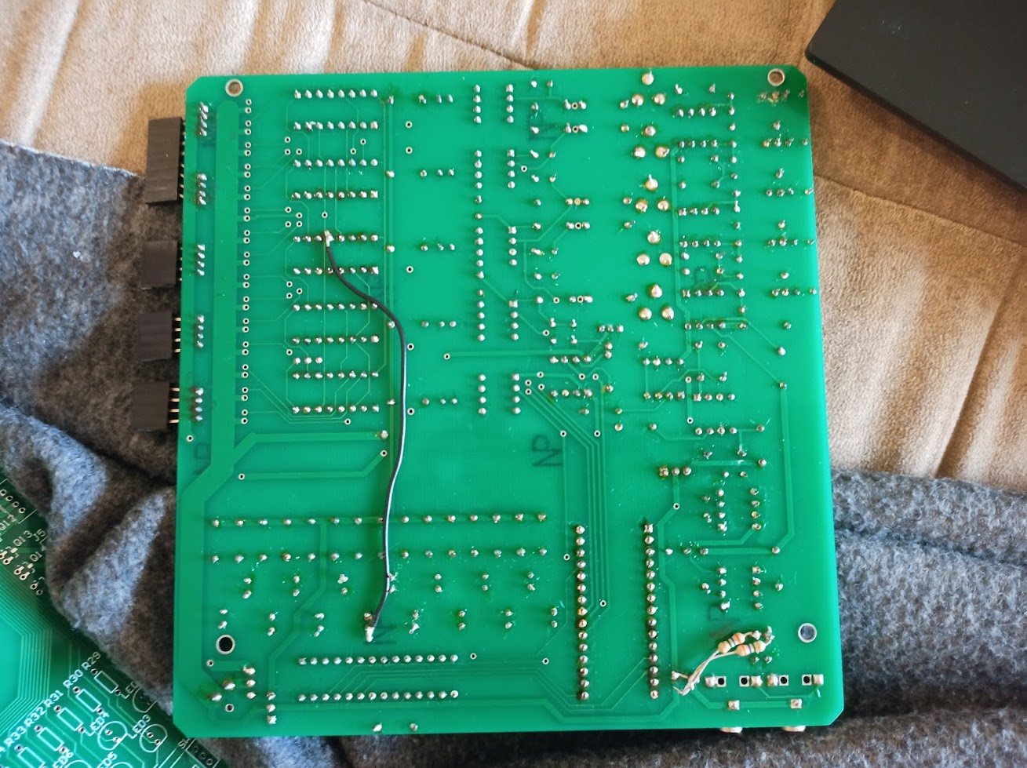
Analog Color Organ ***Bill Of Materials*** Sheet 1 of 2
Item | Qty | Mouser Partnumber | Description | Reference Designator
1 | 1 | Resistor Lead | Wire Jumper [See Rework] | C0
 |  |  | Capacitors
2 | 2 | 80-R82EC3220Z370J | 220nF/.22uF [See Rework] | Cxx, Cxx
3 | 8 | 810-FG16X7R1E106KRT6 | Cap, 10uF @ 25V | C11, 12, 13, 14, 15, 18, 19, 20
4 | 1 | 594-K103K15X7RF53K2 | Cap, 10nF/.01uF @ 50V | C16
5 | 2 | 81-RDER71H104K0P1H3B | Cap, 100nF/.1uF @ 50V | C17, 21
6 | 1 | 810-FG18X7R1H334KRT6 | Cap, 330nF/.33uF @ 50V | C22
 |  |  | Connectors
7 | 2 | 490-SJ1-3523N | Connector SJ1-3523N | Aux 1, 2
8 | 5 | ??? | Connector | J1, 2, 3, 4, 5
9 | 1 | ??? | Connector | DC IN
10 | 1(2) | 517-2306-6111-TG | 3 Pos. Hdr. .025sqr pin | SW1, 2
 |  |  | Semiconductors
11 | 1 | ebay | Ardunio (Nano) | Ardunio [Nano]
12 | 1 | ebay | LED PWM DrVr Dip 28 | TLC5940
13 | 5 | 595-CD4053BE | CD4053BE Dip 8 | Mux 1, 2, 3, 4, 5
14 | 1 | 700-ICL7660CPA | Charge Pump Dip8 | ICL7660
15 | 1 | 926-LM555CN/NOPB | LM555 Dip8 | 555
16 | 5 | 926-LF353N/NOPB | Opamp LF353 Dip8 | OP1,3,4,5,6
17 | 1 | 926-LM6132BIN/NOPB | Oamp LM6132 Dip8 | OP7
18 | 5 | 926-LM311N/NOPB | Comp Dip8 | CMP 1, 2, 3, 4, 5
19 | 2 | ebay or Digi-Key (RA) 2156-LM7808ACT-FS-ND | Reg. 8V, TO-220 | LM7808
20 | 5 | 863-1N4001G | Diode, 1N4001 | D1 ,2, 3, 4, 5
21 | 20 | 78-TLHG6400-CS12Z | LED | LED 1, 2, 3, 4, 5, 6, 7, 8, 9, 10, 11, 12, 13, 14, 15, 17, 18, 19, 20, 21
22 | 15 | Digi-Key 2156-SI2302DS215-ND | MosFet, Si2302DS | Q1, 2, 3, 4, 5, 6, 7, 8, 9, 10, 11, 12, 13, 14, 15
23 | 1 | ebay | JFET, 2N5462 TO92 | JFET 1

Resistors
24 | 11 | 660-MFS1/4CCT52R1001 | Res, 1K, .25W, 1% | R1, R2, 14, 15, 16, 17, 18, 45, 46, 47, 48
25 | 1 | 603-MFR-25FBF52-68K | Res, 68K, .25W, 1% | R3
26 | 1 | 603-MFR-25FTE52-9K1 | Res, 9.1K, .25W, 1% | R19
27 | 1 | 603-MFR25SFTF52-510R | Res, 510, .25W, 1% | R20
28 | 20 | 660-MFS1/4DCT52R6800 | Res, 680, .25W, 5% | R22, 23, 24, 25, 26, 27, 28, 29, 30, 31, 32, 33, 34, 35, 36, 37, 38, 39, 40, 41
29 | 1 | 660-MF1/4LCT52R202J | Res, 2K, .25W, 5% | R42
30 | 1 | 652-3386F-1-103LF | Res, 10K Pot (threshold) | R43
31 | 1 |  | Res, 3.6M, .25W [See Rework] | Rxx, Rxx

Analog Color Organ ***Bill Of Materials*** Sheet 2 of 2
32 | 1 | 603-MFR-25FTE52-6K2 | Res, 6.2K, .25W, 1% | R44
33 | 5 | 652-3386F-1-103LF | Pot, 10K | Pot 1, 2, 3, 4, 5
 | Filter (Low Frequency 20 - 100Hz)
34 | 1 | 81-RDER71H104K0P1H3B | Cap, 100nF/.1uF @ 50V | C1
35 | 1 | 80-C315C102J3G5TA | Cap, 1nF/.oo1uF @ 25V | C2
36 | 1 | 71-CMF5078K700FHEB | 79K(78.7K), .25W, 1% | R4
37 | 1 | 603-MFR-25FTE52-1M6 | 1.6Meg, .25W, 1% | R5
38 | 1 | 603-MFR-25FTE52-1M6 | Res, 1.6M, .25W, 1% | R49
 | Filter (Mid Low 150 - 300Hz)
39 | 1 | 81-RDER71H104K0P1H3B | Cap, 100nF/.1uF @ 50V | C3
40 | 1 | 80-C315C102J3G5TA | Cap, 1nF/.oo1uF @25_V | C4
41 | 1 | 660-MF1/4CCT52R1062F | 10.6K .25W, 1% | R6
42 | 1 | 660-MF1/4DCT52R5363F | 530K(536K), .25W, 1% | R7
43 | 1 | 603-MFR-25FTE52-510K | Res, 510K, .25W, 1% | R50
 | Filter (Mid 500 - 1Khz)
44 | 1 | 81-RDER71H104K0P1H3B | Cap, 100nF/.1uF @ 50V | C5
45 | 1 | 80-C315C102J3G5TA | Cap, 1nF/.oo1uF @ 25V | C6
46 | 1 | 603-MFR-25FBF52-3K24 | 3.2K(3.24K), .25W, 1% | R8
47 | 1 | 603-MFR-25FRF52-160K | 159K(160K), .25W, 1% | R9
48 | 1 | 603-MFR-25FRF52-160K | Res, 160K, .25W, 1% | R51
 | Filter (Mid High 2Khz - 5Khz)
49 | 1 | 81-RDER71H104K0P1H3B | Cap, 100nF/.1uF @ 50V | C7
50 | 1 | 80-C315C102J3G5TA | Cap, 1nF/.oo1uF @ 25V | C8
51 | 1 | 603-MFR-25FBF52-806R | 800(806), .25W, 1% | R10
52 | 1 | 603-MFR-25FRF52-32K4 | 32K(32.4K), .25W, 1% | R11
53 | 1 | 603-MFR-25FRF52-33K | Res, 33K, .25W, 1% | R52
 | Filter (High 13Khz - 15Khz)
54 | 1 | 594-K103K15X7RF53K2 | Cap, 10nF/.01uF @ 25V | C9
55 | 1 | 80-C315C102J3G5TA | Cap, 1nF/.oo1uF @ 25V | C10
56 | 1 | 603-MFR-25FRF52-1K2 | 1.2K, .25W, 1% | R12
57 | 1 | 603-MFR-25FTE52-8K2 | 8.2K, .25W, 1% | R13
58 | 1 | 603-MFR-25FTE52-8K2 | Res, 8.2K, .25W, 1% | R53
Note: Values in (xxx) are closest available

 |  | I also added a bodge wire to one of the multiplexers. Not sure why but here's where it's at:
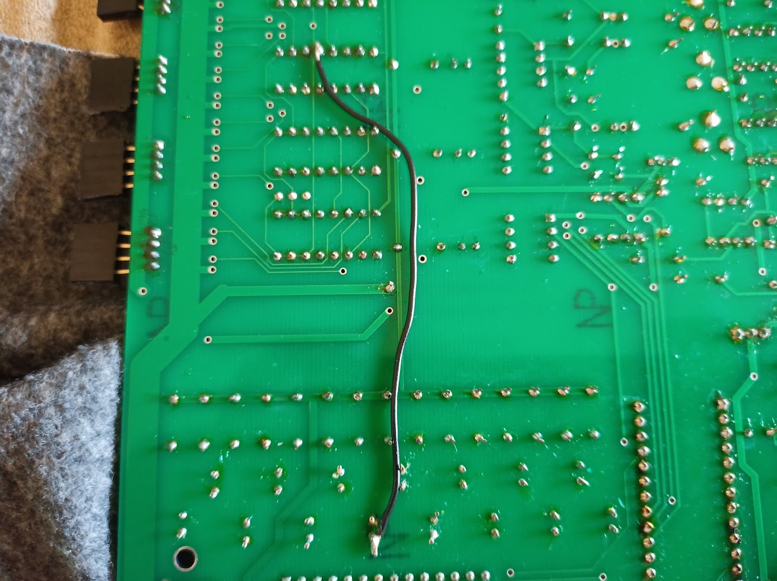

 |  | And the overall back of the board

