test-case-qa-portofoliio
Test Case ID | Test Scenario | Steps | Expected Result | Actual Result | Status
TC-001 | Login dengan data valid | 1. Input email user@test.com 2. Input password 123456 3. Klik Login | Muncul pesan 'Login successful!' | 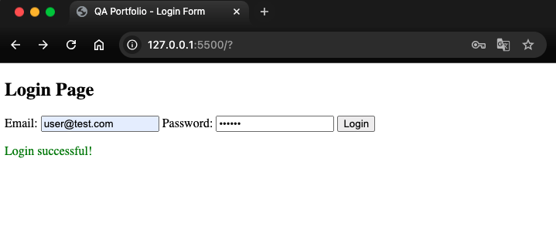 | PASSED.
TC-002 | Email tidak valid | 1. Input email user.com 2. Input password 123456 3. Klik Login | Muncul pesan error 'Invalid email format!' | 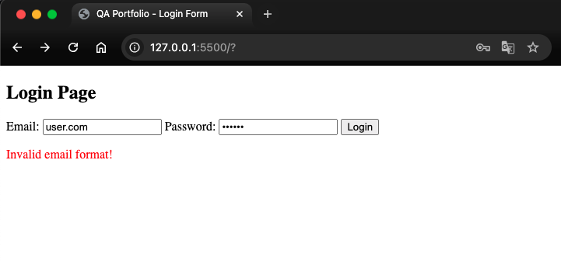 | PASSED.
TC-003 | Password kurang dari 6 karakter | 1. Input email user@test.com 2. Input password 123 3. Klik Login | Muncul pesan error 'Password must be at least 6 characters.' | 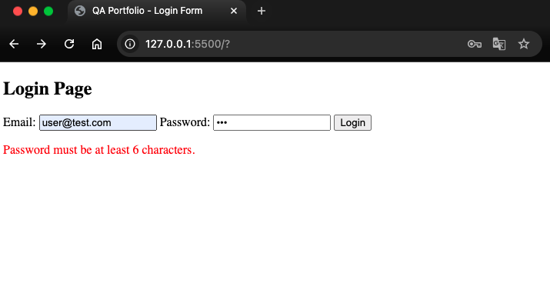 | PASSED.
TC-004 | Field kosong | 1. Biarkan email kosong 2. Biarkan password kosong 3. Klik Login | Muncul pesan error 'Invalid email format!' atau 'Password required' | 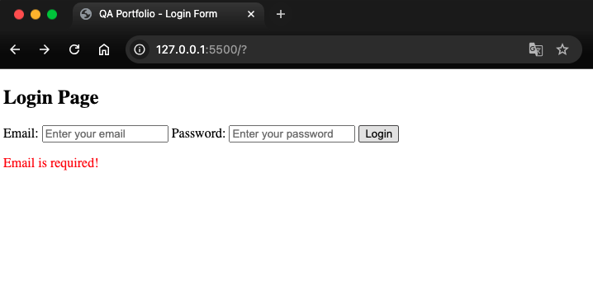 | PASSED.
TC-005 | Password valid tapi email kosong | 1. Biarkan email kosong 2. Input password 123456 3. Klik Login | Muncul pesan error 'Email is required!' | 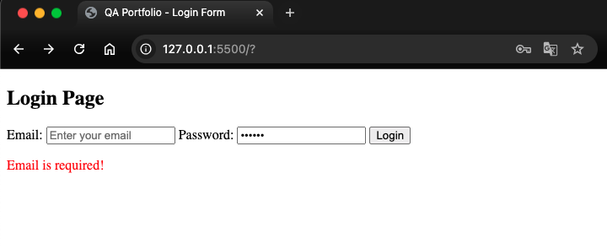 | PASSED.
TC-006 | Email valid tapi password kosong | 1. Input email user@test.com 2. Biarkan password kosong 3. Klik Login | Muncul pesan error 'Password required!' | 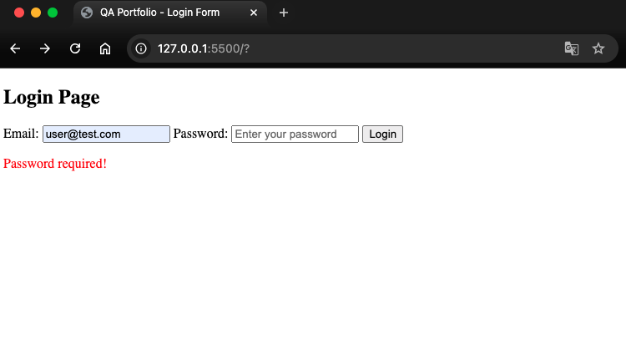 | PASSED.

