Burials Per Year
 | Total
1864 | 1372
1865 | 1366
1866 | 1354
1863 | 836
1850 | 809
1849 | 745
1862 | 627
1854 | 596
1860 | 575
1873 | 559
1852 | 552
1867 | 542
1868 | 504
1859 | 482
1847 | 476
1855 | 476
1861 | 455
1848 | 447
1853 | 429
1856 | 428
1858 | 415
1857 | 402
1851 | 385
1874 | 337
1870 | 312
1871 | 285
1872 | 283
1846 | 246
1869 | 209
1880 | 204
1875 | 159
1881 | 156
1877 | 155
1876 | 148
1879 | 138
1883 | 128
1878 | 118
1882 | 111
1884 | 99
1886 | 70
1885 | 69
1887 | 67
1891 | 58
1894 | 55
1899 | 53
1897 | 52
1893 | 51
1888 | 50
1889 | 50
1892 | 48
...
Row Labels | Count of Burial Year
1864 | 1372
1865 | 1366
1866 | 1354
1863 | 836
1850 | 809
1849 | 745
1862 | 627
1854 | 596
1860 | 575
1873 | 559
1852 | 552
1867 | 542
1868 | 504
1859 | 482
1847 | 476
1855 | 476
1861 | 455
1848 | 447
1853 | 429
1856 | 428
1858 | 415
1857 | 402
1851 | 385
1874 | 337
1870 | 312
1871 | 285
1872 | 283
1846 | 246
1869 | 209
1880 | 204
1875 | 159
1881 | 156
1877 | 155
1876 | 148
1879 | 138
1883 | 128
1878 | 118
1882 | 111
1884 | 99
1886 | 70
1885 | 69
1887 | 67
1891 | 58
1894 | 55
1899 | 53
1897 | 52
1893 | 51
1888 | 50
1889 | 50
1892 | 48
1895 | 47
1890 | 46
1896 | 42
1904 | 41
1903 | 40
1902 | 37
1900 | 37
1898 | 37
1901 | 36
1908 | 35
1911 | 35
1906 | 31
1914 | 30
1915 | 29
1909 | 29
1929 | 28
1910 | 28
1905 | 26
1916 | 25
1922 | 24
1918 | 24
1924 | 22
1934 | 22
1912 | 22
1913 | 19
1926 | 19
1932 | 19
1907 | 18
1919 | 18
1923 | 18
1935 | 18
1931 | 16
1928 | 16
1925 | 14
1917 | 14
1933 | 14
1921 | 13
1937 | 13
1930 | 12
1920 | 12
1938 | 12
1946 | 11
1940 | 11
1944 | 11
1936 | 10
1927 | 10
1943 | 10
1941 | 10
1945 | 8
1947 | 7
1939 | 7
1951 | 5
1942 | 4
1955 | 4
1962 | 4
1960 | 4
1950 | 4
1948 | 4
1977 | 3
1949 | 3
1958 | 3
1953 | 3
1979 | 3
1964 | 2
1957 | 2
1972 | 2
1952 | 2
1971 | 2
1978 | 2
1956 | 2
1966 | 2
1970 | 1
1954 | 1
1974 | 1
1969 | 1
1959 | 1
1968 | 1
1961 | 1
(blank)
Grand Total | 19743

Top 10 Causes of Death
Row Labels | Count of Cause of Death Spellcheck
Unknown | 2226
Consumption | 1814
Cholera | 1398
Stillbirth | 1305
Pneumonia | 639
Old Age | 612
Teething | 596
Measles | 493
Dropsy | 484
Flux | 475
Grand Total | 10042

Questions
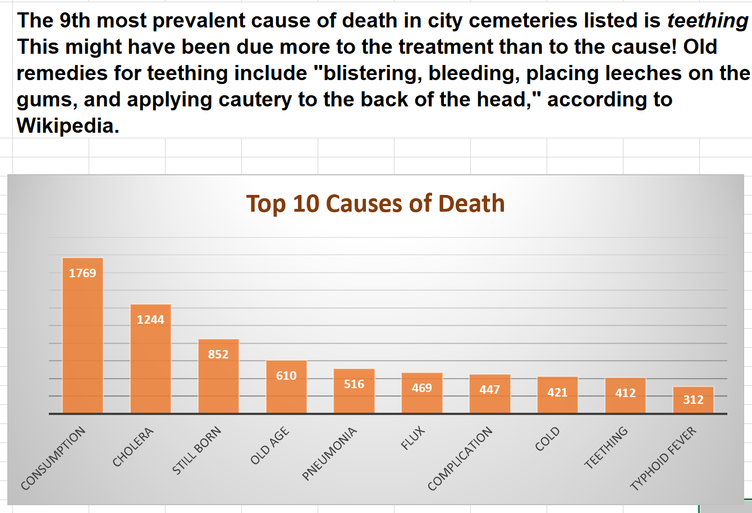
The city of Nashville provides a dataset of known burials in city cemeteries from 1846 through 1979. This dataset holds factual information, but it also offers a fascinating glimpse into historical trends in medicine, literacy, racial equality, and more.

The Nashville City Cemetery Association has asked you (the NSS Tourisim Agency) to explore the dataset in order to create charts that can be used in marketing materials for the most recent Peddle Tavern route. The new route will run at night close to Halloween. The following exercises are a starting point for exploring the data and creating visualizations. Once you have completed the exercises below, create additional visualizations to accompany storytelling points. An example of this is shown below for the first exercise.

top 10 causes

1. Use a pivot table to find the 10 most common (known) recorded causes of death, and evaluate the counts of each type. Once you have your metrics, plot these in a bar chart. In the analysis of the top 10 causes of death, you may see spelling mistakes that are affecting your counts. For example, you can assume Cholera and Cholrea are the same cause of death. Create a new column in the original dataset to update spelling errors to make your count of the top 10 causes more accurate. You will need to refresh your pivot table to see changes applied.

2. Create a line chart showing number of burials per year. In what years were there the most burials? Any idea as to why?

3. Examine deaths for each decade beginning with the 1850s. Look at the total number of deaths and the proportion of male deaths to female deaths. Use a pivot table with a slicer to do this, and create a clustered bar chart to show how male and female deaths have changed over time.

4. Next look at how age at time of death has changed over time. Add a column to the original dataset to classify each row to one of the following categories (0-18, 19-25, 26-40, 41-64, and 65+). Be sure to think about a strategy to deal with missing values. Make a series of pie charts or donut charts to show the breakdown of each age group for these four periods: before 1880, 1881-1900, 1900-1920, after 1920.

5. Examine burials by month. Are there months with higher burials? What are the top five causes of death for each month? Choose a visualisation that conveys the differences well.

6. Create a new column titled Last Name. Extract the last name from the Name column by subsetting to all characters to the left of the comma (see the DataCamp exercise titled “String Information – LEN, SEARCH” from the Data Analysis with Spreadsheets if you need help with this). This will result in many errors for rows missing commas.
a. Drill down to those rows without a comma – what do you notice?
b. What are the most common last names of people buried in this cemetery?
c. There was a particularly famous person buried in this cemetery. Can you find that person?

7. Do you notice any interesting patterns regarding where (Section/Lot) people were buried?
Create a new sheet for each pivot table or analysis work done to create a visualization and give each sheet a descriptive/meaningful name. Put all final charts (along with the related story) on their own worksheet. You should only include charts on this sheet that you think deliver what has been asked for.

