registration-1
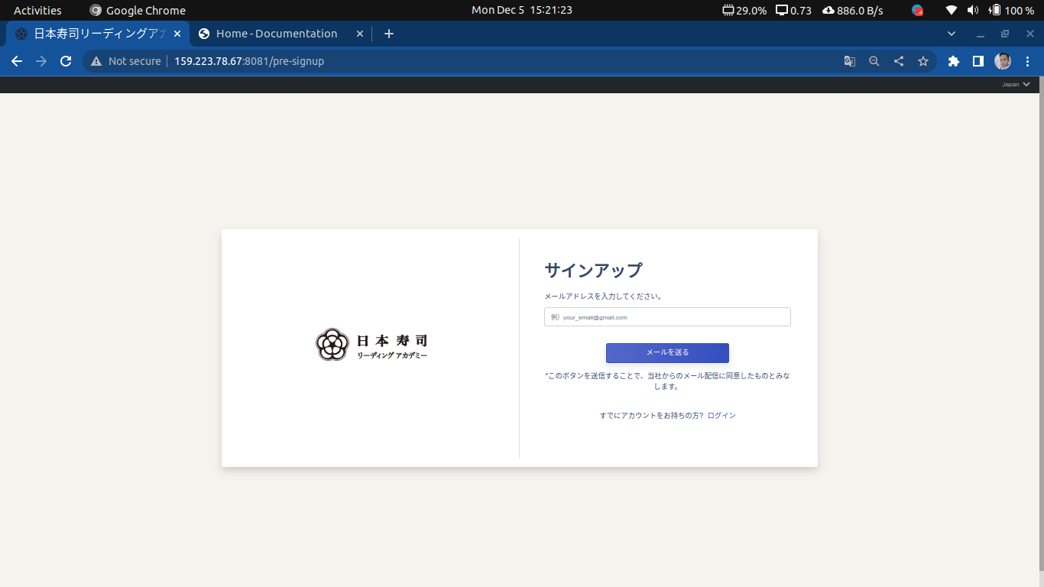
Screen name | Registration Screen 1
URL | http://159.223.78.67:8081/pre-signup
Responsibilities | Sending of registration link to email specified

registration-2
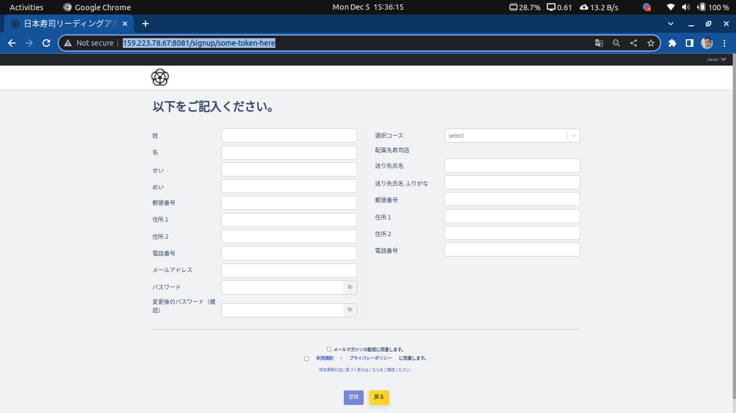
Screen name | Registration Screen 2
URL | http://159.223.78.67:8081/signup/some-token-here
Responsibilities | Screen for filling up new student information

top-page
Screen name | Top Page
URL | http://159.223.78.67:8081/
Responsibilities | Student’s dashboard (Navigation to Moodle site and Fish delivery Management)

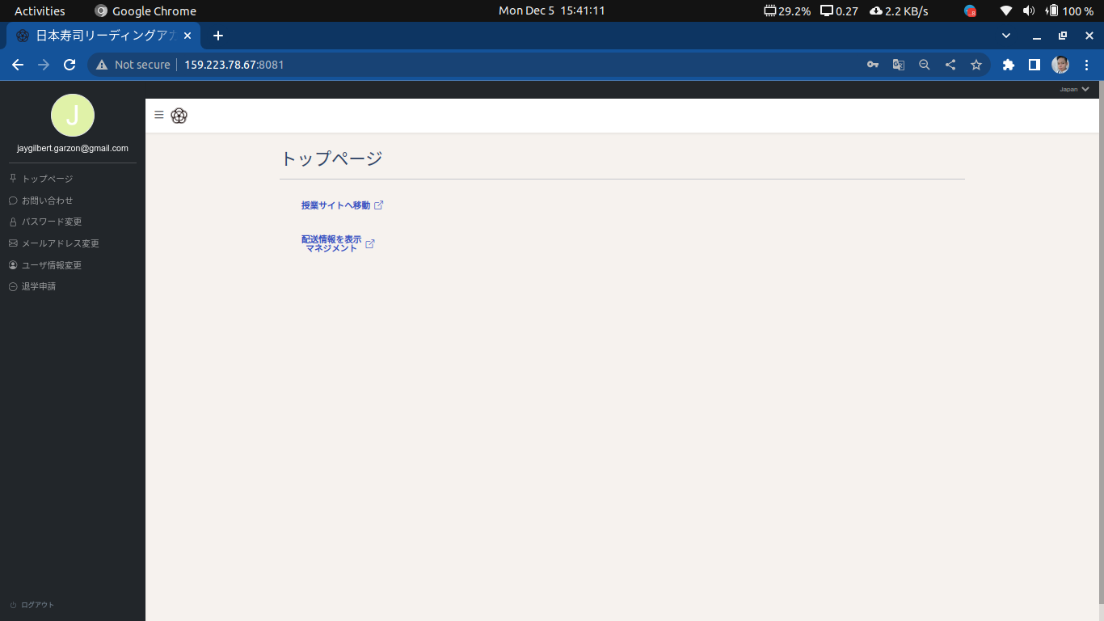

 |  | http://159.223.78.67:8081/

moodle-site
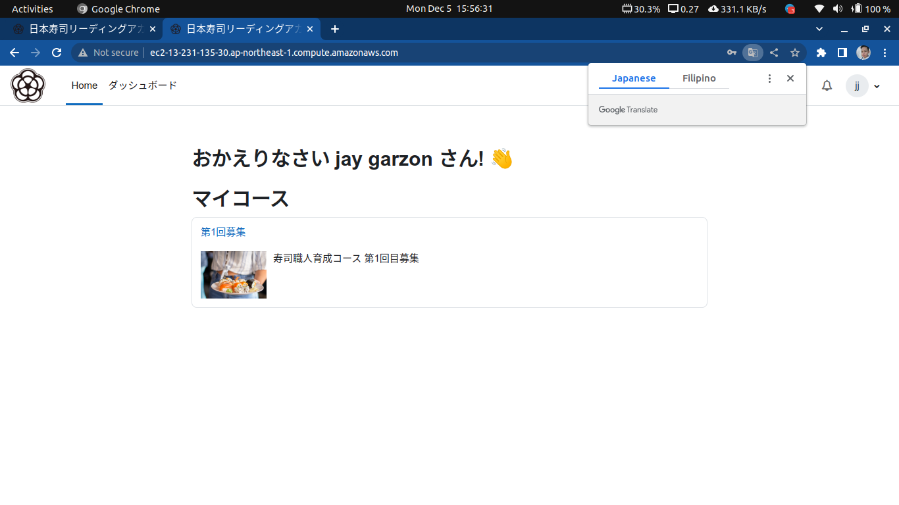
Screen name | Moodle site
URL | http://ec2-13-231-135-30.ap-northeast-1.compute.amazonaws.com/login/index.php
Responsibilities | Allows student to login their same credential into the moodle site

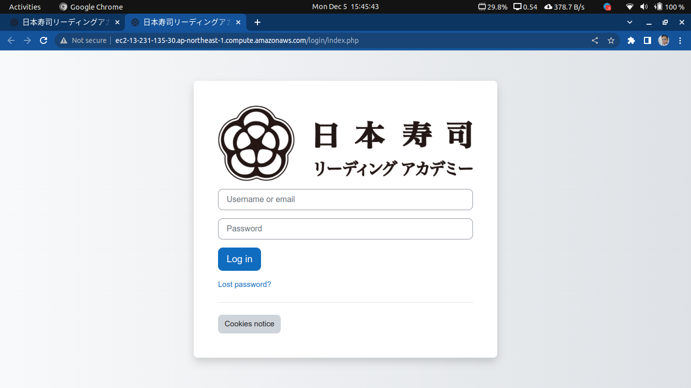

 |  | http://159.223.78.67:8081/

Screen name | Moodle site (Dashboard)

shipping-information
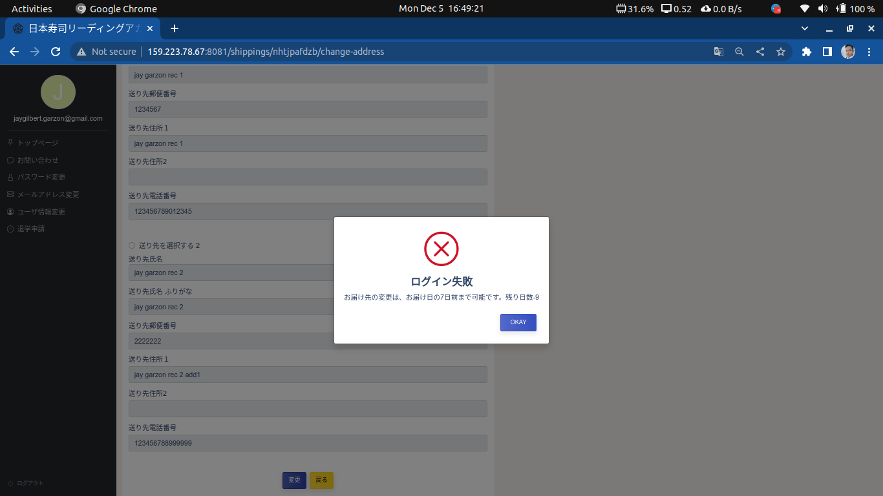
Screen name | Fish Delivery Shipping Information
URL | http://159.223.78.67:8081/shippings/nhtjpafdzb
Responsibilities | Display information about the shipping and changing its delivery address

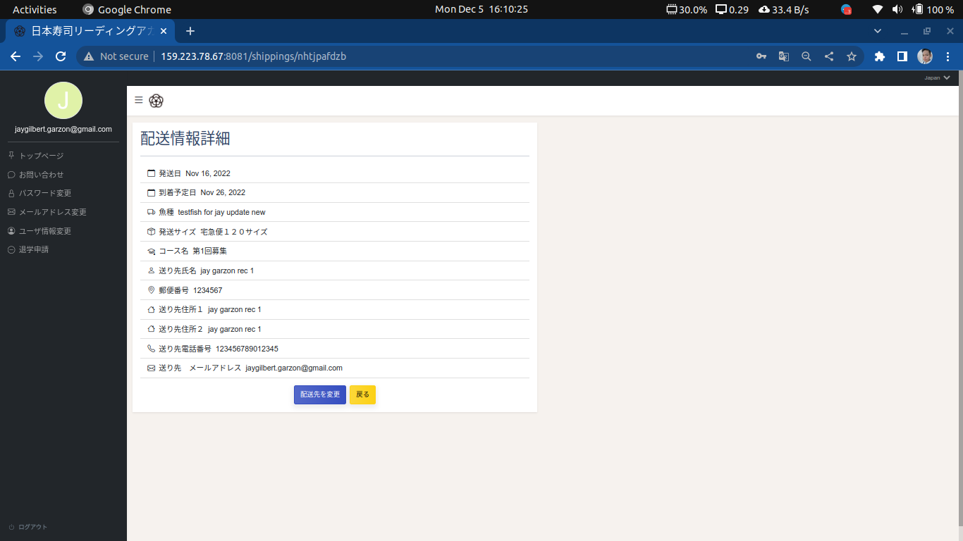

 |  | http://159.223.78.67:8081/

Note
Click change address to modify the delivery address of the selected shipping

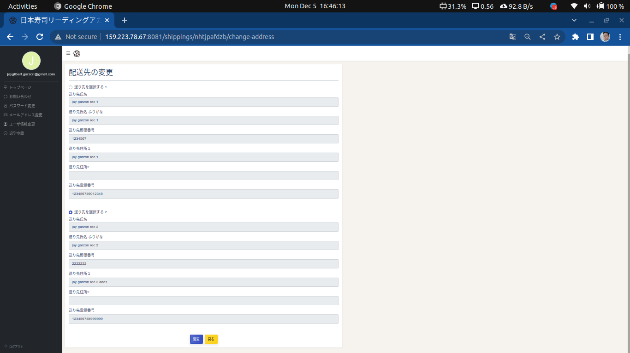

Note
Select a new delivery address and click change button to change. Shipping with delivery date less than 7 days are no longer changeable.

inquiry
Screen name | Inquiry
URL | http://159.223.78.67:8081/inquiry
Responsibilities | Send inquiry to admin (no function as per specification)

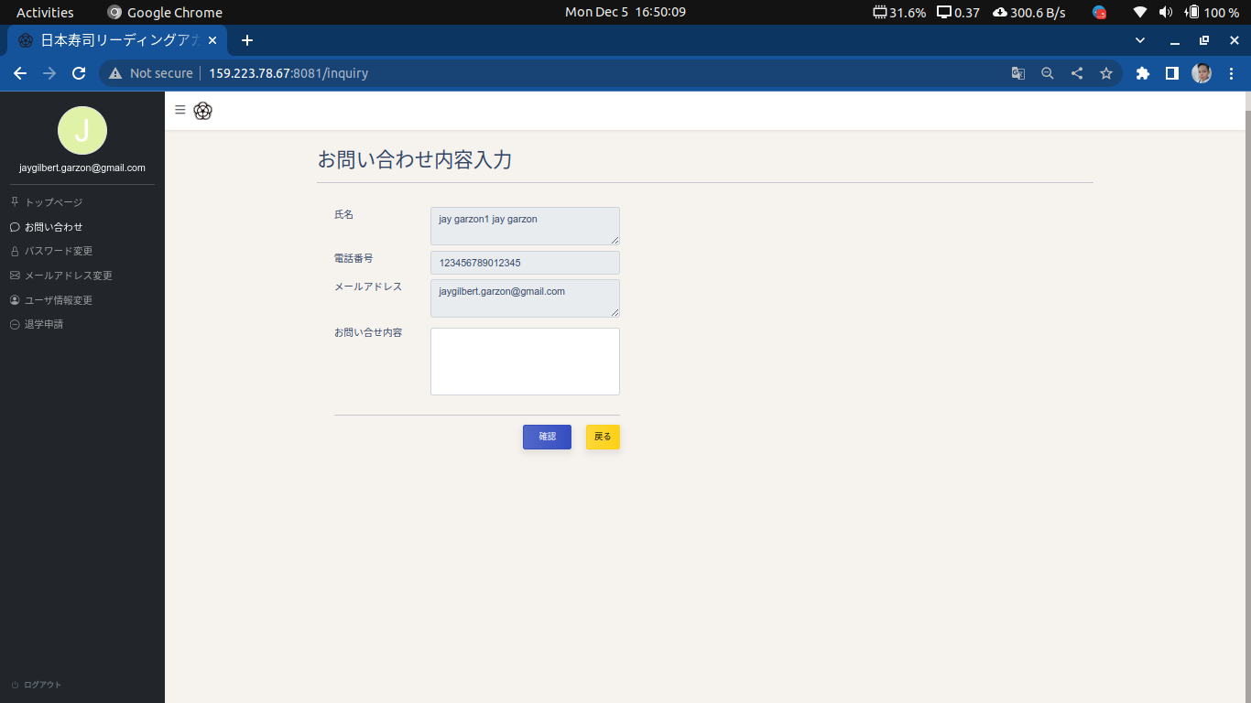

 |  | http://159.223.78.67:8081/

change-password
Screen name | Change Password
URL | http://159.223.78.67:8081/change-password
Responsibilities | Change password. Changes are only made on the sushi system management side.

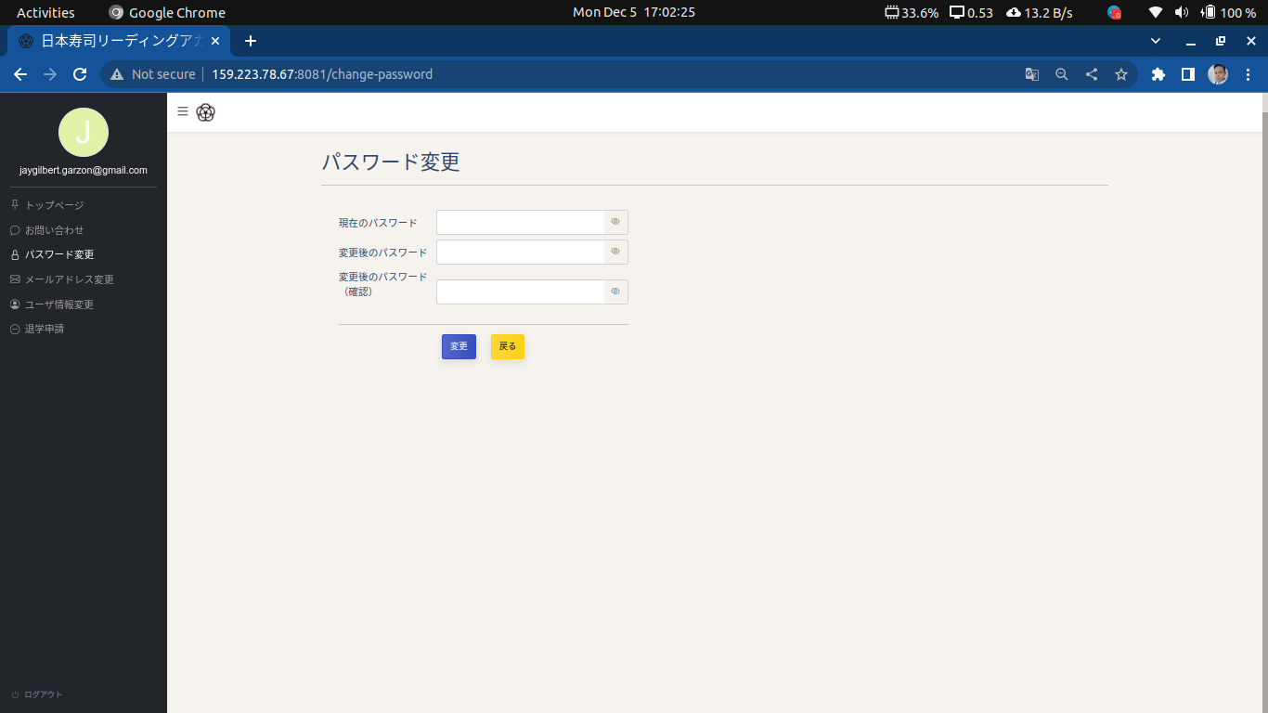

 |  | http://159.223.78.67:8081/

change-email
Screen name | Change email
URL | http://159.223.78.67:8081/change-email
Responsibilities | Change email. Changes are made both on sushi system management side and moodle site

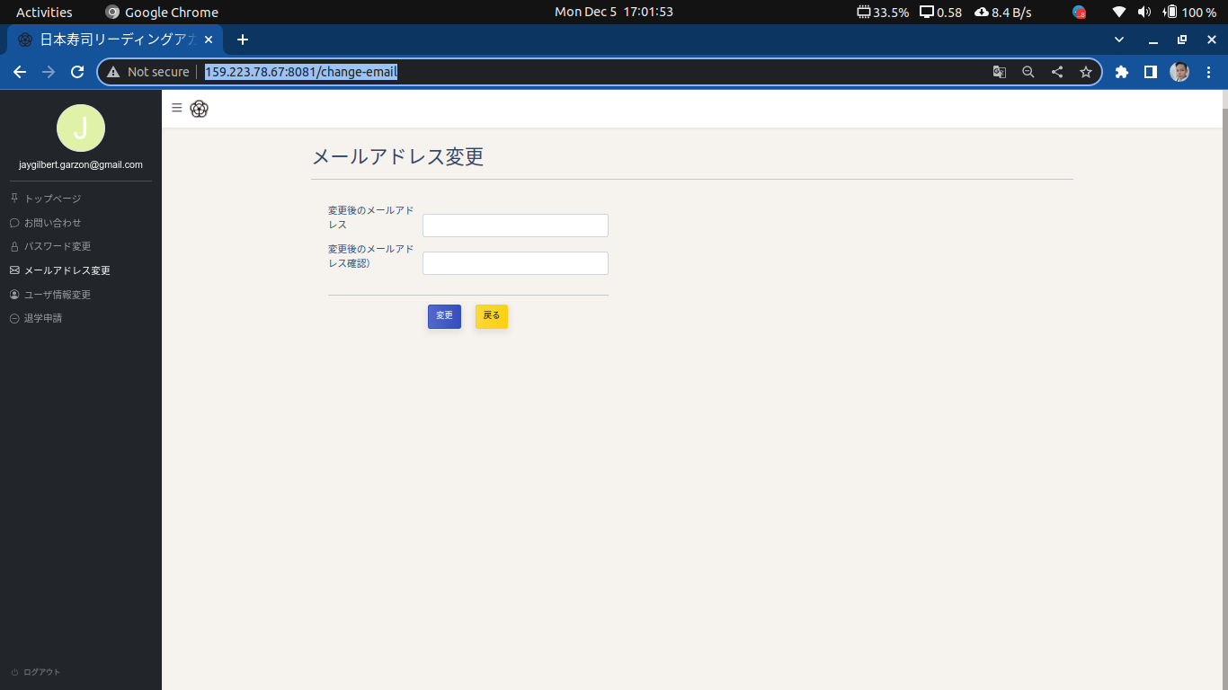

 |  | http://159.223.78.67:8081/

change-user-info
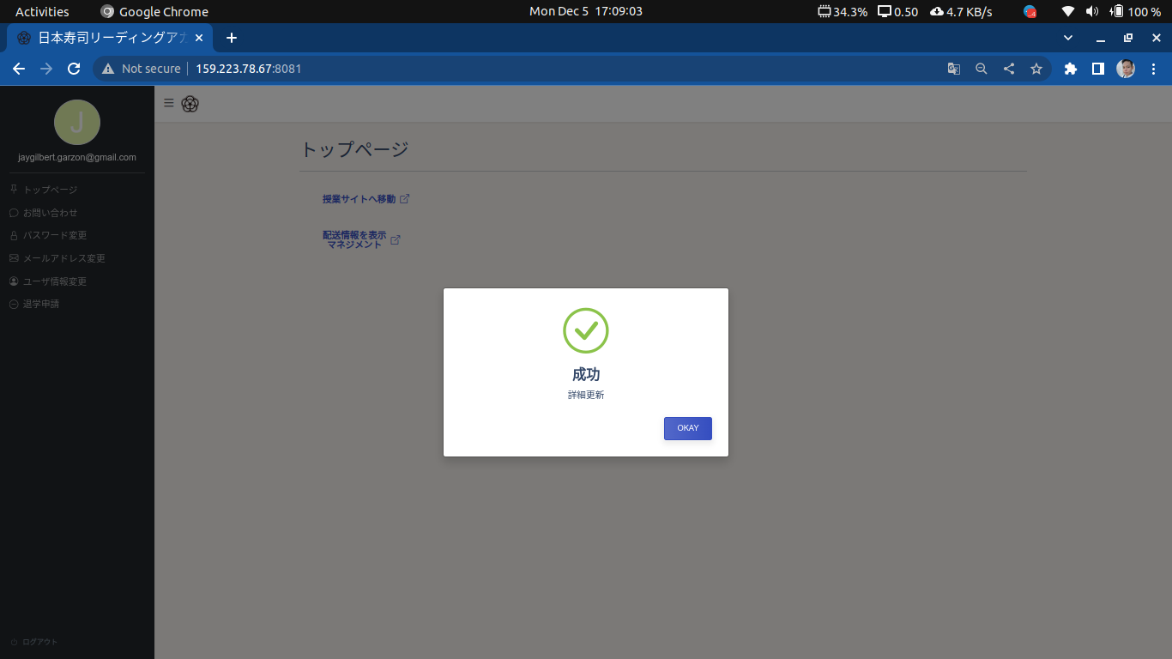
Screen name | Change User Information
URL | http://159.223.78.67:8081/change-user-info
Responsibilities | Page responsible for changing student’s details, adding, and changing their default address

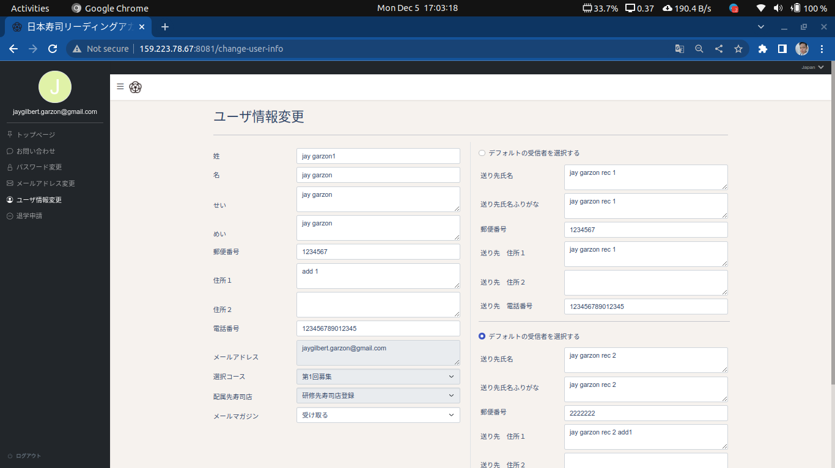

 |  | http://159.223.78.67:8081/

Note
Student can add up to 2 additional recipients, which can be set as their new default address.
To add new recipient, click add destination button and fill up the fields.

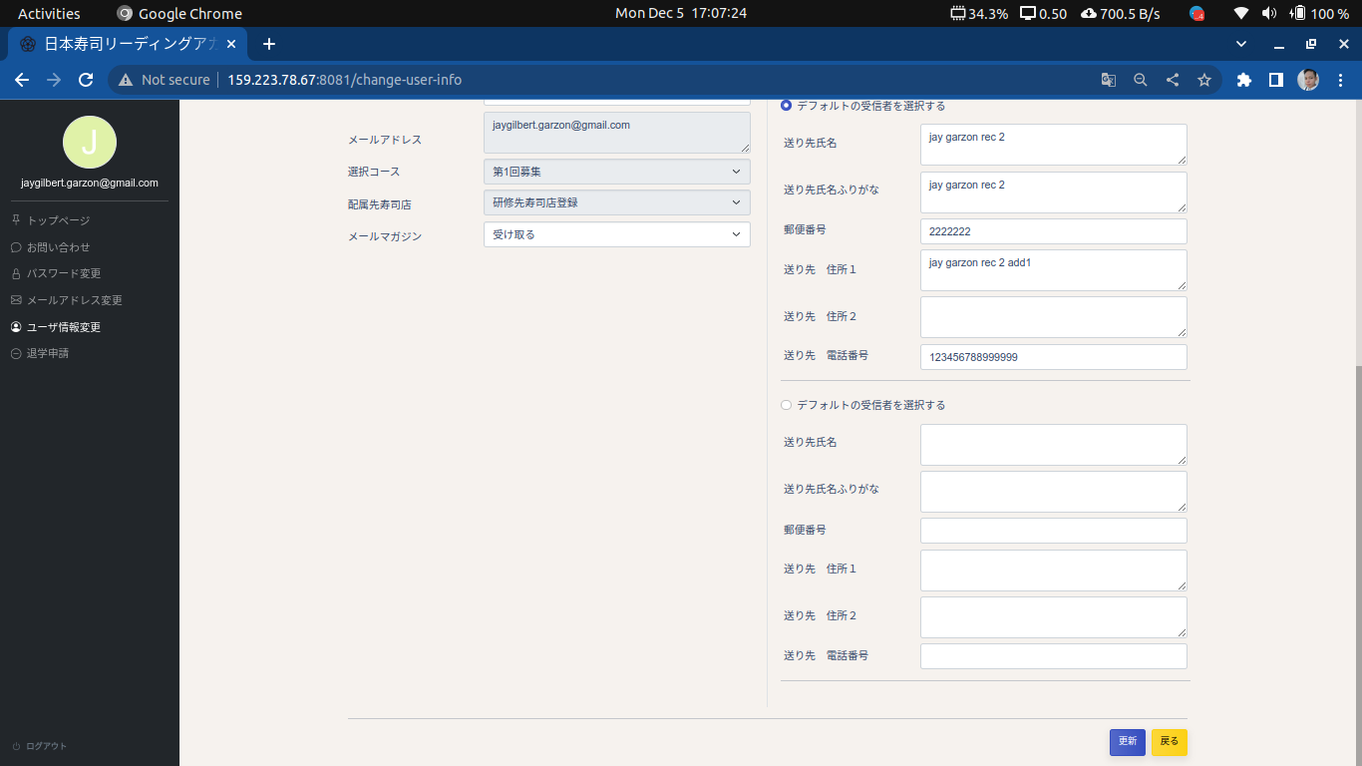

Note
To change default address, tick the radio button and click save to apply changes.

withdrawal-from-group
Screen name | Withdrawal from Group
URL | http://159.223.78.67:8081/withdrawal-from-group
Responsibilities | Page for student’s deactivation of account

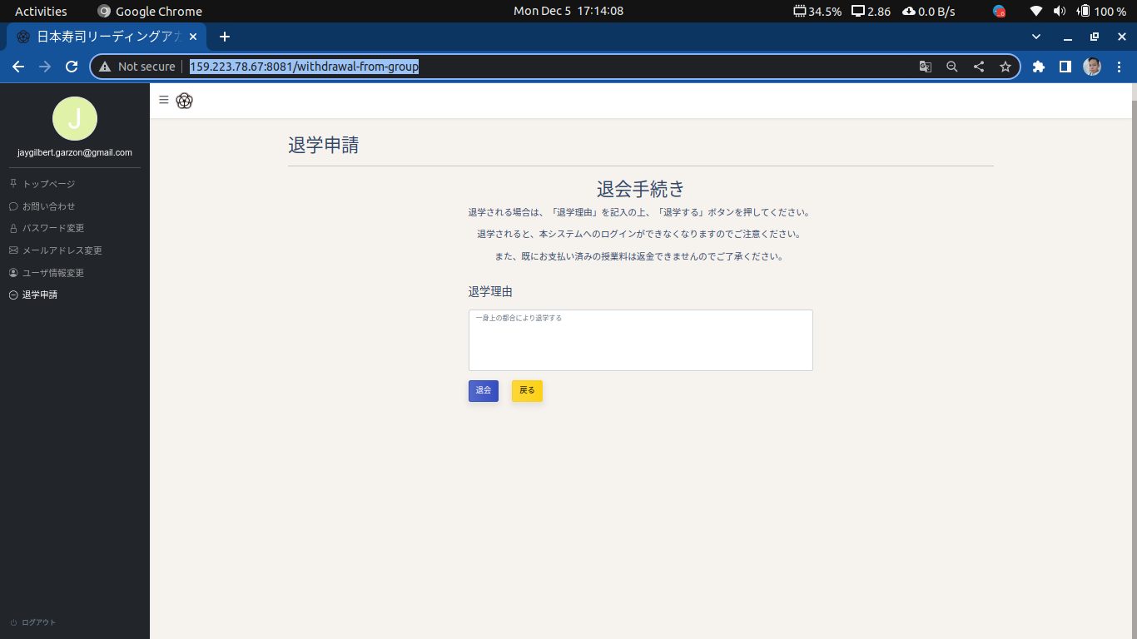

 |  | http://159.223.78.67:8081/

Note
Withdrawing from group would kick out the student out of the system.

Note
To change default address, tick the radio button and click save to apply changes.

signout
Screen name | Sign Out
URL
Responsibilities | Logging out of system

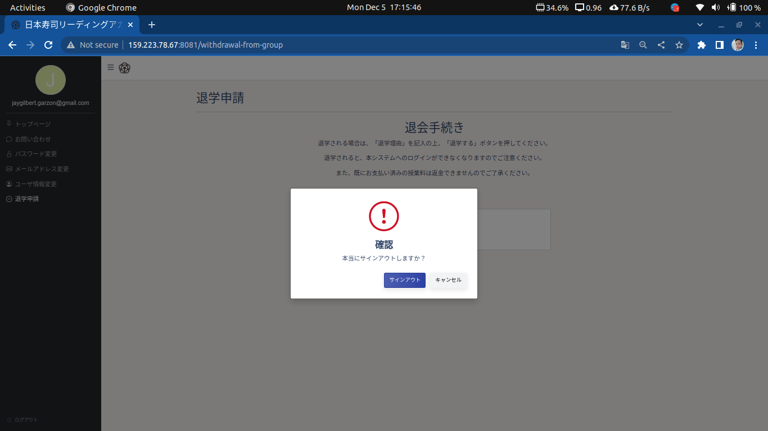

 |  | http://159.223.78.67:8081/

Note
To change default address, tick the radio button and click save to apply changes.

