signin
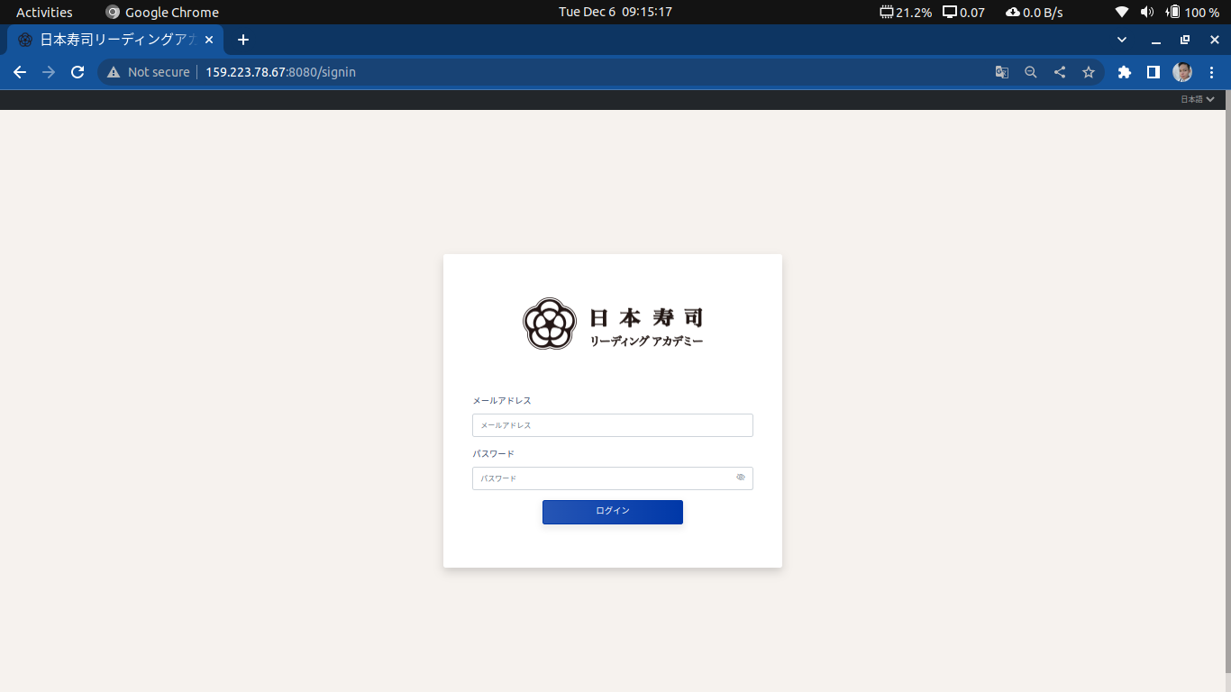
Screen name | Sign In
URL | http://159.223.78.67:8080/signin
Responsibilities | Logging in into system

dashboard
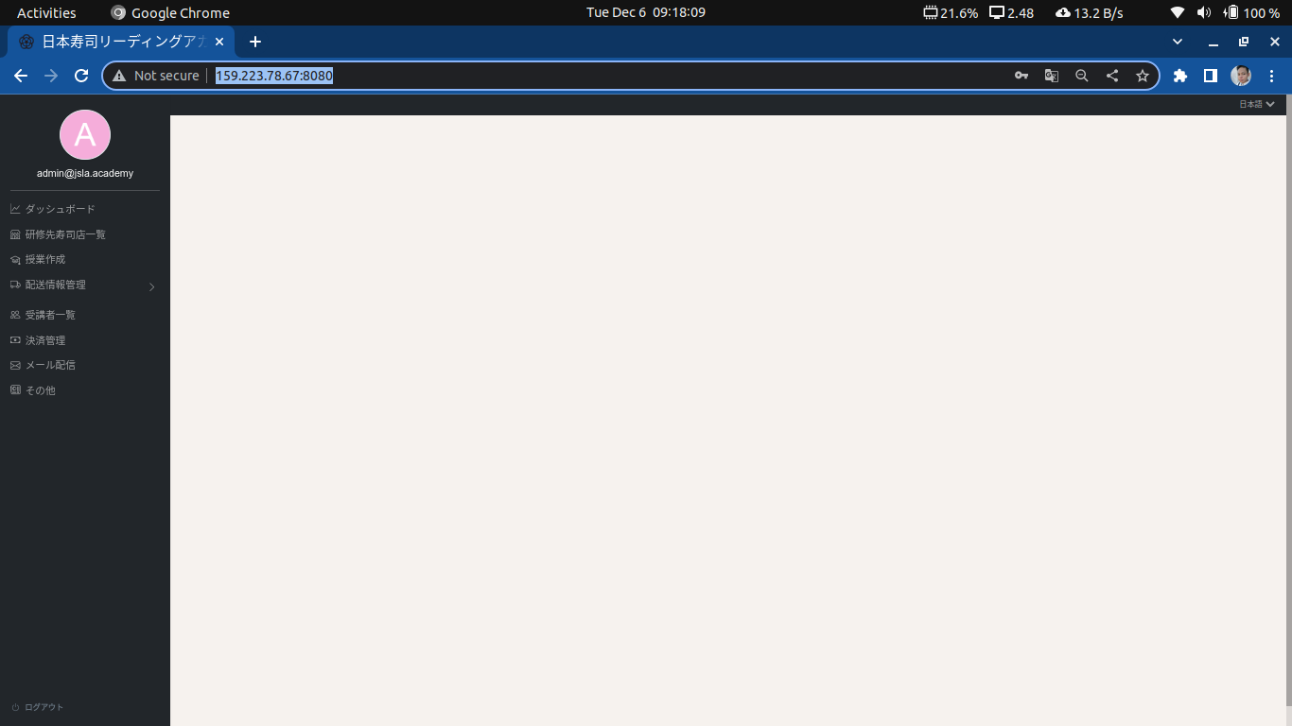
Screen name | Dashboard
URL | http://159.223.78.67:8080/
Responsibilities | Display administrative functions

restaurant-settings
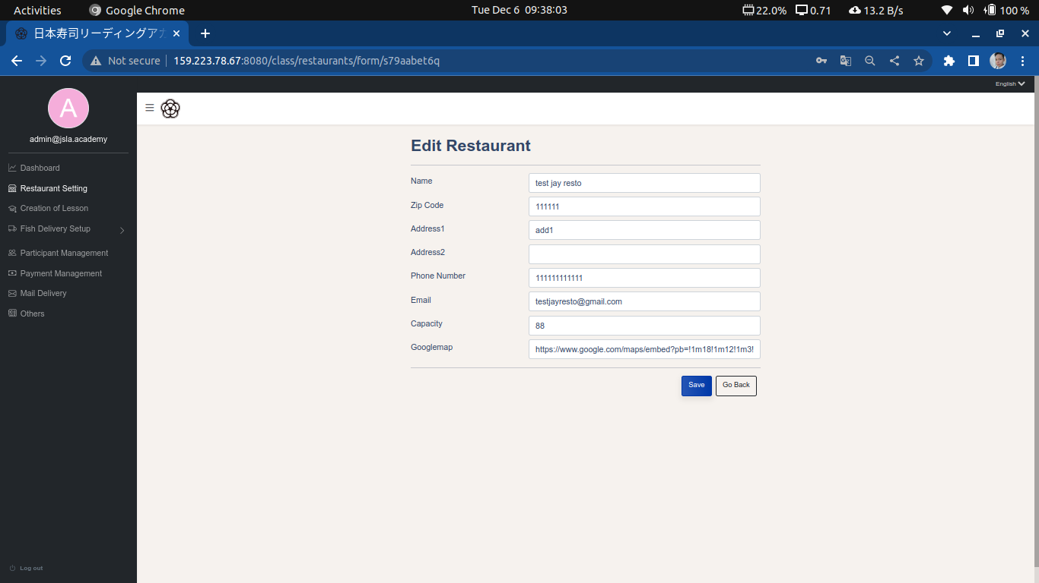
Screen name | Restaurant Settings
URL | http://159.223.78.67:8080/class/restaurants
Responsibilities | Adding, deleting, updating, searching of sushi restaurant.

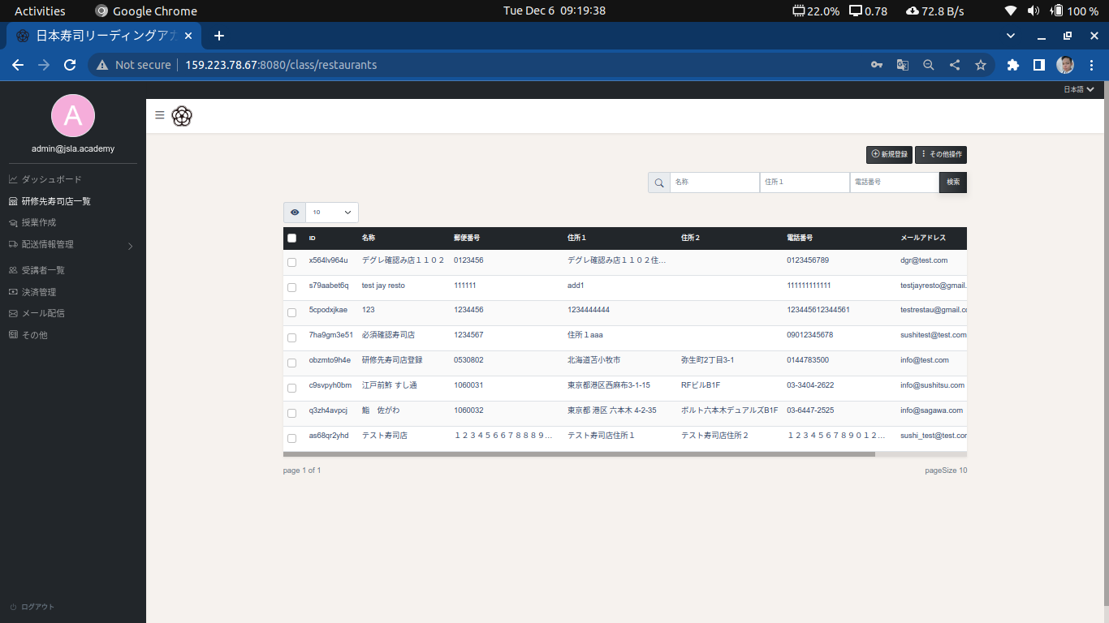

Note
To add new restaurant, click the “Add” button, and fill up the fields.


Note
To delete restaurant, tick the restaurants you wish to delete and click the “Actions” button and select “Delete selected row”

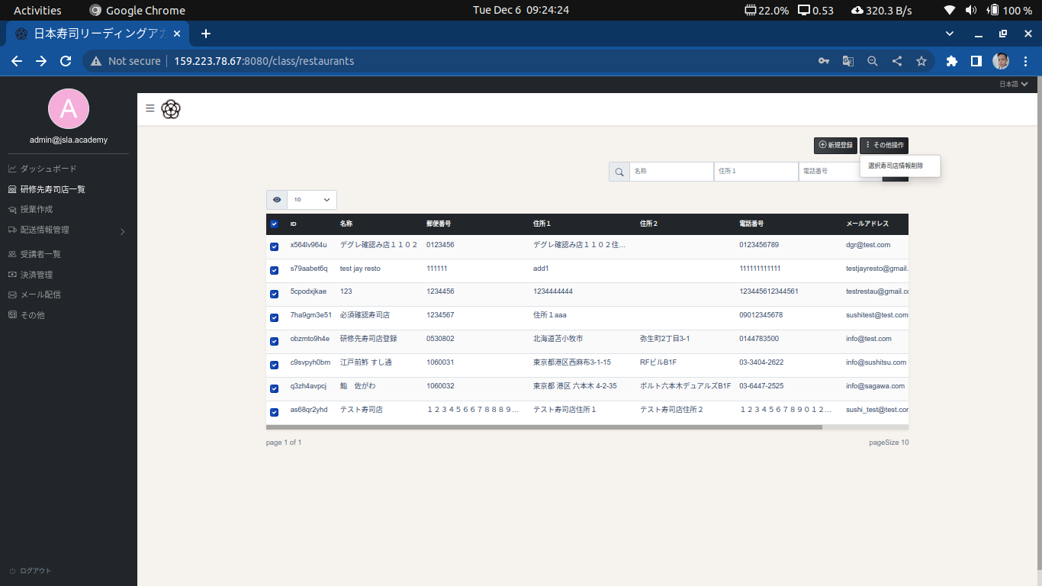

Note
To search, fill up the field you wish to search and click “Search” button to display the result

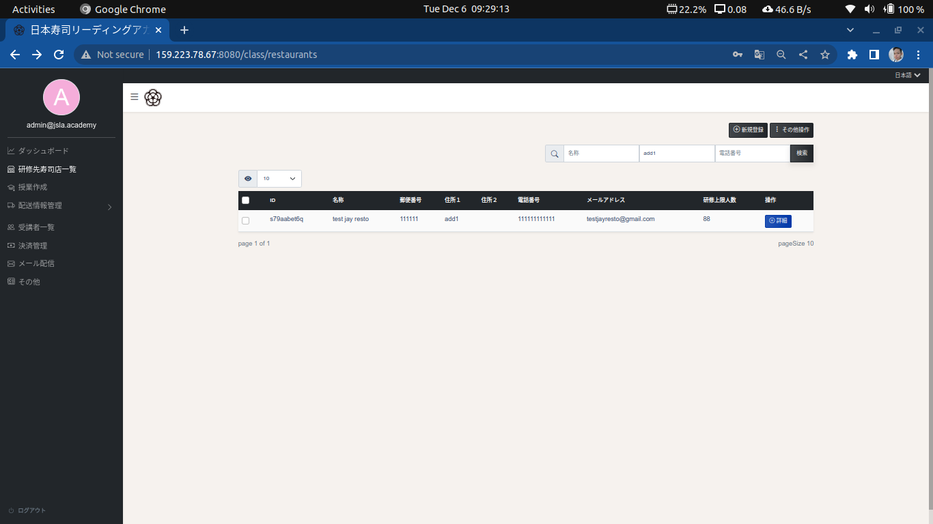

Note
To edit a restaurant, click the “Details” button, followed by edit button.

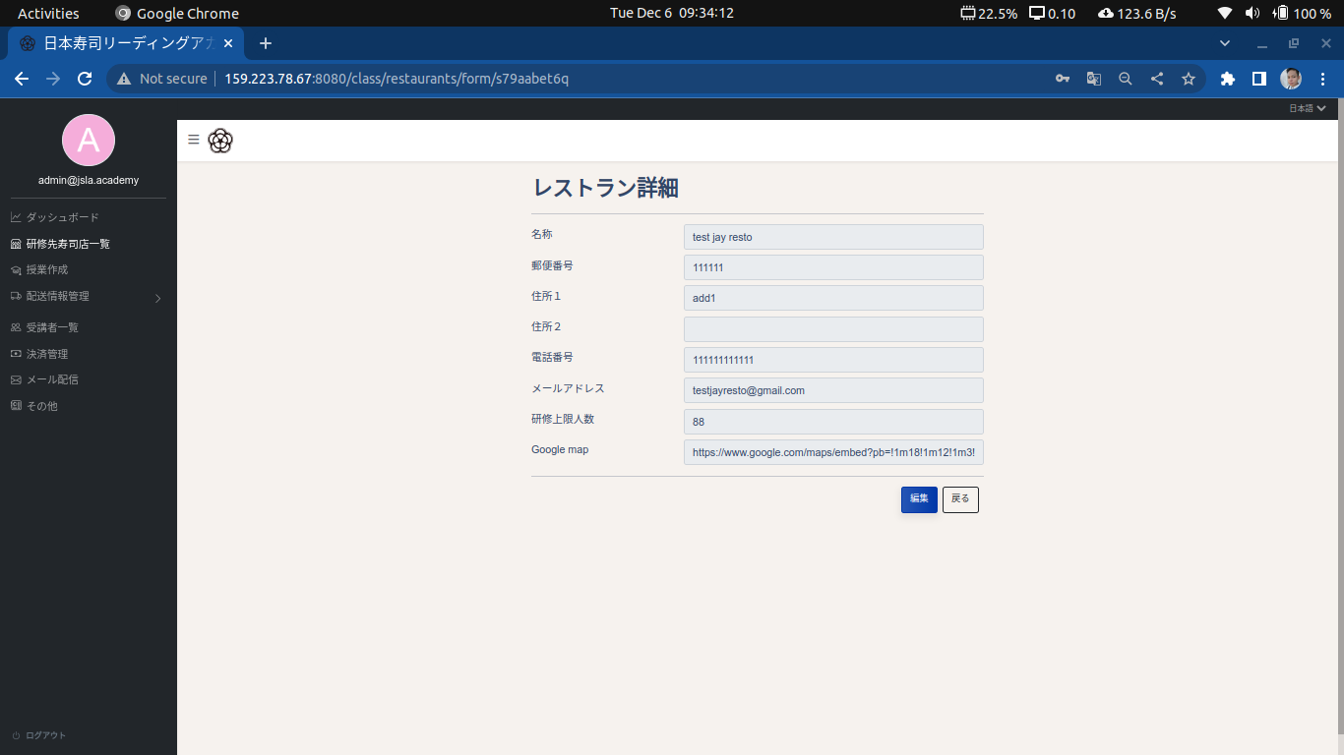

Note
To edit a restaurant, click the “Details” button, followed by “Edit” button.



Note
To save changes, click the “Save button”

creation-of-lesson
Screen name | Creation of Lesson
URL | http://159.223.78.67:8080/lesson
Responsibilities | Responsible for opening Moodle site, setting up courses and binding of courses to restaurant

Note
To open moodle site, click the “Go to class site”. Logging in will lead to moodle dashboard to setup courses, groups and as well as student management.

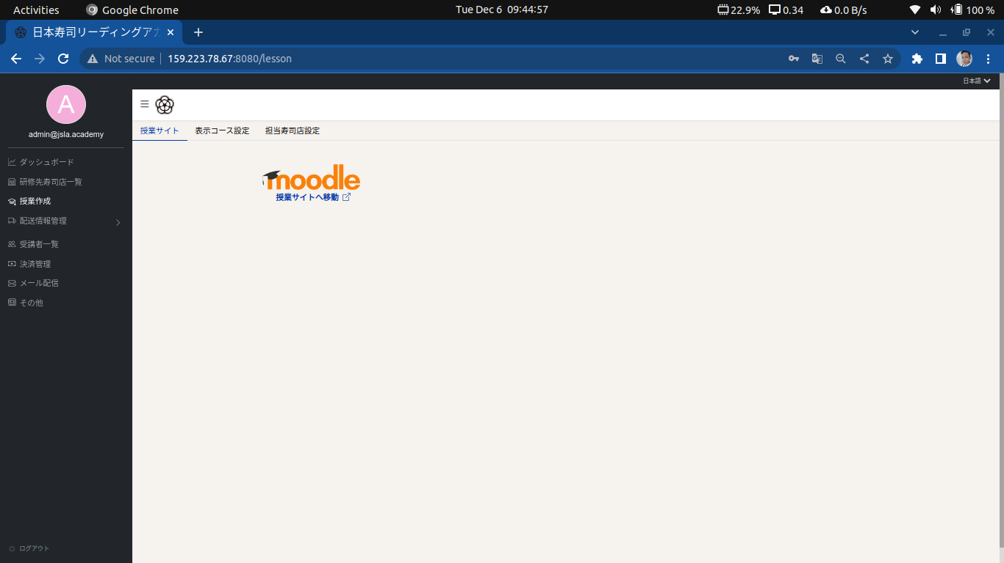

Note
To set up displayable courses, follow these steps

1. Select a category
2. From category, it will display all the courses created on that category. Now tick all the courses you wish to be set as “Displayable”
3. Click “Add to List” button
4. Click “Setup” button to save changes.
5. If you wish to set course as not displayable, click the “Delete from list” button and save the changes.

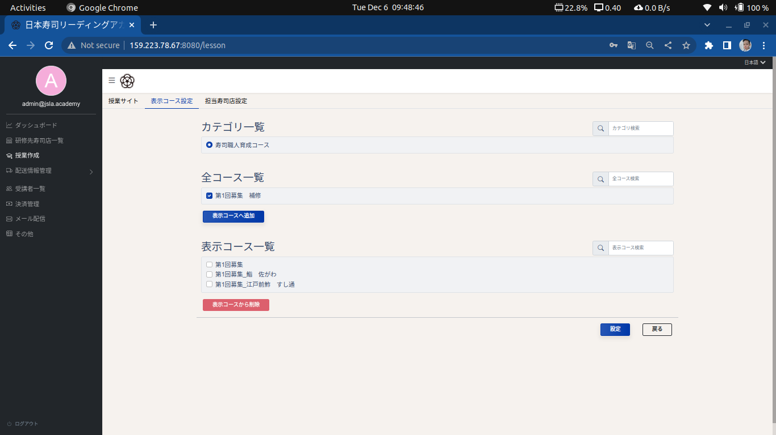

Note
Searching is also supported.

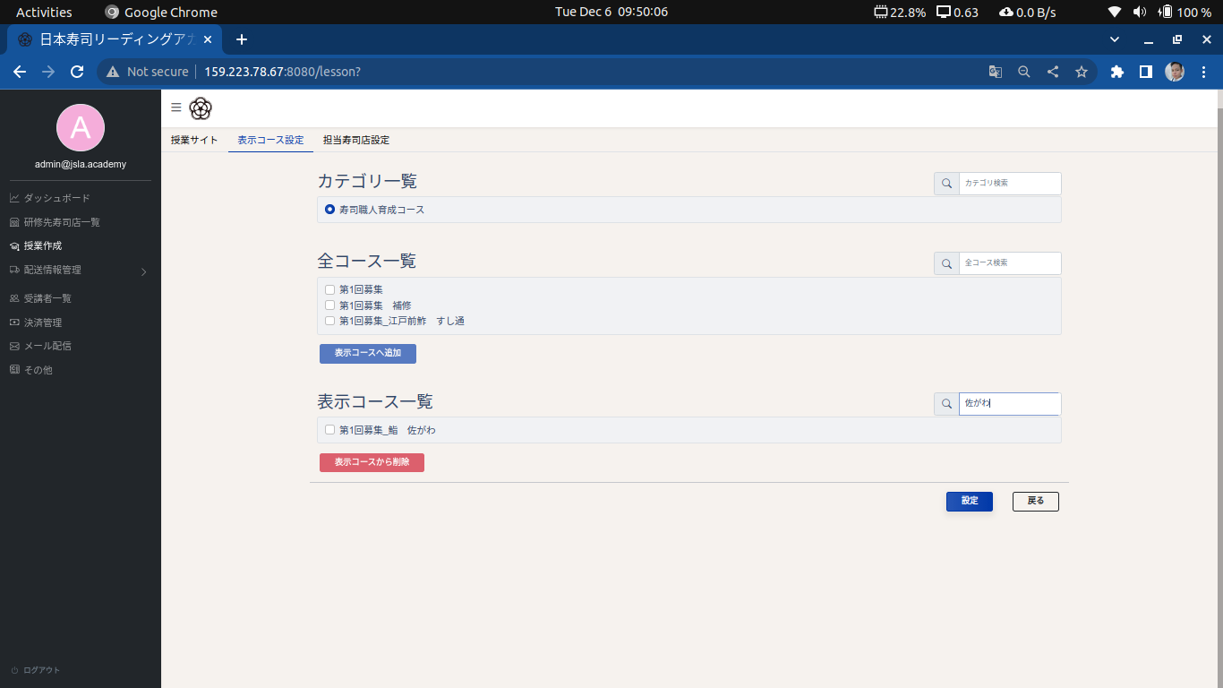

Note
To edit a restaurant, click the “Details” button, followed by edit button.

Note
To save changes, click the “Save button”

Note
To assign sushi restaurant to couse, Click the “Sushi Restaurant settings tab, also under the creation of lesson function.

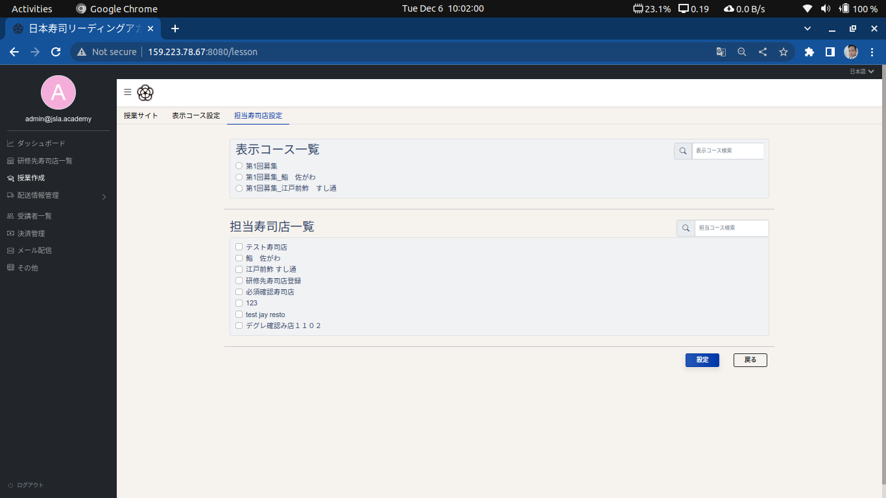

Note
To bind restaurant to a course, select a course and tick the restaurant you wish to assign it with.

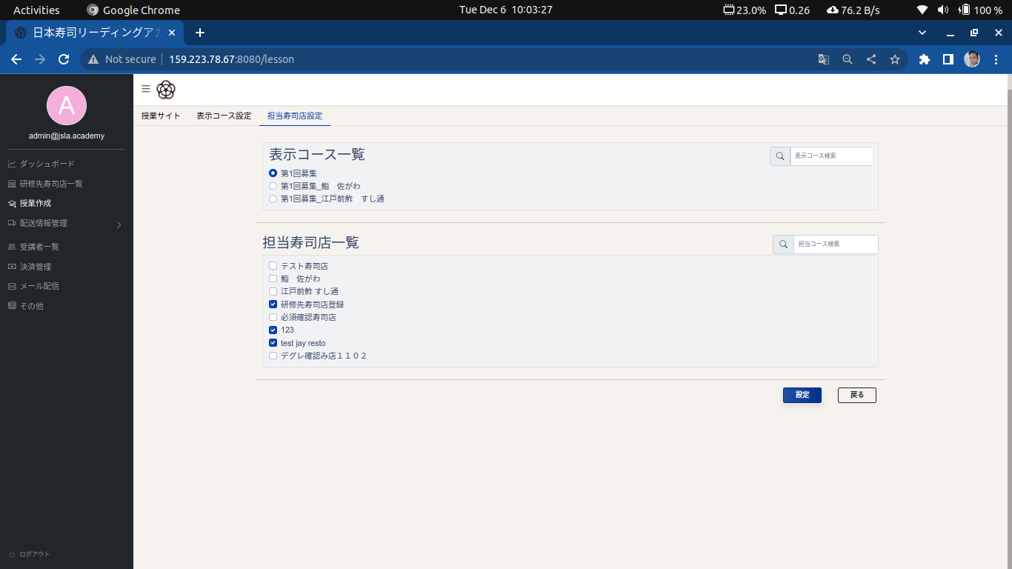

Note
Click “Save” button to save changes.
To unassign, uncheck the checkbox and click “Save” to apply.

fish-delivery-management
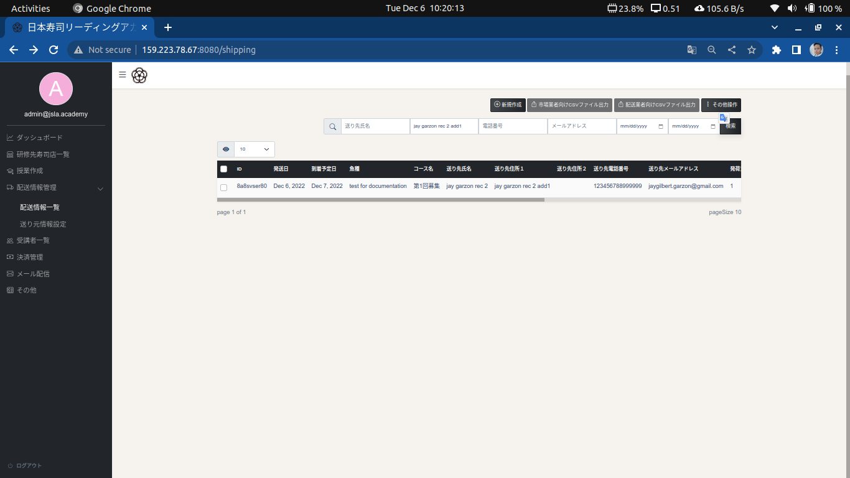
Screen name | Fish Delivery Management
URL | http://159.223.78.67:8080/shipping
Responsibilities | Screen responsible for displaying, creating, editing, updating of shipping for students. Exporting files to CSV for courier and market order.

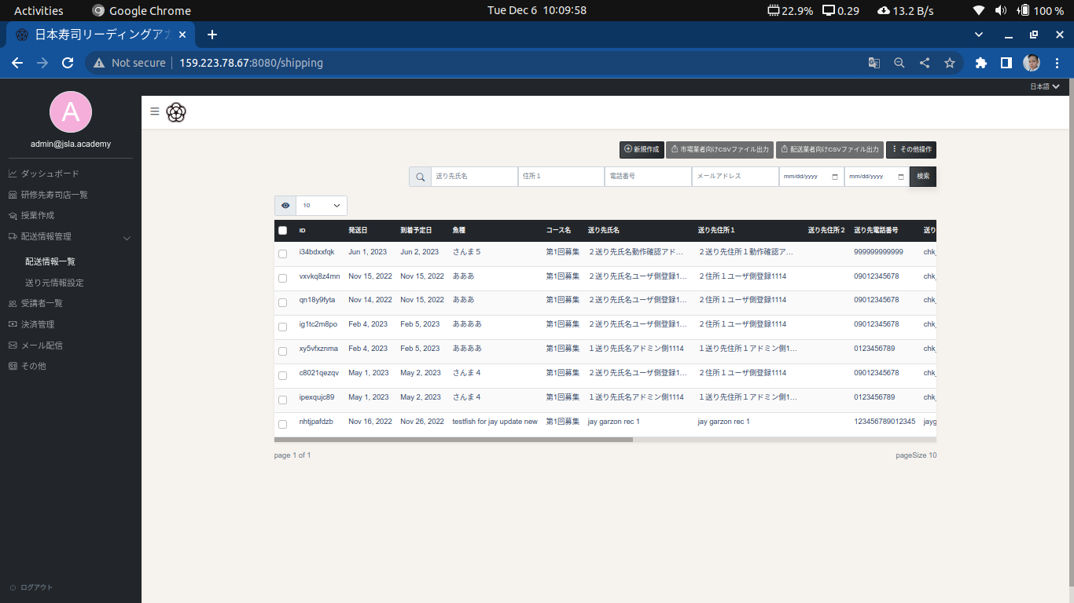

Note
To add a shipping, click the “Add” button, and fill up the fields. Click “Next” button to proceed.

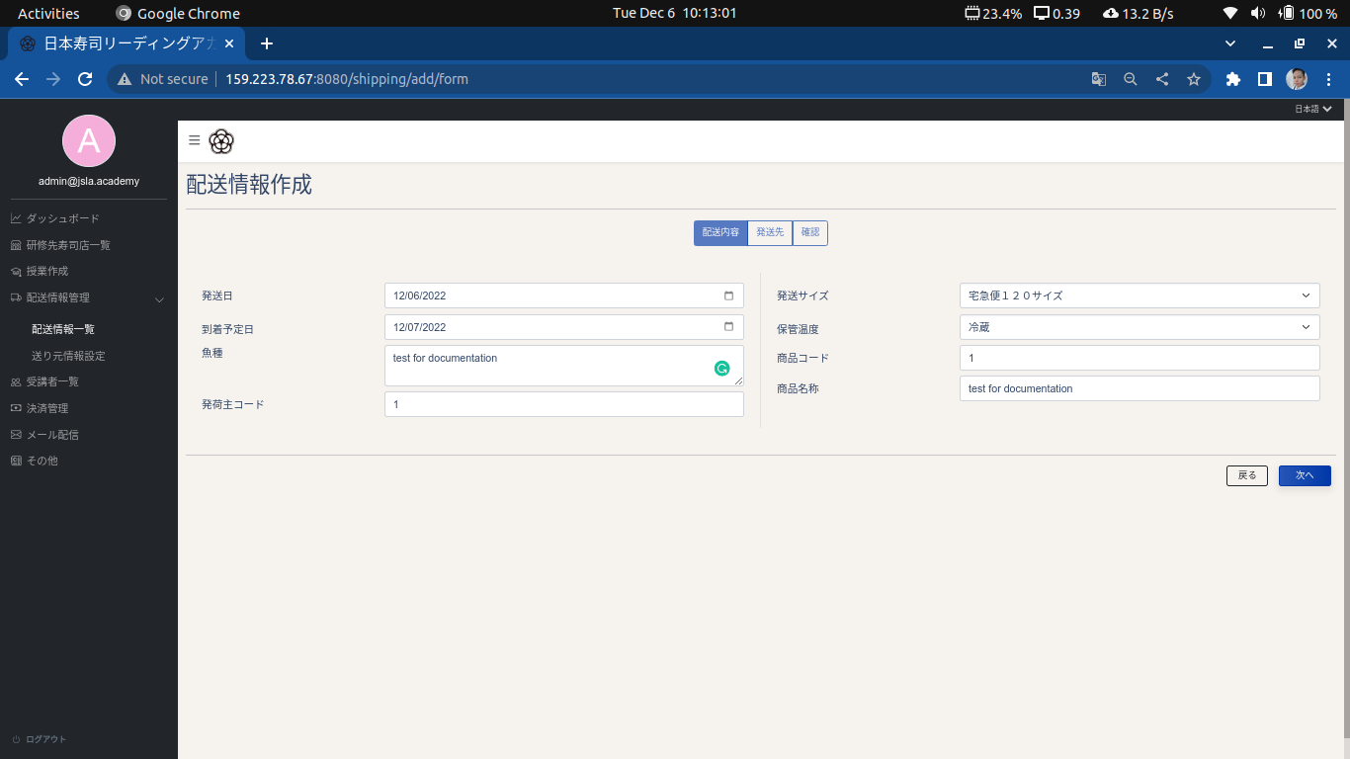

Note
Select a course and select a recipient, click the “Next” button to proceed.
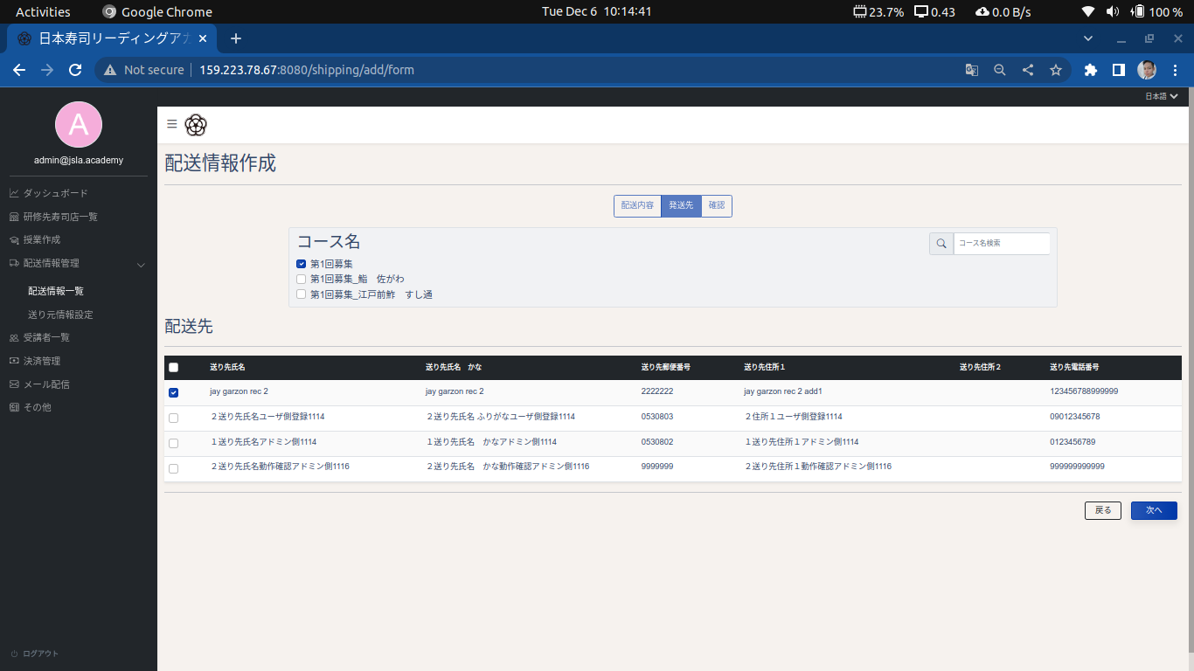

Note
Review the shipping click the “Shipping Creation” button to finish the creation process.

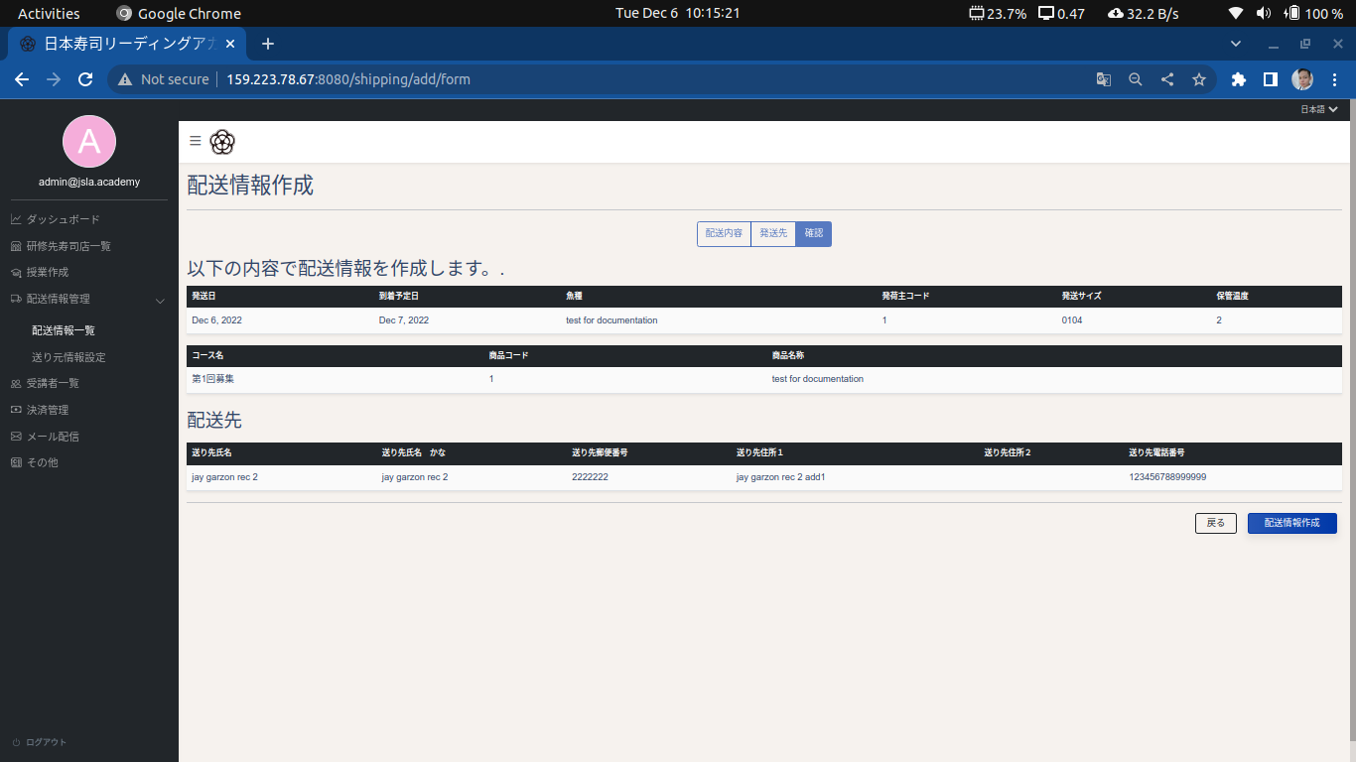

Note
Shipping was successfully created.



Note
To view and edit a shipping information, click item and edit the fields. Click the “Save” button to apply the changes.

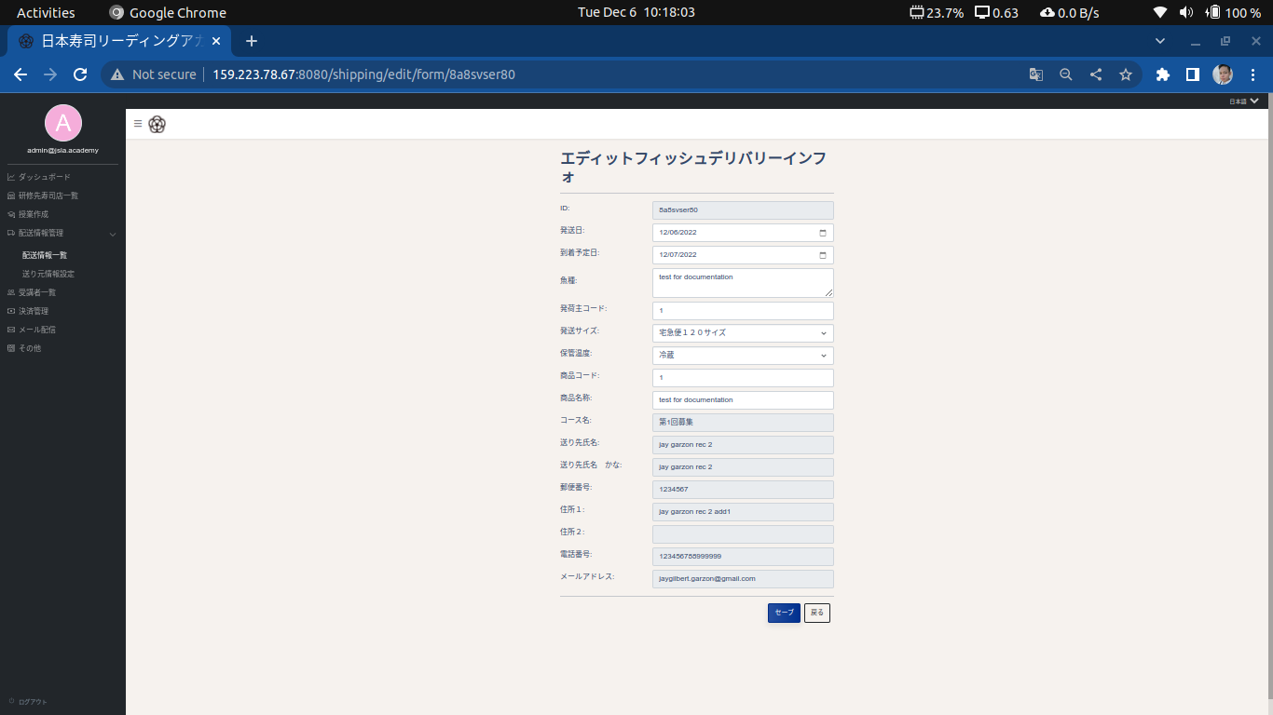

Note
To delete, tick the shipping you wish to delete. Click the “Actions” button and select “Delete selected rows”

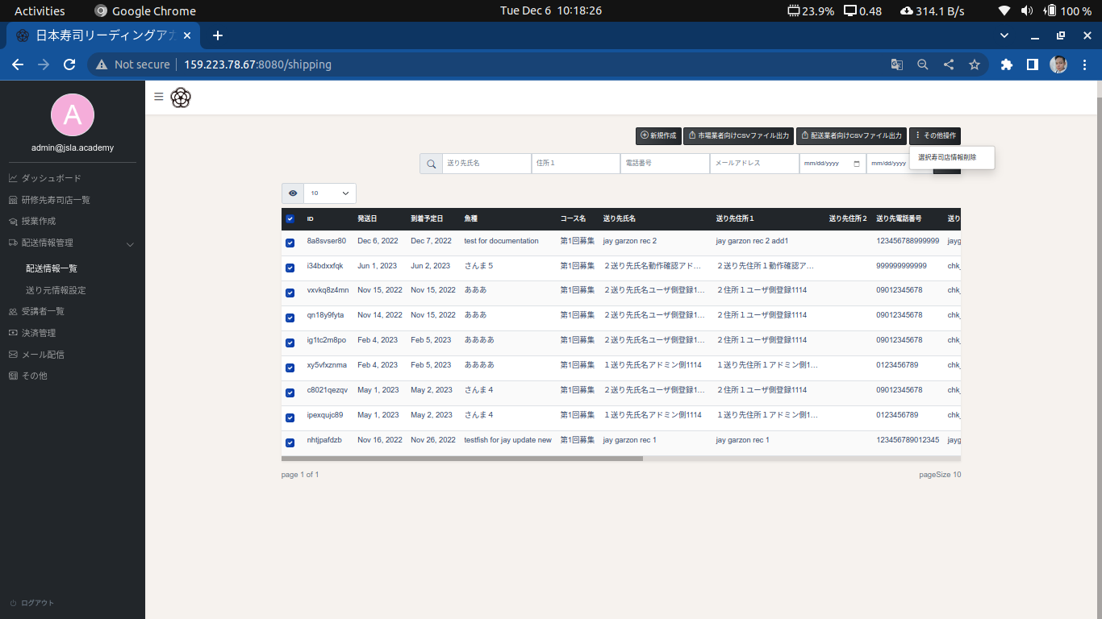

Note
To search, type in the field you wish to filter the list with. Click the “Search” button to show results

sender-information-settings
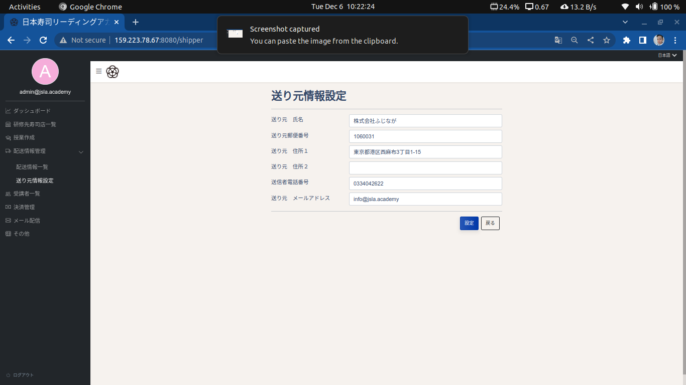
Screen name | Sender Information Settings
URL | http://159.223.78.67:8080/shipper
Responsibilities | Page responsible for adding, modifying the sender information

participant-management
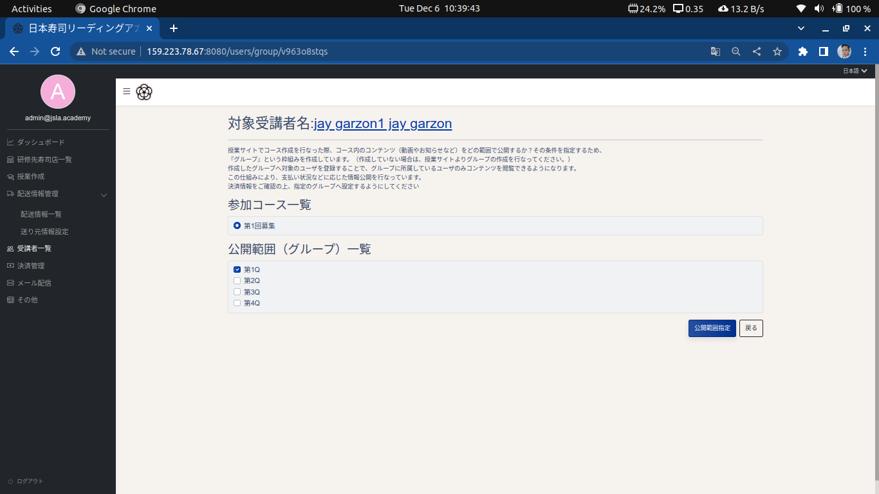
Screen name | Participant Management
URL | http://159.223.78.67:8080/users
Responsibilities | Screen responsible for displaying, creating, editing, updating of student information. Exporting of student details to CSV

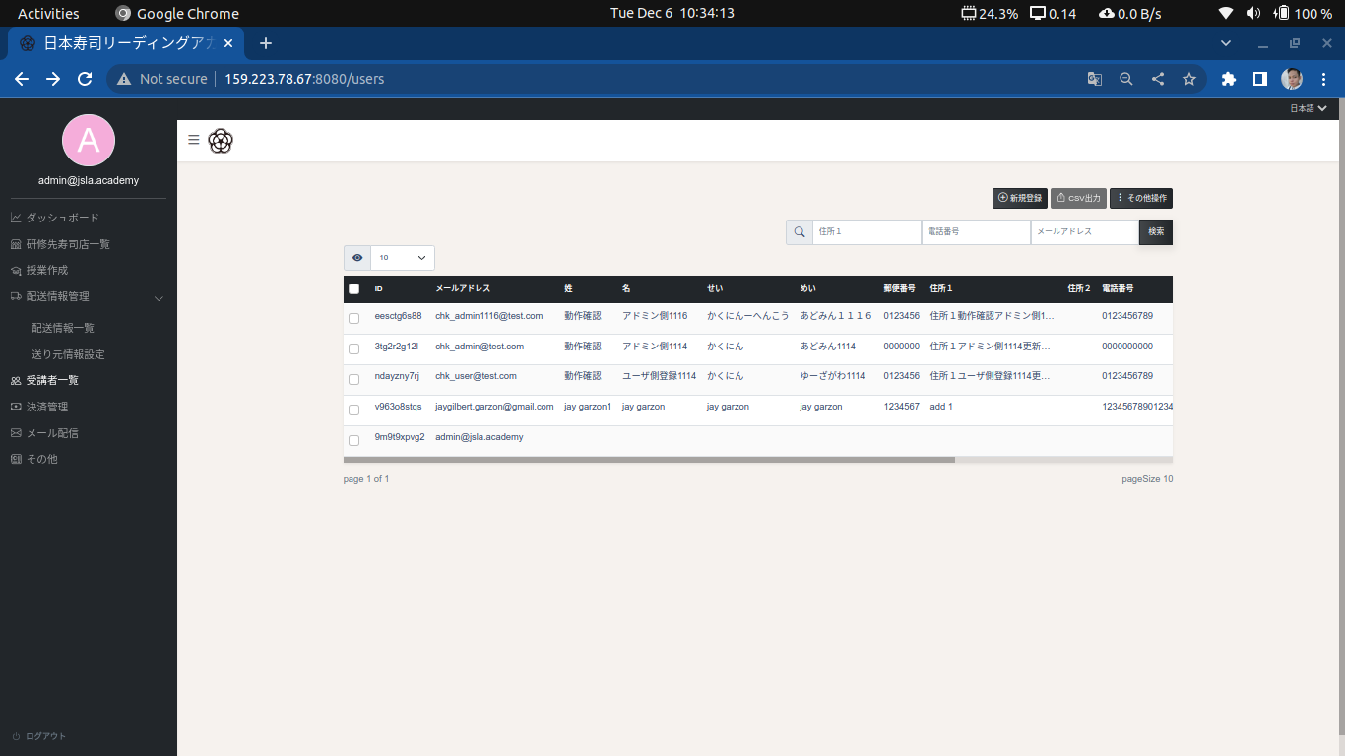

Note
To add a student, click the “Add” button, and fill up the fields. Click “Registration” button to proceed.

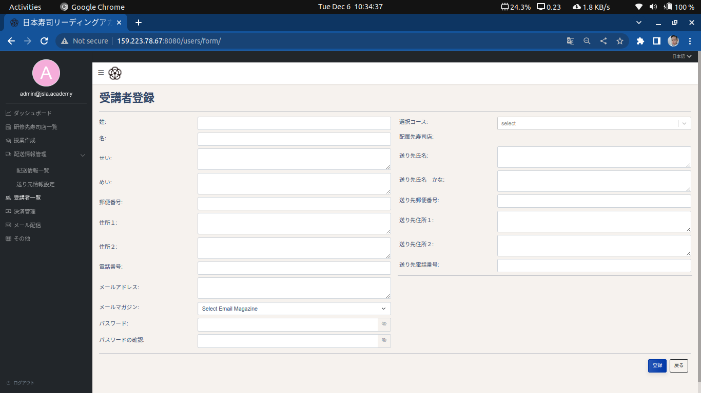

Note
To edit a student information, click a student and click “Edit User” button. You can also edit the student by clicking the “View details” button

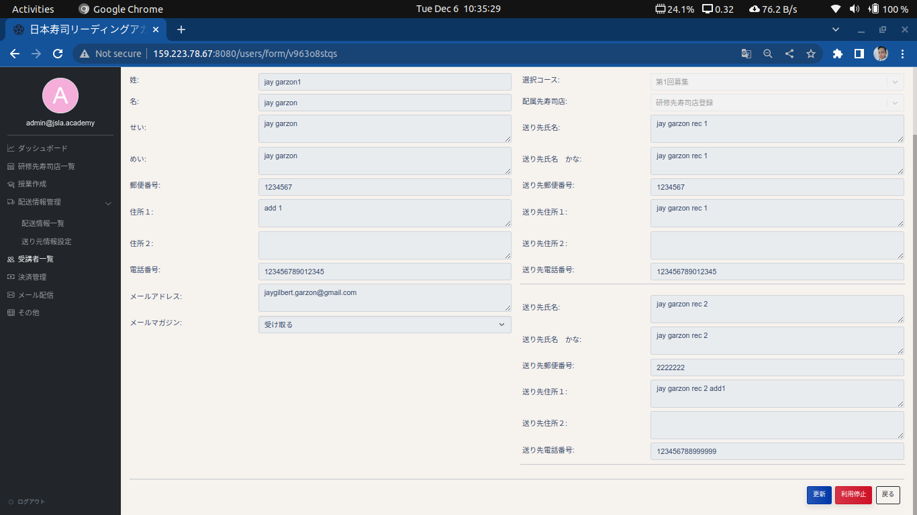

Note
To search, type in the field you wish to filter the list with. Click the “Search” button to show results



Note
To assign a student to a moodle group, click the “View courses” button

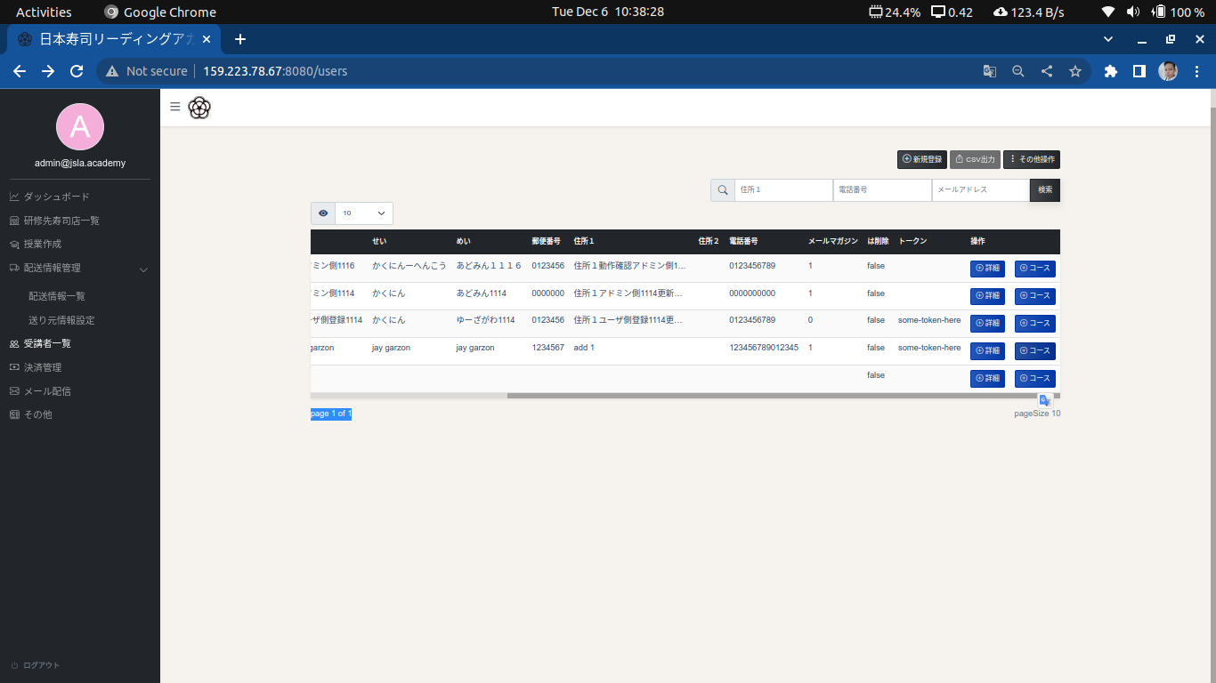

Note
Click a course and select the group you wish to add the student. Click the “Add to Group” button to apply the changes.

