Sheet1
Form | Tuan Complete Form
Submitted by | Ttran 1897 Excel Image
Submission timestamp | 2021-04-21 11:43:47 -04:00
Submission ID | 4677
Submission Counter | 125
Free Text Question | Test for rails 1897
Multi-line Text | Test Again
Initial Answer Text | Hello I should be pre-populated
Yes/No Question | true
Select Question | Thirteenth Option
Select Question with Resource | 12:00PM
Date Question | 2032-04-20
Time Question | 2021-04-21 13:45:00 +0000
Date + Time Question | 2021-04-20T13:45:00+00:00
Decimal Question | 256.0
Integer Question | 85
Location Question | lat=35.611054, long=-78.574767, alt=100.978786, hAccuracy=3.535534, vAccuracy=6.000000, timestamp=2021-04-20T17:45:12Z
Location Question Open Immediately | lat=35.611157, long=-78.574833, alt=99.097317, hAccuracy=4.197949, vAccuracy=4.000000, timestamp=2021-04-20T17:43:50Z
Email Question | test@test.com
Phone No. Question | 3214569780
Image: Image Question | 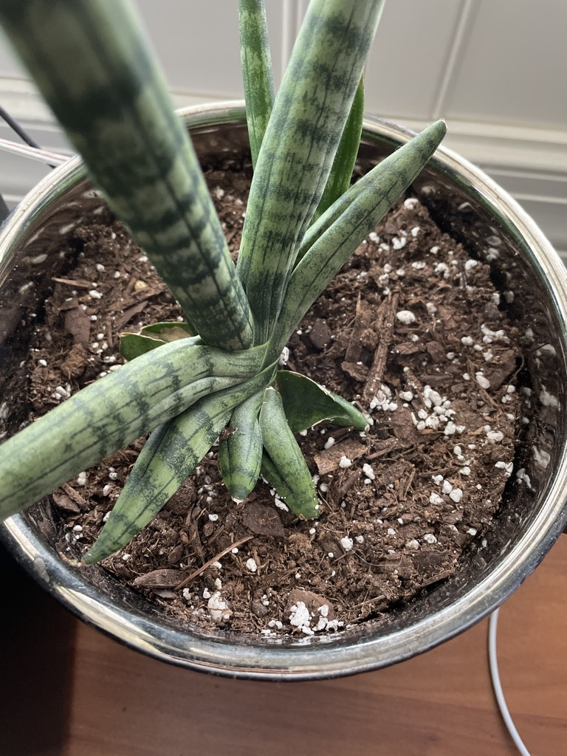
Image: Signature Question | 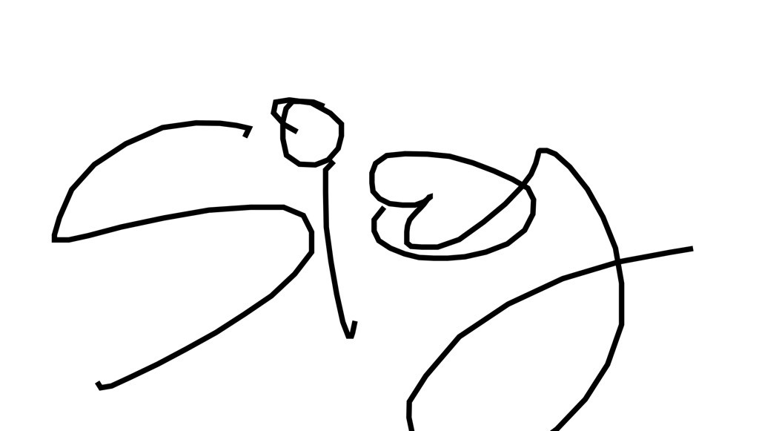
Barcode Question | 0886860773441
Image: Sketch Question | 
Password Question | jcjxuc
Calculated Question | 341.0
Attached File
Group: Group | Repeat groups are not yet fully supported
Subform: Subform | Subforms are not yet fully supported
Display only when Select Question with Resource | 17:00PM

