Sheet1
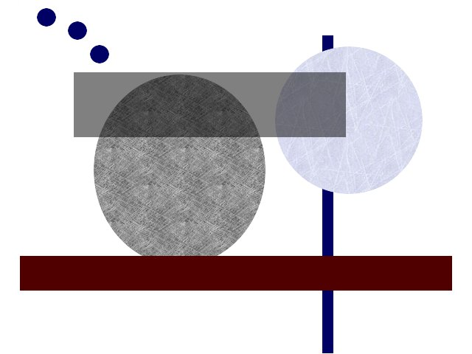
Heading A | Heading B | Heading C
Alpha
Bravo | 123
 |  | a;b;c;d

