LCD2004
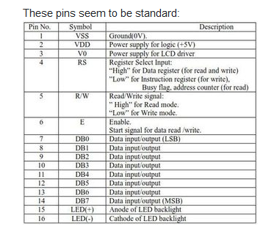
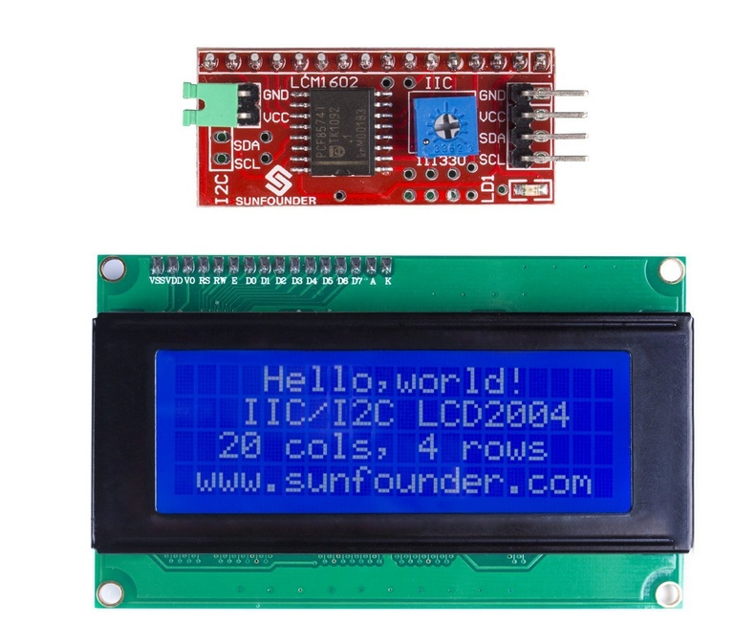
https://arduino.stackexchange.com/questions/6782/i2c-lcd-serial-interface-board-not-displaying-text-wrong-pins

fans
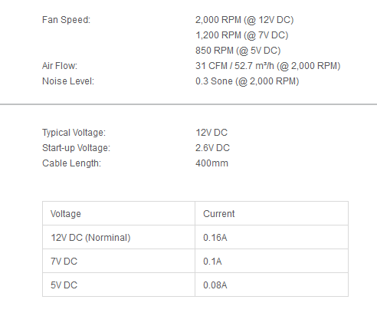
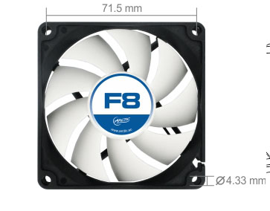
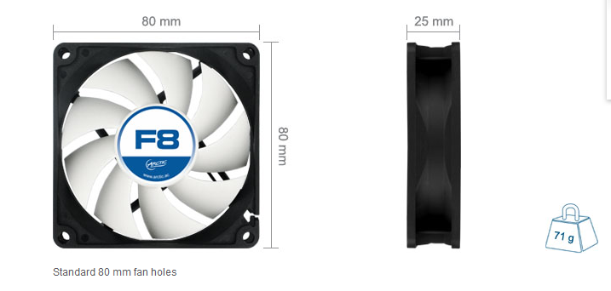
Arctic F8 80 mm fan

Thermistors
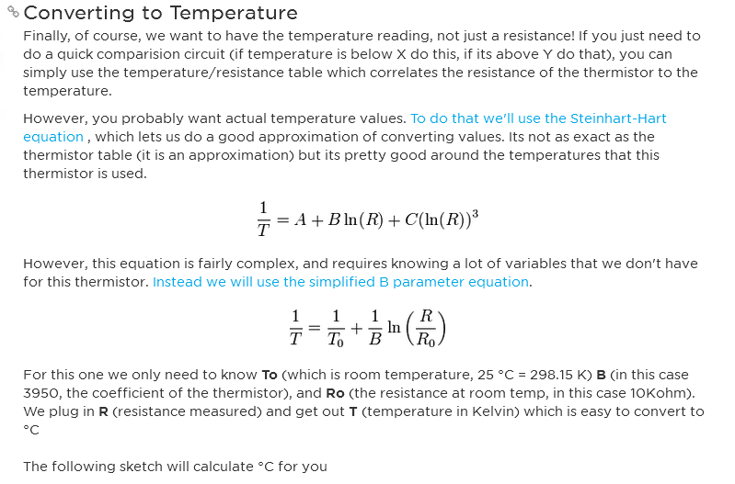
Thermistor resistance to temperature conversion:

digital temp sensor
One Wire ds18b20 digital temp sensor - IC Only

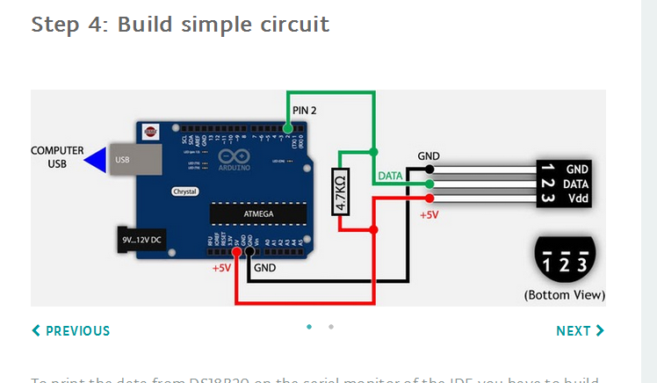

Amazon Feedback Comments

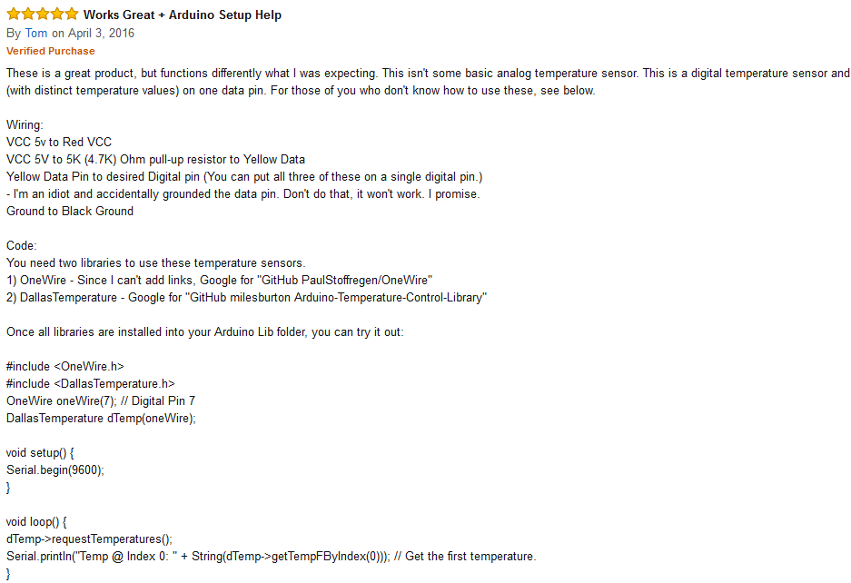

Link below shows how to find sensor addresses and addreess multiple sensors. Want code that allow you to replace sensors without finding addresses
https://www.hacktronics.com/Tutorials/arduino-1-wire-tutorial.html

Leonardo
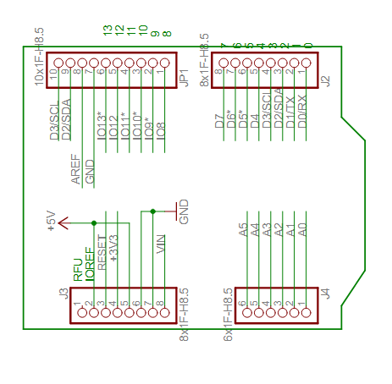
Lenonardo Techincal Info

Other
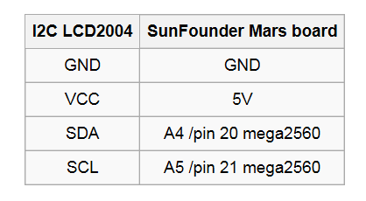
2 channel 10A Relay
https://www.sunfounder.com/wiki/index.php?title=2_Channel_5V_Relay_Module

SunFounder 20x4 I2C LCD2004
https://www.sunfounder.com/wiki/index.php?title=I2C_LCD2004

IO for Print
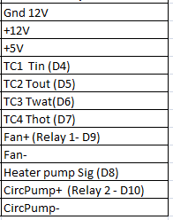
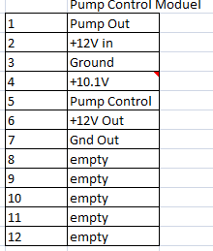

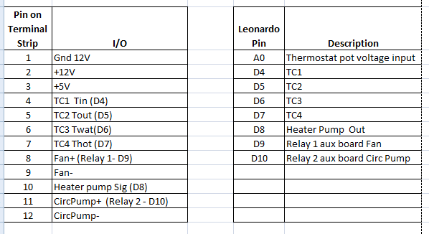

Potentiometer
https://www.amazon.com/MCIGICM-potentiometer-linear-WH148-Shaft/dp/B0791GYLBZ/ref=sr_1_2_sspa?s=electronics&ie=UTF8&qid=1523819106&sr=1-2-spons&keywords=potentiometer&psc=1
B Typ pot. Should be like the one I ordered

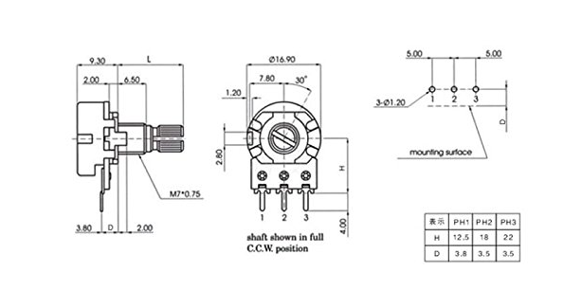

The ones I ordered.
https://www.ebay.com/itm/5pcs-10K-OHM-3-Terminal-Linear-Taper-Rotary-Audio-B-Type-Potentiometer/172618234352?ssPageName=STRK%3AMEBIDX%3AIT&_trksid=p2057872.m2749.l2648

