CartLog
Cart trace (rear axle, m)
 | Trace
0.00 | 0.00
0.00 | 0.00
0.00 | 0.00
0.00 | 0.00
0.00 | 0.00
0.00 | 0.00
0.00 | 0.00
0.00 | 0.00
0.00 | 0.00
0.00 | 0.00
0.00 | 0.00
0.00 | -0.01
0.00 | -0.01
0.00 | -0.01
0.00 | -0.01
0.00 | -0.11
0.00 | -0.32
0.00 | -0.79
0.00 | -0.81
0.00 | -0.84
0.00 | -0.85
0.00 | -0.88
0.00 | -0.90
0.00 | -0.93
-0.01 | -0.98
-0.01 | -1.03
-0.02 | -1.07
-0.03 | -1.14
-0.04 | -1.22
-0.07 | -1.31
-0.10 | -1.40
-0.14 | -1.49
-0.18 | -1.58
-0.23 | -1.67
-0.29 | -1.75
-0.34 | -1.83
-0.41 | -1.90
-0.48 | -1.97
-0.55 | -2.04
-0.63 | -2.10
-0.71 | -2.16
-0.79 | -2.21
-0.88 | -2.25
-0.97 | -2.29
-1.06 | -2.32
-1.16 | -2.35
-1.26 | -2.37
-1.35 | -2.39
-1.45 | -2.40
-1.55 | -2.40
...
Timestamp | Type | Value | Description | RearSteps | FrontSteps | BNO heading (deg) | BNO cal | iPhone compass (deg) | Compass WP
0 | S | 0 | Speed 0 m/hr | 3173950 | 3288871
0 | T | 98 | Steer centre | 3173950 | 3288871
1.1574074074E-05 | S | 10 | Speed 10 m/hr | 3173950 | 3288871
1.1574074074E-05 | S | 20 | Speed 20 m/hr | 3173966 | 3288887
2.3148148148E-05 | S | 30 | Speed 30 m/hr | 3174070 | 3288991
2.3148148148E-05 | S | 40 | Speed 40 m/hr | 3174166 | 3289087
2.3148148148E-05 | S | 50 | Speed 50 m/hr | 3174238 | 3289159
2.3148148148E-05 | S | 60 | Speed 60 m/hr | 3174576 | 3289497
2.3148148148E-05 | S | 70 | Speed 70 m/hr | 3174826 | 3289747
3.4722222222E-05 | S | 80 | Speed 80 m/hr | 3175452 | 3290373
3.4722222222E-05 | S | 90 | Speed 90 m/hr | 3176037 | 3290958
4.6296296296E-05 | S | 100 | Speed 100 m/hr | 3177200 | 3292121
4.6296296296E-05 | S | 100 | Speed 100 m/hr | 3178387 | 3293308
4.6296296296E-05 | S | 100 | Speed 100 m/hr | 3179258 | 3294179
5.787037037E-05 | S | 100 | Speed 100 m/hr | 3181103 | 3296024
0.00013888888889 | W | 1 | W=1 | 3233997 | 3348918
0.00023148148148 | C | 180 | iPhone compass 180 -> WP1 | 3352025 | 3466946 |  |  | 180 | 1
0.00041666666667 | T | 103 | Steer right 5 deg | 3618593 | 3733601
0.00041666666667 | T | 108 | Steer right 10 deg | 3628685 | 3743606
0.00042824074074 | T | 113 | Steer right 15 deg | 3643562 | 3758570
0.00043981481481 | T | 118 | Steer right 20 deg | 3652697 | 3767705
0.00043981481481 | T | 123 | Steer right 25 deg | 3668096 | 3783017
0.00045138888889 | T | 128 | Steer right 30 deg | 3680624 | 3795545
0.00046296296296 | T | 133 | Steer right 35 deg | 3694196 | 3809117
0.00049768518519 | W | 2 | W=2 | 3753008 | 3867929
0.00052083333333 | t | 133 | Steer right 35 deg | 3777020 | 3891941
0.00056712962963 | C | 180 | iPhone compass 180 -> WP2 | 3858713 | 3973721 |  |  | 180 | 2
0.0017592592593 | T | 98 | Steer centre | 5627771 | 5742779
0.0018055555556 | W | 3 | W=3 | 5700416 | 5815424
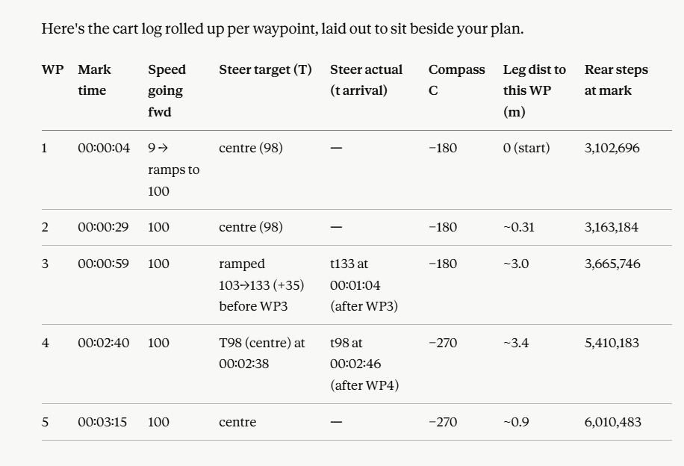
0.0018634259259 | t | 98 | Steer centre | 5775062 | 5889983
0.001875 | C | 270 | iPhone compass 270 -> WP3 | 5802641 | 5917562 |  |  | 270 | 3
0.0020949074074 | W | 4 | W=4 | 6059030 | 6173951
0.0021875 | C | 270 | iPhone compass 270 -> WP4 | 6059030 | 6173951 |  |  | 270 | 4

