Digital_Physical_validation
 |  | Ref |  |  |  |  |  |  |  |  |  | U(V) | 12
 |  | WA22 |  |  |  |  |  |  |  |  |  | T(°C) | 20 |  |  |  |  |  |  |  | Pression (en Bar)
 |  |  |  |  |  |  |  |  |  |  | Ref | a1 | b1 | E | Tau | a2 | b2 | t1 | t2 | t3 | t | 0 | 0.1 | 0.2 | 0.3 | 0.4 | 0.5 | 0.6 | 0.7 | 0.8 | 0.9 | 1 | 1.1 | 1.2 | 1.3 | 1.4 | 1.5 | 1.6 | 1.7 | 1.8 | 1.9 | 2
U(V) | T(°C) |  | Coef.6 U [V] + Coef.5 T [°C] + Coef.4 U [V]² +Coef.3 T [°C]²+ Coef.2 U [V]^3 + Coef.1 T [°C]^3 + Cte |  |  |  |  |  |  |  | WA22 | 22.012 | -0.773 | 1.071 | 0.045 | 0.015 | 2.174 | 0.084 | 0.525 | 2.000 | model | 0 | 1.3962929046 | 2.0731884113 | 2.1482241841 | 2.1565421108 | 2.1574641764 | 2.1824104388 | 2.1838823428 | 2.1853542467 | 2.1868261506 | 2.1882980545 | 2.1897699584 | 2.1912418624 | 2.1927137663 | 2.1941856702 | 2.1956575741 | 2.197129478 | 2.1986013819 | 2.2000732859 | 2.2015451898 | 2.2030170937
8 | -30 |  | 1 | 1 | 1 | 1 | 1 | 1 | 1 |  |  | 21.9764 | -0.7571 | 1.0688 | 0.0417 | 0.0116 | 2.1737 | 0.085 | 0.348 | 2 | exp.1 | 0 | 1.4338029287 | 2.1118983497 | 2.1735319069 | 2.17834 | 2.1795 | 2.18066 | 2.18182 | 2.18298 | 2.18414 | 2.1853 | 2.18646 | 2.18762 | 2.18878 | 2.18994 | 2.1911 | 2.19226 | 2.19342 | 2.19458 | 2.19574 | 2.1969
9 | -18 | Coefficient | Coef.6 | Coef.5 | Coef.4 | Coef.3 | Coef.2 | Coef.1 | Constante | r² |  | 22.1696 | -0.8065 | 1.0736 | 0.0517 | 0.0068 | 2.1913 | 0.087 | 0.419 | 2 | exp.2 | 0 | 1.3609467407 | 2.0751819943 | 2.1784137399 | 2.1933343046 | 2.1947 | 2.19538 | 2.19606 | 2.19674 | 2.19742 | 2.1981 | 2.19878 | 2.19946 | 2.20014 | 2.20082 | 2.2015 | 2.20218 | 2.20286 | 2.20354 | 2.20422 | 2.2049
10 | -10 | a1 | -0.0360 | -0.0551 | 0.2043 | 0.0009 | -0.0032 | 0.0002 | -2.5391 | 0.9973 |  | 22.0603 | -0.788 | 1.0461 | 0.0373 | 0.0208 | 2.1687 | 0.087 | 0.321 | 2 | exp.3 | 0 | 1.4390841015 | 2.1267773586 | 2.1738822923 | 2.17702 | 2.1791 | 2.18118 | 2.18326 | 2.18534 | 2.18742 | 2.1895 | 2.19158 | 2.19366 | 2.19574 | 2.19782 | 2.1999 | 2.20198 | 2.20406 | 2.20614 | 2.20822 | 2.2103
11 | 0 |  |  |  |  |  |  |  |  |  |  |  |  |  |  |  |  |  |  |  | écart | 0% | -1% | -2% | -1% | -1% | -1% | 0% | 0% | 0% | 0% | 0% | 0% | 0% | 0% | 0% | 0% | 0% | 0% | 0% | 0% | 0%
Pression (en Bar)
12 | 20 |  | Coef.6 U [V] + Coef.5 T [°C] + Coef.4 U [V]² +Coef.3 T [°C]²+ Coef.2 U [V]^3 + Coef.1 T [°C]^3 + Cte
13 |  |  | 1 | 1 | 1 | 1 | 1 | 1 | 1
14 |  | Coefficient | Coef.6 | Coef.5 | Coef.4 | Coef.3 | Coef.2 | Coef.1 | Constante | r² |  |  |  |  |  |  |  |  |  |  |  |  |  | Function 1 |  | Function 2 |  | Function 3
15 |  | b1 | -0.0854 | 0.0060 | -0.0020 | -0.0001 | 0.0000 | 0.0000 | 0.5623 | 0.9860 |  |  |  |  |  |  |  |  |  |  |  |  |  | P(t) = a1.t + b1 |  | P(t) = E.(1-exp(-(t-t1)/tau))+a1.t1+b1 |  | P(t) = a2.t + b2
16 |  |  |  |  |  |  |  |  |  |  |  |  |  |  |  |  |  |  |  |  |  |  |  | - |  | - |  | -
 |  |  | Coef.6 U [V] + Coef.5 T [°C] + Coef.4 U [V]² +Coef.3 T [°C]²+ Coef.2 U [V]^3 + Coef.1 T [°C]^3 + Cte |  |  |  |  |  |  |  |  |  |  |  |  |  |  |  |  |  |  |  |  | [0 ; t1[ |  | [t1 ; t2[ |  | [t2 ; ∞[
 |  |  | 1 | 1 | 1 | 1 | 1 | 1 | 1 |  |  |  |  |  |  |  |  |  |  |  |  |  |  | a1(U,T) | b1(U,T) | E(U,T) | tau(U,T) | E(U,T) | tau(U,T) | t1 | t2
 |  | Coefficient | Coef.6 | Coef.5 | Coef.4 | Coef.3 | Coef.2 | Coef.1 | Constante | r² |  |  |  |  |  |  |  |  |  |  |  |  | U [V] | Coef.6 x | Coef.6 x | Coef.6 x | Coef.6 x | Coef.6 x | Coef.6 x | Coef.6 x | Coef.6 x
 |  | E | 0.1757 | -0.0043 | -0.0080 | 0.0000 | 0.0005 | 0.0000 | -0.6645 | 0.9953 |  |  |  |  |  |  |  |  |  |  |  |  | T [°C] | Coef.5 x | Coef.5 x | Coef.5 x | Coef.5 x | Coef.5 x | Coef.5 x | Coef.5 x | Coef.5 x
 |  |  |  |  |  |  |  |  |  |  |  |  |  |  |  |  |  |  |  |  |  |  | U [V]^2 | Coef.4 x | Coef.4 x | Coef.4 x | Coef.4 x | Coef.4 x | Coef.4 x | Coef.4 x | Coef.4 x
 |  |  | Coef.6 U [V] + Coef.5 T [°C] + Coef.4 U [V]² +Coef.3 T [°C]²+ Coef.2 U [V]^3 + Coef.1 T [°C]^3 + Cte |  |  |  |  |  |  |  |  |  |  |  |  |  |  |  |  |  |  |  | T [°C]^2 | Coef.3 x | Coef.3 x | Coef.3 x | Coef.3 x | Coef.3 x | Coef.3 x | Coef.3 x | Coef.3 x
 |  |  | 1 | 1 | 1 | 1 | 1 | 1 | 1 |  |  |  |  |  |  |  |  |  |  |  |  |  | U [V]^3 | Coef.2 x | Coef.2 x | Coef.2 x | Coef.2 x | Coef.2 x | Coef.2 x | Coef.2 x | Coef.2 x
 |  | Coefficient | Coef.6 | Coef.5 | Coef.4 | Coef.3 | Coef.2 | Coef.1 | Constante | r² |  |  |  |  |  |  |  |  |  |  |  |  | T [°C]^3 | Coef.1 x | Coef.1 x | Coef.1 x | Coef.1 x | Coef.1 x | Coef.1 x | Coef.1 x | Coef.1 x
 |  | Tau | -0.0424 | 0.0004 | 0.0033 | 0.0000 | -0.0001 | 0.0000 | 0.2267 | 0.6256 |  |  |  |  |  |  |  |  |  |  |  |  |  | Cte | Cte | Cte | Cte | Cte | Cte | Cte | Cte
 |  |  |  |  |  |  |  |  |  |  |  |  |  |  |  |  |  |  |  |  |  |  | fct.(U[V] ; T[°C]) = | Coef.6 x U [V] + Coef.5 x T [°C] + Coef.4 x U [V]² +Coef.3 x T [°C]²+ Coef.2 x U [V]^3 + Coef.1 x T [°C]^3 + Cte
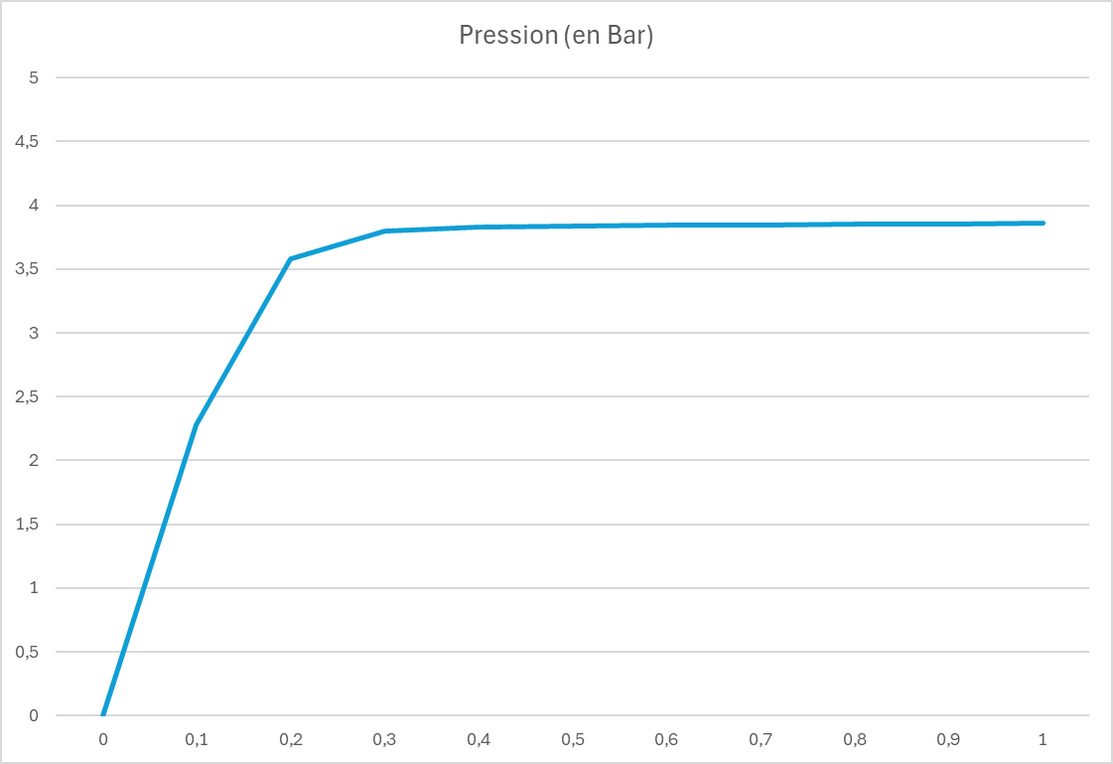
 |  |  | Coef.6 U [V] + Coef.5 T [°C] + Coef.4 U [V]² +Coef.3 T [°C]²+ Coef.2 U [V]^3 + Coef.1 T [°C]^3 + Cte
 |  |  | 1 | 1 | 1 | 1 | 1 | 1 | 1
 |  | Coefficient | Coef.6 | Coef.5 | Coef.4 | Coef.3 | Coef.2 | Coef.1 | Constante | r²
 |  | a2 | 0.0000 | 0.0003 | -0.0002 | 0.0000 | 0.0000 | 0.0000 | 0.0091 | 0.6942

 |  |  | Coef.6 U [V] + Coef.5 T [°C] + Coef.4 U [V]² +Coef.3 T [°C]²+ Coef.2 U [V]^3 + Coef.1 T [°C]^3 + Cte
 |  |  | 1 | 1 | 1 | 1 | 1 | 1 | 1
 |  | Coefficient | Coef.6 | Coef.5 | Coef.4 | Coef.3 | Coef.2 | Coef.1 | Constante | r²
 |  | b2 | 0.0442 | -0.0080 | 0.0131 | 0.0001 | 0.0000 | 0.0000 | -0.2045 | 0.9967

 |  |  | Coef.6 U [V] + Coef.5 T [°C] + Coef.4 U [V]² +Coef.3 T [°C]²+ Coef.2 U [V]^3 + Coef.1 T [°C]^3 + Cte
 |  |  | 1 | 1 | 1 | 1 | 1 | 1 | 1
 |  | Coefficient | Coef.6 | Coef.5 | Coef.4 | Coef.3 | Coef.2 | Coef.1 | Constante | r²
 |  | t1 | -0.0296 | -0.0002 | 0.0022 | 0.0000 | -0.0001 | 0.0000 | 0.2184 | 0.7689

 |  |  | Coef.6 U [V] + Coef.5 T [°C] + Coef.4 U [V]² +Coef.3 T [°C]²+ Coef.2 U [V]^3 + Coef.1 T [°C]^3 + Cte
 |  |  | 1 | 1 | 1 | 1 | 1 | 1 | 1
 |  | Coefficient | Coef.6 | Coef.5 | Coef.4 | Coef.3 | Coef.2 | Coef.1 | Constante | r²
 |  | t2 | -0.1821 | 0.0000 | 0.0157 | 0.0000 | -0.0004 | 0.0000 | 1.0904 | 0.6499

