Eastern
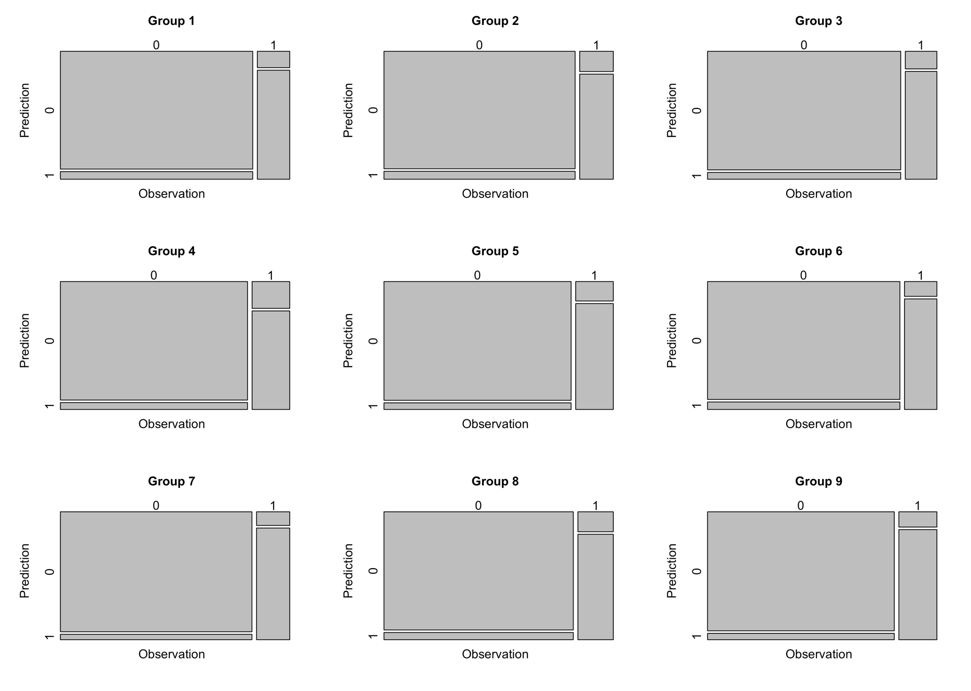
Random Forest V2: applied rebalance of class.
 |  |  |  |  |  | Confusion Matrix
Performance Measures
group | accuracy | recall | precision | F1
G1 | 0.93 | 0.87 | 0.71 | 0.78
G2 | 0.92 | 0.84 | 0.70 | 0.76
G3 | 0.93 | 0.86 | 0.72 | 0.78
G4 | 0.92 | 0.79 | 0.74 | 0.76
G5 | 0.93 | 0.84 | 0.76 | 0.80
G6 | 0.93 | 0.88 | 0.71 | 0.79
G7 | 0.95 | 0.89 | 0.78 | 0.83
G8 | 0.93 | 0.84 | 0.73 | 0.78
G9 | 0.94 | 0.88 | 0.78 | 0.83
G10 | 0.93 | 0.84 | 0.78 | 0.81
Average | 0.93 | 0.85 | 0.74 | 0.79

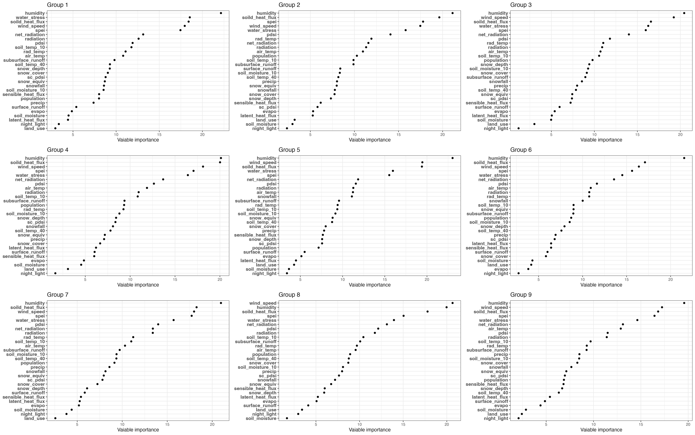
Variable Importance, ascending importance
 | G1 | G2 | G3 | G4 | G5 | G6 | G7 | G8 | G9 | G10
1 | land_use | night_light | night_light | night_light | night_light | night_light | land_use | soil_moisture | night_light | land_use
2 | night_light | soil_moisture | land_use | land_use | soil_moisture | evapo | night_light | night_light | land_use | night_light
3 | latent_heat_flux | land_use | soil_moisture | soil_moisture | land_use | land_use | soil_moisture | land_use | soil_moisture | soil_moisture
4 | soil_moisture | latent_heat_flux | latent_heat_flux | evapo | latent_heat_flux | soil_moisture | evapo | surface_runoff | evapo | latent_heat_flux
5 | evapo | evapo | evapo | sensible_heat_flux | evapo | snow_cover | latent_heat_flux | evapo | surface_runoff | evapo
6 | surface_runoff | sc_pdsi | surface_runoff | surface_runoff | surface_runoff | surface_runoff | sensible_heat_flux | latent_heat_flux | latent_heat_flux | surface_runoff
7 | precip | sensible_heat_flux | sensible_heat_flux | latent_heat_flux | population | sensible_heat_flux | surface_runoff | snow_depth | soil_temp_40 | sc_pdsi
8 | population | snow_depth | sc_pdsi | snow_cover | sc_pdsi | latent_heat_flux | snow_depth | sensible_heat_flux | snow_depth | soil_temp_40
9 | sensible_heat_flux | snow_cover | snow_equiv | precip | snow_depth | sc_pdsi | snow_cover | snow_equiv | sensible_heat_flux | snow_depth
10 | soil_moisture_10 | snowfall | soil_temp_40 | snow_equiv | sensible_heat_flux | precip | sc_pdsi | snowfall | population | sensible_heat_flux
11 | snowfall | snow_equiv | precip | soil_temp_40 | precip | soil_temp_40 | snow_equiv | sc_pdsi | sc_pdsi | precip
12 | snow_equiv | precip | snowfall | snowfall | snow_cover | snow_depth | snowfall | precip | snow_equiv | snowfall
13 | sc_pdsi | soil_temp_40 | subsurface_runoff | sc_pdsi | soil_temp_40 | soil_moisture_10 | precip | soil_moisture_10 | snowfall | population
14 | snow_cover | soil_moisture_10 | snow_cover | snow_depth | snow_equiv | population | population | snow_cover | snow_cover | snow_equiv
15 | snow_depth | surface_runoff | soil_moisture_10 | soil_moisture_10 | soil_moisture_10 | subsurface_runoff | soil_temp_40 | soil_temp_40 | soil_moisture_10 | snow_cover
16 | soil_temp_40 | subsurface_runoff | snow_depth | rad_temp | soil_temp_10 | snow_equiv | soil_moisture_10 | population | precip | soil_moisture_10
17 | subsurface_runoff | soil_temp_10 | population | population | rad_temp | soil_temp_10 | subsurface_runoff | air_temp | subsurface_runoff | subsurface_runoff
18 | air_temp | population | soil_temp_10 | subsurface_runoff | subsurface_runoff | snowfall | air_temp | rad_temp | rad_temp | rad_temp
19 | rad_temp | air_temp | air_temp | soil_temp_10 | snowfall | rad_temp | soil_temp_10 | subsurface_runoff | soil_temp_10 | air_temp
20 | soil_temp_10 | radiation | radiation | radiation | air_temp | radiation | rad_temp | soil_temp_10 | radiation | soil_temp_10
21 | pdsi | net_radiation | rad_temp | air_temp | radiation | air_temp | radiation | radiation | pdsi | pdsi
22 | radiation | rad_temp | pdsi | pdsi | pdsi | pdsi | net_radiation | pdsi | air_temp | radiation
23 | net_radiation | pdsi | net_radiation | net_radiation | net_radiation | net_radiation | pdsi | net_radiation | net_radiation | net_radiation
24 | spei | water_stress | spei | water_stress | spei | water_stress | water_stress | water_stress | water_stress | water_stress
25 | wind_speed | wind_speed | water_stress | spei | water_stress | spei | spei | spei | spei | soild_heat_flux
26 | soild_heat_flux | spei | soild_heat_flux | wind_speed | soild_heat_flux | wind_speed | wind_speed | soild_heat_flux | soild_heat_flux | wind_speed
27 | water_stress | soild_heat_flux | wind_speed | soild_heat_flux | wind_speed | soild_heat_flux | soild_heat_flux | humidity | wind_speed | spei
28 | humidity | humidity | humidity | humidity | humidity | humidity | humidity | wind_speed | humidity | humidity

Eastern | humidity
 | water_stress
 | solid_heat_flux
 | wind_speed | 近地表风速
 | spei | standardized precipitation evapotranspiration index
Central | wind_speed
 | water_stress
 | radiation
 | soil_temp_10
 | soil_moisture_10
All | wind_speed
 | solid_heat_flux
 | water_stress
 | humidity
 | radiation

Central
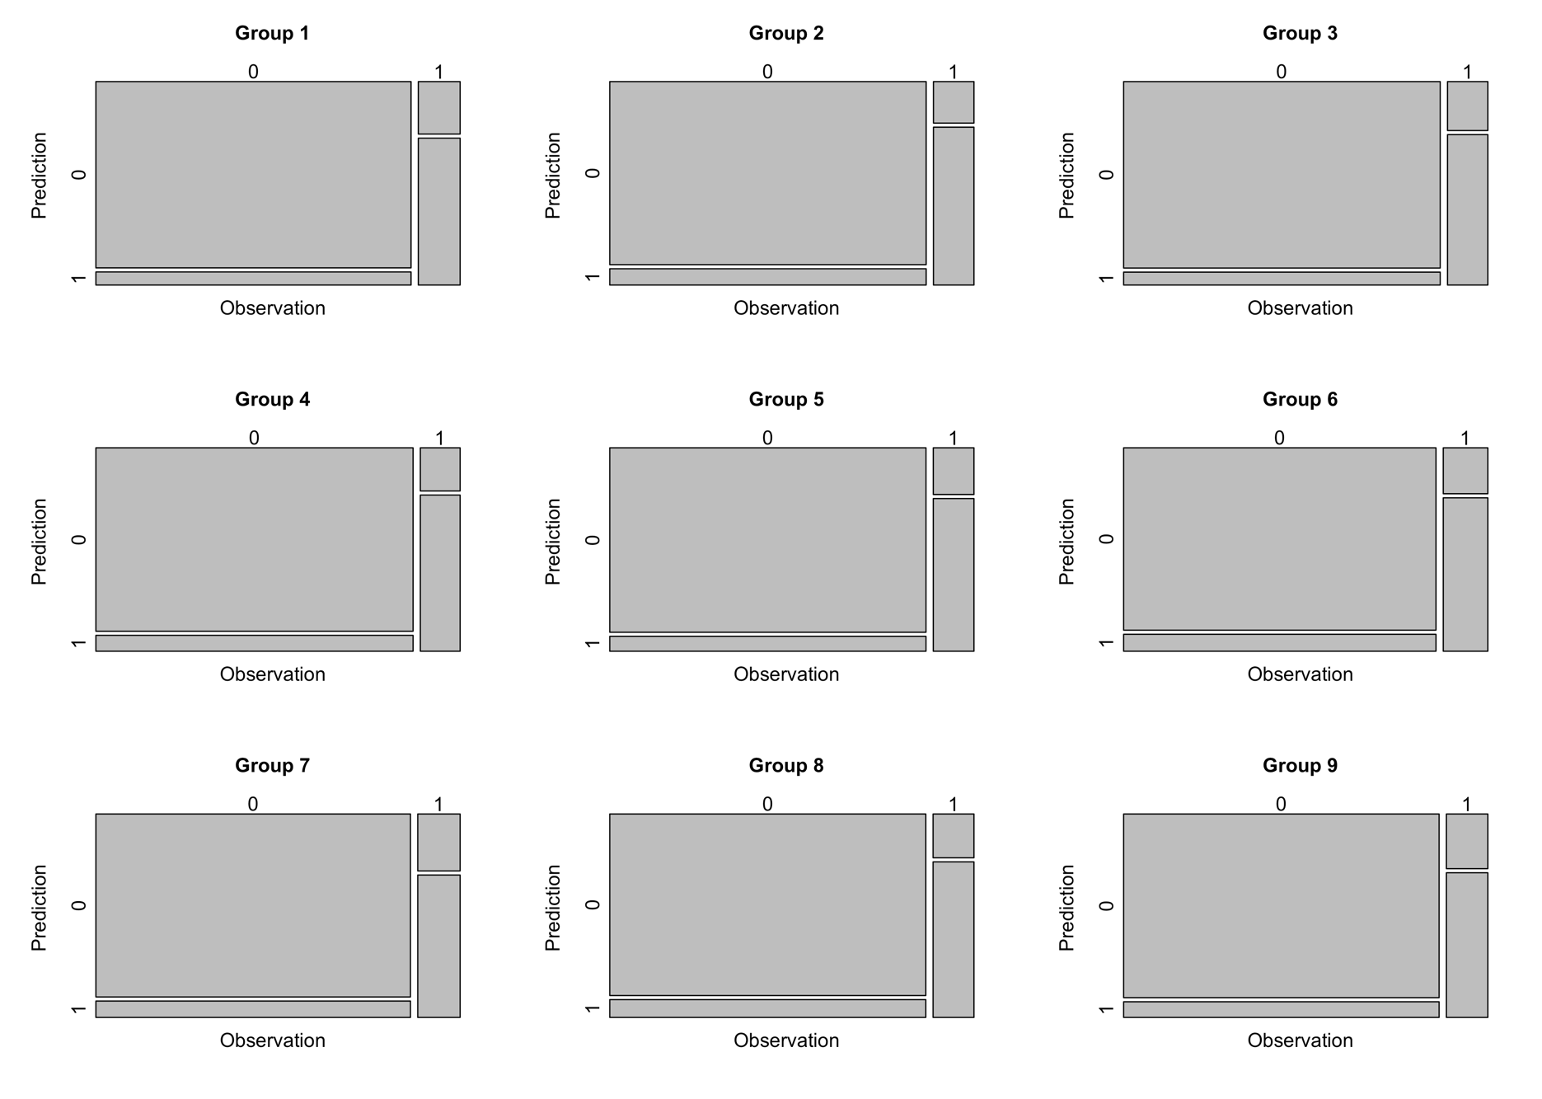
Performance Measures
group | accuracy | recall | precision | F1
G1 | 0.91 | 0.74 | 0.60 | 0.66
G2 | 0.90 | 0.79 | 0.55 | 0.65
G3 | 0.91 | 0.75 | 0.60 | 0.67
G4 | 0.90 | 0.78 | 0.55 | 0.65
G5 | 0.91 | 0.77 | 0.57 | 0.65
G6 | 0.90 | 0.77 | 0.56 | 0.65
G7 | 0.89 | 0.71 | 0.54 | 0.61
G8 | 0.90 | 0.78 | 0.53 | 0.63
G9 | 0.90 | 0.73 | 0.55 | 0.62
G10 | 0.91 | 0.80 | 0.62 | 0.70
Average | 0.90 | 0.76 | 0.57 | 0.65

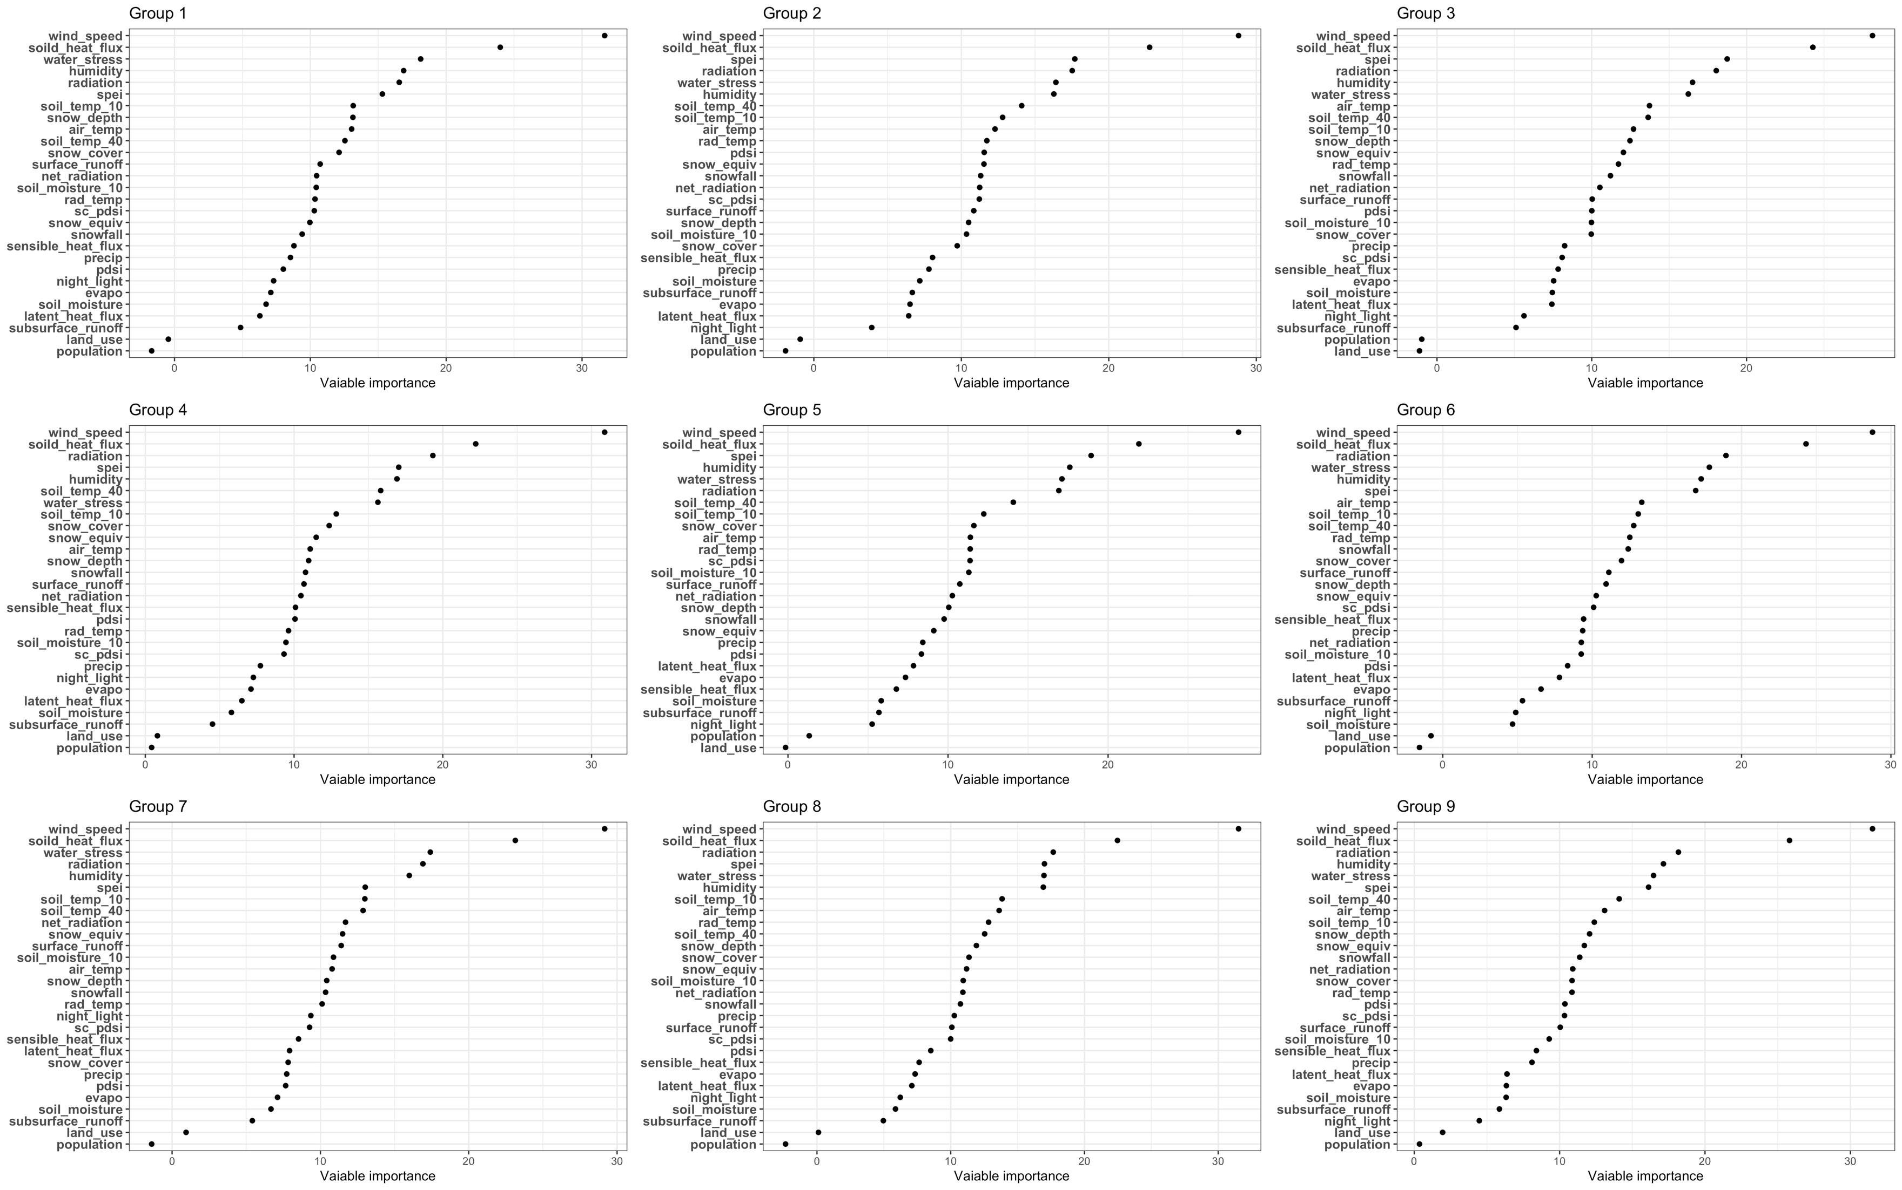
Variable Importance, ascending importance
 | G1 | G2 | G3 | G4 | G5 | G6 | G7 | G8 | G9 | G10
1 | population | sc_pdsi | spei | population | sc_pdsi | population | population | sc_pdsi | population | population
2 | sc_pdsi | population | sc_pdsi | sc_pdsi | population | sc_pdsi | land_use | population | spei | sc_pdsi
3 | subsurface_runoff | surface_runoff | pdsi | spei | spei | spei | sc_pdsi | spei | sc_pdsi | pdsi
4 | pdsi | pdsi | population | subsurface_runoff | pdsi | surface_runoff | snowfall | soil_moisture | land_use | subsurface_runoff
5 | spei | spei | subsurface_runoff | pdsi | land_use | snowfall | subsurface_runoff | land_use | snowfall | spei
6 | surface_runoff | snowfall | surface_runoff | snowfall | subsurface_runoff | pdsi | pdsi | surface_runoff | pdsi | surface_runoff
7 | land_use | soil_moisture | land_use | surface_runoff | surface_runoff | land_use | surface_runoff | snowfall | sensible_heat_flux | land_use
8 | soil_moisture | subsurface_runoff | snowfall | land_use | soil_moisture | soil_moisture | soil_moisture | pdsi | surface_runoff | snowfall
9 | snowfall | land_use | sensible_heat_flux | snow_depth | snowfall | snow_depth | spei | subsurface_runoff | subsurface_runoff | soil_moisture
10 | latent_heat_flux | snow_depth | snow_depth | soil_moisture | snow_depth | humidity | snow_cover | sensible_heat_flux | snow_depth | snow_depth
11 | snow_depth | sensible_heat_flux | soil_moisture | snow_equiv | snow_equiv | subsurface_runoff | snow_depth | humidity | soil_moisture | sensible_heat_flux
12 | soild_heat_flux | snow_cover | snow_equiv | snow_cover | sensible_heat_flux | snow_equiv | sensible_heat_flux | snow_depth | snow_equiv | snow_equiv
13 | sensible_heat_flux | precip | precip | sensible_heat_flux | snow_cover | sensible_heat_flux | snow_equiv | precip | snow_cover | evapo
14 | evapo | snow_equiv | soild_heat_flux | latent_heat_flux | precip | evapo | precip | latent_heat_flux | latent_heat_flux | precip
15 | humidity | latent_heat_flux | latent_heat_flux | precip | humidity | snow_cover | latent_heat_flux | evapo | precip | latent_heat_flux
16 | precip | evapo | evapo | humidity | evapo | precip | evapo | soild_heat_flux | evapo | humidity
17 | snow_equiv | soild_heat_flux | snow_cover | evapo | soil_temp_40 | latent_heat_flux | humidity | snow_equiv | humidity | night_light
18 | night_light | humidity | humidity | night_light | latent_heat_flux | soild_heat_flux | night_light | snow_cover | soild_heat_flux | snow_cover
19 | air_temp | night_light | night_light | soild_heat_flux | soild_heat_flux | night_light | soild_heat_flux | soil_moisture_10 | soil_temp_40 | soil_temp_40
20 | snow_cover | soil_temp_40 | soil_temp_40 | air_temp | night_light | air_temp | soil_temp_40 | air_temp | night_light | soild_heat_flux
21 | soil_temp_40 | air_temp | soil_moisture_10 | soil_temp_40 | soil_moisture_10 | soil_temp_40 | air_temp | soil_temp_40 | rad_temp | air_temp
22 | rad_temp | net_radiation | net_radiation | net_radiation | soil_temp_10 | rad_temp | net_radiation | night_light | soil_temp_10 | soil_moisture_10
23 | net_radiation | soil_temp_10 | rad_temp | rad_temp | air_temp | soil_temp_10 | soil_moisture_10 | radiation | water_stress | net_radiation
24 | soil_moisture_10 | rad_temp | air_temp | soil_temp_10 | water_stress | soil_moisture_10 | rad_temp | soil_temp_10 | air_temp | radiation
25 | soil_temp_10 | soil_moisture_10 | soil_temp_10 | soil_moisture_10 | rad_temp | net_radiation | soil_temp_10 | rad_temp | soil_moisture_10 | soil_temp_10
26 | radiation | water_stress | radiation | radiation | radiation | radiation | water_stress | net_radiation | net_radiation | rad_temp
27 | water_stress | radiation | water_stress | water_stress | net_radiation | water_stress | radiation | water_stress | radiation | water_stress
28 | wind_speed | wind_speed | wind_speed | wind_speed | wind_speed | wind_speed | wind_speed | wind_speed | wind_speed | wind_speed

All
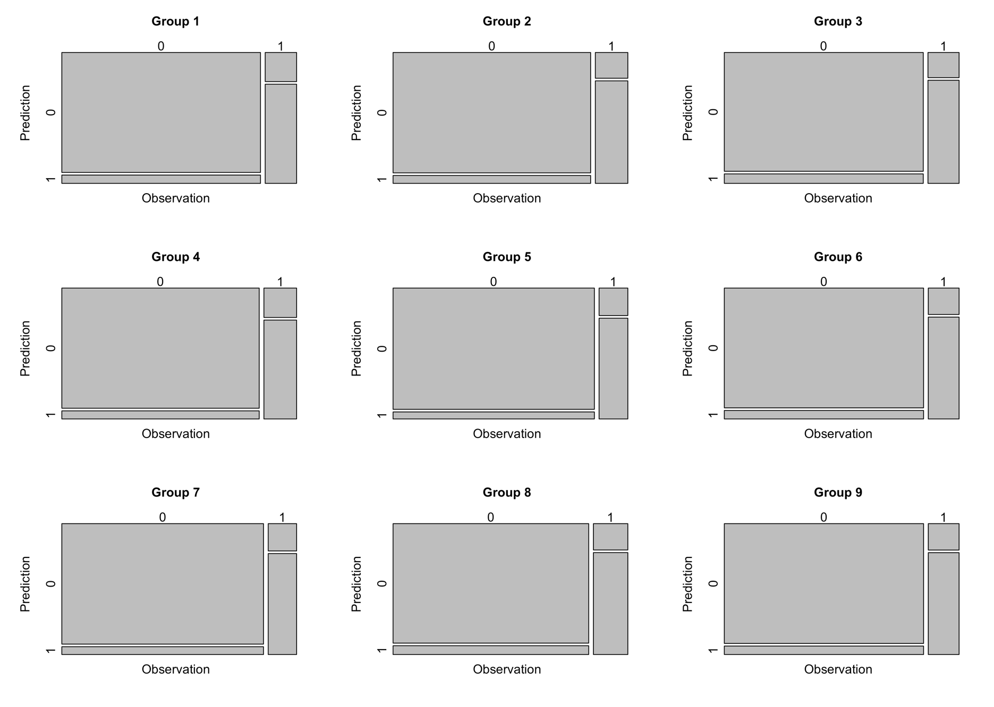
Performance Measures
group | accuracy | recall | precision | F1
G1 | 0.91 | 0.77 | 0.65 | 0.71
G2 | 0.92 | 0.80 | 0.68 | 0.74
G3 | 0.91 | 0.80 | 0.63 | 0.71
G4 | 0.91 | 0.77 | 0.67 | 0.72
G5 | 0.93 | 0.79 | 0.67 | 0.72
G6 | 0.92 | 0.79 | 0.65 | 0.71
G7 | 0.92 | 0.79 | 0.65 | 0.71
G8 | 0.91 | 0.79 | 0.67 | 0.73
G9 | 0.92 | 0.79 | 0.65 | 0.71
G10 | 0.92 | 0.80 | 0.67 | 0.73
Average | 0.92 | 0.79 | 0.66 | 0.72


Variable Importance, ascending importance
 | G1 | G2 | G3 | G4 | G5 | G6 | G7 | G8 | G9 | G10
1 | population | population | land_use | population | land_use | population | population | population | population | land_use
2 | land_use | land_use | population | land_use | population | land_use | land_use | land_use | land_use | population
3 | subsurface_runoff | night_light | subsurface_runoff | subsurface_runoff | night_light | soil_moisture | subsurface_runoff | subsurface_runoff | night_light | soil_moisture
4 | latent_heat_flux | latent_heat_flux | night_light | soil_moisture | subsurface_runoff | night_light | soil_moisture | soil_moisture | subsurface_runoff | latent_heat_flux
5 | soil_moisture | evapo | latent_heat_flux | latent_heat_flux | soil_moisture | subsurface_runoff | evapo | night_light | soil_moisture | evapo
6 | evapo | subsurface_runoff | soil_moisture | evapo | sensible_heat_flux | evapo | pdsi | latent_heat_flux | evapo | subsurface_runoff
7 | night_light | soil_moisture | evapo | night_light | evapo | latent_heat_flux | precip | evapo | latent_heat_flux | night_light
8 | pdsi | precip | sensible_heat_flux | precip | latent_heat_flux | pdsi | snow_cover | sensible_heat_flux | precip | precip
9 | precip | sensible_heat_flux | sc_pdsi | sc_pdsi | pdsi | soil_moisture_10 | latent_heat_flux | pdsi | sensible_heat_flux | pdsi
10 | sensible_heat_flux | snow_cover | precip | soil_moisture_10 | precip | net_radiation | sensible_heat_flux | sc_pdsi | soil_moisture_10 | sensible_heat_flux
11 | snowfall | soil_moisture_10 | snow_cover | rad_temp | snow_equiv | precip | sc_pdsi | surface_runoff | surface_runoff | snowfall
12 | snow_equiv | snow_depth | soil_moisture_10 | pdsi | snowfall | sensible_heat_flux | night_light | precip | sc_pdsi | sc_pdsi
13 | sc_pdsi | surface_runoff | pdsi | sensible_heat_flux | snow_depth | sc_pdsi | rad_temp | snowfall | pdsi | net_radiation
14 | rad_temp | sc_pdsi | surface_runoff | net_radiation | net_radiation | snow_equiv | snowfall | net_radiation | rad_temp | rad_temp
15 | soil_moisture_10 | net_radiation | net_radiation | surface_runoff | surface_runoff | snow_depth | snow_depth | soil_moisture_10 | snow_cover | snow_cover
16 | net_radiation | snowfall | snowfall | snowfall | soil_moisture_10 | surface_runoff | air_temp | snow_equiv | net_radiation | surface_runoff
17 | surface_runoff | snow_equiv | rad_temp | snow_depth | sc_pdsi | snow_cover | soil_moisture_10 | snow_cover | snowfall | soil_moisture_10
18 | snow_cover | pdsi | snow_equiv | air_temp | rad_temp | snowfall | surface_runoff | snow_depth | snow_equiv | air_temp
19 | soil_temp_40 | rad_temp | snow_depth | snow_equiv | air_temp | rad_temp | snow_equiv | soil_temp_40 | snow_depth | snow_equiv
20 | air_temp | air_temp | soil_temp_10 | snow_cover | snow_cover | soil_temp_40 | net_radiation | rad_temp | soil_temp_10 | snow_depth
21 | snow_depth | soil_temp_10 | soil_temp_40 | soil_temp_10 | soil_temp_10 | soil_temp_10 | soil_temp_40 | air_temp | air_temp | soil_temp_10
22 | soil_temp_10 | soil_temp_40 | air_temp | water_stress | soil_temp_40 | air_temp | soil_temp_10 | soil_temp_10 | soil_temp_40 | water_stress
23 | spei | humidity | water_stress | soil_temp_40 | radiation | spei | spei | humidity | spei | spei
24 | radiation | water_stress | humidity | humidity | water_stress | humidity | humidity | water_stress | water_stress | soil_temp_40
25 | humidity | radiation | radiation | spei | humidity | water_stress | radiation | spei | humidity | humidity
26 | water_stress | spei | spei | radiation | spei | radiation | water_stress | radiation | radiation | radiation
27 | soild_heat_flux | soild_heat_flux | soild_heat_flux | soild_heat_flux | soild_heat_flux | soild_heat_flux | soild_heat_flux | soild_heat_flux | soild_heat_flux | soild_heat_flux
28 | wind_speed | wind_speed | wind_speed | wind_speed | wind_speed | wind_speed | wind_speed | wind_speed | wind_speed | wind_speed

