Sheet2
 | Column4
 | 31587
 | 31076
 | 31161
 | 31054
 | 30595
 | 29557
 | 29181
 | 29181
 | 29303
 | 29336
 | 29043
 | 29482
 | 29303
 | 28815
 | 28292
 | 27548
 | 28264
 | 28616
 | 29164
 | 29080
 | 30252
 | 30626
 | 30862
 | 31009
 | 30317
 | 30333
 | 29983
 | 29511
 | 28940
 | 29623
 | 30741
 | 31172
 | 31246
 | 30553
 | 30776
 | 30581
 | 30341
 | 30154
 | 29271
 | 30180
 | 30689
 | 31395
 | 31487
 | 32357
 | 32551
 | 32514
 | 32358
 | 31570
 | 31718
 | 31554
...
Column4
31587
31076
31161
31054
30595
29557
29181
29181
29303
29336
29043
29482
29303
28815
28292
27548
28264
28616
29164
29080
30252
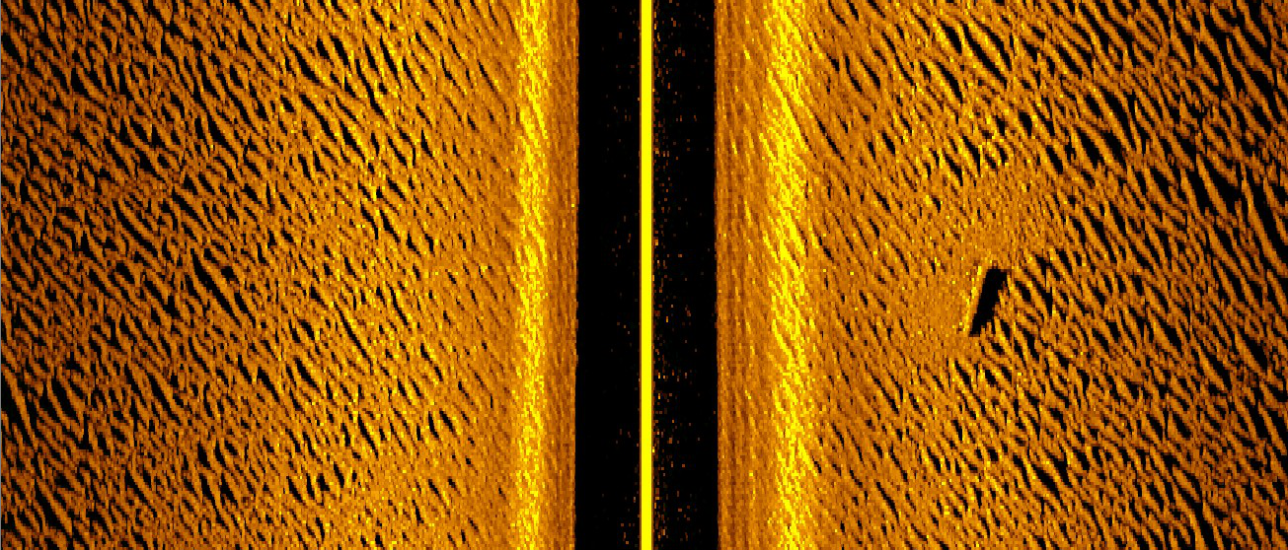
30626
30862
31009
30317
30333
29983
29511
28940
29623
30741
31172
31246
30553
30776
30581
30341
30154
29271
30180
30689
31395
31487
32357
32551
32514
32358
31570
31718
31554
31528
31490
31941
33001
33185
33112
32400
33033
32777
32733
32718
32376
33081
33395
33553
32487
32561
32512
32653
32887
32388
33256
33526
34063
33712
33983
34595
34813
34994
34644
35588
36028
36593
36996
36311
36590
36363
36448
35364
35800
35930
36234
36485
36485
37547
37779
37631
36677
36484
37389
37680
37921
37571
38387
38598
38730
38660
37879
38223
38369
38295
37677
38437
38413
38225
38191
37463
38023
37883
37983
37456
37582
38369
38907
38878
37820
38033
37712
38158
38757
38620
39487
39798
40505
40349
41436
41398
41013
40643
39847
40923
41199
41667
41281
41427
42205
42090
41798
40924
41466
41836
42447
43353
43525
44709
44719
44359
43648
43940
43793
44106
44796
44751
45653
45964
45701
45146
43566
43548
43321
43701
43490
44781
45307
45600
45885
45726
46512
46440
46302
45815
46654
48358
49100
49144
48554
49023
48743
48720
48654
48089
48509
48252
48039
47411
48343
48006
47835
47488
46793
47148
46730
46457
45429
45068
46109
46634
47538
47707
49173
49442
49591
50205
50039
50959
51061
51194
50788
51695
52040
51867
51631
50545
50856
50666
50535
49795
49921
50476
50374
50577
50372
51743
52515
53120
53644
53388
54941
55830
56097
55665
56092
55868
55803
56071
55953
57110
57487
57912
57647
58149
58983
58715
58988
59013
59985
60332
60224
60704
60441
61196
61425
61468
60877
61394
61320
61678
61938
61680
62786
63510
64352
64539
65055
66261
66913
67412
67437
68676
69279
69617
69941
69728
70165
70056
69638
68726
69037
68955
68778
68473
67602
68154
68252
68413
67565
67612
67982
67746
67780
67592
68165
67867
67602
67392
66526
67111
67111
67079
66439
67191
67417
67831
68479
68762
70150
70301
70351
69962
69953
70804
71342
71709
71411
72413
72454
72399
72485
72113
72968
73007
73520
73351
74288
74795
75190
75412
74855
75123
75158
74986
74551
73482
73569
73326
73385
72992
73987
74038
73938
74194
73717
74672
75046
75290
75058
75377
76324
76834
77349
77060
77806
77919
78252
78416
77653
77799
77272
77024
76307
76976
77176
77644
77714
77446
77947
77900
78004
77192
76983
77845
78279
78586
78217
78623
78733
78832
78991
78501
78857
78650
78837
78455
79039
78939
78930
79071
78837
79727
79954
79906
79368
79075
79386
79267
79210
78562
78911
78896
79249
79422
79171
79857
79826
79751
79214
79630
79531
79362
79183
78725
79119
79318
79470
79058
79079
79301
79110
78810
78294
78641
78672
78630
78723
78582
79164
79191
79052
78312
78436
78175
78284
78434
78153
78554
78416
78135
77544
77146
77256
76849
76528
76085
76474
76405
76319
76343
76163
76691
76956
76988
76664
76908
76727
76514
76422
75861
75887
75673
75443
74882
74502
74484
74264
74081
73598
73733
73795
73993
74076
73792
74078
74044
73933
73560
73892
73907
73676
73545
72936
72920
72576
72086
71697
71080
71063
70821
70585
69953
70025
69887
69691
69508
69036
69247
69282
69490
69287
69267
69748
70075
70503
70756
71706
72337
73116
74207
75202
76690
77925
79255
80523
82321
83944
85785
87666
88997
91049
93186
95051
96091
97519
99253
100882
101912
101647
102325
102388
102349
101858
100662
100469
99391
98078
96289
95401
93614
91463
89074
86594
84706
82488
80404
78343
76460
74877
72832
70778
68566
66959
65457
64260
63353
62297
62097
61531
60845
59672
59129
58494
58329
58683
59038
60199
60661
60355
59407
58042
56556
54097
51040
45089
33690
26340
18231
5752
1436
1066
756
654
468
183
8
0
0
0
0
0
0
0
0
0
0
0
0
0
0
0
0
0
3
23
34
45
49
57
57
58
69
87
93
93
92
93
117
141
169
187
195
214
240
266
266
282
312
341
388
419
482
582
753
861
1048
1431
1912
3434
8137
46811
49738
124260
124994
125270
125270
125272
125275
125275
125275
125221
123818
57295
50550
33688
21131
13971
9848
7083
4825
3694
3017
2500
2217
1952
1809
1655
1487
1339
1263
1200
1132
1072
1037
1000
939
875
811
742
696
640
567
520
472
447
429
411
375
344
339
315
287
272
236
213
184
160
147
140
130
104
117
110
108
96
105
124
146
166
216
259
370
501
893
1441
4116
13121
19744
31271
45309
53081
56817
59513
60884
61662
62032
62445
62760
62269
62504
62475
62345
61908
61017
60867
60167
59686
59267
59819
60323
61383
62608
63479
64827
65839
66578
66738
67431
68419
69076
69711
70048
70894
71370
71631
71568
71212
71312
71237
71260
71066
71383
71529
71865
72331
72919
74021
75256
76796
78078
79703
81280
82819
84342
85387
87112
88963
90766
92632
93761
95656
97265
98866
99409
100750
101982
103262
104304
104495
105696
105834
106300
105800
105662
105853
105005
104328
102456
102296
101327
99784
98013
95942
94890
93533
92218
90554
89850
88656
87523
86369
85023
84220
83071
81916
81034
79876
79469
78674
77816
76578
76059
75076
74008
73007
71807
71300
70554
70018
69287
69052
68986
68577
68085
67370
67304
66903
66723
66688
66514
66882
66860
66815
66334
66537
66163
66192
66297
66090
66441
66604
66637
66218
66236
66472
66524
66359
66016
66380
66503
66741
66952
66795
67317
67369
67308
66961
67377
67330
67385
67428
67174
67431
67355
67287
66842
66934
67366
67378
67622
67719
68527
68665
68781
69077
68972
69629
69635
69556
69072
69426
69580
69874
70407
70320
70893
70747
70795
70428
70399
71283
71498
71827
71743
72401
72385
72140
72155
71795
72464
72624
73023
72957
73722
73938
73872
73909
73517
73922
73888
74039
73636
73584
73933
73701
73618
72995
73082
73077
73181
73492
73168
73824
73930
73964
73368
73805
73853
73845
73791
73445
74158
74112
73860
73167
72941
73076
72726
72621
72093
72348
72286
71779
71022
69928
69844
69403
69055
68092
68553
68951
69615
70103
70033
70688
70901
71208
71668
71738
72661
73064
73363
73235
73918
73445
72362
71151
69700
69417
68935
68414
67295
66788
66495
65718
65278
64257
64286
63901
63428
63342
62867
63013
62306
61929
61134
61330
61195
61358
61319
60706
61020
60701
60970
61122
62109
63336
64037
64540
64318
65893
66987
67529
67977
67800
68810
69289
69900
69886
70352
70030
69569
69168
68326
68308
67031
65547
64065
63327
63458
63315
62940
61934
62056
61984
61794
61619
60969
61322
61520
61927
61721
62556
62323
61809
61731
61066
61336
60710
60025
59086
59007
59509
59727
59487
58870
59652
59577
59038
58536
57292
57171
56764
56529
55836
56610
56264
55925
55771
55243
55964
56050
56009
55436
56053
57331
57877
58519
58450
59442
59245
59286
59193
57612
57308
56520
55386
53847
54058
53541
52916
52125
50895
51463
51416
51471
50614
50584
51188
51285
51178
50649
50897
50497
50217
49957
49422
50521
51109
51301
50648
51030
50796
50768
50936
50574
51149
50938
50571
49482
48963
48544
47567
46885
45735
46234
46665
47324
47098
46612
47161
46859
46732
46050
46548
46809
47416
48281
47971
48452
47862
46641
45119
43332
43331
42845
43267
43084
44264
44431
44416
44305
43674
44445
44778
45641
45926
46465
47364
47093
46773
45530
45382
45428
45384
44736
43053
42428
40848
40214
38910
39289
39540
39962
40478
39651
40307
40066
39434
37760
38041
39162
40016
41208
41299
42420
42044
41377
40671
39611
40161
39930
39876
38926
39210
38938
38586
38076
37141
37173
36657
36625
36161
36281
36968
36993
36784
35843
36461
36724
36834
36886
36175
36465
36447
36447
35731
36176
36389
35955
35375
34428
34609
34439
34240
33298
32908
32972
32347
31947
30718
30828
30897
30848
31366
31412
32325
32650
32175
31254
31620
31728
32213
32717
32589
33553
33830
34115
33667
33756
34648
34681
34848
34203
35292
35070
34671
33758
32287
31852
30610
29270
27744
27505
27208
26519
25998
25058
25261
24835
24749
24578
25007
26292
27202
28136
28576
30077
30611
30511
30434
29754
30405
30487
30465
30143
30993
31262
31180
30707
29730
29729
29343
28853
28661
28373
28702
28599
28571
28226
28338

