Decomposition tests
Tested on ONS
 |  |  |  | Decomposition method |  |  |  |  |  | EEMD |  |  | EMD
Decomposition | Duration (s) | Duration (h:mm:ss.000) | Number of IMFs | STL-A | EWT | EMD | EEMD | CEEMDAN | EEMD | Modes | Duration |  | Modes | Duration
STL-A | 0.027 | 0:00:00 | 1 |  |  | 2392.5 | 2372.7 | 2313.2 |  | 1 | 84.0 | EMD | 1 | 2.5
EWT | 0.479 | 0:00:00 | 2 |  | 2245.5 | 2549.6 | 2253.3 | 2415.1 |  | 2 | 150.7 |  | 2 | 2.9
EMD | 3.044 | 0:00:03 | 3 |  | 2263.2 | 2617.1 | 2407.5 | 2519.4 |  | 3 | 202.7 |  | 3 | 3.0
EEMD | 247.368 | 0:04:07 | 4 | 2339.6 | 2226.6 | 2738.9 | 2420.5 | 2776.3 |  | 4 | 221.1 |  | 4 | 3.2
CEEMDAN | 713.165 | 0:11:53 | 5 |  | 2237.7 | 2863.1 | 2457.6 | 2594.6 |  | 5 | 240.2 |  | 5 | 3.2
 |  |  | 6 |  | 2255.5 | 2615.4 | 2335.8 | 2769.6 |  | 6 | 252.6 |  | 6 | 3.2
 |  |  | 7 |  | 2212.9 | 2645.4 | 2341.8 | 2579.8 |  | 7 | 254.7 |  | 7 | 3.1
 |  |  | 8 |  | 2172.6 | 2596.8 | 2172.4 | 2532.4 |  | 8 | 265.5 |  | 8 | 3.1
 |  |  | 9 |  | 2229.7 | 2612.0 | 3562.2 | 2526.4 |  | 9 | 267.9 |  | 9 | 3.5

 | STL-A | EWT | EMD | EEMD | CEEMDAN
 |  |  | 2392.5 | 2372.7 | 2313.2
 |  | 2245.5 | 2549.6 | 2253.3 | 2415.1
 |  | 2263.2 | 2617.1 | 2407.5 | 2519.4
 | 2339.6 | 2226.6 | 2738.9 | 2420.5 | 2776.3
 |  | 2237.7 | 2863.1 | 2457.6 | 2594.6
 |  | 2255.5 | 2615.4 | 2335.8 | 2769.6
 |  | 2212.9 | 2645.4 | 2341.8 | 2579.8
 |  | 2172.6 | 2596.8 | 2172.4 | 2532.4
 |  | 2229.7 | 2612.0 | 3562.2 | 2526.4
 |  |  |  |  |  |  |  |  |  | CEEMDAN
 |  |  |  |  |  |  |  |  | CEEMDAN | Modes | Duration (s)
 |  |  |  |  |  |  |  |  |  | 1 | 573.0
 |  |  |  |  |  |  |  |  |  | 2 | 632.1
 |  |  |  |  |  |  |  |  |  | 3 | 649.7
 |  |  |  |  |  |  |  |  |  | 4 | 737.8
 |  |  |  |  |  |  |  |  |  | 5 | 767.8
 |  |  |  |  |  |  |  |  |  | 6 | 751.9
 |  |  |  |  |  |  |  |  |  | 7 | 749.4
 |  |  |  |  |  |  |  |  |  | 8 | 737.8
 |  |  |  |  |  |  |  |  |  | 9 | 734.7

Sheet2
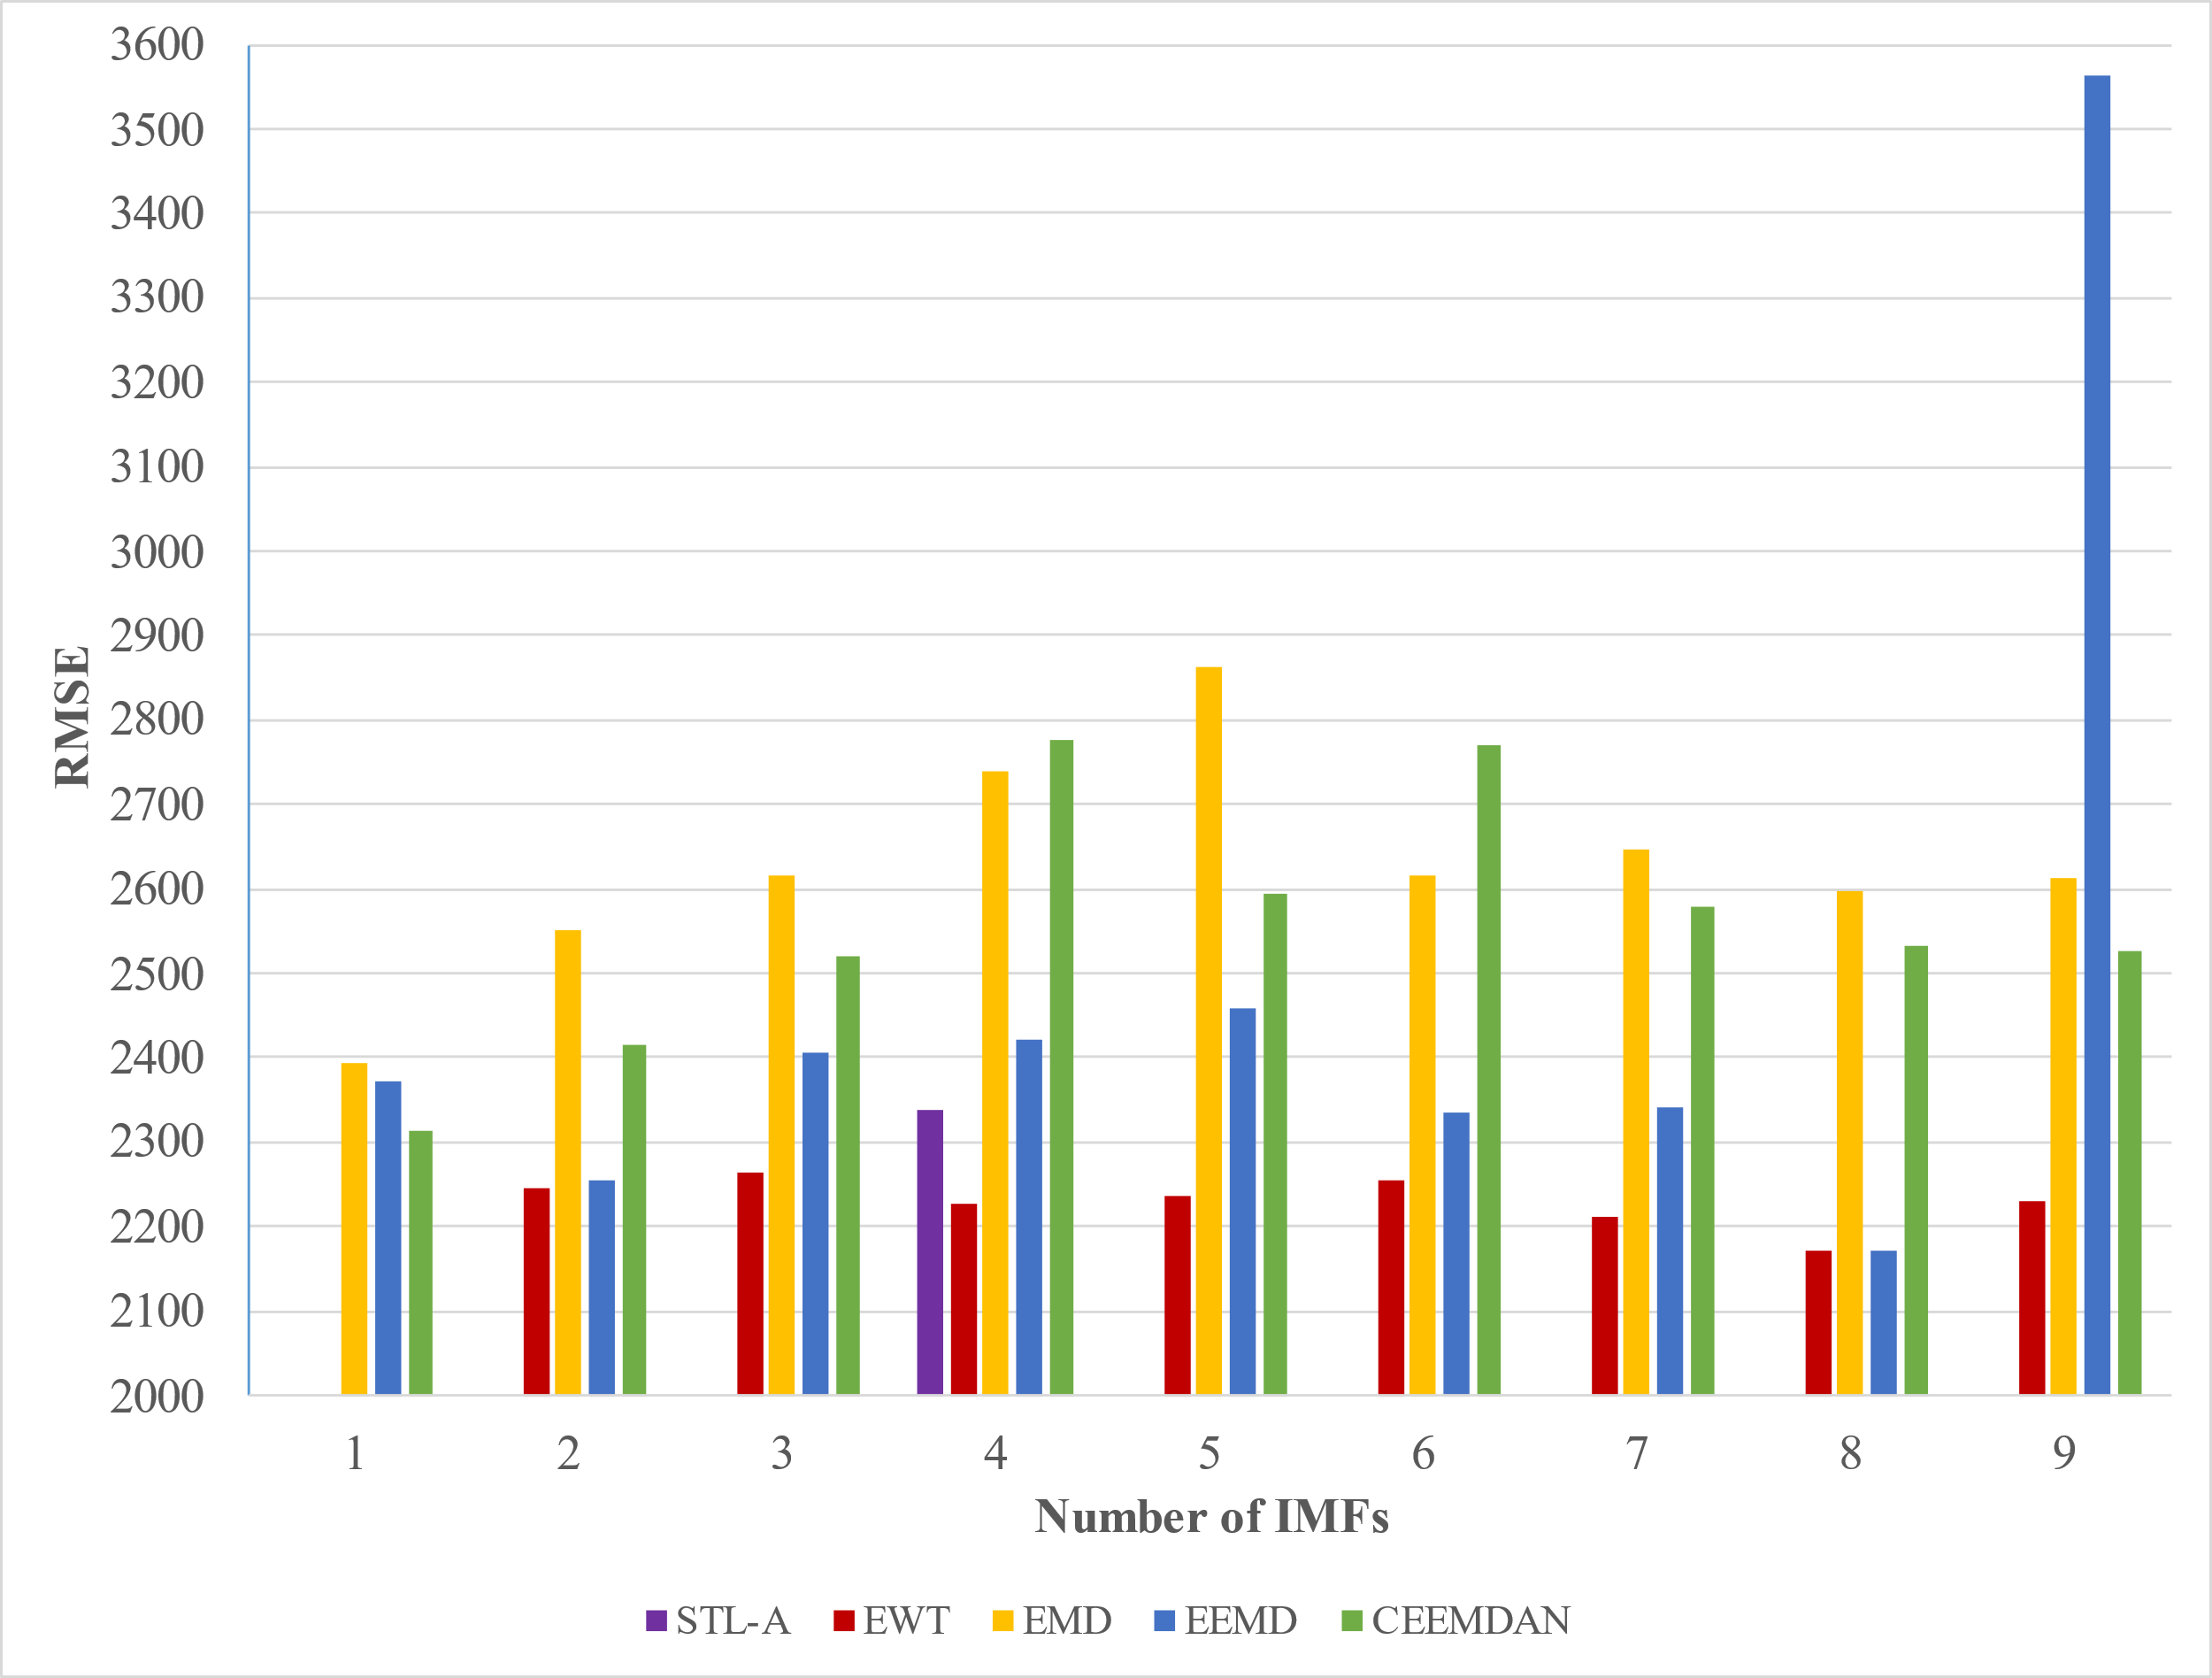
 | STL-A | EWT | EMD | EEMD | CEEMDAN
 |  |  | 2392.5 | 2372.7 | 2313.2
 |  | 2245.5 | 2549.6 | 2253.3 | 2415.1
 |  | 2263.2 | 2617.1 | 2407.5 | 2519.4
 | 2339.6 | 2226.6 | 2738.9 | 2420.5 | 2776.3
 |  | 2237.7 | 2863.1 | 2457.6 | 2594.6
 |  | 2255.5 | 2615.4 | 2335.8 | 2769.6
 |  | 2212.9 | 2645.4 | 2341.8 | 2579.8
 |  | 2172.6 | 2596.8 | 2172.4 | 2532.4
 |  | 2229.7 | 2612.0 | 3562.2 | 2526.4

Sheet1
 |  | Decomposition
Modes | EMD | EEMD | CEEMDAN
1 | 2.5 | 84.0 | 573.0
2 | 2.9 | 150.7 | 632.1
3 | 3.0 | 202.7 | 649.7
4 | 3.2 | 221.1 | 737.8
5 | 3.2 | 240.2 | 767.8
6 | 3.2 | 252.6 | 751.9
7 | 3.1 | 254.7 | 749.4
8 | 3.1 | 265.5 | 737.8
9 | 3.5 | 267.9 | 734.7

