Sheet1
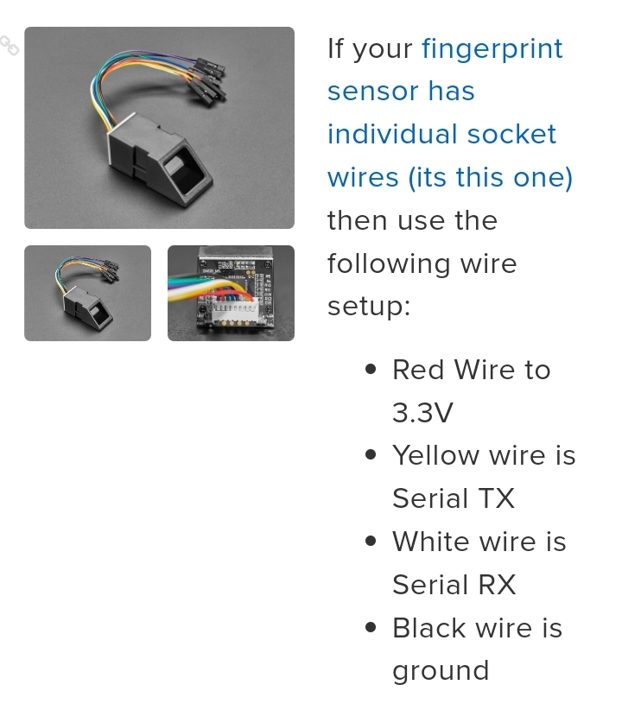
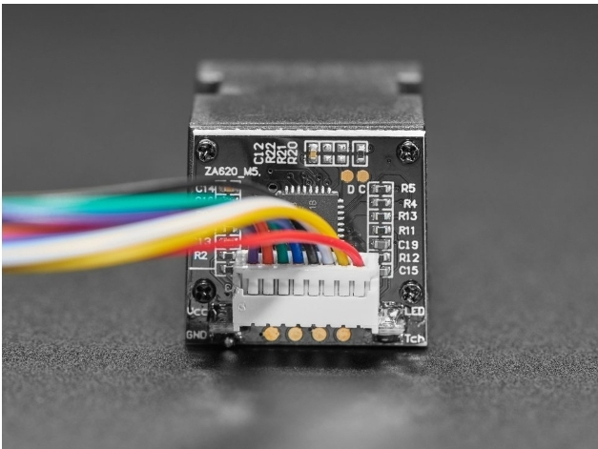
Sensor Pins |  | Arduino Pins
With Respect To Wire Side Up
From Right To Left
Pins # | Connections | Pins # | Connections
1 | Positive 3.3 Volt |  | Positive 3.3 Volt
2 | Tx | 2 | Rx
3 | Rx | 3 | Tx
4 | GND |  | GND

