Sheet2
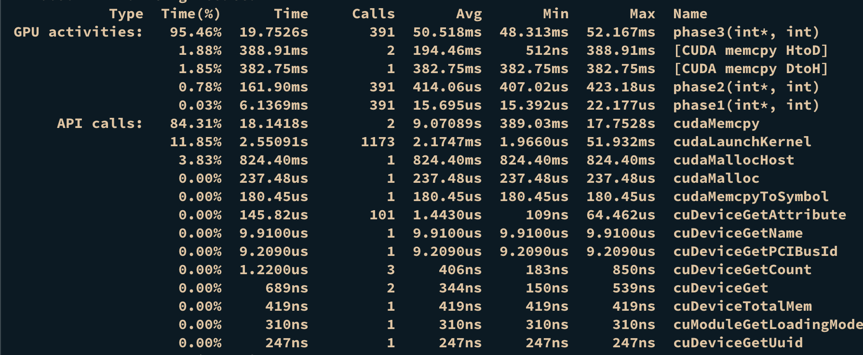
dim3 num_threads(BLOCK_SIZE, 1024/BLOCK_SIZE);
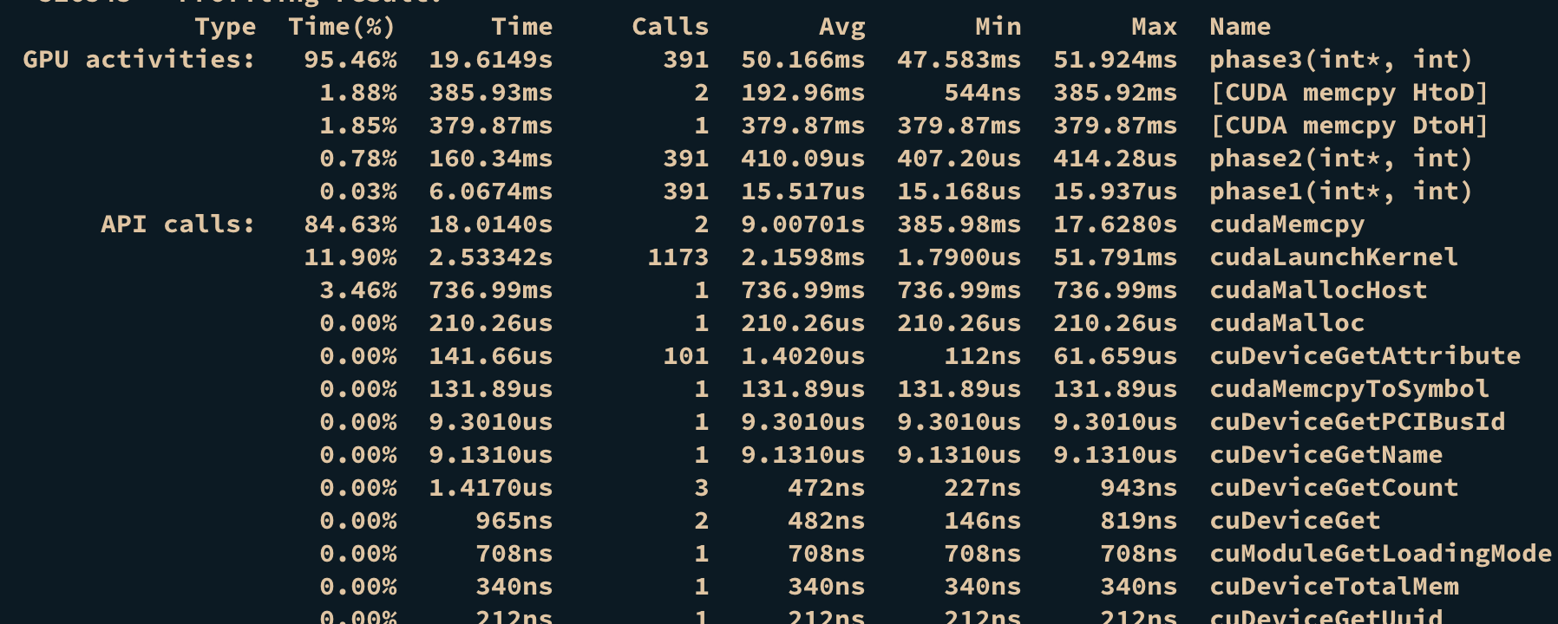

dim3 num_threads(BLOCK_SIZE, 16);
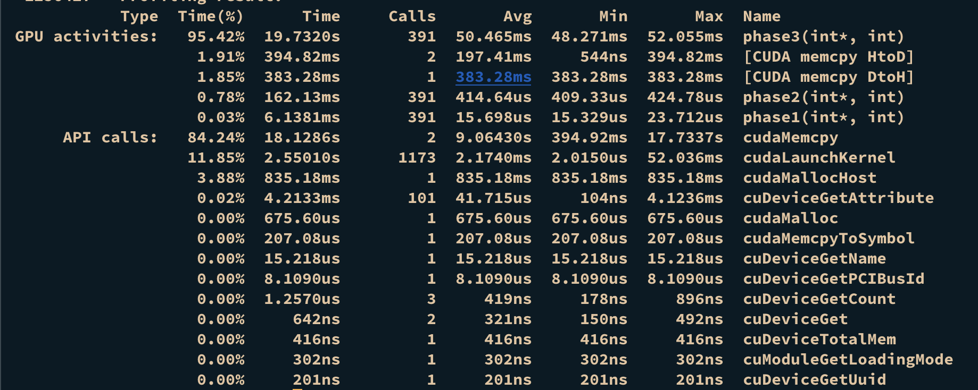

dim3 num_threads(BLOCK_SIZE, BLOCK_SIZE/4);

