TestSuit Fiddler
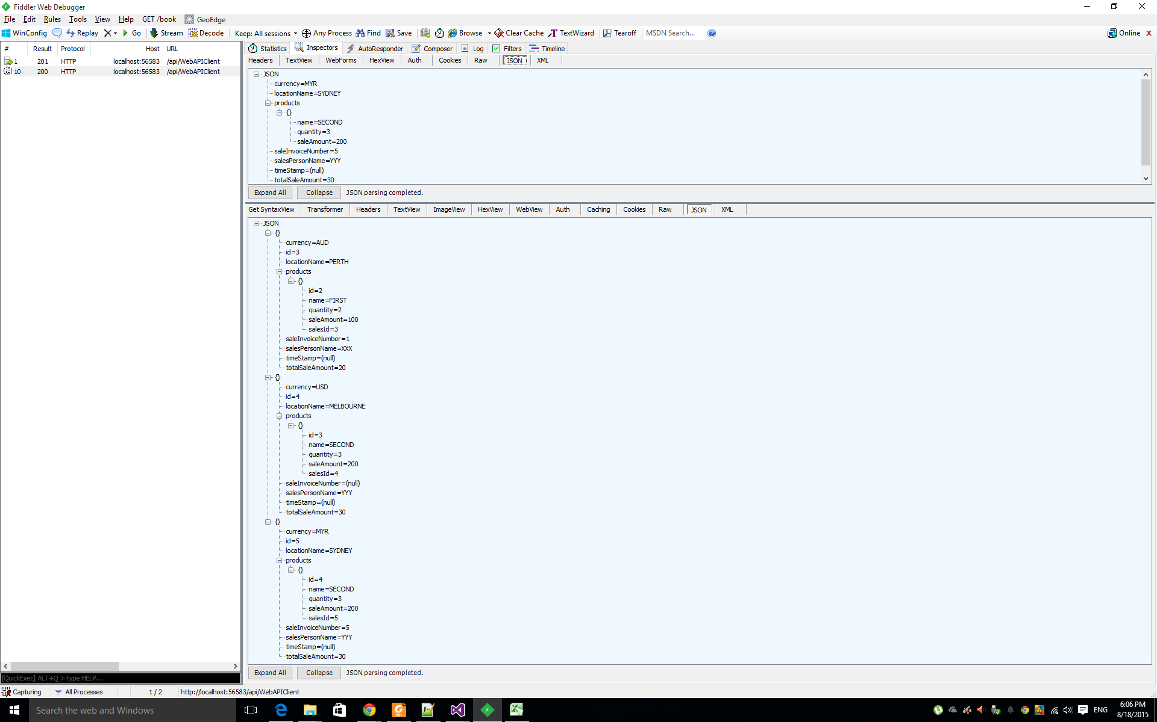
 |  | FIDDLER TESTING

GET REQUEST

 |  |  |  |  |  | BROWSER


 |  |  |  |  |  | FIDDLER TEST

 |  | JSON RESPONSE

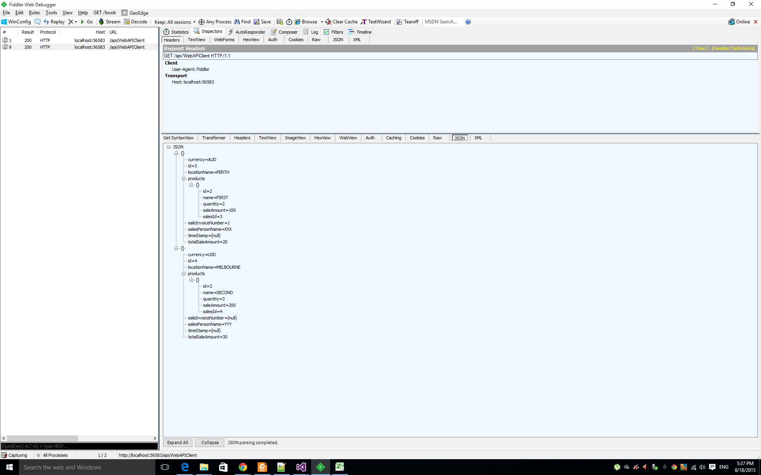

 |  | RAW RESPONSE

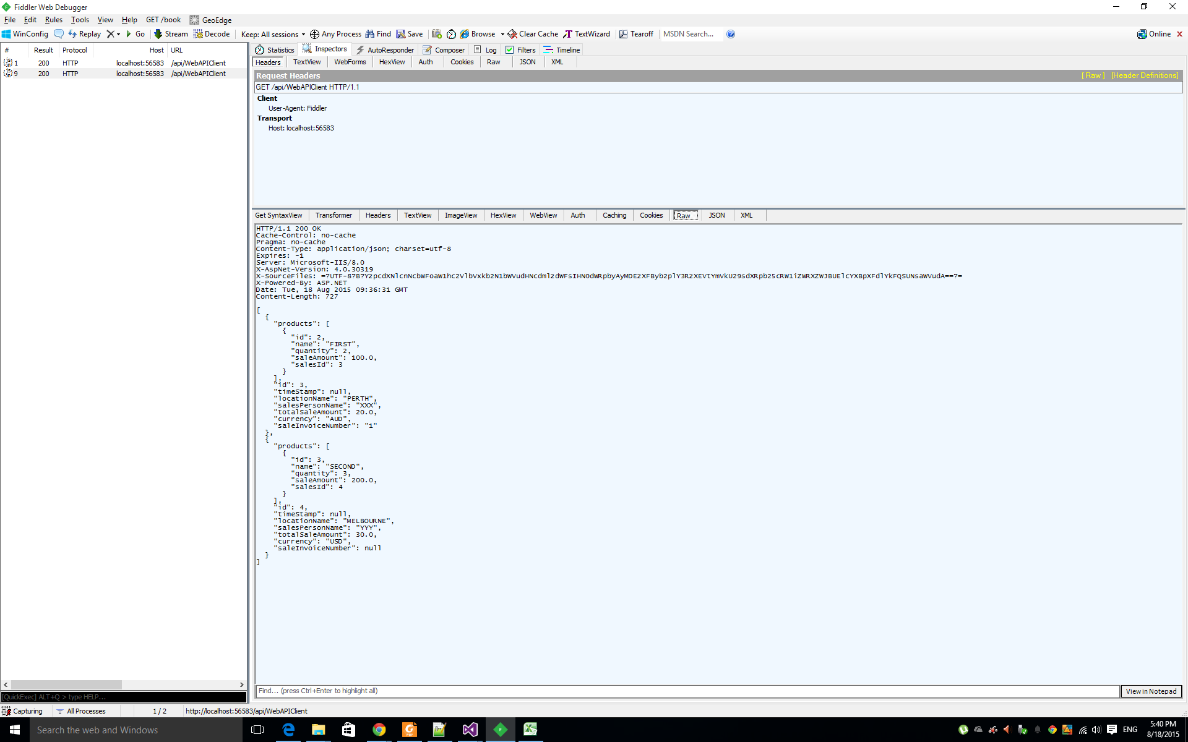

SPECIFIC GET REQUEST

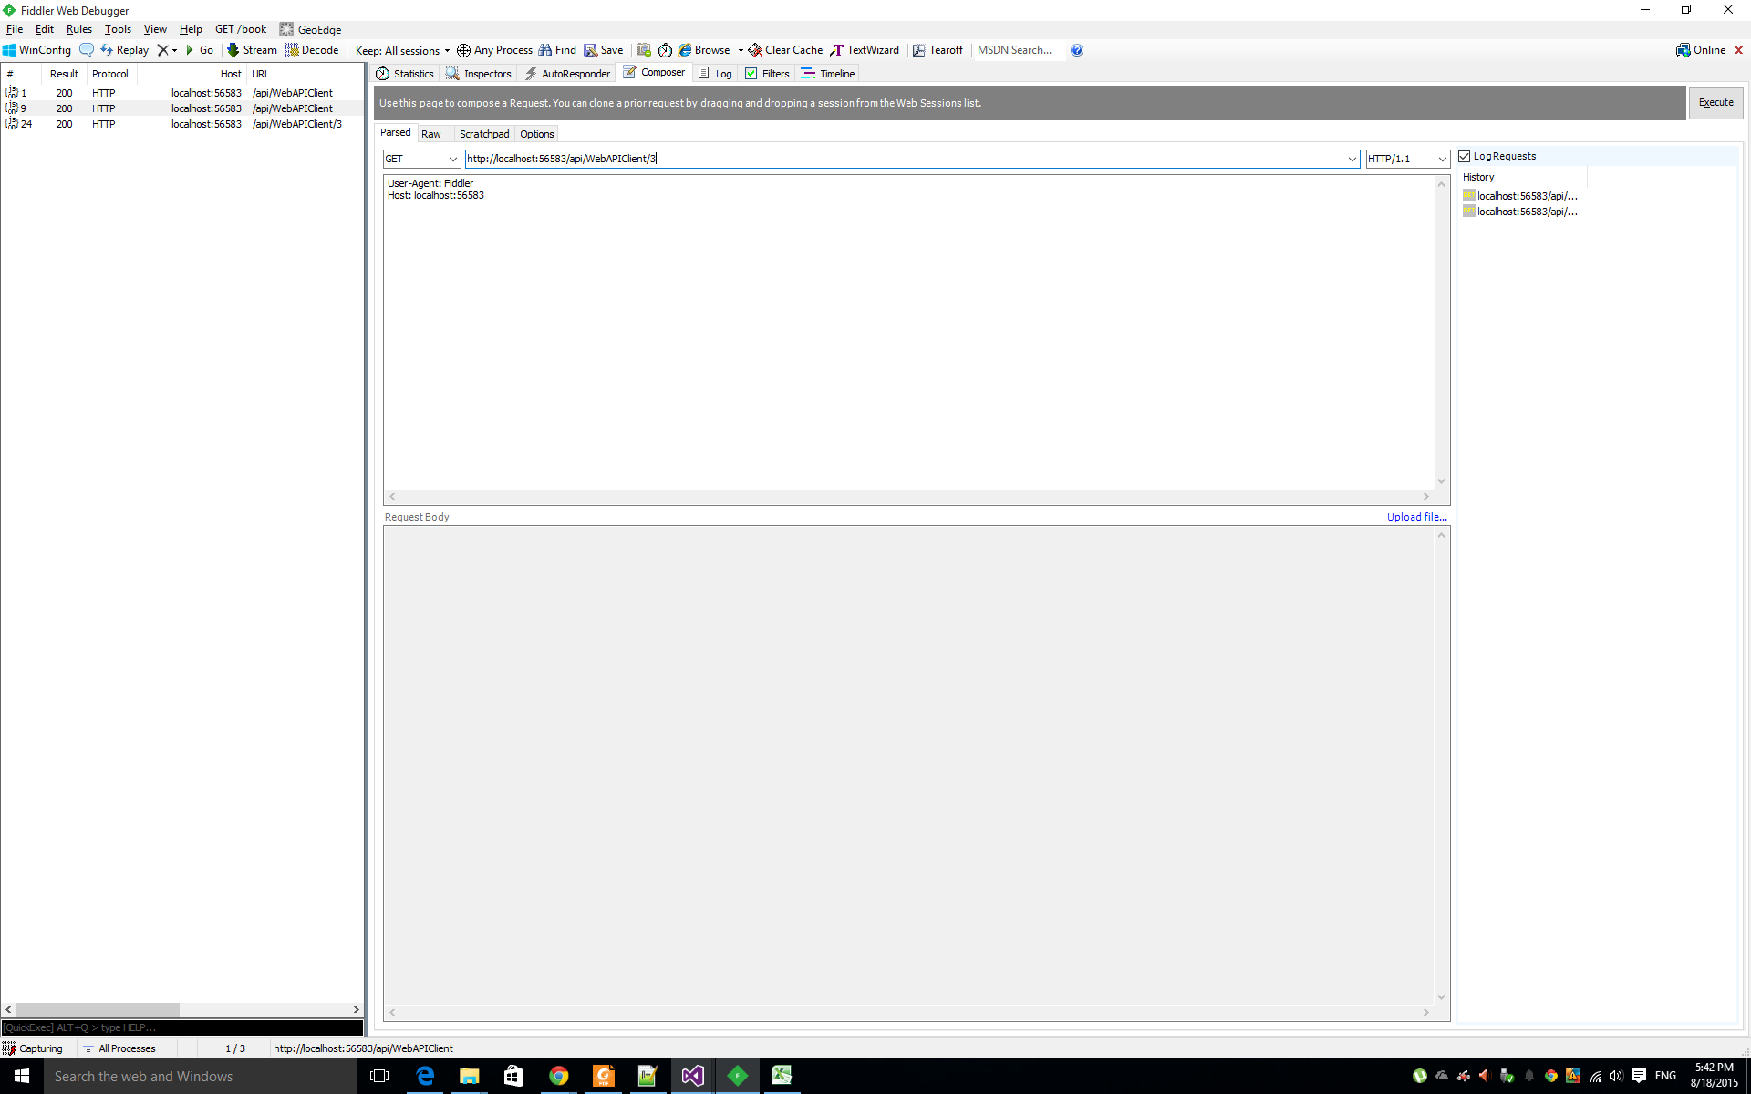

 | JSON RESPONSE |  |  | HTTP 200 SUCCESS

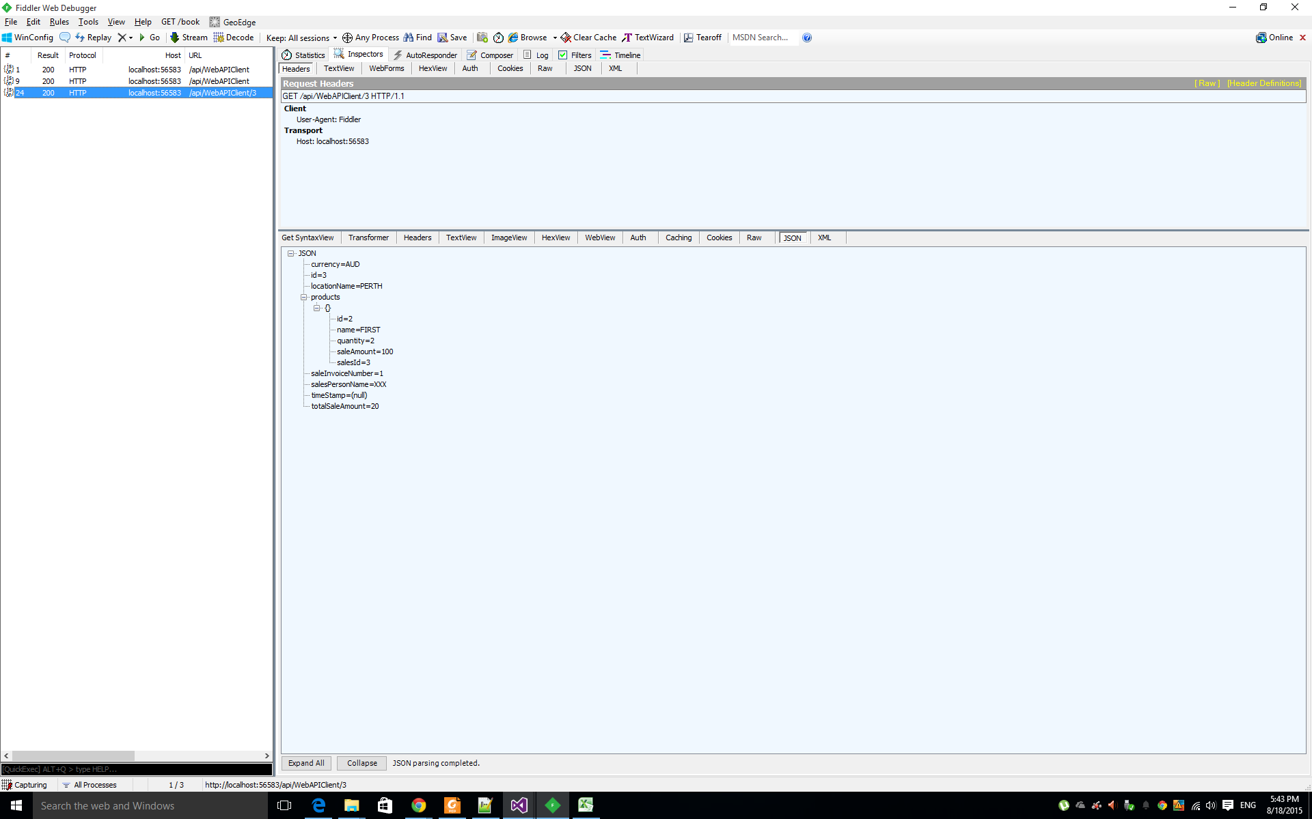

 | HTTP 404 NOT FOUND ON ENTERING THE NOT FOUND DATA

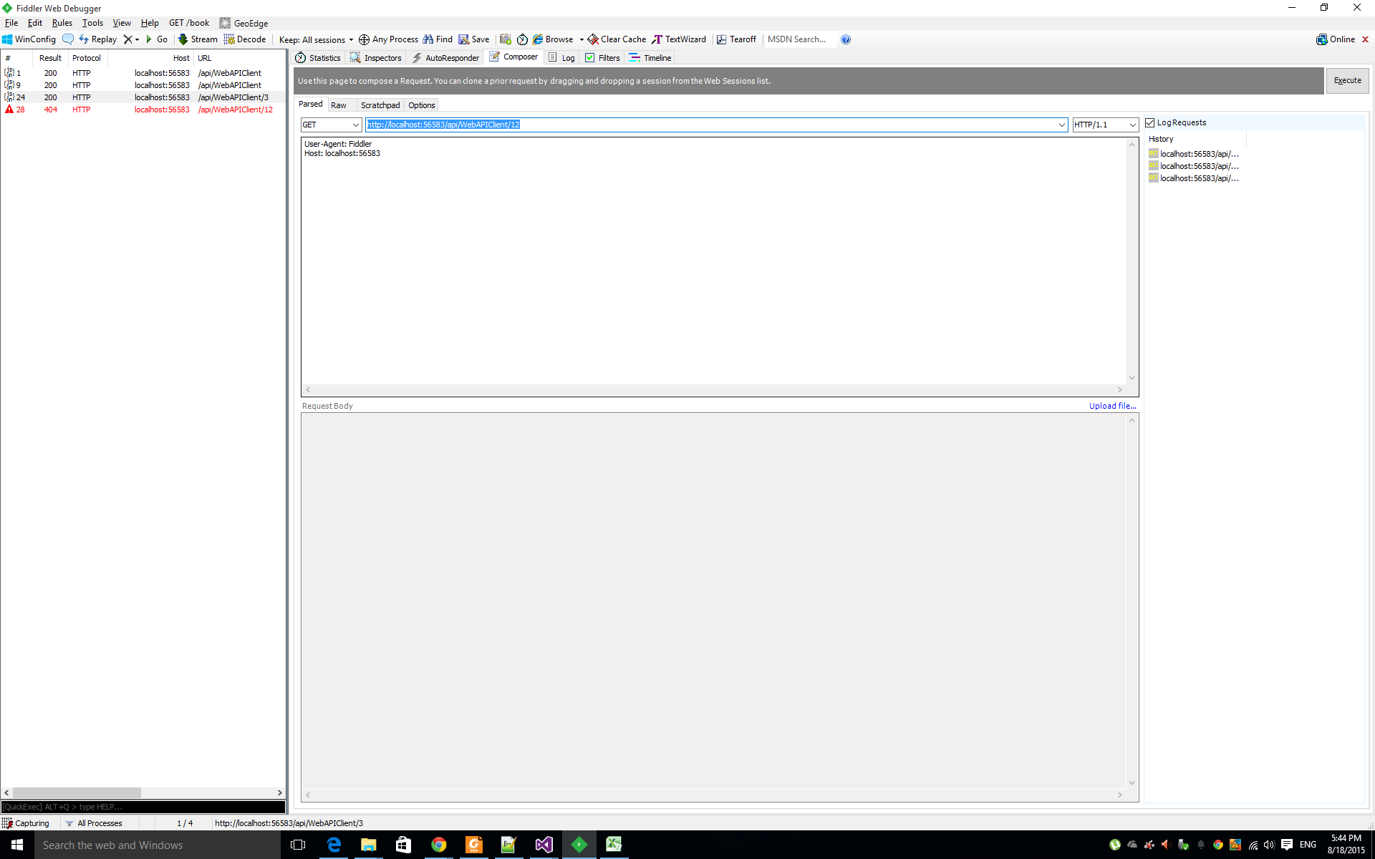

 | POST

 |  | Posting Bad Request :: That is User is Posting the Request Which is Bad or Say Empty Body In this Fiddler Test Case

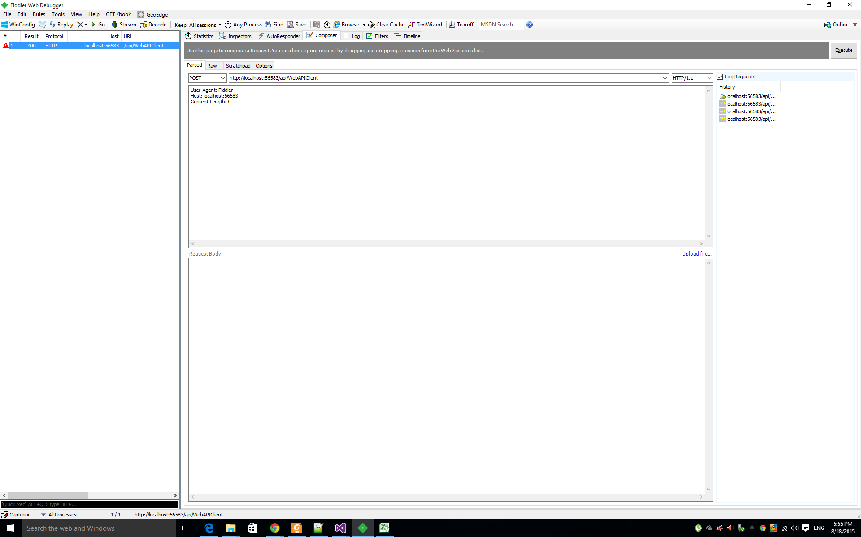

 |  |  | Posting Good Sales Data Request :: |  | 201 OK RESULT

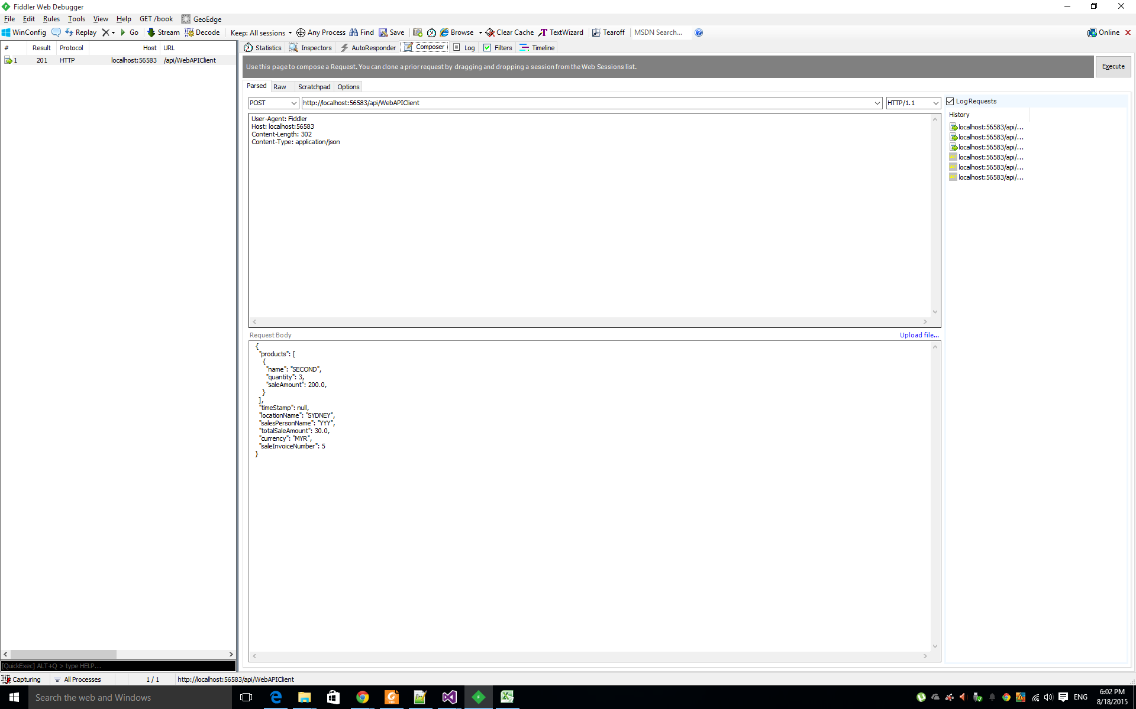

 |  |  | NEW DATA INSERTED

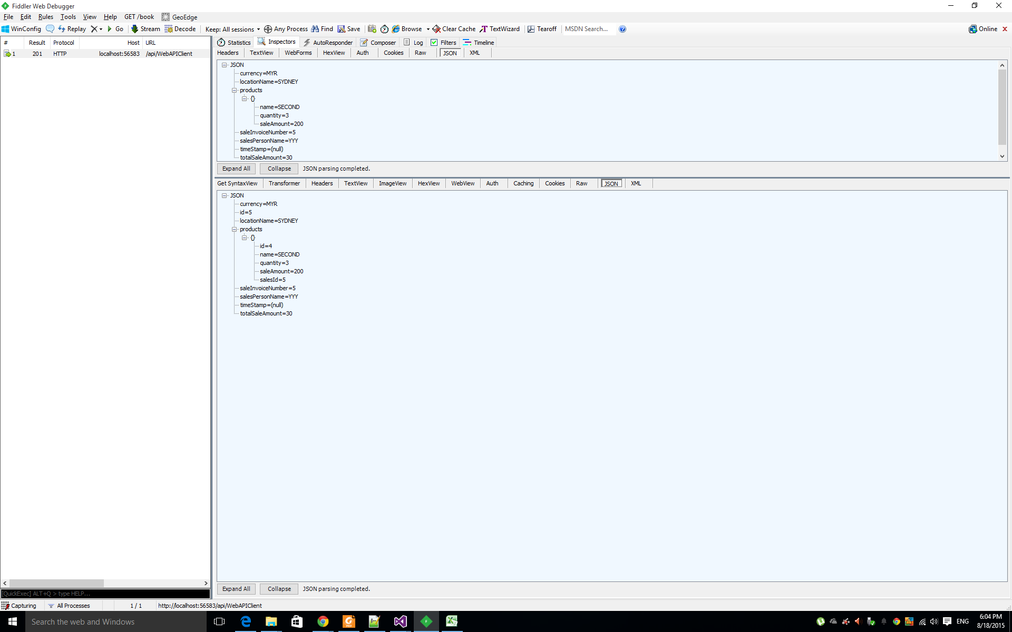

 |  |  | TOTAL DATA INSERTED :: NOW 3 data can be seen on usual get request

test runners using NUNIT MOQ
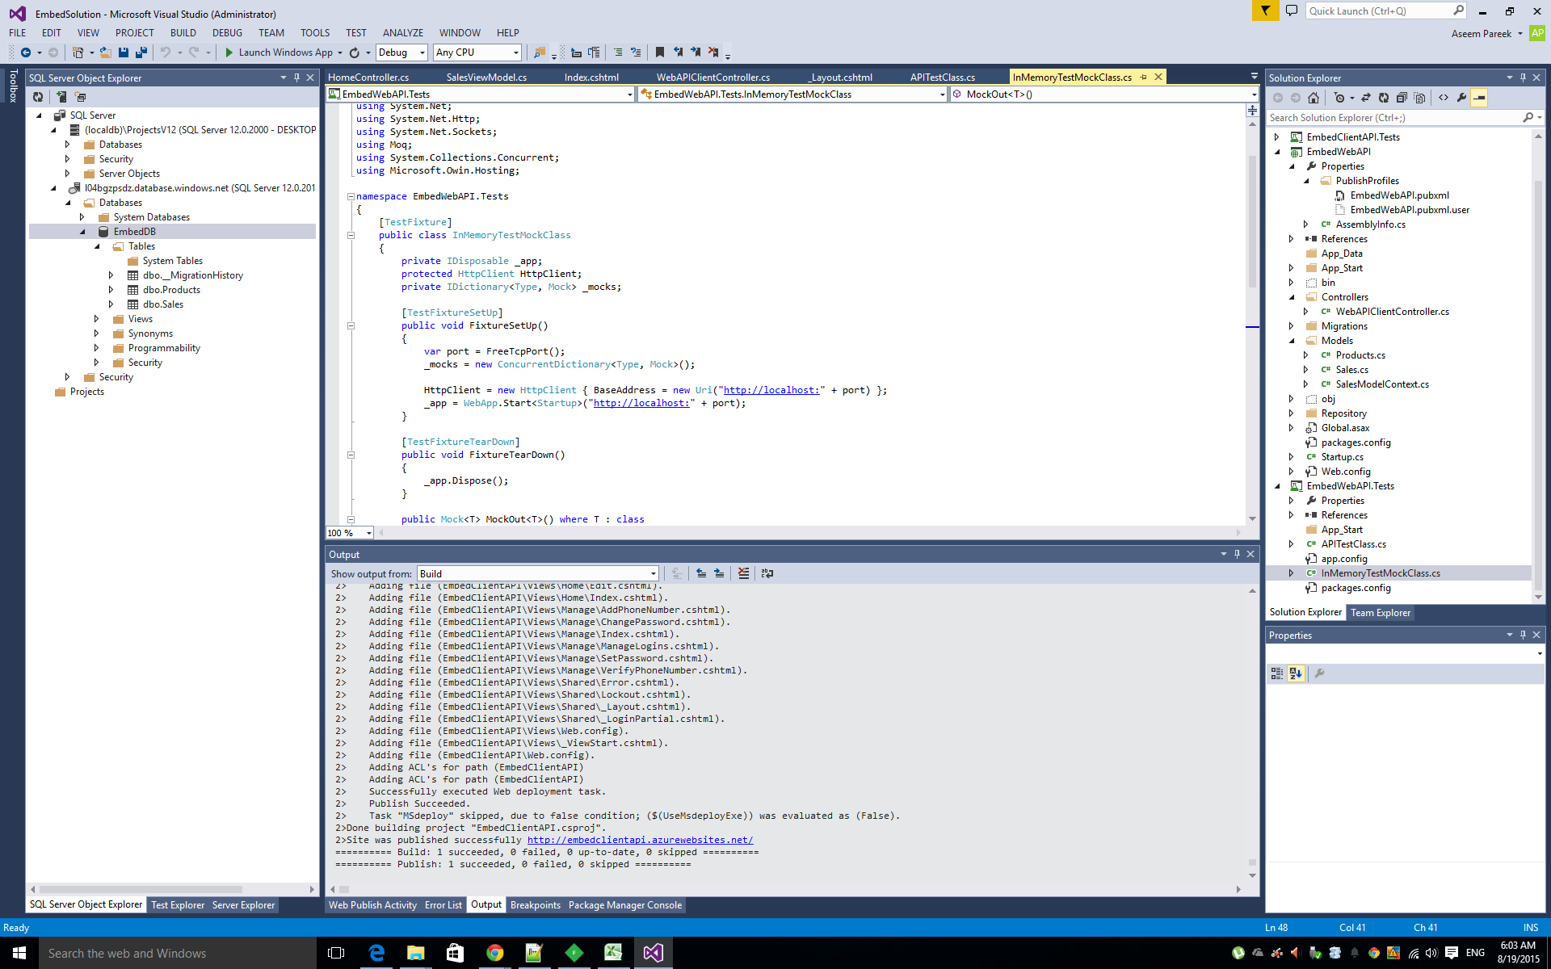
 | BY USING TEST SUIT NUNIT AND MOQ

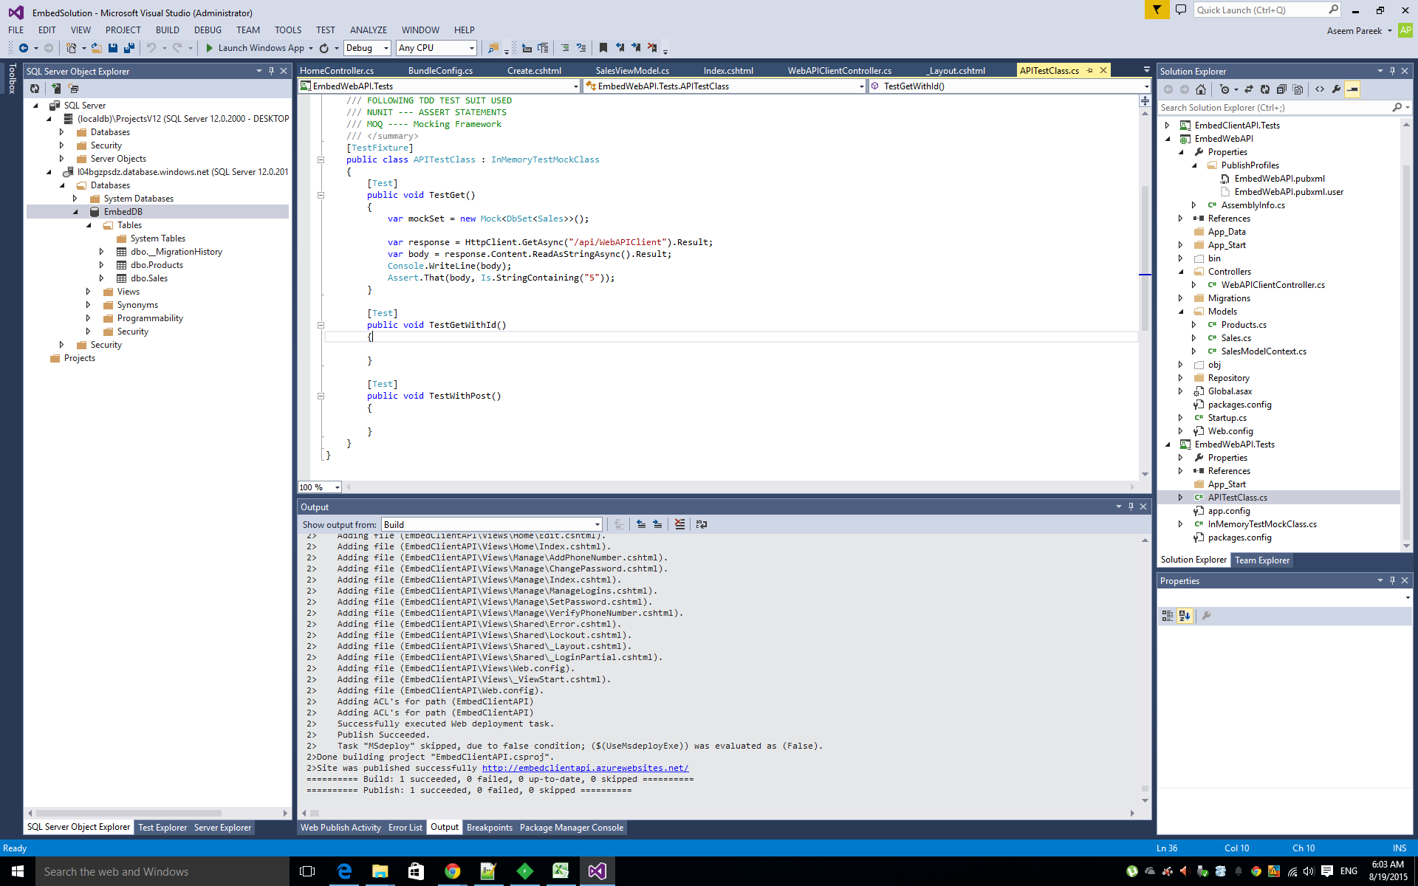

Mocking Framework to mock the http web api calls

