Summary
測試計畫執行報告
Report No（報表號） |  |  |  |  |  |  |  |  |  |  |  |  |  | 測試涵蓋率：89.66%
Product Name（產品名）
Spec Name/Version（規格名稱及版別）
Machine Informaiton （機器規格） |  |  |  |  |  |  | Testing Target Information (測試件資訊)
Motherboard/Brand |  |  |  |  |  |  | Driver Version (Driver版本號)
Chipset |  |  |  |  |  |  | Software Build (軟體版本號) |  |  |  |  |  |  |  | Pass | 26
CPU |  |  |  |  |  |  | Firmware Version (韌體版本號) |  |  |  |  |  |  |  | Fail | 0
DRAM |  |  |  |  |  |  | Hardware Identifier (硬體ID及版本) |  |  |  |  |  |  |  | Skip | 3
DirectX |  |  |  |  |  |  | IC Name(IC名稱)
Language |  |  |  |  |  |  | Other information(其他)
Execution information （執行資訊） |  |  |  |  |  |  | Test Comments (執行說明)
ReleaseType(測試種類)
Test period(測試期間)
Reported by(填表人)
Report Date(填表日期)
Function Test Coverage Results Summary (結果總計): |  | High |  |  |  | Midum |  |  |  | Low |  |  |  | Test Coverage（測試含概率）
 |  | Total | Performed 執行結果 |  |  | Total | Performed 執行結果 |  |  | Total | Performed 執行結果 |  |  | Total | Test Coverage
 |  | 100.00% | Pass | Fail | % | 0.00% | Pass | Fail | % | 0.00% | Pass | Fail | % |  | Pass | Fail | %
 | Total(總計) | 29 | 26 | 0 | 90% | 0 | 0 | 0 | - | 0 | 0 | 0 | - | 29 | 26 | 0 | 90%
1 | 接收距離測試 | 1 | 1 | 0 | 100% | 0 | 0 | 0 | - | 0 | 0 | 0 | - | 1 | 1 | 0 | 100%
2 | 美聲音效模式 | 6 | 6 | 0 | 100% | 0 | 0 | 0 | - | 0 | 0 | 0 | - | 6 | 6 | 0 | 100%
3 | 麥克風音量鍵 | 3 | 3 | 0 | 100% | 0 | 0 | 0 | - | 0 | 0 | 0 | - | 3 | 3 | 0 | 100%
4 | 麥克風電源鍵 | 2 | 2 | 0 | 100% | 0 | 0 | 0 | - | 0 | 0 | 0 | - | 2 | 2 | 0 | 100%
5 | 藍芽功能測試 | 1 | 1 | 0 | 100% | 0 | 0 | 0 | - | 0 | 0 | 0 | - | 1 | 1 | 0 | 100%
6 | K歌混音功能 | 1 | 1 | 0 | 100% | 0 | 0 | 0 | - | 0 | 0 | 0 | - | 1 | 1 | 0 | 100%
7 | 智能省電功能 | 3 | 0 | 0 | 0% | 0 | 0 | 0 | - | 0 | 0 | 0 | - | 3 | 0 | 0 | 0%
8 | USB DONGLE指示燈號 | 2 | 2 | 0 | 100% | 0 | 0 | 0 | - | 0 | 0 | 0 | - | 2 | 2 | 0 | 100%
9 | 麥克風指示燈號 | 4 | 4 | 0 | 100% | 0 | 0 | 0 | - | 0 | 0 | 0 | - | 4 | 4 | 0 | 100%
10 | 連接PC測試 | 4 | 4 | 0 | 100% | 0 | 0 | 0 | - | 0 | 0 | 0 | - | 4 | 4 | 0 | 100%
11 | 耐壓性測試 | 2 | 2 | 0 | 100% | 0 | 0 | 0 | - | 0 | 0 | 0 | - | 2 | 2 | 0 | 100%
12 |  |  |  |  | - |  |  |  | - |  |  |  | - |  |  |  | -
13 |  |  |  |  | - |  |  |  | - |  |  |  | - |  |  |  | -
14 |  |  |  |  | - |  |  |  | - |  |  |  | - |  |  |  | -
15 |  |  |  |  | - |  |  |  | - |  |  |  | - |  |  |  | -
16 |  |  |  |  | - |  |  |  | - |  |  |  | - |  |  |  | -
17 |  |  |  |  | - |  |  |  | - |  |  |  | - |  |  |  | -
18 |  |  |  |  | - |  |  |  | - |  |  |  | - |  |  |  | -
19 |  |  |  |  | - |  |  |  | - |  |  |  | - |  |  |  | -
20 |  |  |  |  | - |  |  |  | - |  |  |  | - |  |  |  | -
21 |  |  |  |  | - |  |  |  | - |  |  |  | - |  |  |  | -
22 |  |  |  |  | - |  |  |  | - |  |  |  | - |  |  |  | -
23 |  |  |  |  | - |  |  |  | - |  |  |  | - |  |  |  | -
24 |  |  |  |  | - |  |  |  | - |  |  |  | - |  |  |  | -
25 |  |  |  |  | - |  |  |  | - |  |  |  | - |  |  |  | -
26 |  |  |  |  | - |  |  |  | - |  |  |  | - |  |  |  | -
27 |  |  |  |  | - |  |  |  | - |  |  |  | - |  |  |  | -
28 |  |  |  |  | - |  |  |  | - |  |  |  | - |  |  |  | -
29 |  |  |  |  | - |  |  |  | - |  |  |  | - |  |  |  | -
30 |  |  |  |  | - |  |  |  | - |  |  |  | - |  |  |  | -
31 |  |  |  |  | - |  |  |  | - |  |  |  | - |  |  |  | -
32 |  |  |  |  | - |  |  |  | - |  |  |  | - |  |  |  | -
33 |  |  |  |  | - |  |  |  | - |  |  |  | - |  |  |  | -
34 |  |  |  |  | - |  |  |  | - |  |  |  | - |  |  |  | -
35 |  |  |  |  | - |  |  |  | - |  |  |  | - |  |  |  | -
36 |  |  |  |  | - |  |  |  | - |  |  |  | - |  |  |  | -
37 |  |  |  |  | - |  |  |  | - |  |  |  | - |  |  |  | -
38 |  |  |  |  | - |  |  |  | - |  |  |  | - |  |  |  | -
39 |  |  |  |  | - |  |  |  | - |  |  |  | - |  |  |  | -
40 |  |  |  |  | - |  |  |  | - |  |  |  | - |  |  |  | -
41 |  |  |  |  | - |  |  |  | - |  |  |  | - |  |  |  | -
42 |  |  |  |  | - |  |  |  | - |  |  |  | - |  |  |  | -
43 |  |  |  |  | - |  |  |  | - |  |  |  | - |  |  |  | -
44 |  |  |  |  | - |  |  |  | - |  |  |  | - |  |  |  | -
45 |  |  |  |  | - |  |  |  | - |  |  |  | - |  |  |  | -
46 |  |  |  |  | - |  |  |  | - |  |  |  | - |  |  |  | -
47 |  |  |  |  | - |  |  |  | - |  |  |  | - |  |  |  | -
48 |  |  |  |  | - |  |  |  | - |  |  |  | - |  |  |  | -
49 |  |  |  |  | - |  |  |  | - |  |  |  | - |  |  |  | -
50 |  |  |  |  | - |  |  |  | - |  |  |  | - |  |  |  | -
51 |  |  |  |  | - |  |  |  | - |  |  |  | - |  |  |  | -
52 |  |  |  |  | - |  |  |  | - |  |  |  | - |  |  |  | -
53 |  |  |  |  | - |  |  |  | - |  |  |  | - |  |  |  | -
54 |  |  |  |  | - |  |  |  | - |  |  |  | - |  |  |  | -
55 |  |  |  |  | - |  |  |  | - |  |  |  | - |  |  |  | -
56 |  |  |  |  | - |  |  |  | - |  |  |  | - |  |  |  | -
57 |  |  |  |  | - |  |  |  | - |  |  |  | - |  |  |  | -
58 |  |  |  |  | - |  |  |  | - |  |  |  | - |  |  |  | -
59 |  |  |  |  | - |  |  |  | - |  |  |  | - |  |  |  | -
60 |  |  |  |  | - |  |  |  | - |  |  |  | - |  |  |  | -
61 |  |  |  |  | - |  |  |  | - |  |  |  | - |  |  |  | -
62 |  |  |  |  | - |  |  |  | - |  |  |  | - |  |  |  | -
63 |  |  |  |  | - |  |  |  | - |  |  |  | - |  |  |  | -
64 |  |  |  |  | - |  |  |  | - |  |  |  | - |  |  |  | -
65 |  |  |  |  | - |  |  |  | - |  |  |  | - |  |  |  | -
66 |  |  |  |  | - |  |  |  | - |  |  |  | - |  |  |  | -
67 |  |  |  |  | - |  |  |  | - |  |  |  | - |  |  |  | -
68 |  |  |  |  | - |  |  |  | - |  |  |  | - |  |  |  | -
69 |  |  |  |  | - |  |  |  | - |  |  |  | - |  |  |  | -
70 |  |  |  |  | - |  |  |  | - |  |  |  | - |  |  |  | -
71 |  |  |  |  | - |  |  |  | - |  |  |  | - |  |  |  | -
72 |  |  |  |  | - |  |  |  | - |  |  |  | - |  |  |  | -
73 |  |  |  |  | - |  |  |  | - |  |  |  | - |  |  |  | -
74 |  |  |  |  | - |  |  |  | - |  |  |  | - |  |  |  | -
75 |  |  |  |  | - |  |  |  | - |  |  |  | - |  |  |  | -
76 |  |  |  |  | - |  |  |  | - |  |  |  | - |  |  |  | -
77 |  |  |  |  | - |  |  |  | - |  |  |  | - |  |  |  | -
78 |  |  |  |  | - |  |  |  | - |  |  |  | - |  |  |  | -
79 |  |  |  |  | - |  |  |  | - |  |  |  | - |  |  |  | -
80 |  |  |  |  | - |  |  |  | - |  |  |  | - |  |  |  | -
81 |  |  |  |  | - |  |  |  | - |  |  |  | - |  |  |  | -
82 |  |  |  |  | - |  |  |  | - |  |  |  | - |  |  |  | -
83 |  |  |  |  | - |  |  |  | - |  |  |  | - |  |  |  | -
84 |  |  |  |  | - |  |  |  | - |  |  |  | - |  |  |  | -
85 |  |  |  |  | - |  |  |  | - |  |  |  | - |  |  |  | -
86 |  |  |  |  | - |  |  |  | - |  |  |  | - |  |  |  | -
87 |  |  |  |  | - |  |  |  | - |  |  |  | - |  |  |  | -
88 |  |  |  |  | - |  |  |  | - |  |  |  | - |  |  |  | -
89 |  |  |  |  | - |  |  |  | - |  |  |  | - |  |  |  | -
90 |  |  |  |  | - |  |  |  | - |  |  |  | - |  |  |  | -
91 |  |  |  |  | - |  |  |  | - |  |  |  | - |  |  |  | -
92 |  |  |  |  | - |  |  |  | - |  |  |  | - |  |  |  | -
93 |  |  |  |  | - |  |  |  | - |  |  |  | - |  |  |  | -
94 |  |  |  |  | - |  |  |  | - |  |  |  | - |  |  |  | -
95 |  |  |  |  | - |  |  |  | - |  |  |  | - |  |  |  | -
96 |  |  |  |  | - |  |  |  | - |  |  |  | - |  |  |  | -
97 |  |  |  |  | - |  |  |  | - |  |  |  | - |  |  |  | -
98 |  |  |  |  | - |  |  |  | - |  |  |  | - |  |  |  | -
99 |  |  |  |  | - |  |  |  | - |  |  |  | - |  |  |  | -
100 |  |  |  |  | - |  |  |  | - |  |  |  | - |  |  |  | -
101 |  |  |  |  | - |  |  |  | - |  |  |  | - |  |  |  | -
102 |  |  |  |  | - |  |  |  | - |  |  |  | - |  |  |  | -
103 |  |  |  |  | - |  |  |  | - |  |  |  | - |  |  |  | -
104 |  |  |  |  | - |  |  |  | - |  |  |  | - |  |  |  | -
105 |  |  |  |  | - |  |  |  | - |  |  |  | - |  |  |  | -
106 |  |  |  |  | - |  |  |  | - |  |  |  | - |  |  |  | -
107 |  |  |  |  | - |  |  |  | - |  |  |  | - |  |  |  | -
108 |  |  |  |  | - |  |  |  | - |  |  |  | - |  |  |  | -
109 |  |  |  |  | - |  |  |  | - |  |  |  | - |  |  |  | -
110 |  |  |  |  | - |  |  |  | - |  |  |  | - |  |  |  | -
111 |  |  |  |  | - |  |  |  | - |  |  |  | - |  |  |  | -
112 |  |  |  |  | - |  |  |  | - |  |  |  | - |  |  |  | -
113 |  |  |  |  | - |  |  |  | - |  |  |  | - |  |  |  | -
114 |  |  |  |  | - |  |  |  | - |  |  |  | - |  |  |  | -
115 |  |  |  |  | - |  |  |  | - |  |  |  | - |  |  |  | -
116 |  |  |  |  | - |  |  |  | - |  |  |  | - |  |  |  | -
117 |  |  |  |  | - |  |  |  | - |  |  |  | - |  |  |  | -
118 |  |  |  |  | - |  |  |  | - |  |  |  | - |  |  |  | -
119 |  |  |  |  | - |  |  |  | - |  |  |  | - |  |  |  | -
120 |  |  |  |  | - |  |  |  | - |  |  |  | - |  |  |  | -
121 |  |  |  |  | - |  |  |  | - |  |  |  | - |  |  |  | -
122 |  |  |  |  | - |  |  |  | - |  |  |  | - |  |  |  | -
123 |  |  |  |  | - |  |  |  | - |  |  |  | - |  |  |  | -
124 |  |  |  |  | - |  |  |  | - |  |  |  | - |  |  |  | -
125 |  |  |  |  | - |  |  |  | - |  |  |  | - |  |  |  | -
126 |  |  |  |  | - |  |  |  | - |  |  |  | - |  |  |  | -
127 |  |  |  |  | - |  |  |  | - |  |  |  | - |  |  |  | -
128 |  |  |  |  | - |  |  |  | - |  |  |  | - |  |  |  | -
129 |  |  |  |  | - |  |  |  | - |  |  |  | - |  |  |  | -
130 |  |  |  |  | - |  |  |  | - |  |  |  | - |  |  |  | -
131 |  |  |  |  | - |  |  |  | - |  |  |  | - |  |  |  | -
132 |  |  |  |  | - |  |  |  | - |  |  |  | - |  |  |  | -
133 |  |  |  |  | - |  |  |  | - |  |  |  | - |  |  |  | -
134 |  |  |  |  | - |  |  |  | - |  |  |  | - |  |  |  | -
135 |  |  |  |  | - |  |  |  | - |  |  |  | - |  |  |  | -
136 |  |  |  |  | - |  |  |  | - |  |  |  | - |  |  |  | -
137 |  |  |  |  | - |  |  |  | - |  |  |  | - |  |  |  | -
138 |  |  |  |  | - |  |  |  | - |  |  |  | - |  |  |  | -
139 |  |  |  |  | - |  |  |  | - |  |  |  | - |  |  |  | -
140 |  |  |  |  | - |  |  |  | - |  |  |  | - |  |  |  | -
141 |  |  |  |  | - |  |  |  | - |  |  |  | - |  |  |  | -
142 |  |  |  |  | - |  |  |  | - |  |  |  | - |  |  |  | -
143 |  |  |  |  | - |  |  |  | - |  |  |  | - |  |  |  | -
144 |  |  |  |  | - |  |  |  | - |  |  |  | - |  |  |  | -
145 |  |  |  |  | - |  |  |  | - |  |  |  | - |  |  |  | -
146 |  |  |  |  | - |  |  |  | - |  |  |  | - |  |  |  | -
147 |  |  |  |  | - |  |  |  | - |  |  |  | - |  |  |  | -
148 |  |  |  |  | - |  |  |  | - |  |  |  | - |  |  |  | -
149 |  |  |  |  | - |  |  |  | - |  |  |  | - |  |  |  | -
150 |  |  |  |  | - |  |  |  | - |  |  |  | - |  |  |  | -
151 |  |  |  |  | - |  |  |  | - |  |  |  | - |  |  |  | -
152 |  |  |  |  | - |  |  |  | - |  |  |  | - |  |  |  | -
153 |  |  |  |  | - |  |  |  | - |  |  |  | - |  |  |  | -
154 |  |  |  |  | - |  |  |  | - |  |  |  | - |  |  |  | -
155 |  |  |  |  | - |  |  |  | - |  |  |  | - |  |  |  | -
156 |  |  |  |  | - |  |  |  | - |  |  |  | - |  |  |  | -
157 |  |  |  |  | - |  |  |  | - |  |  |  | - |  |  |  | -
158 |  |  |  |  | - |  |  |  | - |  |  |  | - |  |  |  | -
159 |  |  |  |  | - |  |  |  | - |  |  |  | - |  |  |  | -
160 |  |  |  |  | - |  |  |  | - |  |  |  | - |  |  |  | -
161 |  |  |  |  | - |  |  |  | - |  |  |  | - |  |  |  | -
162 |  |  |  |  | - |  |  |  | - |  |  |  | - |  |  |  | -
163 |  |  |  |  | - |  |  |  | - |  |  |  | - |  |  |  | -
164 |  |  |  |  | - |  |  |  | - |  |  |  | - |  |  |  | -
165 |  |  |  |  | - |  |  |  | - |  |  |  | - |  |  |  | -
166 |  |  |  |  | - |  |  |  | - |  |  |  | - |  |  |  | -
167 |  |  |  |  | - |  |  |  | - |  |  |  | - |  |  |  | -
168 |  |  |  |  | - |  |  |  | - |  |  |  | - |  |  |  | -
169 |  |  |  |  | - |  |  |  | - |  |  |  | - |  |  |  | -
170 |  |  |  |  | - |  |  |  | - |  |  |  | - |  |  |  | -
171 |  |  |  |  | - |  |  |  | - |  |  |  | - |  |  |  | -
172 |  |  |  |  | - |  |  |  | - |  |  |  | - |  |  |  | -
173 |  |  |  |  | - |  |  |  | - |  |  |  | - |  |  |  | -
174 |  |  |  |  | - |  |  |  | - |  |  |  | - |  |  |  | -
175 |  |  |  |  | - |  |  |  | - |  |  |  | - |  |  |  | -
176 |  |  |  |  | - |  |  |  | - |  |  |  | - |  |  |  | -
177 |  |  |  |  | - |  |  |  | - |  |  |  | - |  |  |  | -
178 |  |  |  |  | - |  |  |  | - |  |  |  | - |  |  |  | -
179 |  |  |  |  | - |  |  |  | - |  |  |  | - |  |  |  | -
180 |  |  |  |  | - |  |  |  | - |  |  |  | - |  |  |  | -
181 |  |  |  |  | - |  |  |  | - |  |  |  | - |  |  |  | -
182 |  |  |  |  | - |  |  |  | - |  |  |  | - |  |  |  | -
183 |  |  |  |  | - |  |  |  | - |  |  |  | - |  |  |  | -
184 |  |  |  |  | - |  |  |  | - |  |  |  | - |  |  |  | -
185 |  |  |  |  | - |  |  |  | - |  |  |  | - |  |  |  | -
186 |  |  |  |  | - |  |  |  | - |  |  |  | - |  |  |  | -
187 |  |  |  |  | - |  |  |  | - |  |  |  | - |  |  |  | -
188 |  |  |  |  | - |  |  |  | - |  |  |  | - |  |  |  | -
189 |  |  |  |  | - |  |  |  | - |  |  |  | - |  |  |  | -
190 |  |  |  |  | - |  |  |  | - |  |  |  | - |  |  |  | -
191 |  |  |  |  | - |  |  |  | - |  |  |  | - |  |  |  | -
192 |  |  |  |  | - |  |  |  | - |  |  |  | - |  |  |  | -
193 |  |  |  |  | - |  |  |  | - |  |  |  | - |  |  |  | -
194 |  |  |  |  | - |  |  |  | - |  |  |  | - |  |  |  | -
195 |  |  |  |  | - |  |  |  | - |  |  |  | - |  |  |  | -
196 |  |  |  |  | - |  |  |  | - |  |  |  | - |  |  |  | -
197 |  |  |  |  | - |  |  |  | - |  |  |  | - |  |  |  | -
198 |  |  |  |  | - |  |  |  | - |  |  |  | - |  |  |  | -
199 |  |  |  |  | - |  |  |  | - |  |  |  | - |  |  |  | -
200 |  |  |  |  | - |  |  |  | - |  |  |  | - |  |  |  | -

Test Configuration
Hardware Configurations and Resource Allocations
 | Motherboard | Chipset | CPU | DRAM | Test OS / Language | Test Engineer | Comments

若需插入外部圖片，功能列上選擇
『插入』 |『圖片』| 選擇所需插入之檔案
Softwares & Applications |  |  |  |  | TESTing Flow chart or TopologY
 | Softwares/Applications | Version | Comments

Test Samples and Others
 | Test Samples | Comments

使用說明
打開本檔案時需啟用巨集如圖示：
Ctrl-Shift-I 增加空白行 （ Insert）
Ctrl-Shift-D 刪除行 （Delete）
Ctrl-Shift-M 搬移（Move）
Ctrl-Shift-C 呼叫功能頁面 （Call/commands）
儲存時，請注意使用允許巨集的檔案類型"xlsm"<
否則下次無法使用巨集。
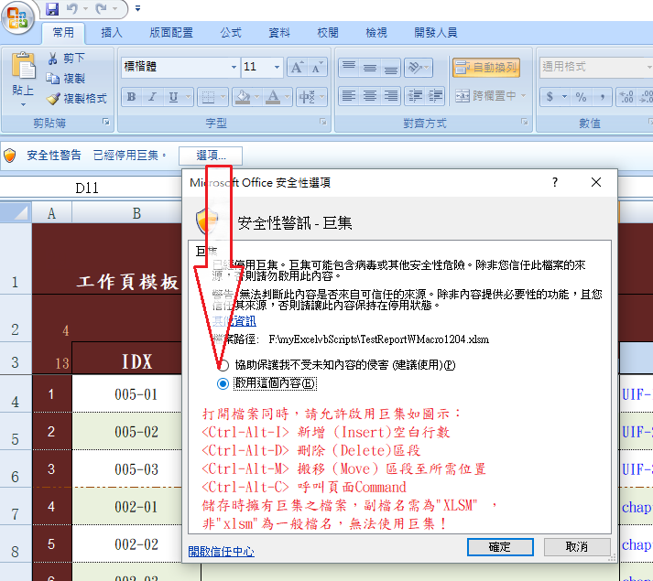
0 | How To Start:
 | ＊ 先將『測試種類』及所需的『工作頁名稱』定義於『測試種類』工作頁中。然後各工作頁定義測試案例，結果會自動連動『Result』 及 『Summary』
 | ＊ 允許至多共200個『測試種類』。各工作頁之上限為：測試案例500/頁。
 | ＊ 現暫定共允許10個工作頁。

1 | 如何複製文字而不造成格式混亂
 | (1).標定所需複製範圍，然後鼠標右鍵選取『複製』 | (2)鼠標移至所需定點，按右鍵選取『選擇性貼上』 | (3)選取『值』，然後『確定』。
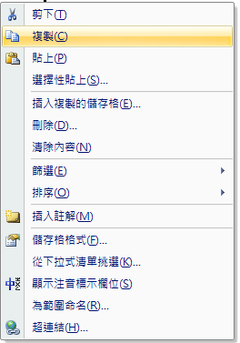
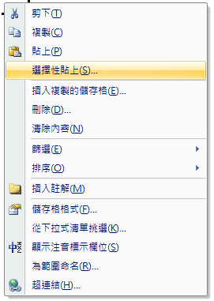
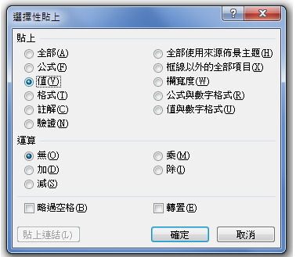

2 | 如何插入多個測試項目分類

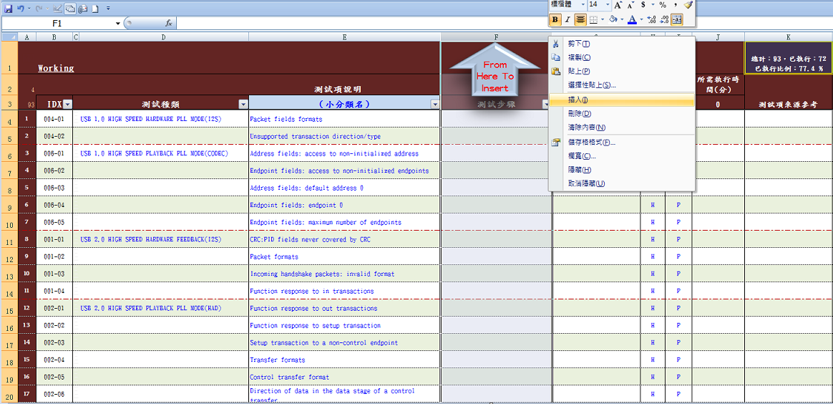
若測試之分類名稱需要增加時，可增加『小分類名』行。
按滑鼠右鍵，選取『插入』，增加其『小分類名稱』，再更改表頭處之『(小分類名)』為適當名稱。

3 | 連動 MANTIS 臭蟲管理系統

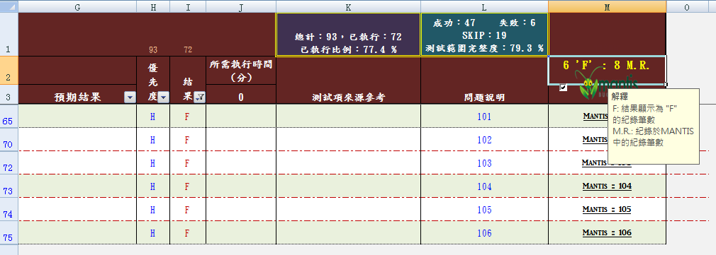
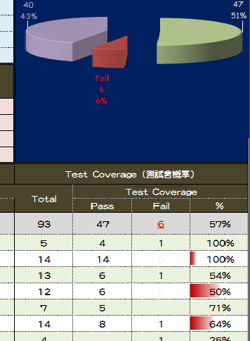
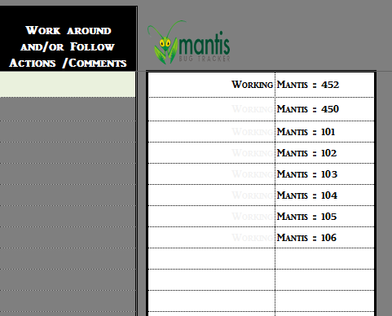
若結果有誤（F），請於問題說明，附上該bug 之MANTIS ID，報表隨後將自動產生MANTIS 之URL，方便後來讀者可直接連接到MANTIS。
1. 會將所有以輸入之MANTIS ID 自動載入到"RELEASE NOTE"工作頁中。無須人工輸入。
2. 並將所有工作頁中紀錄計算至Summary 工作頁中

