Geology
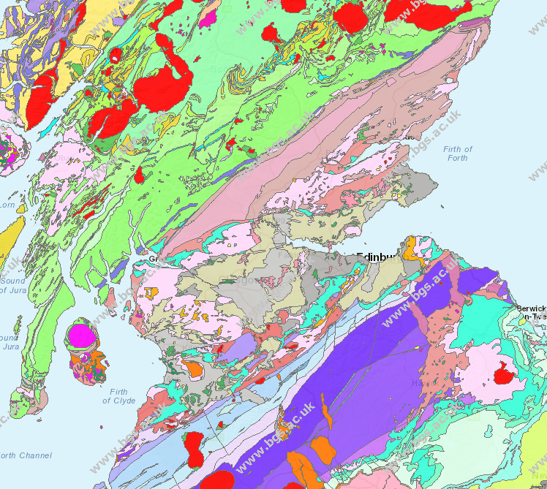
Group | Description | Setting
Unnamed Igneous Intrusion, Carboniferous To Permian | Dolerite And Tholeiitic Basalt. Igneous Bedrock formed approximately 251 to 359 million years ago in the Permian and Carboniferous Periods. Local environment previously dominated by intrusions of silica-poor magma. | intrusions of silica-poor magma. These rocks were formed from silica-poor magma intruded into the Earth's crust. It cooled to form intrusions ranging from large, coarse-crystalline, often gabbroic, plutons at depth to smaller, fine to medium crystalline, often basaltic dykes and sills.
Unnamed Extrusive Rocks, Silurian To Devonian | Mafic Lava And Mafic Tuff. Igneous Bedrock formed approximately 359 to 444 million years ago in the Devonian and Silurian Periods. Local environment previously dominated by eruptions of silica-poor magma. | eruptions of silica-poor magma. These rocks were formed from mobile magma, poor in silica. It rose to the surface and erupted as fluid lava from shallow-sided volcanoes and fissures. These eruptions are associated with the spreading of the Earth's tectonic plates and are often accompanied by feeder dyke and sill intrusions.
Unnamed Extrusive Rocks, Dinantian | Felsic Lava And Felsic Tuff. Igneous Bedrock formed approximately 326 to 359 million years ago in the Carboniferous Period. Local environment previously dominated by eruptions of silica-rich magma. | eruptions of silica-rich magma. These rocks were formed from viscous to semi-mobile magma, rich in silica. It rose to the surface and erupted as sticky lava from steep-sided volcanoes. These eruptions are commonly associated with subduction and mountain building processes and often accompanied by feeder dyke and sill intrusions.
Unnamed Igneous Intrusion, Carboniferous To Permian - Igneous-rock, Mafic | Igneous Bedrock formed approximately 251 to 359 million years ago in the Permian and Carboniferous Periods. Local environment previously dominated by intrusions of silica-poor magma | intrusions of silica-poor magma. These rocks were formed from silica-poor magma intruded into the Earth's crust. It cooled to form intrusions ranging from large, coarse-crystalline, often gabbroic, plutons at depth to smaller, fine to medium crystalline, often basaltic dykes and sills.
Unnamed Igneous Intrusion, Late Silurian To Early Devonian - Igneous-rock, Mafic. | Igneous Bedrock formed approximately 398 to 423 million years ago in the Devonian and Silurian Periods. Local environment previously dominated by intrusions of silica-poor magma. | intrusions of silica-poor magma. These rocks were formed from silica-poor magma intruded into the Earth's crust. It cooled to form intrusions ranging from large, coarse-crystalline, often gabbroic, plutons at depth to smaller, fine to medium crystalline, often basaltic dykes and sills.
Unnamed Igneous Intrusion, Late Silurian To Early Devonian - Felsic-rock. | Igneous Bedrock formed approximately 398 to 423 million years ago in the Devonian and Silurian Periods. Local environment previously dominated by intrusions of silica-rich magma. | intrusions of silica-rich magma. These rocks were formed from silica-rich magma intruded into the Earth's crust. It cooled to form intrusions ranging from large, coarse-crystalline, often granitic, batholiths to smaller, fine to medium crystalline, often rhyolitic, dykes and sills.
Stewartry Group | Sandstone, Breccia And Conglomerate. Sedimentary Bedrock formed approximately 271 to 299 million years ago in the Permian Period. Local environment previously dominated by hot deserts. | Hot deserts. These rocks were formed in mainly hot dry environments where potential evaporation was greater than precipitation; often characterised by dunes, loess and evaporites.
Scottish Coal Measures Group | Mudstone, Siltstone, Sandstone, Coal, Ironstone And Ferricrete. Sedimentary Bedrock formed approximately 309 to 313 million years ago in the Carboniferous Period. Local environment previously dominated by swamps, estuaries and deltas. | Swamps, estuaries and deltas. These rocks were formed in marginal coastal plains with lakes and swamps periodically inundated by the sea; or estuaries and deltas, and shallow seas.
Clackmannan Group | Sedimentary Rock Cycles, Clackmannan Group Type. Sedimentary Bedrock formed approximately 312 to 331 million years ago in the Carboniferous Period. Local environment previously dominated by rivers. | Rivers. These rocks were formed from rivers depositing mainly sand and gravel detrital material in channels to form river terrace deposits, with fine silt and clay from overbank floods forming floodplain alluvium, and some bogs depositing peat; includes estuarine and coastal plain deposits mapped as alluvium.
Strathclyde Group | Sedimentary Rock Cycles, Strathclyde Group Type. Sedimentary Bedrock formed approximately 326 to 352 million years ago in the Carboniferous Period. Local environment previously dominated by swamps, estuaries and deltas. | Swamps, estuaries and deltas. These rocks were formed in marginal coastal plains with lakes and swamps periodically inundated by the sea; or estuaries and deltas, and shallow seas.
Inverclyde Group | Sandstone, Siltstone And Mudstone. Sedimentary Bedrock formed approximately 343 to 359 million years ago in the Carboniferous Period. Local environment previously dominated by rivers. | Rivers. These rocks were formed from rivers depositing mainly sand and gravel detrital material in channels to form river terrace deposits, with fine silt and clay from overbank floods forming floodplain alluvium, and some bogs depositing peat; includes estuarine and coastal plain deposits mapped as alluvium
Arbuthnott-garvock Group | Sandstone With Subordinate Conglomerate, Siltstone And Mudstone. Sedimentary Bedrock formed approximately 407 to 416 million years ago in the Devonian Period. Local environment previously dominated by rivers and alluvial fans | Rivers and alluvial fans. These rocks were formed from rivers depositing mainly sand and gravel detrital material, with alluvial fans at a change in slope, for example, where fast torrents in steep narrow canyons flowed out on to a plain and deposited fan-shaped spreads; in semi arid areas these may join up to form a bajada.
Strathmore Group | Sandstone With Subordinate Conglomerate, Siltstone And Mudstone. Sedimentary Bedrock formed approximately 398 to 407 million years ago in the Devonian Period. Local environment previously dominated by rivers and alluvial fans.
Stratheden Group | Sandstone And Conglomerate, Interbedded. Sedimentary Bedrock formed approximately 359 to 385 million years ago in the Devonian Period. Local environment previously dominated by rivers and alluvial fans
Silurian Rocks (undifferentiated) | Mudstone, Siltstone And Sandstone. Sedimentary Bedrock formed approximately 416 to 444 million years ago in the Silurian Period. Local environment previously dominated by rivers. | rivers. These rocks were formed from rivers depositing mainly sand and gravel detrital material in channels to form river terrace deposits, with fine silt and clay from overbank floods forming floodplain alluvium, and some bogs depositing peat; includes estuarine and coastal plain deposits mapped as alluvium.
Tappins Group | Wacke. Sedimentary Bedrock formed approximately 451 to 467 million years ago in the Ordovician Period. Local environment previously dominated by deep seas. | deep seas. These rocks were formed in deep seas from infrequent slurries of shallow water sediments which were then redeposited as graded beds.
Kirkcolm Formation | Wacke. Sedimentary Bedrock formed approximately 451 to 461 million years ago in the Ordovician Period. Local environment previously dominated by deep seas.
Portpatrick Formation And Glenwhargen Formation (undifferentiated) | Wacke. Sedimentary Bedrock formed approximately 451 to 461 million years ago in the Ordovician Period. Local environment previously dominated by deep seas.
http://mapapps.bgs.ac.uk/geologyofbritain/home.html
https://www.bgs.ac.uk/products/digitalmaps/digmapgb_625.html
https://www.bgs.ac.uk/products/onshore/SOBI.html
https://www.bgs.ac.uk/research/ukgeology/nationalGeologicalModel/gb3d.html
https://www.bgs.ac.uk/products/hydrogeology/maps.html
https://www.bgs.ac.uk/data/gravAndMag.html
https://www.bgs.ac.uk/products/energy/newCoalTechnologies.html
https://www.bgs.ac.uk/geoindex/home.html
https://shop.bgs.ac.uk/Shop/Department/GeoRecords
http://mapapps.bgs.ac.uk/mapshop/home.html?layers=7
http://mapapps2.bgs.ac.uk/geoindex/home.html?layer=BGSBoreholes
http://mapapps.bgs.ac.uk/geologyofbritain/home.html?mode=boreholes

