Feuil1
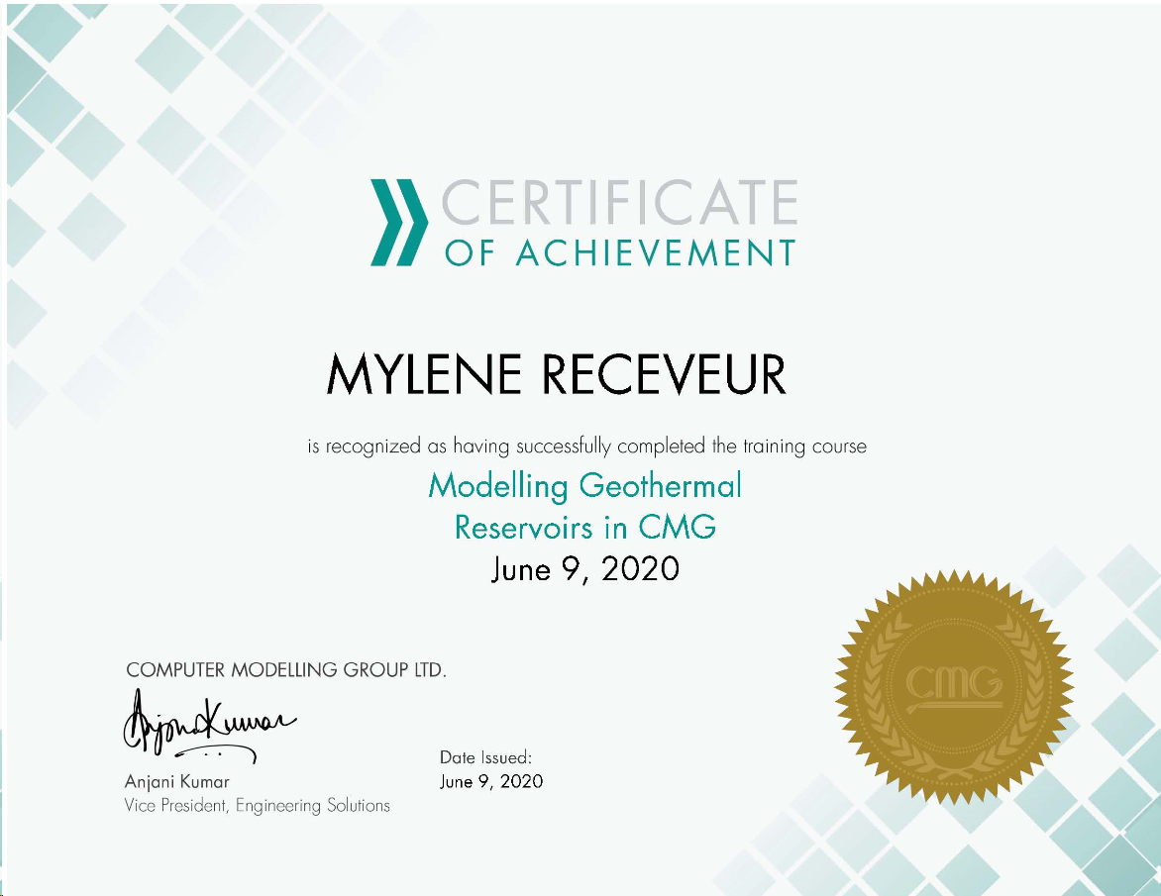
Conferences
GradSchool
PGR Conferences |  |  | 23 and 24 April 2020 | Cancelled
7th London Geothermal Symposium
World Geothermal Congress |  | Postponed to | 21-26 May 2021
All Energy conference |  | Was supposed to be held in Glasgow, turned into Webinar series
Mine Water Symposium (Edinburgh) | 2020-04-22 | Postponed to Monday 17th May 2021
School of GeoSciences' Earth and Planetary Sciences Symposium 2020 | 20 and 21 Feb 2020 | Grant

Seminars
GeoEnergy Group | All sessions
IES seminars | Adam Robinson | “Do you want to be a clean energy entrepreneur? Exergy3: a new thermal energy storage spinout from IES” | 2020-12-05
GradTalks | Organized by GradSchool
EUBAP seminars
Geoscience seminars in Grant
Petrology and Volcanology Group Seminar: | Mike Cassidy | Explosive eruptions with little warning: Experimental petrology and volcano monitoring observations from the 2014 eruption of Kelud, Indonesia | 2019-10-11

Presentation at the geoEnergy group, before GradSchool and Confirmation pannel

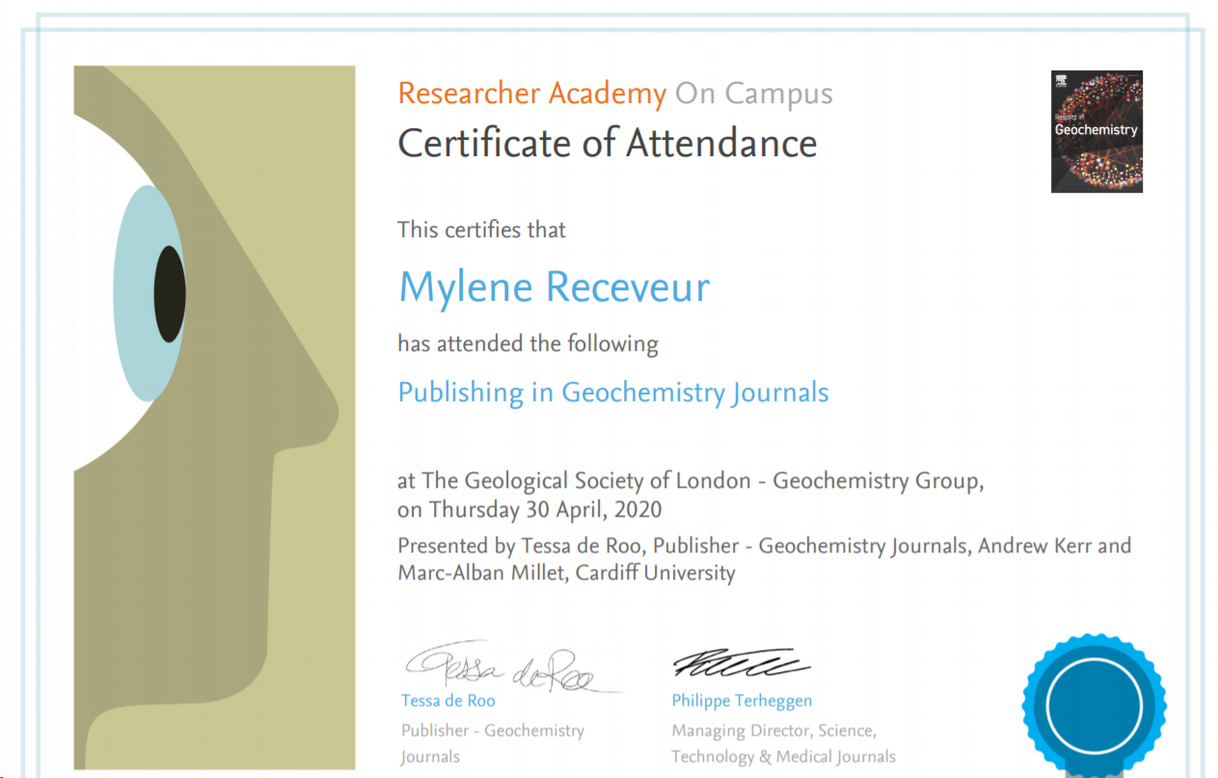
Webinars
PhD Horizons Webinar series
PhD Horizons. Careers Webinar series for PhD students | MyCareerHub | 2020-06-15 | 11:00:00 | 11:30:00 | Collaborates
PhD Horizons: Next Steps |  | 2020-06-26 | 11:00:00
'PhD Horizons: Energy & Engineering |  | 2020-06-18 | 2:00:00
WING
"WING UK: Career in Geothermal" | Webinar | 2020-06-10 | 4:00:00 | 5:00:00
WING UK Icebreaker | Webinar | 2020-04-03 | 7:30:00 | 8:30:00
All Energy Webinar Series | https://forum.all-energy.co.uk/category/webinars/
Community and Local Energy - A beacon for 2030 |  | 2020-06-18
Other webinar
Subsurface Energy Virtual Conference : Transitioning to clean growth and Net Zero: the role of the subsurface |  | 2020-06-10 | 14:00:00 | 15:00:00
GEORISK International Webinar - The right risking mitigation schemes for different geothermal |  | 2020-04-30

IAD Worshops
The Writing Process: Getting Started (SCE/MVM) | IAD | 2020-04-29 | 9:30:00 | 12:30:00 | collaborates
Top tips for writing an abstract | IAD | 2020-04-24 | 9:30:00 | 10:30:00 | collaborates
Top Tips for Writing a Literature Review workshop | IAD | 2020-04-17 | 9:30:00 | 10:30:00 | collaborates
An Introduction to Copyright and Publishing workshop, | IAD | 2020-04-22 | 9:30:00 | 11:30:00
Beating Writers Block (SCE/MVM) |  | 2020-04-15 | 9:30:00 | 12:30:00 | collaborates
Working productively at a distance - working with your supervisor and time management | IAD | 2020-04-09 | 10:00:00 | 11:30:00 | zoom

Other workshops
Industrie Innovation and Entrepreneurship (PhD Event) | Bayes Centre | 2020-05-27 | 14:30:00 | 5:00:00 | not attended
Publishing in Geochemistry Journals | Geochemistry Group - Elsevier Researcher Academy | 2020-04-30 | 11:00:00 | 12:00:00 | certificate

Courses
NMDM
Research Planning and Management in the Geosciences
Mandatory courses for tutor and demonstrators:
Data Protection Training (GDPR)
Information Security Essentials

Online courses
Research Data Management and Sharing | coursera |  |  |  | abandonned
Modelling Geothermal Reservoirs in CMG | Webinar | 2020-06-09 | 16:00:00 | 19:00:00 | certficate

