Data_T (2)
 | date min | Type | Depth | T | Type | Depth | T | Type | T | Depth | Type | T | Depth | Type | T | Depth
Bilston Glen* |  | MWT | 670 | 15 | MWT | 670 | 15 | MWT | 15 | 670 | BHT | 26 | 1028 | ECT LOG | 16.98 | 313.59
Bilston Glen* | 2012 | ECT LOG | 390 | 17.55 | ECT LOG | 390 | 17.55 | ECT LOG | 17.55 | 390 | BHT | 18 | 1459 | ECT LOG | 18.55 | 316.39
Bilston Glen* | 2016 | ECT LOG | 390 | 17.37 | ECT LOG | 390 | 17.37 | ECT LOG | 17.37 | 390 | BHT | 36.7 | 1175 | ECT LOG | 18.48 | 342.64
Bilston Glen* | 2019 | ECT LOG | 390 | 17.1 | ECT LOG | 390 | 17.1 | ECT LOG | 17.1 | 390 | BHT | 46.1 | 1633 | ECT LOG | 18.64 | 316.3
Easthouses* | 2016 | ECT LOG | 183 | 11.55 | ECT LOG | 183 | 11.55 | ECT LOG | 11.55 | 183 | BHT | 17 | 585 | ECT LOG | 22.99 | 477
Easthouses* | 2019 | ECT LOG | 183 | 11.824 | ECT LOG | 183 | 11.824 | ECT LOG | 11.824 | 183 | BHT | 23.9 | 582 | ECT LOG | 22.68 | 464.9
Niddrie | 2015 | ECT LOG | 56.05 | 13.42 | ECT LOG | 56.05 | 13.42 | ECT LOG | 13.42 | 56.05 | BHT | 27.8 | 877
Eastfield BH |  | BHT | 1028 | 26 | BHT | 1028 | 26 | MWT | 18 | 768 | BHT | 30 | 1298
Monktonhall shaft No1 / Bore 5/76) |  | VST | 866 | 25.5 | VST | 866 | 25.5 | ECT LOG | 17.555 | 300.085 | BHT | 36 | 691
Auchedinny |  | BHT | 1459 | 18 | BHT | 1459 | 18 | MWT | 17 | 549 | BHT | 30.4 | 1167
Lady Victoria* |  | MWT | 768 | 18 | MWT | 768 | 18 | MWT | 18.0 | 436 | BHT | 44 | 1104
Midlothian* |  | LOG | 747 | 37.8 | LOG | 747 | 37.8 | ECT LOG | 18.05 | 317.44 | BHT | 28 | 665
Cousland N°5* |  | BHT | 585 | 17 | BHT | 585 | 17 | ECT LOG | 18.18 | 316.34 | BHT | 38 | 1055
Cousland N°6* |  | BHT | 582 | 23.9 | BHT | 582 | 23.9 | ECT LOG | 18.4 | 379.41 | BHT | 33.3 | 960
Spilmersford* |  | BHT | 877 | 27.8 | BHT | 877 | 27.8 | ECT LOG | 20.13 | 400 | BHT | 30 | 883
WindyGates* |  | BHT | 1298 | 30 | BHT | 1298 | 30 | ECT LOG | 19.34 | 388.53 | DST | 30.3 | 721
Wellsgreen* |  | LOG | 1485 | 42.3 | LOG | 1485 | 42.3 | ECT LOG | 20.4 | 409.4 | DST | 29.5 | 774
Lochhead |  | BHT | 1167 | 30.4 | BHT | 1167 | 30.4 | ECT LOG | 19 | 309.14 | DST | 32.9 | 803
BORELAND* |  | EQM | 1007 | 29.8 | EQM | 1007 | 29.8 | ECT LOG | 18.81 | 304.9 | DST | 36.1 | 884
Thornton Bridge* |  | BHT | 665 | 28 | BHT | 665 | 28 | ECT LOG | 18.9 | 309.55 | DST | 38 | 935
Thornton Farm* |  | BHT | 1055 | 38 | BHT | 1055 | 38 | ECT LOG | 18.66 | 299.91 | DST | 38.7 | 979
Mackies Mill* |  | BHT | 960 | 33.3 | BHT | 960 | 33.3 | ECT LOG | 23 | 486.3 | DST | 29 | 874
Balfour* |  | EQM | 1205 | 33.4 | EQM | 1205 | 33.4 | ECT LOG | 22.9 | 483.93 | VST | 25.5 | 866
Monckton Coke Works BH | 2012 | ECT LOG | 300.085 | 17.555 | ECT LOG | 300.085 | 17.555 | ECT LOG | 23.06 | 483.93 | LOG | 34.4 | 964
Monckton Coke Works BH |  | MWT | 549 | 17 | MWT | 549 | 17 | ECT LOG | 23.1 | 483.85 | LOG | 37.8 | 747
Salsburgh 1A* |  | BHT | 883 | 30 | BHT | 883 | 30 |  |  |  | LOG | 11.8 | 350
Salsburgh 1A* |  | DST | 874 | 29 | DST | 874 | 29 |  |  |  | LOG | 42.3 | 1485
Salsburgh 2* |  | BHT | 1104 | 44 | BHT | 1104 | 44 |  |  |  | EQM | 33.4 | 1205
Rasiehill* |  | LOG | 964 | 34.4 | LOG | 964 | 34.4 |  |  |  | EQM | 18.9 | 355
Queenslie*No4 Bore |  | BHT | 691 | 36 | BHT | 691 | 36 |  |  |  | EQM | 20.4 | 386
Bargeddie No1* |  | DST | 721 | 30.3 | DST | 721 | 30.3 |  |  |  | EQM | 21.1 | 416
Bargeddie No1* |  | DST | 774 | 29.5 | DST | 774 | 29.5 |  |  |  | EQM | 22.2 | 447
Bargeddie No1* |  | DST | 803 | 32.9 | DST | 803 | 32.9 |  |  |  | EQM | 23.6 | 477
Bargeddie No1* |  | DST | 884 | 36.1 | DST | 884 | 36.1 |  |  |  | EQM | 24.4 | 508
Bargeddie No1* |  | DST | 935 | 38 | DST | 935 | 38 |  |  |  | EQM | 24.2 | 521
Bargeddie No1* |  | DST | 979 | 38.7 | DST | 979 | 38.7 |  |  |  | EQM | 25.0 | 529
Hallside* |  | LOG | 350 | 11.8 | LOG | 350 | 11.8 |  |  |  | EQM | 29.8 | 1007
Blythwood |  | EQM | 105 | 12.0 | EQM | 105 | 12.0 |  |  |  | EQM | 12.0 | 105
Highhouse |  | MWT | 436 | 18.0 | MWT | 436 | 18.0
Pumpherston |  | BHT | 1175 | 36.7 | BHT | 1175 | 36.7
Horden shaft | Sep-03 | ECT LOG | 317.44 | 18.05 | ECT LOG | 317.44 | 18.05
Horden shaft | Dec-03 | ECT LOG | 316.34 | 18.18 | ECT LOG | 316.34 | 18.18
Horden shaft | 2004 | ECT LOG | 313.59 | 16.98 | ECT LOG | 313.59 | 16.98
Horden shaft | 2005 | ECT LOG | 316.39 | 18.55 | ECT LOG | 316.39 | 18.55
Horden shaft | 2006 | ECT LOG | 342.64 | 18.48 | ECT LOG | 342.64 | 18.48
Horden shaft | 2008 | ECT LOG | 316.3 | 18.64 | ECT LOG | 316.3 | 18.64
Easington | 2000 | ECT LOG | 379.41 | 18.4 | ECT LOG | 379.41 | 18.4
Easington | 2005 | ECT LOG | 400 | 20.13 | ECT LOG | 400 | 20.13
Easington | 2006 | ECT LOG | 388.53 | 19.34 | ECT LOG | 388.53 | 19.34
Easington | 2008 | ECT LOG | 409.4 | 20.4 | ECT LOG | 409.4 | 20.4
Hawthorn | 2000 | ECT LOG | 309.14 | 19 | ECT LOG | 309.14 | 19
Hawthorn | 2003 | ECT LOG | 304.9 | 18.81 | ECT LOG | 304.9 | 18.81
Hawthorn | 2005 | ECT LOG | 309.55 | 18.9 | ECT LOG | 309.55 | 18.9
Hawthorn | 2008 | ECT LOG | 299.91 | 18.66 | ECT LOG | 299.91 | 18.66
Dawdon | 2000 | ECT LOG | 486.3 | 23 | ECT LOG | 486.3 | 23
Dawdon | 2003 | ECT LOG | 483.93 | 22.9 | ECT LOG | 483.93 | 22.9
Dawdon | 2004 | ECT LOG | 483.93 | 23.06 | ECT LOG | 483.93 | 23.06
Dawdon | 2005 | ECT LOG | 483.85 | 23.1 | ECT LOG | 483.85 | 23.1
Dawdon | 2006 | ECT LOG | 477 | 22.99 | ECT LOG | 477 | 22.99
Dawdon | 2008 | ECT LOG | 464.9 | 22.68 | ECT LOG | 464.9 | 22.68
South Hetton |  | BHT | 1633 | 46.1 | BHT | 1633 | 46.1
South Hetton |  | EQM | 355 | 18.9 | EQM | 355 | 18.9
South Hetton |  | EQM | 386 | 20.4 | EQM | 386 | 20.4
South Hetton |  | EQM | 416 | 21.1 | EQM | 416 | 21.1
South Hetton |  | EQM | 447 | 22.2 | EQM | 447 | 22.2
South Hetton |  | EQM | 477 | 23.6 | EQM | 477 | 23.6
South Hetton |  | EQM | 508 | 24.4 | EQM | 508 | 24.4
South Hetton |  | EQM | 521 | 24.2 | EQM | 521 | 24.2
South Hetton |  | EQM | 529 | 25.0 | EQM | 529 | 25.0

Farr et al Tgradient
Depth mbgl | n | Min T | Max T | Range T | Mean T | Meadian T
100 | 76 | 9.5 | 15.6 | 6.1 | 11.7 | 11.6 | 26.6 | equilirbrium
100 | 20 | 9.2 | 19.8 | 10.6 | 13.3 | 13.3 |  | pumped
200 | 76 | 10.7 | 17.8 | 7 | 14.2 | 14.3 | 25.9 | equilirbrium
200 | 16 | 11.8 | 21.5 | 9.7 | 15.1 | 15.1 |  | pumped
300 | 69 | 12.9 | 23.7 | 10.8 | 16.7 | 17 | 25.6 | equilirbrium
300 | 10 | 13.4 | 23 | 9.6 | 16.6 | 16.6 |  | pumped
400 | 70 | 14.2 | 25.6 | 11.4 | 19.2 | 19.4 | 25.4 | equilirbrium
400 | 7 | 13.7 | 21.8 | 8.1 | 16.8 | 16.8 |  | pumped
500 | 66 | 15.5 | 29.6 | 14.1 | 21.8 | 22.3 | 25.5 | equilirbrium
500 | 5 | 14.1 | 23.3 | 9.2 | 17.7 | 17.7 |  | pumped
600 | 53 | 16.8 | 33.6 | 16.8 | 23.7 | 24.4 | 24.5 | equilirbrium
700 | 51 | 18.1 | 37.6 | 19.5 | 26.2 | 27 | 24.6 | equilirbrium
800 | 44 | 19.5 | 41.6 | 22.2 | 28.2 | 27.9 | 24 | equilirbrium
900 | 34 | 20.8 | 45.6 | 24.9 | 30.8 | 30.1 | 24.2 | equilirbrium
1000 | 27 | 22.1 | 49.6 | 27.5 | 33.4 | 35.8 | 24.4 | equilirbrium
1100 | 9 | 23.4 | 52.8 | 29.4 | 37.4 | 34.6 | 25.8 | equilirbrium
1200 | 2 | 32.8 | 40.9 | 8.1 | 36.9 | 36.9 | 23.2 | equilirbrium

 | Mean air T°C | MWB Total | MWB with data | Depth below ground level |  |  |  |  |  |  |  |  |  |  |  |  | Mean geothermal gradient
 |  |  |  | 100 | 200 | 300 | 400 | 500 | 600 | 700 | 800 | 900 | 1000 | 1100 | 1200 | 1300
North East | 9 | 29 | 9 | 31.9 | 32.1 | 35.7 | 35.7 | 36.1 |  |  |  |  |  |  |  |  | 34.3
Cumbria | 9 | 9 | 3 | 32.7 | 32.5 | 32.4 | 32.4 | 32.4 |  |  |  |  |  |  |  |  | 32.5
Yorkshire | 9 | 10 | 5 | 32.9 | 31.9 | 31.3 | 30.6 | 31.7 | 31.6 | 32.4 | 32.4 | 32.3 | 32.1 | 36.4 |  |  | 32.3
Central Scotland | 8.1 | 2 | 2 | 35 | 30 | 28 | 28.2 | 27.9 | 27.6 | 29.1 | 29 | 29 | 29.6 | 34.5 |  |  | 29.8
Nottinghamshire | 9.6 | 18 | 10 | 24.8 | 27.7 | 28.5 | 28.9 | 29.1 | 29.3 | 29.4 | 29.2 | 29.2 |  |  |  |  | 28.5
Ayrshire | 7.4 | 5 | 1 | 27 | 26.5 |  |  |  |  |  |  |  |  |  |  |  | 26.8
Kent | 10.4 | 4 | 3 |  |  | 25.2 | 25.4 | 25.6 | 24.6 | 26.4 | 26.4 | 26.5 | 26.5 |  |  |  | 25.8
Lothian | 7.4 | 1 | 1 | 40 | 25 | 24 | 22.9 | 22.3 | 21.9 | 21.7 | 21.4 | 21.3 | 21.1 |  |  |  | 24.2
Lancashire | 9 | 18 | 7 | 30.1 | 26.7 | 25.6 | 25 | 24.7 | 23.8 | 23.6 | 23.5 | 21.8 | 22.9 | 21.6 | 23.2 | 19.8 | 24
Bristol and Somerset | 9.9 | 8 | 3 | 20.7 | 23.5 | 24.4 | 25 | 25.2 | 25.5 | 25.6 | 22.9 | 23 |  |  |  |  | 24
South Derbyshire | 9.6 | 2 | 2 | 23 | 24.3 |  |  |  |  |  |  |  |  |  |  |  | 23.6
Staffordshire | 9.6 | 11 | 8 | 17.1 | 19.3 | 20.1 | 21.6 | 22.8 | 23 | 23.1 | 23.1 | 23.2 | 23.3 | 30.5 |  |  | 22.5
Douglas | 8.1 | 1 | 1 | 23 | 22.5 | 22.3 | 22.2 | 22.1 | 22 | 22 | 22 | 21.9 | 21.9 |  |  |  | 22.2
Fife | 7.4 | 3 | 3 | 28.3 | 24.2 | 23.1 | 21.1 | 20.5 | 20.2 | 19.9 | 19.8 | 19.6 | 21.8 |  |  |  | 21.9
South Wales | 9.9 | 22 | 17 | 13.5 | 17.6 | 19 | 19.3 | 20.2 | 20.5 | 20.7 | 20.9 | 22.3 | 18.4 | 22.5 |  |  | 19.5
Warwickshire | 9.6 | 15 | 2 | 16.5 | 17 | 17.3 | 17.4 | 17.5 | 17.5 | 17.5 | 17.5 | 17.4 |  |  |  |  | 17.3
 |  |  |  |  |  |  |  |  |  |  |  |  |  |  |  |  | 2401

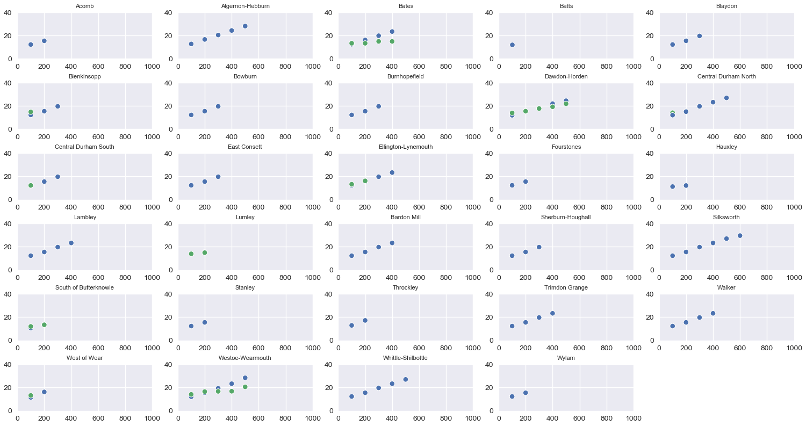
 | Overall gradient
Blackwell | 29.25 | °C/km
Blidworth | 29.86 | °C/km
Calverton | 28.83 | °C/km
Chesterfield-Dronfield | 30 | °C/km
Clay Cross-Morton | 30.5 | °C/km
Clifton | 30.33 | °C/km
Cotgrave | 28.33 | °C/km
Gedling | 30.25 | °C/km
Haltwhistle | 30.5 | °C/km
Hartington-Creswell-Langwith | 33.5 | °C/km
Moorgreen | 30.25 | °C/km
North Notts Deep | 31.25 | °C/km
Radford | 30.33 | °C/km
Williamthorpe | 30.25 | °C/km
Woodside | 31.25 | °C/km
Annesley | 30.14 | °C/km
Babbington | 30.4 | °C/km
Acomb | 32 | °C/km
Algernon-Hebburn | 38.5 | °C/km
Bates | 36.33 | °C/km
Blaydon | 37 | °C/km
Blenkinsopp | 37 | °C/km
Bowburn | 37 | °C/km
Burnhopefield | 37 | °C/km
Dawdon-Horden | 31.25 | °C/km
Central Durham North | 28 | °C/km
Central Durham South | 37 | °C/km
East Consett | 37 | °C/km
Ellington-Lynemouth | 36.67 | °C/km
Fourstones | 32 | °C/km
Hauxley | 9 | °C/km
Lambley | 36.67 | °C/km
Lumley | 14 | °C/km
Bardon Mill | 36.67 | °C/km
Sherburn-Houghall | 37 | °C/km
Silksworth | 34.6 | °C/km
South of Butterknowle | 31 | °C/km
Stanley | 32 | °C/km
Throckley | 43 | °C/km
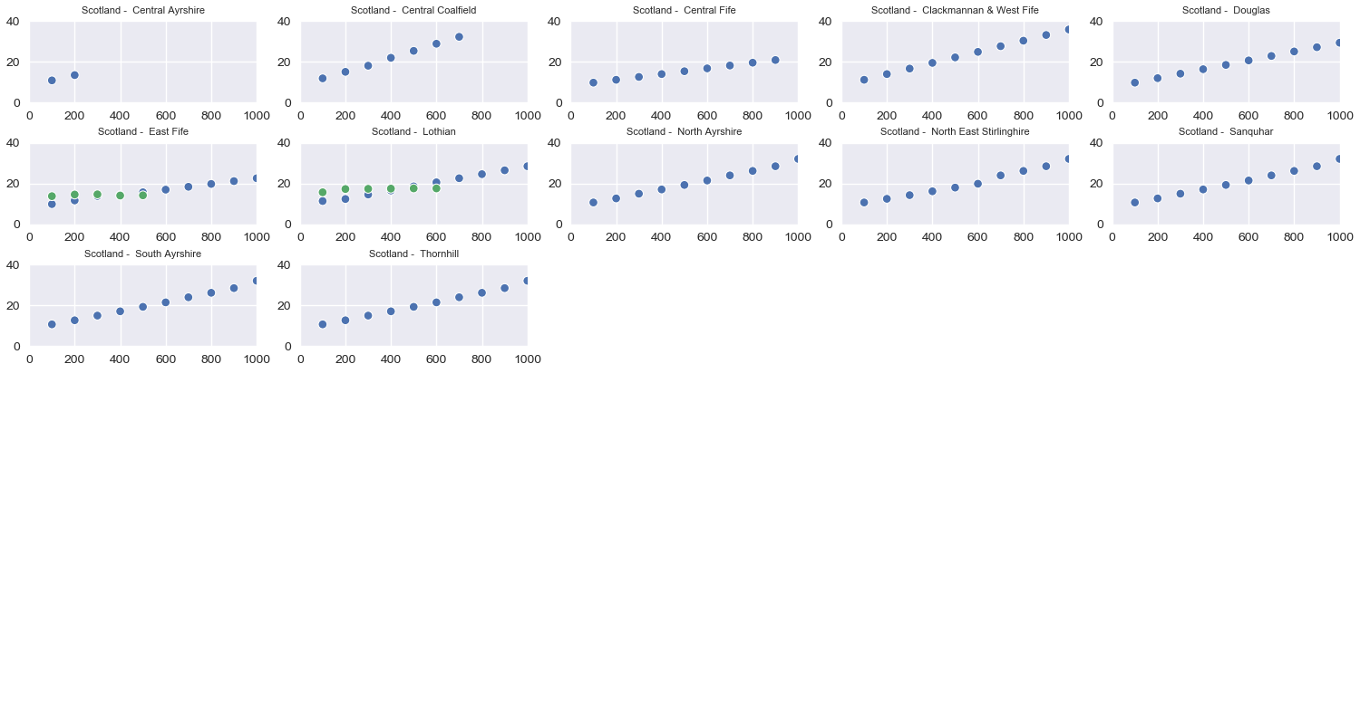
Trimdon Grange | 36.67 | °C/km
Walker | 36.67 | °C/km
West of Wear | 47 | °C/km
Westoe-Wearmouth | 40.75 | °C/km
Whittle-Shilbottle | 36.75 | °C/km
Wylam | 32 | °C/km
SCOTLAND
Central Ayrshire | 26 | °C/km
Central coalfield | 34 | °C/km
Central Fife | 13.88 | °C/km
Clackmannan & West Fife | 27.44 | °C/km
Douglas | 21.78 | °C/km
East Fife | 14.11 | °C/km
Lothian | 19 | °C/km
North Ayrshire | 23.78 | °C/km
North East Stirlinghire | 23.78 | °C/km
Sanquhar | 23.78 | °C/km
South Ayshire | 23.78 | °C/km
Thornhill | 23.78 | °C/km

Langton at Annesley
Easthouses/ BG in Lothian
Eldon/ladysmith/Mainsforth/Thrislington at south of butterknowle
Chatersaught/Lumley in Lumley
Woodside in woodside

