Mineralo
Lithology | Proportion facies (VINCENT ET AL.) | Monaghan & Brown, A.A. 2014. | Proportion minerals in facies
 |  |  | Qtz | mica | kaolinite | chlorite | siderite
UPPER COAL MEASURES (Vincent et al.)
sandstone | 40
mudstone | 60
MIDDLE COAL MEASURES (Entwisle, 2019)
sandstone | 40
mudstone | 30
siltstone | 24
coal | 6
LOWER COAL MEASURES
sandstone | 30
mudstone | 70
LOWER COAL MEASURES (Entwisle, 2019)
sandstone | > 50
mudstone | 30
siltstone | 14
coal | 4
ironstone | < 1 |  | 20 | 43 | 22 | 2 | 13
LIMESTONE COAL TO PASSAGE FORMATION |  | Airth 6 | 19.7 | 42.866666667 | 22.133333333 | 2.2 | 13.2
sandstone | 40 | SSK40263 | 24.8 | 46.6 | 10.2 | 2 | 16.4
mudstone | 40 | SSK40301 | 23.4 | 39.5 | 27.7 | 1 | 8.7
limestone | 20 | SSK40262 | 10.9 | 42.5 | 28.5 | 3.6 | 14.5
CARBONIFEROUS STRATA BELOW LIMESTONE COAL FORMATION |  | Milton of Balgonie 3 | 45.65 | 38.3 | 16.05
sandstone | 30 | SSK40268 | 38.5 | 44.2 | 17.3
mudstone | 50 | SSK40269 | 52.8 | 32.4 | 14.8
limestone | 20
 |  |  | sandstone | mudstone/siltstone | limestone | mixed | calcareous mudstone | extrusive volcano rock
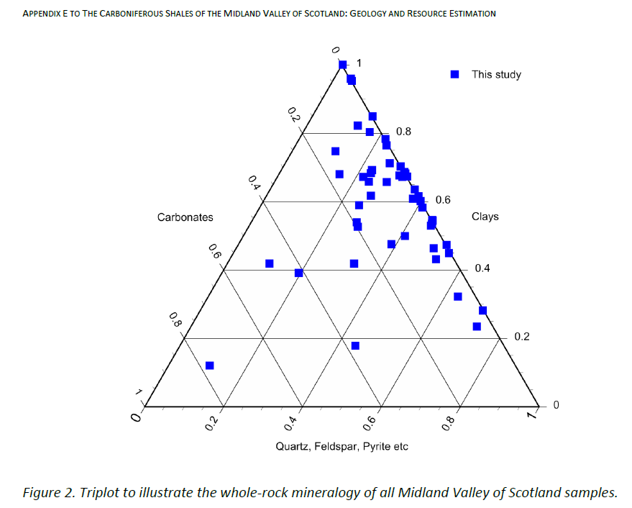
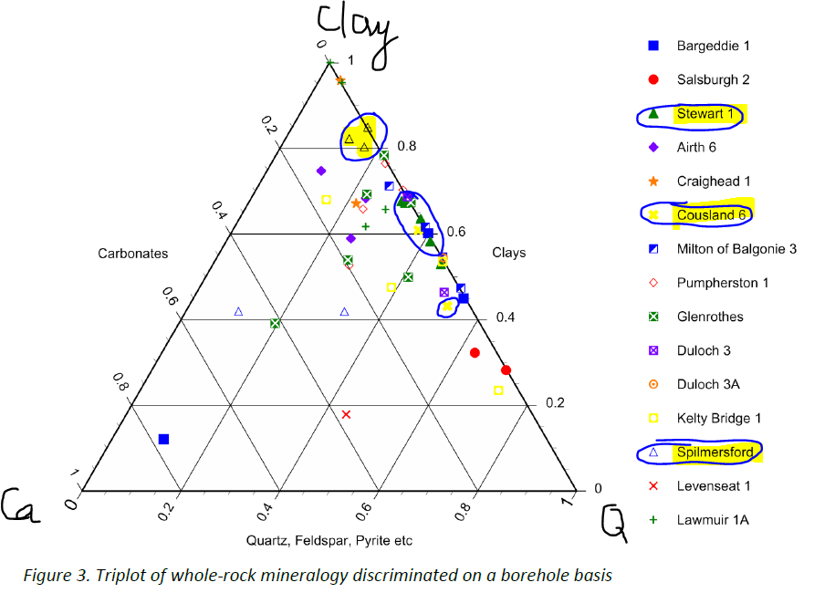
 |  | Midlothian 1 | 40 | 240 | 35 | 600 | 45 | 70 | 1030

 |  |  | UPPER COAL MEASURES (Vincent et al.) | MIDDLE COAL MEASURES (Entwisle, 2019) | LOWER COAL MEASURES (Entwisle, 2019) | LIMESTONE COAL TO PASSAGE FORMATION | BELOW LIMESTONE COAL FORMATION
 |  | Sandstone | 40 | 40 | > 50 | 40 | 30
 |  | Mudstone | 60 | 30 | 30 | 40 | 50
 |  | Siltstone |  | 24 | 14
 |  | Coal |  | 6 | 4
 |  | Ironstone |  |  | < 1
 |  | Limestone |  |  |  | 20 | 20

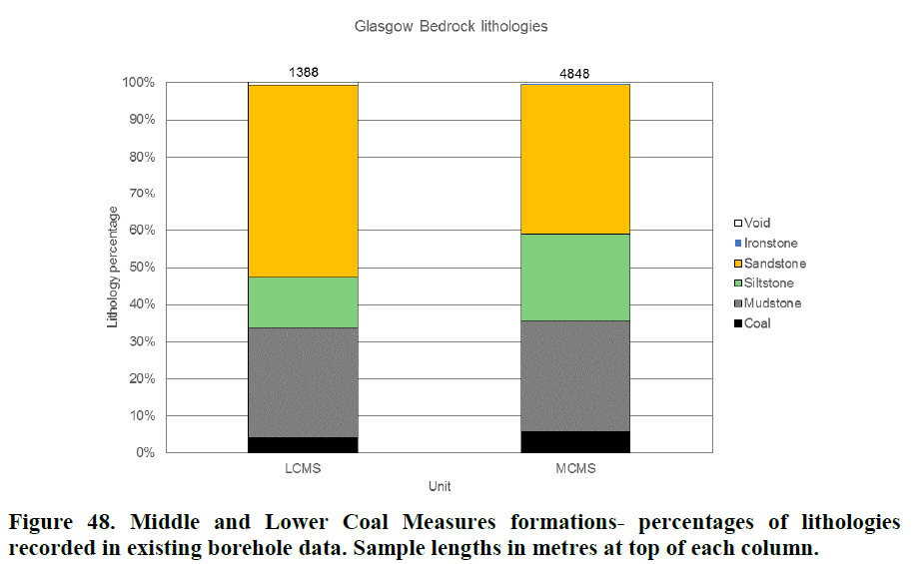
 |  | In coal beds
 |  | veins of calcite
 |  | Fe-sulphide
 |  | anhydrite
 |  | Fe-oxides / oxyhydroxide
 |  | Manganese oxide /oxyhydroxide

Refs
 | BOREHOLE | DEPTH (ft) | SAMPLE No | Stratigraphy | Quartz | Plagioclases | K-feldspath | Mica | Kaolinite | Chlorite | Calcite | Ankerite / Fe dolomite | Siderite | Pyrite
 | Kelty Bridge | 110 | SSK40294 | LLGS | 36.5 |  | <0.5 | 35.8 | 11.6 |  |  | 4.6 | 9.4 | 1.8
 | Airth-6 | 2836.5 | SSK40263 | LSC | 24.8 |  |  | 46.6 | 10.2 | 2 |  |  | 16.4
 |  | 3036.75 | SSK40301 |  | 23.4 |  |  | 39.5 | 27.7 | 1 |  |  | 8.7
 |  | 3066 | SSK40262 |  | 10.9 |  |  | 42.5 | 28.5 | 3.6 |  |  | 14.5
 | Milton of Balgonie 3 | 3708 | SSK40268 | LLGS | 38.5 |  |  | 44.2 | 17.3
 |  | 3760 | SSK40269 |  | 52.8 |  |  | 32.4 | 14.8
 | Cousland 6 | 1429 | SSK40266 | WLO | 3702 |  | <0.5 | 40.6 | 17.3 | 2.9 |  |  | 1.8
 |  | 1908 | SSK40267 |  | 52.1 |  | <0.5 | 34 | 6.9 |  | 2.2 |  | 2.6
 | Pumpherston 1 | 800 | SSK40272 | GUL | 27.4 | 2.2 |  | 54.1 | 8 | 8.1 | <0.5
 |  | 1550 | SSK40302 |  | 32.6 |  |  | 55.6 | 8.7 | 2.9
 |  | 2480 | SSK40273 |  | 22.7 | 1.1 |  | 63.7 | 2 |  | <0.5
 |  | 3104.5 | SSK40274 |  | 22 | 1 |  | 66.6 | 7 | 2.8 | 0.7
 |  | 3839 | SSK40303 |  | 27 |  |  | 47.8 | 204 |  | 4.1 |  | <0.5 | 1.7

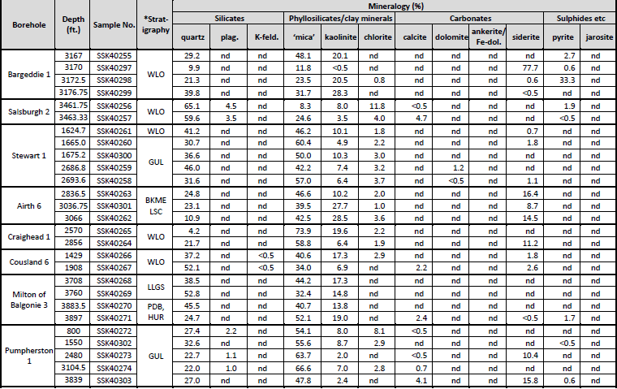
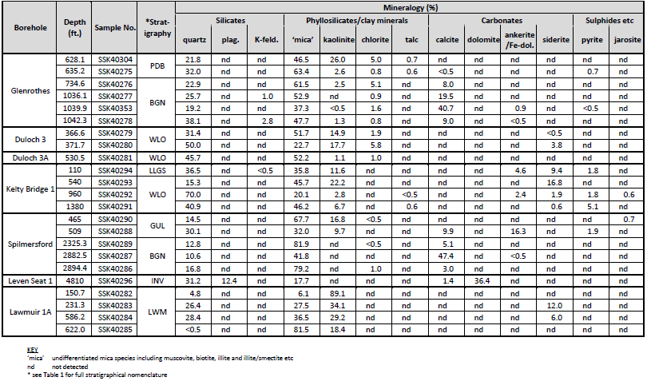

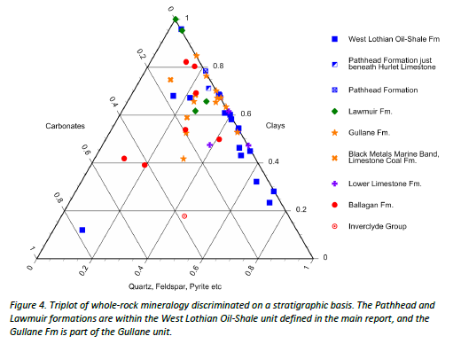
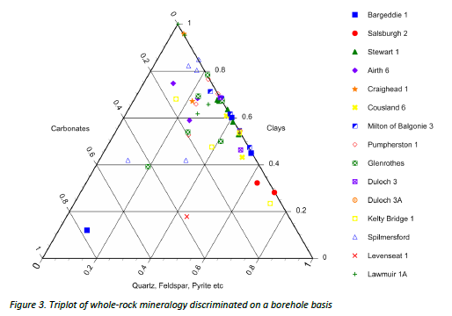

 |  |  |  |  |  |  | LWM | Lawmuir Fm
 |  |  |  |  |  |  | LSC | Limestone Coal Fm
 |  |  |  |  |  |  | BKME | Black metal members
 |  |  |  |  |  |  | ASV | Arthur's seat Volcanic Formation
 |  |  |  |  |  |  | LLGS | Lower Limestone Formation
 |  |  |  |  |  |  | PDB | Pathhed Formation
 |  |  |  |  |  |  | BGN | Ballagan Fm
 |  |  |  |  |  |  | INV | Inverclyde Group

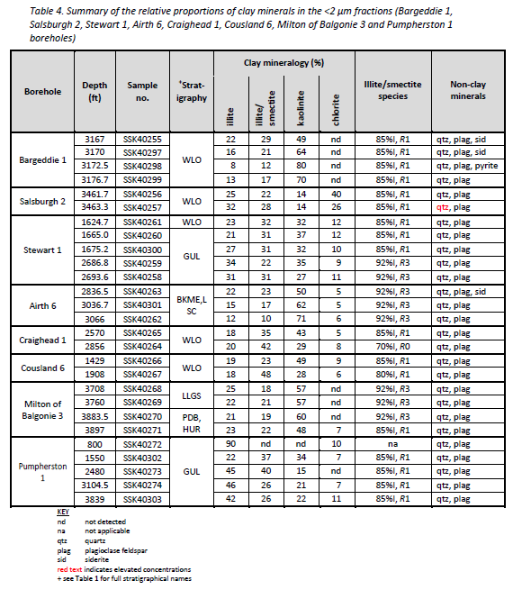
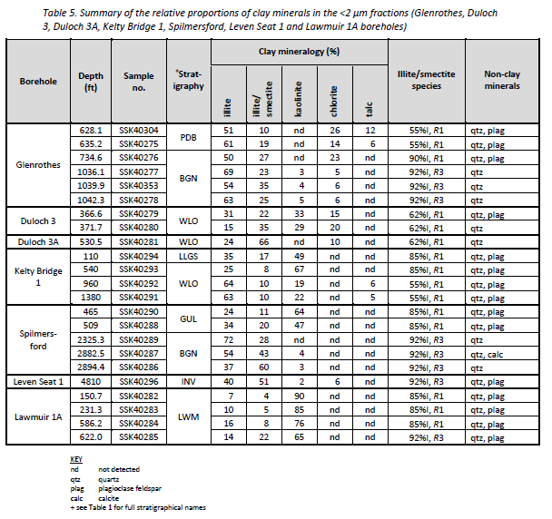

Monaghan & Brown, A.A. 2014.

RHP
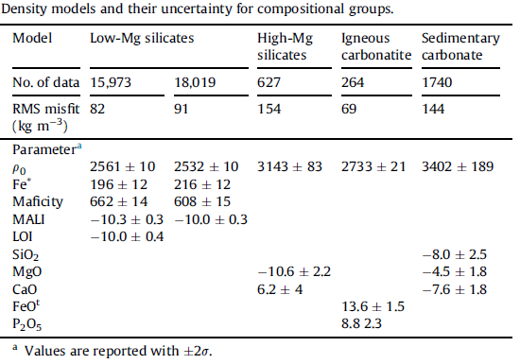
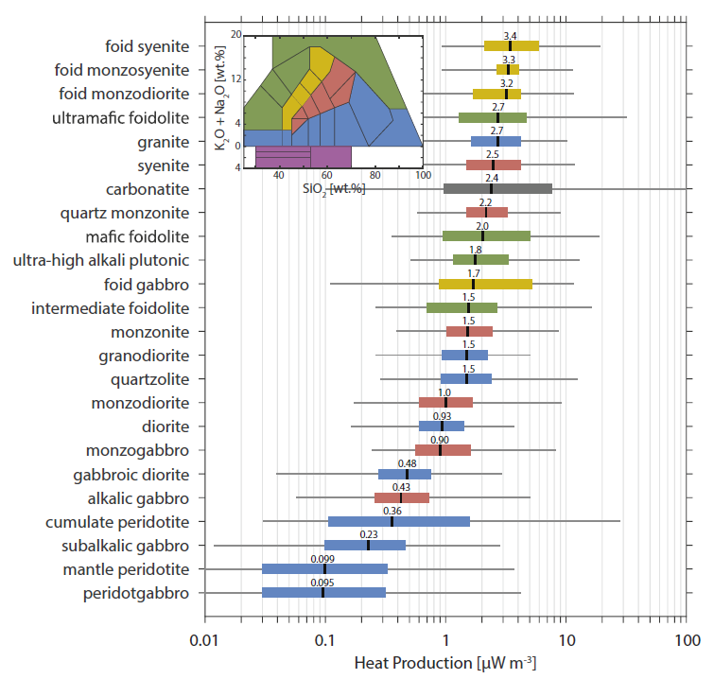
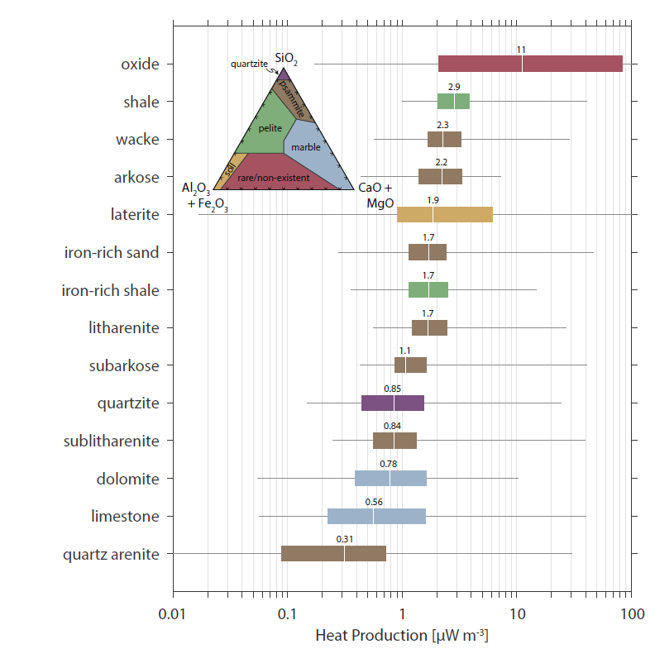
A(uW/m3) = ρ(9.67[U] + 2.56[Th] + 2.89 [K2O])*1e-5
MALI = [Na2O]-[CaO]+[K2O]
maficity = nFe + nMg + nTi

Radiogenic heat production of:
 | Igneous | Sedimentary
SiO2 | +
TiO2 | - | +
K2O | + | +
Al2O3 |  | +
FeO | - | +
MgO | -
CaO | - | -
Na2O
 |  | Aluminous shale | 2.9 uW/m3
 |  | Iron shale | 1.7 uW/m3
 |  | Quartzite/Carbonate | lowest heat producing rocks

low degree of melting + crystallization tend to increase [SiO2 and HPEs] in melt and decrease [FeO and MgO]
Igneous felsic rocks = higher heat production
Sedimentary rocks
 | lower heat production for SiO2 > 70 wt.% (separation clay-rich from quartz-rich sands due to weathering)
 | Heat production increases slightly with increasing SiO2 < 65 wt.%.
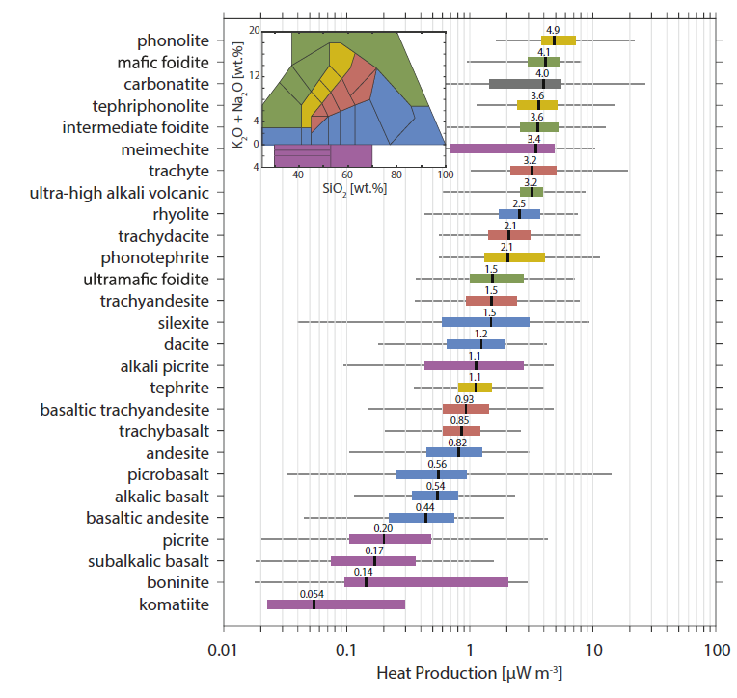
 |  | Clays produced from felsic rocks tend to have higher K and incompatible trace elements
 |  | clays derived from mafic rocks tend to be higher in Ca and Mg and fewer incompatible trace elements

Higher conductivity in silica (quartz) and alumina rich rocks (i.e. granite)
lower thermal conductivity in Mg or Fe rich rocks (basalt, gabbro)
relatiely low conductovoty of feldspar

Heat productivities of various rocks
rock type | abundances |  |  |  | heat production
 | U ppm | Th ppm | Rb ppm | K % | from U | from Th | from K | total A
 |  |  |  |  |  |  |  | (in 10−6 calories per gram per year)
Source: Modified from compilation by William Van Schmus in Robert S. Carmichael (ed.), Handbook of Physical Properties of Rocks, vol. 3, CRC Press, Inc. (1984).
granite | 3.4 | 50 | 220 | 4.45 | 2.52 | 9.95 | 1.16 | 13.63
andesite | 1.9 | 6.4 | 67 | 2.35 | 1.41 | 1.27 | 0.61 | 3.29
oceanic basalt | 0.5 | 0.9 | 9 | 0.43 | 0.37 | 0.18 | 0.11 | 0.66
peridotite | 0.005 | 0.01 | 0.063 | 0.001 | 0.0037 | 0.002 | 0.0003 | 0.006
average upper continental crust | 2.5 | 10.5 | 110 | 2.7 | 1.85 | 2.09 | 0.7 | 4.64
average continental crust | 1 | 2.5 | 50 | 1.25 | 0.74 | 0.5 | 0.33 | 1.56

