Sheet1
SCOTLAND - MIDLOTHIAN
BILSTON GLEN |  | Bilston Glen Colliery, Midlothian, Scotland, 1960. Bilston Glen pit... News Photo - Getty Images | Depth (Feet AOD) | Monktonhall Colliery was abandoned in 1997
Pit sinking | 1952-1961 | Bilston Glen Colliery | Canmore |  | Blinkbonny mine adit was sealed in 2003 (end deep mining)
Mine closed | 1988 |  |  | Opencasting continued at Blinkbonny, Oxenfoord, Gourlaw and Newbigging Farm.
Mine abandonned | 1989

LADY VICTORIA |  | Newtongrange, Lady Victoria Colliery | Canmore | Depth (Feet AOD)
Sinking/Production Commenced | 1895
Mine closed | 1981
Mine abandonned | 1982

EASTHOUSES
Pit sinking
Mine closed
Mine abandonned
 |  |  |  | Durham Mining Museum - 1928 Map 12 (dmm.org.uk)
Dawdon-Horden
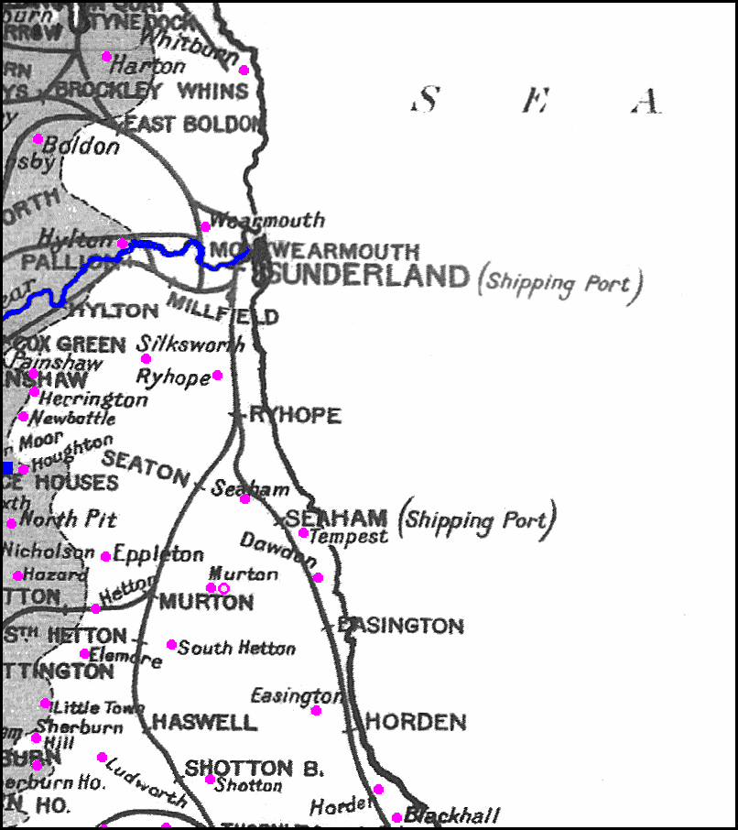
DAWDON |  | Durham Mining Museum - Dawdon Colliery (dmm.org.uk) | Depth (Feet AOD)
Sinking of shafts | 1900 - 1907 | Mined opened in 1907
Mine closed | 1991
Pits | Theresa shaft
 | Castlereagh shaft | Durham Mining Museum - Dawdon Colliery Shaft Details (dmm.org.uk) | 110

Seams worked | 1914 | Hutton, Low Main
 | 1921 | Hutton, Low Main, Main Coal, Maudlin
 | 1930 | Hutton, Low Main, Main, Maudlin
 | 1935 | Hutton, Low Main, Maudlin
 | 1950 | Hutton, Low Main, Main, Maudlin
 | 1960 | Five Quarter, Hutton, Low Main, Main, Maudlin
 | 1965 | High Main, Low Main, Main Coal, Maudlin
 | 1970 | High Main, Low Main, Yard
 | 1975 | High Main, Yard
 | 1980 | High Main, Main, Yard
 | 1985 | High Main, Main, Seam "C", Yard
 | 1988 | High Main, Main, Seam "C", Yard
 | 1990 | High Main, Main, Seam "C", Yard

HORDEN |  | Durham Mining Museum - Horden Colliery (dmm.org.uk) | Depth (Feet AOD)
Sinking down to Hutton Seam | 1900
Mine closed | 1986
Pits | East pit
 | South pit
 | North Pit | Durham Mining Museum - Horden Colliery Shaft Details (dmm.org.uk) | 210
Seams Worked: | 1914 | Hutton, Low Main, Main Coal
 | 1921 | Five Quarter, Hutton, Low Main, Main Coal
 | 1930 | Hutton, Low Main, Main
 | 1935 | Hutton, Low Main, Main
 | 1950 | Five Quarter, Hutton, Low Main, Main
 | 1960 | County Five Quarter, County High Main, Hutton, Low Main
 | 1965 | Five Quarter, High Main, Low Main
 | 1970 | Bottom Main, Bottom Yard, High Main
 | 1975 | Bottom Yard, High Main, Main
 | 1980 | Bottom Yard, High Main, Main
 | 1985 | Bottom, High Main, Main, Yard

EASINGTON |  | Durham Mining Museum - Easington Colliery (dmm.org.uk) | Depth (Feet AOD)
(Hetton East, Trimdon Grange, Hetton East)
open | 1899
closed | 1993
Pits | West Pit
 | North Pit | Durham Mining Museum - Easington Colliery Shaft Details (dmm.org.uk) | 197
 | South Pit | Durham Mining Museum - Easington Colliery Shaft Details (dmm.org.uk) | 200
 | 1914 | Hutton, Low Main, Main Coal
 | 1921 | Hutton, Low Main, Main Coal
 | 1925 | Hutton, Low Main, Main
 | 1930 | Hutton, Low Main, Main
 | 1935 | Hutton, Low Main, Main
 | 1940 | Hutton, Low Main, Main Coal, Seven Quarter
 | 1950 | Five Quarter, Hutton, Low Main, Main, Seven Quarter |  | BBC NEWS | UK | Pit closures, year by year
 | 1955 | Five Quarter, Hutton, Low Main, Seven Quarter |  | North East England mine water block factsheets - GOV.UK (www.gov.uk)
 | 1960 | County Five Quarter, County High Main, Hutton, Low Main |  | Coal Mining | Durham Records Online Library
 | 1965 | Five Quarter, High Main, Low Main |  | Durham Mining Museum - Hawthorn Combined Mine (dmm.org.uk)
 | 1970 | Bottom Main, High Main, Low Main |  | https://hansard.parliament.uk/Commons/1952-12-19/debates/ca75ceed-c394-46e1-a30d-1f3df730af5f/BilstonGlen(Coal-MineRefuse)
 | 1975 | High Main, Low Main, Main, Yard
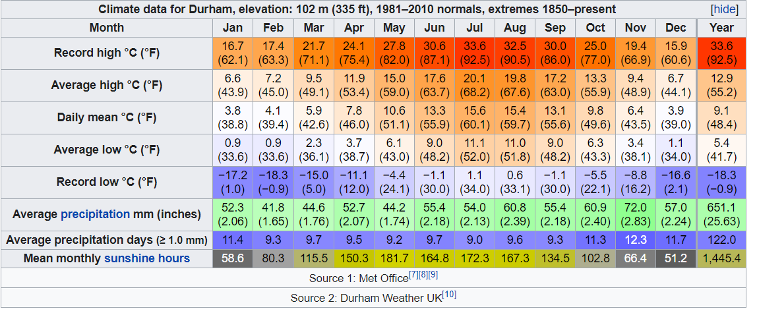
 | 1980 | High Main, Low Main, Main, Yard
 | 1985 | High Main, Low Main, Main, Yard
 | 1988 | High Main, Low Main, Main, Yard
 | 1990 | High Main, Low Main, Main, Yard
 | 1991 | High Main, Low Main, Main, Yard

HAWTHORN COLLIERY |  | Durham Mining Museum - Hawthorn Combined Mine (dmm.org.uk) | Depth (Feet AOD)
Open | 1960
Closed | 1992

MURTON (Dalton Winning) |  | Durham Mining Museum - Murton Colliery (dmm.org.uk)
Open | 1843 | sinking strated 1938
Closed | 1991
Pits | East pit (open: 1938) | http://www.dmm.org.uk/shafts/m006-01.htm
 | Middle Polka Pit (open: 1940) | http://www.dmm.org.uk/shafts/m006-02.htm
 | West New Pit (open: 1940) | http://www.dmm.org.uk/shafts/m006-03.htm

Seam Worked | 1914 | East - Harvey, Hutton
 | 1914 | Middle - Hutton, Low Main
 | 1914 | West - Five Quarter, Main Coal, Maudlin
 | 1921 | East - Harvey, Hutton, Low Main, Maudlin, Three Quarter
 | 1921 | Middle - Five Quarter, Low Main, Main
 | 1921 | West - Five Quarter, Main Coal, Maudlin
 | 1925 | Five Quarter, Main
 | 1925 | East - Harvey, Hutton, Low Main, Maudlin
 | 1925 | Middle - Five Quarter, Main
 | 1930 | East - Harvey, Hutton, Low Main, Maudlin
 | 1930 | Polka - Five Quarter, Main
 | 1935 | Five Quarter, Harvey, Hutton, Low Main, Main, Yard
 | 1950 | Five Quarter, Harvey, Hutton, Low Main, Yard
 | 1955 | Five Quarter, Harvey, Hutton, Low Main, Yard
 | 1960 | Five Quarter (Coast), Harvey, Hutton, Low Main, Seven Quarter, Yard
 | 1965 | Five Quarter, Harvey, High Main, Hutton, Top Three Quarters
 | 1970 | Bottom Main, Bottom Yard, High Main, Murton Yard
 | 1975 | High Main, Main, Seam "C"
 | 1980 | High Main, Main, Seam "C"
 | 1985 | High Main, Main, Seam "C"
 | 1988 | Harvey, High Main, Seam "C"
 | 1990 | Harvey, High Main, Seam "C"
 | 1991 | Harvey, High Main, Seam "C"

NORTH HETTON (Moorsley Coll) |  | Durham Mining Museum - North Hetton Colliery (dmm.org.uk) | Depth (Feet AOD)
Open | 1821 | Only worked Five Quarter
Closed | 1935
Pit | No1
 | No2 Upcast Pit | Durham Mining Museum - North Hetton Colliery Shaft Details (dmm.org.uk)
 | North Hetton Coll shaft | http://www.dmm.org.uk/shafts/n022-01.htm

Hetton Colliery |  | Durham Mining Museum - Hetton Colliery (dmm.org.uk) | Depth (Feet AOD)
Open | 1822
Closed | 1950

Houghton |  | Durham Mining Museum - Houghton Colliery (dmm.org.uk) | Depth (Feet AOD)
Open | 1823
Closed | 1981

Rainton Coll |  |  | Depth (Feet AOD)
Open
Closed
Pit | Nicholson's Pit | Durham Mining Museum - Nicholson's Pit Shaft Details (dmm.org.uk) | 200 feet AOD

SEAHAM COLLIERY |  | Durham Mining Museum - Seaham Colliery (dmm.org.uk) | Depth (Feet AOD)
Open | 1849
Closed | 1988
Pit | No1
 | No2
 | No3
 | Seaham shaft | Durham Mining Museum - Seaham Colliery Shaft Details (dmm.org.uk) | 220

Seam Worked | 1894 | Harvey, Hutton Jubilee, Hutton No. 2, Hutton No. 3, Main, Maudlin
 | 1914 | Hutton, Low Main, Main Coal, Maudlin
 | 1921 | Hutton, Low Main, Main Coal, Maudlin
 | 1930 | Hutton, Low Main, Main, Maudlin [Closed 11/10/30]
 | 1935 | Hutton, Main, Maudlin
 | 1950 | Five Quarter, Hutton, Main, Maudlin
 | 1960 | Five Quarter (Coast), Hutton, Main, Maudlin
 | 1965 | High Main, Low Main, Maudlin
 | 1970 | High Main, Low Main, Maudlin
 | 1975 | High Main, Low Main, Maudlin
 | 1980 | High Main
 | 1988 | High Main, Seam "C"

Seaton Coll |  | Durham Mining Museum - Seaton Colliery (dmm.org.uk) | Depth (Feet AOD)
open | 1845
closed | 1864
pit | Union Pit | Durham Mining Museum - Seaton Colliery Shaft Details (dmm.org.uk) | 230

SOUTH HETTON COLLIERY |  | Durham Mining Museum - South Hetton Colliery (dmm.org.uk) | Depth (Feet AOD)
Open | 1833
Closed | 1982
Pit | Enfine Pit | Durham Mining Museum - South Hetton Colliery Shaft Details (dmm.org.uk) | 420 | -
 | South Hetton Coll | Durham Mining Museum - South Hetton Colliery Shaft Details (dmm.org.uk)

Seam Worked | 1894 | Five Quarter, Hutton, Low Main, Main
 | 1914 | Five Quarter, Hutton, Low Main, Main Coal
 | 1921 | Five Quarter, Hutton, Low Main, Main Coal
 | 1930 | Main
 | 1935 | Low Main, Main, Yard
 | 1950 | Five Quarter, Hutton, Low Main, Main, Yard
 | 1960 | Five Quarter (Coast), Main, Yard
 | 1965 | Five Quarter, High Main, Main Coal
 | 1970 | High Main, Yard
 | 1975 | High Main, Yard
 | 1980 | High Main

VANE TEMPEST |  | Durham Mining Museum - Vane Tempest Colliery (dmm.org.uk)

Open | 1926
Closed | 1993
Pit | Tempest Pit
 | Vane Pit | Durham Mining Museum - Vane Tempest Shaft Details (dmm.org.uk)

Seam Worked | 1930 | Five Quarter, Hutton, Low Main
 | 1935 | Five Quarter, Hutton, Low Main
 | 1950 | Five Quarter, Hutton, Low Main, Main, Maudlin
 | 1960 | Five Quarter (Coast), Low Main, Main, Maudlin
 | 1965 | High Main, Low Main, Main, Maudlin
 | 1970 | High Main, Low Main, Top Maudlin, Yard
 | 1975 | Low Main, Yard
 | 1980 | Low Main, Maudlin/Low Main, Yard
 | 1985 | High Main, Seam "C", Yard
 | 1988 | High Main, Seam "C"
 | 1990 | High Main, Seam "C"

