1945
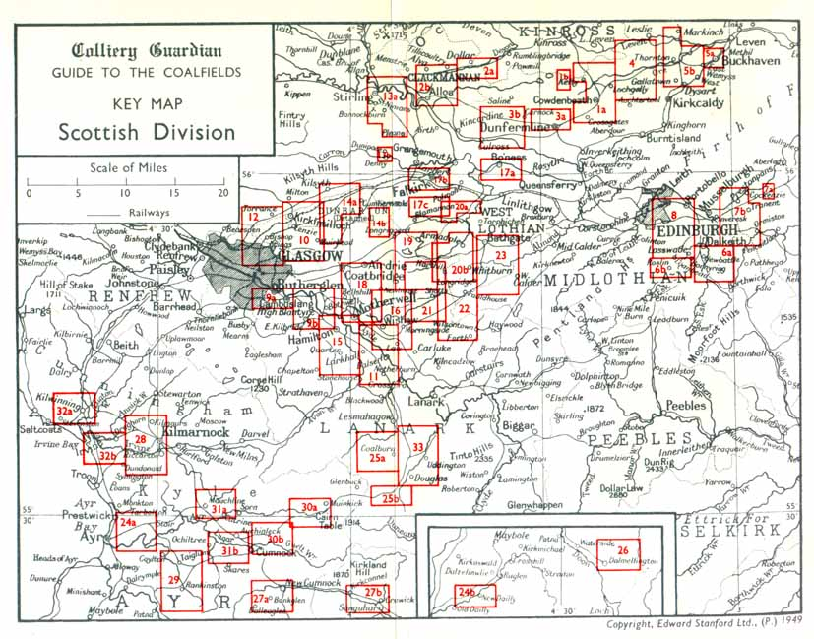
EAST LOTHIAN (HADDINGTON)
Owner | Name of mine | Situation | Manager | Under-Manager | Below | Above
Edinburgh Collieries Co Ltd., Wallyford, Mussleburgh, Midlothian | Bankton | Nr. Prestonpans | Thos. Stewart |  | 3 | 60
ditto | Fleet | ditto | David Livingstone | Jos. Wilson | 593 | 123
ditto | Preston Links | Prestonpans | Thos. Stewart | Jewel or Five Ft. Edward Storrie | 532 | 178
 |  |  |  | Great Seam J Malcolm
Glencairn Coal Co Ltd., 12 Waterloo St., Glasgow | Glencairn | ditto | John Cairns |  | 50 | 14
Isebella Gordon 2 New Row, Trenent, East Lothian | Penkeat | Pencaitland |  |  | 5 | 1
Ormiston Coal Co Ltd., Ormiston, East Lothian | Limeylands | Ormiston | H Burt |  | 214 | 58
ditto | Tynemount & Oxenford | Ormiston | R Gemmell |  | 242 | 61
Summelee Iron Co Ltd., 176 West George St., Glasgow | Prestongrange | Prestonpans | Wm. Scott |  | 562 | 216

MIDLOTHIAN (Edinburgh)
Owner | Name of Mine | Situation | Manager | Under-manager | Below | Above
Arniston Co Ltd., Gorebridge, Midlothian | Arniston | Gorebridge | Peter Milligan | Emily Pit John Penman | 688 | 277
 |  |  |  | Gore Pit Wm. Wilson
Cornton Co Ltd., Cornton Colliery, Penicuik, Midlothian | Cornton | Penicuik | Andrew Bowman |  | 16 | 6
Edinburgh Collieries Co Ltd., Wallyford, Musselburgh, Midlothian | Carberry | Inveresk | Wm. Chambers | J Dawson | 362 | 133
ditto | Wallyford | Musselburgh | ditto | Pumping only for Carberry |  | 16
Fordel Mains (Midlothian) Colliery Co Ltd., Dalkeith, Midlothian | Edgehead | Dalkeith | John Craig |  | 33 | 9
Gilmerton Colliery Co Ltd., Gilmerton Colliery, Gilmerton, Midlothian | Gilmerton | Gilmerton | Alex. K Gordon | T Vandepeear | 161 | 54
Glasgow Iron & Steel Co Ltd., 29 St. Vincent Place, Glasgow | Harwood | West Calder | Jas. Crawford | Coal operations not started
Glenboig Union Fireclay Co Ltd., Glenboig, Lanarkshire | Levenseat No.3 | Levenseat |  | Firclay | 17 | 3
Lothian Coal Co Ltd., Newtongrange, Midlothian | Easthouses | Dalkeith | Wm. Duncan | Lingerwood | 402 | 53
ditto | Lady Victoria | Newtongrange | Alex. Farquhar | TH Allan | 817 | 115
ditto | Lingerwood | ditto |  |  | 348 | 77
ditto | Newbattle (surface) | ditto |  |  |  | 707
ditto | Polton | Bonnyrigg | D Haldane jnr. | Pumping station |  | 13
ditto | Whitehill | Rosewell | ditto | W Darling | 269 | 181
AG Moore & Co Ltd., 142 St. Vincent St., Glasgow | Dalkeith Nos. 1, 2 & 3 | Dalkeith | James Allan | Wm. McCall | 42 | 60
ditto | ditto Nos. 4, 5 & 6 | ditto | ditto | Wm. Ross | 234 | 37
ditto | ditto Nos. 8, 9 & 10 | ditto | ditto |  | 20 | 2
Niddrie & Benhar Coal Co Ltd., Niddrie, Portobello, Midlothian | Newcraighall | Portobello | D Spence | Peter Moffat | 492 | 151
ditto | Woolmet | ditto | Daniel Wilson | Wm. Hughes | 578 | 200
Ormiston Coal Co Ltd., Ormiston, East Lothian | Oxenford No.2 | Cranstoun | Wm. Braznall | David Campbell | 112 | 32
Shotts Iron Co Ltd., 1 Castle St., Edinburgh | Loanhead (Burghlee) | Loanhead | T Scrimgeour | R Brown | 441 | 147
ditto | ditto (Ramsay) | ditto | D Gemmell |  | 184 | 107
ditto | Roslin | Roslin | HP Cameron | TE Laing | 547 | 140
United Collieries Ltd., 109 Hope St., Glasgow | Loganlea (Common ventilation with Woodmuir) | West Calder | Thos. Allan | Wm. McLean | 445 | 164
ditto | Woodmuir | ditto | Hugh Crawford | Thos. Blyth | 155 | 48
Youngs Paraffin Light and Mineral Oil Co Ltd., 53 Bothwell St., Glasgow | Baads No.42 | ditto | John Sherlaw | Thos. Smith | 234 | 74
ditto | Burngrange Nos. 1 & 2 (fireclay) | ditto | JB McArthur | A Russell | 171 | 41
ditto | Fraser (fireclay) | ditto | John Sherlaw | Thos. McVicar | 69 | 17
ditto | Polbeth No.26 (fireclay) | ditto | JB McArthur | Thos. Preston | 59 | 26

Mining_Industry
YEAR | OUTPUT (million tonnes) | PRODUCING MINES (at year end) | MANPOWER (at end of year)
1947 | 187.5 | 958 | 703,900
1950 | 205.6 | 901 | 690,800
1955 | 211.3 | 850 | 698,700
1960 | 186.8 | 698 | 602,100
1966 | 177 | 483 | 455,700
1971 | 135.5 | 292 | 287,200
1974 | 98.7 | 259 | 252,000
1975 | 116.9 | 246 | 246,000
1976 | 114.5 | 241 | 247,100
1977 | 108.5 | 238 | 242,200
1978 | 106.3 | 231 | 239,000
1979 | 105.5 | 223 | 233,600
1980 | 109.3 | 219 | 231,800
1981 | 110.3 | 211 | 230,700
1982 | 108.9 | 200 | 218,800
1983 | 104.9 | 191 | 208,000
1984 | 90.1 | 170 | 191,700
1985 | 27.6 | 169 | 171,400
1986 | 88.4 | 133 | 138,500
1987 | 88 | 110 | 107,700
1988 | 82.4 | 94 | 89,000
1989 | 85 | 86 | 89,000
1990 | 75.6 | 73 | 65,400
1991 | 72.3 | 65 | 57,300
1992 | 71 | 50 | 43,800
1993 | 61.8 | 50 | 31,700
1994 | 42.7 | 17 | 22,000
1995 | 32 | 60 | 15,000 | https://web.archive.org/web/20140714165303/http://mininghistory.thehumanjourney.net/edu/UndergroundCoalProductionPost1947.shtml
1996 | 35.2 | 65 | 15,100 | http://www.scottishmining.co.uk/8.html
1997 | 32.1 | 59 | 13,900 | https://www.nrscotland.gov.uk/research/guides/coal-mining-records
1998 | 28.1 | 53 | 11,200
1999 | 23.8 | 37 | 9,800
2000 | 19.6 | 31 | 8,200
2001 | 17.4 | 33 | 8,600
2002 | 18.1 | 28 | 8,100
2003 | 15.8 | 24 | 6,600
2004 | 14.7 | 19 | 6,000

