RHP
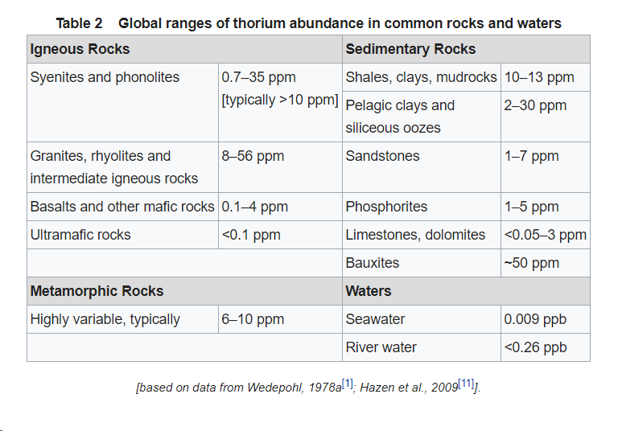
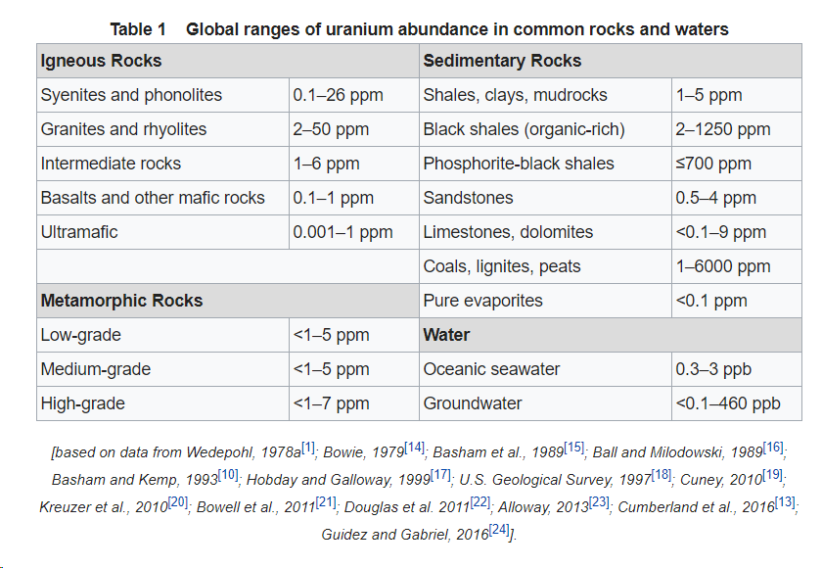
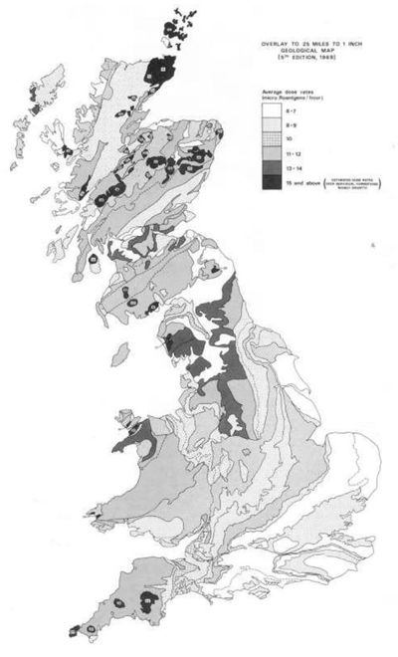
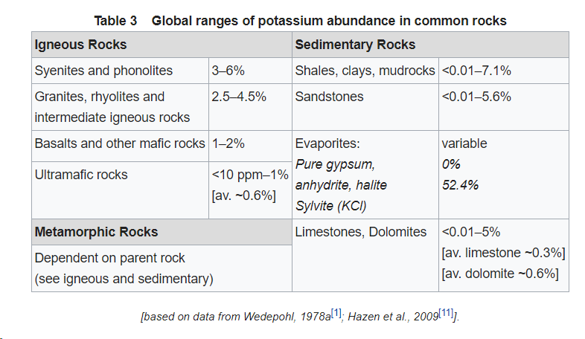
Length (m) | 14484.06 |  |  | 1 feet = | 0.3048 | m | Groundwater composition |  |  |  |  | MIDLOTHIAN 1 | STEWART 1 | COUSLAND 1 | COUSLAND 6 | CARRINGTON 1 | MONKTONHOUSE BORE 37 | SPLILMERSFORD | STRAITON1 | ESKMOUTH |  | Borehole name | Unit Thickness
Width (m) | 5632.69 |  |  | 1 mile = | 1.60934 | km |  |  |  |  | LOWER COAL MEASURES GROUP |  |  |  |  | 250 | 330 |  |  |  |  |  | LOWER COAL MEASURES GROUP | PASSAGE FM | UPPER LIMESTONE FM | LIMESTONE COAL | LOWER LIMESTONE FM | WEST LOTHIAN OIL SHALE | GULLANE | CLYDE PLATEAU VOLCANIC FM
Area (m2) | 81584219.921 |  |  |  |  |  |  |  |  |  | PASSAGE FM |  |  |  |  | 210 | 190 |  |  |  |  | CARRINGTON 1 | 250 | 210 | 165 | 175 | 85 | 492 | 307+
FORMATION | Volume (m3) | LITHOLOGY | PERCENTAGE | Volume (m3) | RHP µW/m3 | Density (kg/m3) | HPE | H (W/kg) | Concentration |  | UPPER LIMESTONE FM |  |  |  |  | 165 | 270 |  |  |  |  | COUSLAND 1 |  |  |  |  | 70 | 283 | 545+
Coal Measures | Dalkeith (full thickness) | Sandstone* | 35% | 7.14E+09 | 0.896 | 2400 | K | 3.40E-09 | 9.19E+00 | mg/L | LIMESTONE COAL |  |  |  |  | 175 | 207+ |  |  | 215 |  | COUSLAND 6 |  |  |  |  |  | 479 | 87+
 | 457.2 | Siltstone / Mudstone* | 60% | 1.22E+10 | 1.392 | 2400 | Th | 2.64E-05 | 9.00E-03 | µg/L | LOWER LIMESTONE FM | 55 | 50 | 70 |  | 85 |  |  |  | 16+ |  | ESKMOUTH |  |  |  | 215 | 16+
 |  | Limestone** | 0% | 0.00E+00 | 2.066 | 2789 | U | 9.83E-05 | 2.26E-01 | µg/L | WEST LOTHIAN OIL SHALE | 481 | 447 | 283 | 479 | 492 |  | 110 |  |  |  | MIDLOTHIAN 1 |  |  |  |  | 55 | 481 | 593+ | 70
 | Carrington-1: | Coal** | 5% | 1.02E+09 | 0.5 | 1200 | Al | 3.58E-01 | 1.80E+00 | µg/L | GULLANE | 593+ | 449+ | 545+ | 87+ | 307+ |  | 159 | 638+ |  |  | MONKTONHOUSE BORE 37 | 330 | 190 | 270 | 207+
Thickness (m): | 250 | Ironstone** | 1% | 2.04E+08 | 0.7 | 2650 | Fe | 3.65E-02 | 1.22E+03 | µg/L | CLYDE PLATEAU VOLCANIC FM | 70 |  |  |  |  |  |  |  |  |  | SPLILMERSFORD |  |  |  |  |  | 110 | 159
 |  |  |  |  |  |  | So4 |  | 2.36E+01 | mg/L | Thickness of the formation from boreholes in the Midlothian Coalfield |  |  |  |  |  |  |  |  |  |  | STEWART 1 |  |  |  |  | 50 | 447 | 449+
 | 20396054980 | AVERAGE RHP (µW/m3): | 1.181 | TOTAL RHP (W): | 2.4E+04 |  | A |  | 8.20E+00 | µW/m3 |  |  |  |  |  |  |  |  |  |  |  | STRAITON1 |  |  |  |  |  |  | 638+
Passage Formation |  | Sandstone* | 90% | 1.54E+10 | 0.896 | 2400
 |  | Siltstone / Mudstone* | 10% | 1.71E+09 | 1.392 | 2400 |  |  |  |  | BOREHOLE | DEPTH (ft) | SAMPLE No | Stratigraphy | Quartz | Plagioclases | K-feldspath | Mica | Kaolinite | Chlorite | Calcite | Ankerite / Fe dolomite | Siderite | Pyrite
 |  | Limestone** | 0% | 0 | 2.066 | 2789 |  |  |  |  | Kelty Bridge | 110 | SSK40294 | LLGS | 36.5 |  | <0.5 | 35.8 | 11.6 |  |  | 4.6 | 9.4 | 1.8
 | Carrington-1: | Coal** | 0% | 0 | 0.5 | 1200 |  |  |  |  | Airth-6 | 2836.5 | SSK40263 | LSC | 24.8 |  |  | 46.6 | 10.2 | 2 |  |  | 16.4
Thickness (m): | 210 | Ironstone** | 0% | 0 | 0.7 | 2650 |  |  |  |  |  | 3036.75 | SSK40301 |  | 23.4 |  |  | 39.5 | 27.7 | 1 |  |  | 8.7
 | 17132686183 | AVERAGE RHP (µW/m3): | 0.946 | TOTAL RHP (W): | 1.6E+04 |  | A |  |  |  |  | 3066 | SSK40262 |  | 10.9 |  |  | 42.5 | 28.5 | 3.6 |  |  | 14.5
Upper Limestone FM | in Lonhead (238 m) | Sandstone* | 35% | 1.21E+10 | 0.896 | 2400 | K | 3.40E-09 | 3.08E+00 | mg/L | Milton of Balgonie 3 | 3708 | SSK40268 | LLGS | 38.5 |  |  | 44.2 | 17.3
 | 165 | Siltstone / Mudstone* | 40% | 1.39E+10 | 1.392 | 2400 | Th | 2.64E-05 | 2.28E-03 | µg/L |  | 3760 | SSK40269 |  | 52.8 |  |  | 32.4 | 14.8
Limestone Coal | in Lonhead (320 m) | Limestone** | 20% | 6.93E+09 | 2.066 | 2789 | U | 9.83E-05 | 4.00E-02 | µg/L | Cousland 6 | 1429 | SSK40266 | WLO | 3702 |  | <0.5 | 40.6 | 17.3 | 2.9 |  |  | 1.8
Lower Limestone Fm | 175 | Coal** | 5% | 1.73E+09 | 0.5 | 1200 | Al | 3.58E-01 | 4.00E+00 | µg/L |  | 1908 | SSK40267 |  | 52.1 |  | <0.5 | 34 | 6.9 |  | 2.2 |  | 2.6
 | 85 | Ironstone** | 0% | 0 | 0.7 | 2650 | Fe | 3.65E-02 | 3.22E+02 | µg/L | Pumpherston 1 | 800 | SSK40272 | GUL | 27.4 | 2.2 |  | 54.1 | 8 | 8.1 | <0.5
 |  |  |  |  |  |  | SO4 |  | 4.85E+01 | mg/L |  | 1550 | SSK40302 |  | 32.6 |  |  | 55.6 | 8.7 | 2.9
 | 34673293467 | AVERAGE RHP (µW/m3): | 1.309 | TOTAL RHP (W): | 4.5E+04 |  | A |  | 2.67E+00 | µW/m3 |  | 2480 | SSK40273 |  | 22.7 | 1.1 |  | 63.7 | 2 |  | <0.5
Carboniferous strata below |  | Granite* | - | ? | 2.827 | 2650 |  |  |  |  |  | 3104.5 | SSK40274 |  | 22 | 1 |  | 66.6 | 7 | 2.8 | 0.7
 |  | Basalt* | - | ? | 0.358 | 2750 | GW in aquifers extensively mined for coal |  |  |  |  | 3839 | SSK40303 |  | 27 |  |  | 47.8 | 204 |  | 4.1 |  | <0.5 | 1.7
 |  | Sandstone* | 30% | ? | 0.896 | 2400 | U | 9.83E-05 | 7.80E-01 | µg/L
 | 873.24 | Siltstone / Mudstone* | 50% | ? | 1.392 | 2400 | K | 3.40E-09 | 1.99E+01 | mg/L
 |  | Limestone** | 20% | ? | 2.066 | 2789 | Fe | 3.65E-02 | 3.28E+03 | µg/L
 |  | Coal** | 0% | 0% | 0.5 | 1200 | Al | 3.58E-01 | 1.30E+01 | µg/L
 |  | Ironstone** | 0% | 0% | 0.7 | 2650 | So4 |  | 4.56E+02 | mg/L
 | 71242604204 | AVERAGE RHP (µW/m3): | 1.378 | TOTAL RHP (W): |  |  | A |  | 3.76E+00 | µW/m3
* Vila et al. (2010); ** OSIMOBI et al., 2018 |  | TOTAL HEAT PRODUCTION: |  |  | 85658 | W
HPE values are from Ruedas (2017)

Geothermal gradient
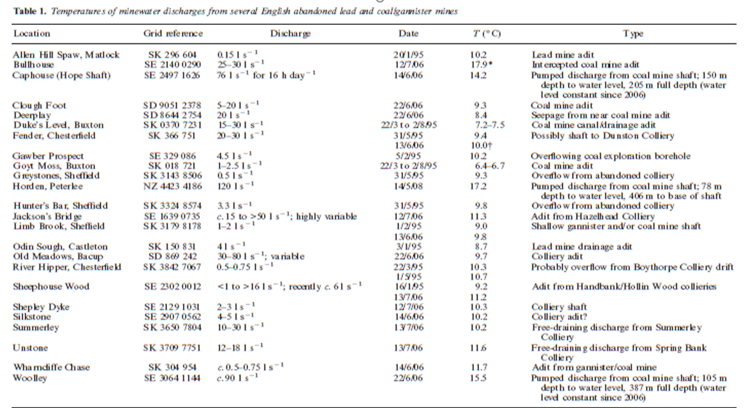
 | Borehole name | Region | Grid reference | Source | Depth | Temp | DT | Type | EQM Equilibrium temperatures
 | Altnabreac | Caithness | NC 9990 4528 | BGS | 299 | 10.3 | 7.4 | LOG | BHT Bottom hole temperatures
 | Altnabreac | Caithness | NC 9939 4291 | BGS | 301 | 8.8 | 3.7 | LOG | LOG Wireline log temperatures
 | Altnabreac | Caithness | ND 0232 4167 | BGS | 282 | 10.1 | 7.1 | LOG | MWT Mine water temperatures
 | Lothbeg No.1 | Caithness | NC 946 095 | PCO | 736 | 40.6 | 42.9 | BHT | DST Drill stem test derived temperatures
 | Bennachie | East Grampians | NJ 6690 2110 | BGS | 294 | 14.0 | 20.1 | BHT | Gillespie et al, 2013, In Burley et al., 1984
 | Mt Battock | East Grampians | NO 543 905 | BGS | 263 | 14.0 | 22.1 | BHT
 | Ballater | East Grampians | NO 4000 9850 | BGS | 296 | 14.0 | 19.6 | BHT
 | Rashiehill | West Midland Valley | NS 8386 7301 | BGS | 964 | 34.4 | 26.2 | LOG
 | Clachie Bridge | West Midland Valley | NS 6447 8368 | BGS | 300 | 13.2 | 16.0 | LOG
 | Salsburgh | West Midland Valley | NS 8166 6486 | GAS | 883 | 30.0 | 24.1 | BHT
 | Hallside | West Midland Valley | NS 6694 5975 | BGS | 350 | 11.8 | 6.0 | LOG
 | Grangemouth | West Midland Valley | NS 9513 8387 | NCB | 1134 | 45.0 | 30.9 | BHT
 | South Balgray | West Midland Valley | NS 50 75 | BEN | 160 | 15.3 | 45.0 | EQM
 | Blythswood | West Midland Valley | NS 5003 6823 | BEN | 105 | 12.0 | 37.1 | EQM
 | Eggerton | West Midland Valley | NS 8504 3171 | NCB | 410 | 14.0 | 13.2 | BHT
 | Tillicoultry | West Midland Valley | NS 9276 9653 | NCB | 510 | 18.0 | 15.9 | BHT
 | Tullibody | West Midland Valley | NS 8601 9594 | NCB | 325 | 16.0 | 18.8 | BHT
 | Cartlove | West Midland Valley | NS 9403 9267 | NCB | 404 | 16.6 | 16.3 | BHT
 | Gartenkeir | West Midland Valley | NS 9267 9486 | NCB | 488 | 16.0 | 15.0 | BHT
 | Shannock Hill | West Midland Valley | NS 9338 9512 | NCB | 497 | 18.0 | 19.9 | BHT
 | Pipersink | West Midland Valley | NS 9307 8911 | NCB | 408 | 20.2 | 25.5 | BHT
 | Glenochill | West Midland Valley | NS 8769 9617 | NCB | 628 | 30.0 | 32.0 | BHT
 | Queenslie | West Midland Valley | NS 6466 6598 | NCB | 691 | 36.0 | 38.4 | BHT
 | Slatehole | West Midland Valley | NS 4906 2342 | NCB | 1024 | 40.0 | 29.8 | BHT | 1485 | 42.3
 | Gallowknowe | West Midland Valley | NS 8388 3118 | NCB | 1261 | 37.5 | 22.8 | BHT | 1000 | 28.484848485
 | Stoneyknowes | West Midland Valley | NS 8817 3570 | BGS | 277 | 13.5 | 18.1 | BHT
 | Craighead | West Midland Valley | NS 8267 6212 | TAW | 977 | 35.0 | 27.2 | BHT
 | Maryhill | West Midland Valley | NS 5718 6856 | IC6 | 303 | 20.0 | 34.0 | EQM
 | Comrie | West Midland Valley | NS 9787 9501 | NCB | 850 | 30.0 | 24.1 | VST
 | Glenrothes | East Midland Valley | NO 2561 0314 | BGS | 279 | 14.4 | 28.1 | EQM
 | Balfour | East Midland Valley | NO 323 003 | BEN | 1205 |  | 19.8 | EQM
 | Windygates | East Midland Valley | NO 3510 0034 | NCB | 1298 | 30.0 | 16.1 | BHT
 | Spilmersford | East Midland Valley | NT 4570 6902 | BGS | 877 | 27.8 | 20.9 | BHT
 | Midlothian | East Midland Valley | NT 363 647 | ESO | 747 | 37.8 | 39.1 | LOG
 | Birnieknowes | East Midland Valley | NT 7580 7317 | BGS | 372 | 23.9 | 39.2 | LOG
 | Marshall Meadow | East Midland Valley | NT 9797 5686 | IC5 | 227 | 11.5 | 10.6 | EQM
 | Cousland No.5 | East Midland Valley | NT 3774 6773 | BP | 585 | 17.8 | 15 | BHT
 | Cousland No.6 | East Midland Valley | NT 3835 6801 | BP | 582 | 23.9 | 25.6 | BHT
 | Pumpherston | East Midland Valley | NT 0733 6979 | BP | 1175 | 36.7 | 23.3 | BHT
 | Lochead | East Midland Valley | NT 3219 9659 | NCB | 1167 | 30.4 | 17.7 | BHT
 | Boreland | East Midland Valley | NT 3040 9420 | AND | 1007 | 29.8 | 20.1 | EQM
 | Mackies Mill | East Midland Valley | NT 3050 9795 | NCB | 960 | 33.3 | 24.6 | BHT
 | Thornton Bridge | East Midland Valley | NT 2889 9722 | NCB | 665 | 28.0 | 27.5 | BHT
 | Thornton Farm | East Midland Valley | NT 2969 9761 | NCB | 1055 | 38.0 | 26.8 | BHT | Average geothermal gradient East MidLand Valley
 | Eastfield | East Midland Valley | NT 3264 7297 | NCB | 1028 | 26.0 | 15.6 | BHT | Exclude MWT
 | Auchendinny | East Midland Valley | NT 2496 6125 | NCB | 459 | 18.0 | 19.6 | BHT | Depth > 400 m
 | Wellsgreen | East Midland Valley | NT 3342 9833 | NCB | 1485 | 42.3 | 22 | LOG | 24.185714286
 | Livingston | East Midland Valley | NT 018 691 | OX3 | 640 | 27.0 | 28.1 | EQM | 25.74
 | Stewart | East Midland Valley | NT 3633 6476 | LAS | 942 | 37.9 | 34.9 | BHT | 23.560869565
 | Frances | East Midland Valley | NT 3214 9050 | NCB | 841 | 29.0 | 23.8 | VST
 | Monktonhall | East Midland Valley | NT 3242 7053 | NCB | 866 | 25.5 | 18.2 | VST
 | Seafield | East Midland Valley | NT 3150 8923 | NCB | 789 | 29.0 | 25.3 | VST
 | Castle Douglas | Dumfries & Galloway | NX 717 550 | OX5 | 231 | 14.7 | 23.8 | EQM
 | Archerbeck | Dumfries & Galloway | NY 4157 7815 | BGS | 1365 | 61.2 | 37.9 | LOG

All data are from Burley et al. (1984), except Glenrothes which is from Brereton et al. (1988). 'East Midland Valley' includes all boreholes in National Grid Reference 100 km squares NO and NT. 'West Midland Valley' includes all boreholes in National Grid Reference 100 km square NS. BGS = British Geological Survey, PCO = Premier Consolidated Oilfields, GAS = British Gas Corporation (as was), NCB = National Coal Board (as was), BEN = Benfield (1939), TAW = Taylor Woodrow Energy (as was), IC6 = Wheildon et al. (1984), ESO = Esso, IC5 = pers. comm. (to Burley et al., 1984) from J Wheildon, BP = British Petroleum (as was), AND = Anderson (1940), OX3 = Bloomer et al. (1979), LAS = Lasmo, OX5 = Oxburgh (1982). Depths are in metres measured from the ground surface; temperatures are in ºC; T grad = temperature gradient, in ºC/km. Type: LOG = T measured during geophysical logging; BHT = bottom-hole temperature; EQM = equilibrium temperature; MWT = mine water temperature; VST = virgin strata (= equilibrium) temperature. Full descriptions of these terms and the reliability of the associated measurements are given in Burley et al. (1984). Surface temperatures for each borehole, which are required to calculate T grad, are given in Burley et al. (1984).

Conductivity
 |  |  |  | Temperature measurement |  |  |  |  |  |  |  |  |  |  | Group | Formation
Borehole name | x | y | depth | type | depth | temperature | DT | Heat flux | Grid | source | Surface temperature |  |  |  | Coal Measures | SCM
CARRINGTON 1 | 331220 | 661030 | 156,4 or 1700m? |  |  |  |  |  |  |  |  |  |  |  | Clackmannan Group | PGP
COUSLAND 1 | 337809 | 667982 | 170 | BHT | 585 | 17.8 | 15 |  | NT 3774 6773 | BP | 9.025 |  |  |  |  | ULCS
COUSLAND 6 | 338352 | 668017 | 169.65 | BHT | 582 | 23.9 | 25.6 |  | NT 3835 6801 | BP | 9.0008 |  |  |  |  | LCS
ESKMOUTH | 334530 | 673320 | 4 |  |  |  |  |  |  |  |  |  |  |  |  | LLCS
MIDLOTHIAN 1 | 336250 | 664730 | 235 | LOG | 747 | 37.8 | 39.1 |  | NT 363 647 | ESO | 8.5923 |  |  |  |  | Lawmuir Fm (Glasgow)
MONKTONHOUSE BORE 37 | 333250 | 670440 | 34 |  |  |  |  |  |  |  |  |  |  |  | Strathclyde Group | Aberlady Fm / West-Lothian Oil-shale (WLO: HON + CDE) / Pathhead & Sandy Craig Fm
SPLILMERSFORD | 345694 | 669019 | 72.45 | BHT | 877 | 27.8 | 20.9 |  | NT 4570 6902 | BGS | 9.4707 |  |  |  |  | Gullane Fm (dominant sandstones) with Gallerton Hills volcanic Fm (Bathgate Group: Kinghorn Volcanic Fm in Fife)
STEWART 1 | 336330 | 664760 | 235.6 | BHT | 942 | 37.9 | 34.9 |  | NT 3633 6476 | LAS | 5.0242 |  |  |  |  | Arthur's seat (Edinburgh)
STRAITON1 | 326592 | 666385 | 151.4 |  |  |  |  |  |  |  |  |  |  |  |  | Kirkwood Fm (tuffaceous mudstones)
Burley et al., 1984 |  |  |  |  |  |  |  |  |  |  |  |  |  |  |  | Clyde Plateau Volcanic Fm
No heat flow values in selected borehole, geothermal gradient only calculated from temperature measurements |  |  |  |  |  |  |  |  |  |  |  |  |  |  | Inverclyde Gp | Clyde Sandstone
 |  |  |  |  |  |  |  |  |  |  |  |  |  |  |  | Ballagen
 |  |  |  |  |  |  |  |  |  |  |  |  |  |  |  | Kinneswood
 |  | Sandstone CM | Sandstone PGP | Siltstone CM | Mudstone CM | Limestone | Ironstone | Coal | Average Fm conductivity |  | Average RHP | Heat flow (mW/m2) | Gradient (°C/km) |  | Lanark Group (Pentland Hills Volcanic Formation) | Blackford Hill
 | Conductivity | 3.58 | 2.91 | 2.23 | 1.85 | 3.14 | 2.35 | 0.31 | Calculated harmonic mean | Busby (2019) | Calculated harmonic mean (W/m3) |  |  |  |  | Braid Hills
 | RHP | 0.896 | 0.896 | 1.392 | 1.392 | 2.066 | 0.7 | 0.5 |  |  |  | 53 | 30 |  |  | Fairmilehead
CARRINGTON 1 | Thickness | % lithology for each formation |  |  |  |  |  |  |  |  |  |  |  |  |  | Carnethy Hill
LOWER COAL MEASURES GROUP | 250 | 35 |  | 30 | 30 |  | 1 | 5 | 2.516 | 2.02 | 2.01E-03 | ? | ? |  |  | Woodhouselee
PASSAGE FM | 210 |  | 90 | 5 | 5 |  |  |  | 2.823 | 2.91 | 9.46E-04 | ? | ? |  |  | Caerketton
UPPER LIMESTONE FM | 165 | 39 |  | 20 | 20 | 20 |  | 1 | 2.8433 | 2.25 | 1.32E-03 | ? | ? |  |  | Allermuir
LIMESTONE COAL | 175 | 35 |  | 20 | 20 | 20 |  | 5 | 2.7125 | 2.24 | 1.31E-03 | ? | ? |  |  | Capelaw
LOWER LIMESTONE FM | 85 | 39 |  | 20 | 20 | 20 |  | 1 | 2.8433 | 1.88 | 1.32E-03 | ? | ? |  |  | Bell's Hill
WEST LOTHIAN OIL SHALE | 492 | 30 |  | 25 | 25 | 20 |  |  | 2.722 | 2,1* | 1.38E-03 | ? | ? |  |  | Greywacke conglomerate Fm
GULLANE | 593+ |  |  |  |  |  |  |  |  | 4,19** | 1.40E-03 | ? | ? |  |  | Bonaly
CLYDE PLATEAU VOLCANIC FM | 70 |  |  |  |  |  |  |  |  | 2.2 | ? | ? | ? |  |  | Warklaw Hill
 | Carrington-1 (Monaghan and Brown, 2014) |  |  |  |  |  |  |  |  | *Kirkwood Fm conductivity |  |  |  |  |  | Torduff Hill
 |  |  |  |  |  |  |  |  |  | **Clyde Sandstone Fm Conductivity |  |  |  |  |  | Black hill
 |  |  |  |  |  |  |  |  |  |  |  |  |  |  | https://www.bgs.ac.uk/lexicon/lex_list.cfm?desc=gullane&pub=%25&map=&status=%25&age=%25&SUBMIT=Submit+Query

 |  |  |  |  |  |  |  |  |  | Q | L/s
 | Using wells > 500 m , average temperature gradient of 25°C/km |  |  |  |  |  |  |  |  | m | kg
 | see how relative proportion of low/high conductivity and low/high radiogenic production in each formation affect temperature profile |  |  |  |  |  |  |  |  | rho | Kg/m3
 | can it fit average geothermal gradient of 25 °C in the Midlothian coaldfield? |  |  |  |  |  |  |  |  | V | m3
 | Flux 53 mW/m2 in Gebski et al., 1987 and Rollin, 1995
 | plot geothermal gradient with cond vs heat production
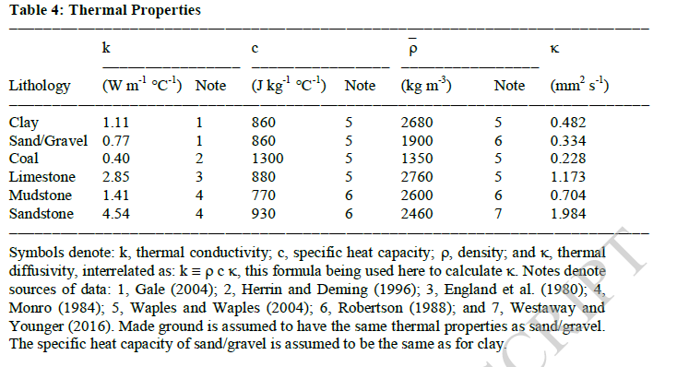
Midlothian Model
 | Thickness | %thickness | RHP (W/m3) | RHP (J/s) | Conductivity |  | ssd | slst | mdst | Coal | lmst | seatrock | dlst | fireclay
UPPER COAL MEASURES GROUP
MIDDLE COAL MEASURES GROUP
LOWER COAL MEASURES GROUP | 125 | 0.125 | 1.20E-06 | 1.50E-04 | 1.910
PASSAGE FM | 105 | 0.105 | 9.00E-07 | 9.45E-05 | 2.910
UPPER LIMESTONE FM | 85 | 0.085 | 1.30E-06 | 1.11E-04 | 2.250
LIMESTONE COAL | 85 | 0.085 | 1.30E-06 | 1.11E-04 | 2.240
LOWER LIMESTONE FM | 45 | 0.045 | 1.30E-06 | 5.85E-05 | 1.880
WEST LOTHIAN OIL SHALE | 255 | 0.255 | 1.40E-06 | 3.57E-04 | 2.100
GULLANE | 300 | 0.300 | 1.40E-06 | 4.20E-04 | 4.190
 | 1000 |  | Average conductivity : | 2.803
 |  |  | Gradient : | 0.031
 |  |  | Heat flux : | 8.69E-02
 |  |  |  |  |  |  | Maryhill Boreholes | K | c | rho | alpha | % rock
 |  |  |  |  |  |  | COAL | 0.4 | 1300 | 1350 | 0.228 | 0.44 | 0.29
Reference Model | Thickness | %thickness | RHP (W/m3) | RHP (J/s) | Conductivity | 2200m² | IRONSTONE | 2.85 | 880 | 2760 | 1.173 | 0.49 | 0.09
ALL | 50 | 0.050 | 9.00E-09 | 3.15E-05 | 1.2 | 9.90E-04 | LIMESTONE | 2.85 | 880 | 2760 | 1.173 | 0.63 | 0.95
MUD | 200 | 0.200 | 1.40E-06 | 1.96E-02 | 1.8 | 6.16E-01 | MUDSTONE | 1.41 | 770 | 2600 | 0.704 | 38.84 | 37.95
SIL | 200 | 0.200 | 1.40E-06 | 1.96E-02 | 2.3 | 6.16E-01 | SILTSTONE | 1.84 | 910 | 2680 | 0.754 | 10.88 | 11.62
SAN | 200 | 0.200 | 9.00E-07 | 1.26E-02 | 2.3 | 3.96E-01 | SANDSTONE | 4.54 | 930 | 2460 | 1.984 | 20.74 | 9.31
GRA | 350 | 0.350 | 2.00E-06 | 4.90E-02 | 2.3 | 1.54E+00 | SEATROCK | 2.42 | 860 | 2680 | 1.05 | 0.86 | 0
 |  |  | Average conductivity : | 2.145 |  |  | DOLERITE | 1.81 | 858 | 2870 | 0.785 | 4.38 | 6.61
 |  |  | Gradient : | 0.031 |  |  | VOID | 0.59 | 4185 | 1000 | 0.141 | 0.76 | 0
 |  |  | Heat flux : | 6.65E-02 |  |  |  |  |  |  |  | 78.02 | 66.82

