Sheet1
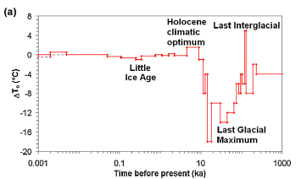
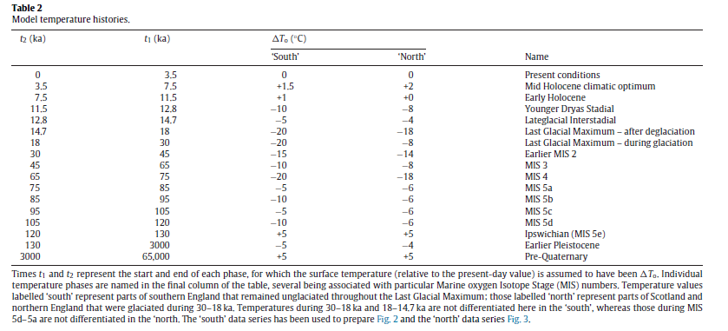
 | Westaway and Younger | 2013
 | t2 | t1 | DT
Present | 0 | 3.5 | 0
Mid Holocene | 3.5 | 7.5 | 2
Early Holocene | 7.5 | 11.5 | 0
YDS | 11.5 | 12.8 | 8
LGI | 12.8 | 14.7 | -4
LGM - after deglaciation | 14.7 | 18 | -18
LGM - during glaciation | 18 | 30 | -8
MIS2 | 30 | 45 | -14
MIS3 | 45 | 65 | -8
MIS4 | 65 | 75 | -18
MIS5a | 75 | 85 | -6
MIS5b | 85 | 95 | -6
MIS5c | 95 | 105 | -6
MIS5d | 105 | 120 | -6
MIS5e | 120 | 130 | 5
Early Pleistocene | 130 | 3000 | -4
Pre-Quaternary | 3000 | 65000 | 5

