Sheet1
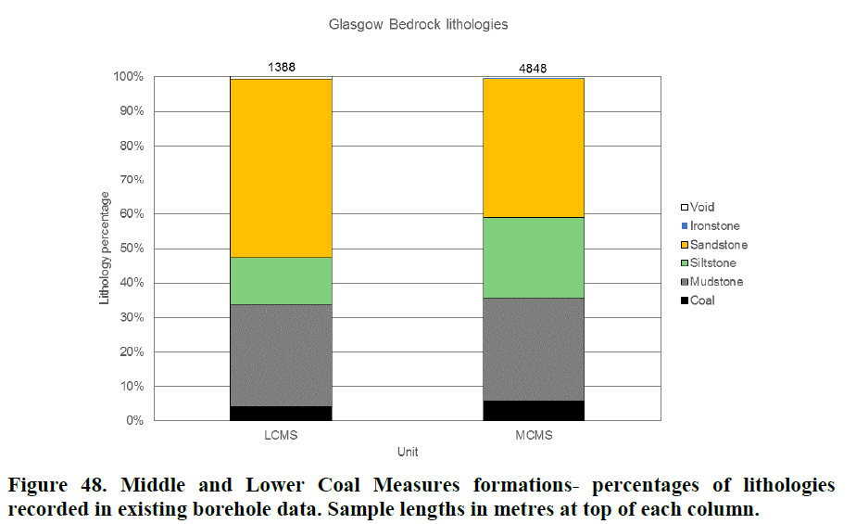
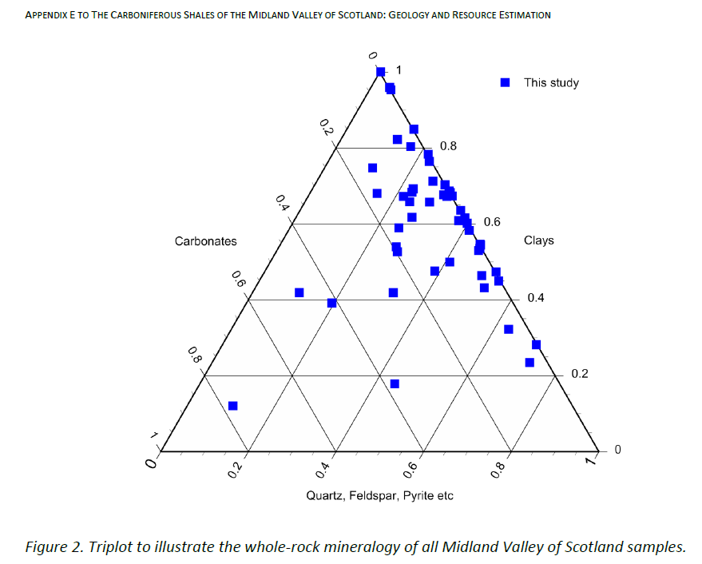
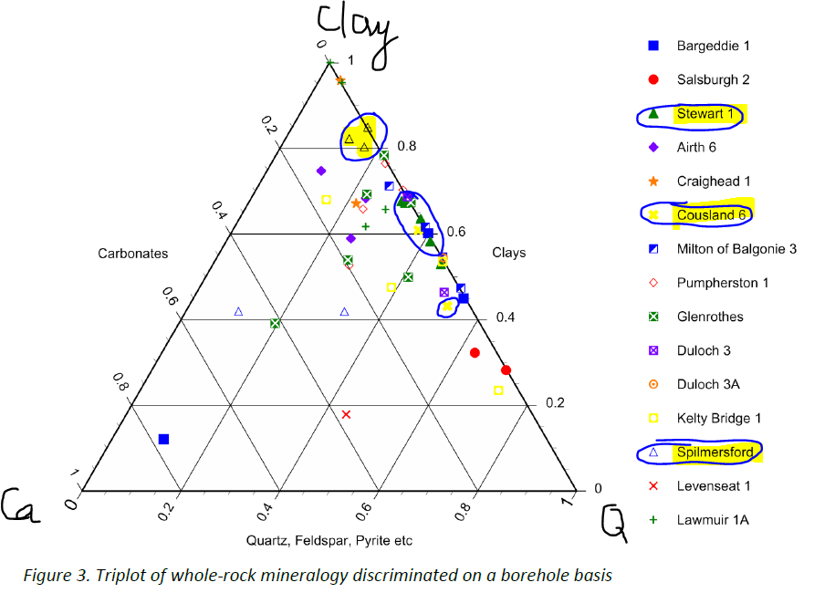
Lithology | Proportion facies (VINCENT ET AL.) | Proportion minerals in facies
 |  | Qtz | Ca-feld | K-feld | mica | kaolinite | chlorite | calcite | dolomite | ankerite/Fe-dol | siderite | pyrite | jarosite | Monaghan & Brown, A.A. 2014.
MIDDLE TO UPPER COAL MEASURES
sandstone | 40
siltstone
mudstone | 60
limestone
ironstone
coal
Middle Coal Measures Formation is sandstone (over 40%), then mudstone (about 30%), siltstone (about 24%) and coal (6%) (Entwisle, 2019)

LOWER TO MIDDLE COAL MEASURES
sandstone | 30
siltstone
mudstone | 70
limestone
ironstone
coal
Lower Coal Measures Formation is sandstone (over 50%), then mudstone (about 30%), siltstone (about 14%) and coal (4%), with minor ironstone (Entwisle, 2019)

LIMESTONE COAL TO PASSAGE FORMATION
Airth 6 | SSK40263 | 24.8 |  |  | 46.6 | 10.2 | 2 |  |  |  | 16.4 |  |  | Monaghan & Brown, A.A. 2014.
 | SSK40301 | 23.4 |  |  | 39.5 | 27.7 | 1 |  |  |  | 8.7
 | SSK40262 | 10.9 |  |  | 42.5 | 28.5 | 3.6 |  |  |  | 14.5

sandstone | 40
siltstone
mudstone | 40
limestone | 20
ironstone
coal

CARBONIFEROUS STRATA BELOW LIMESTONE COAL FORMATION
Milton of Balgonie 3 | SSK40268 | 38.5 |  |  | 44.2 | 17.3 |  |  |  |  |  |  |  | Monaghan & Brown, A.A. 2014.
 | SSK40269 | 52.8 |  |  | 32.4 | 14.8

sandstone | 30
siltstone
mudstone | 50
limestone | 20
ironstone
coal
 | (VINCENT ET AL)
Wells_Boeholes_MVS_Monaghan&Brown_2014 |  |  |  |  |  |  |  |  |  |  |  |  |  |  |  | sandstone | mudstone/siltstone | limestone | mixed | calcareous mudstone | extrusive volcano rock
Registration_Nb | Name | Easting | Northing | Start_height(m) | ThicknessLmstCoalFm(m) | ThicknessLowerLmstFm(m) | ThicknessWestLothianOil-Shaleunit(m) | ThicknessGullaneunit(m) |  | LOWER LIMESTONE FM |  |  |  |  | Cousland 1
LH/05-25 | CARRINGTON1 | 331220 | 661030 | 156.4 | 172 | 100FT | 492 | 307+ |  |  |  |  |  |  | Midlothian 1 | 40 | 240 | 35 | 600 | 45 | 70 | 1030
L33/01-1 | COUSLAND1 | 337809 | 667982 | 170 | np | np | 283 | 545+ |  | 50M MIXED+15M CALCAREOUS MUDSTONE |  |  |  |  | Wells_Boreholes_MVS_Monaghan&Brown_2014
L33/01-8 | COUSLAND6 | 338352 | 668017 | 169.65 | np | np | 479 | 87+
NO20SE385 | GLENROTHES | 325617 | 703144 | 158.85 | np | na | 41 | np
LH/05-2 | MIDLOTHIAN1 | 336250 | 664730 | 235 | np | np | 481 | 593+ |  | 20M SANDSTONE +35M LIMESTONE
NT37SW43 | MONKTONHOUSEBORENO37 | 333250 | 670440 | 34 | 207+ | np | np | np
NT46NE73 | SPILMERSFORD | 345694 | 669019 | 72.45 | np | na | 106 | 159
LH/05-24 | STRAITON1 | 326592 | 666385 | 151.4 | np | np | np | 638+
LH/05-15 | STEWART1 | 336330 | 664760 | 235.6 | np | np | 447 | 449+
NT37SW31 | ESKMOUTHBORE | 334530 | 673320 | 215 | 16+ | np | np | np

RHP
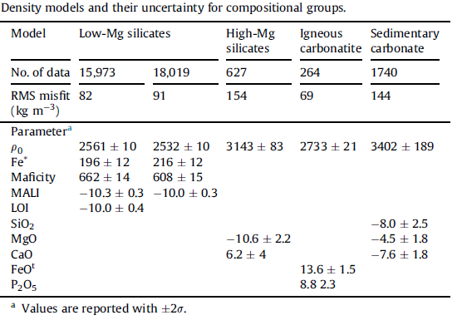
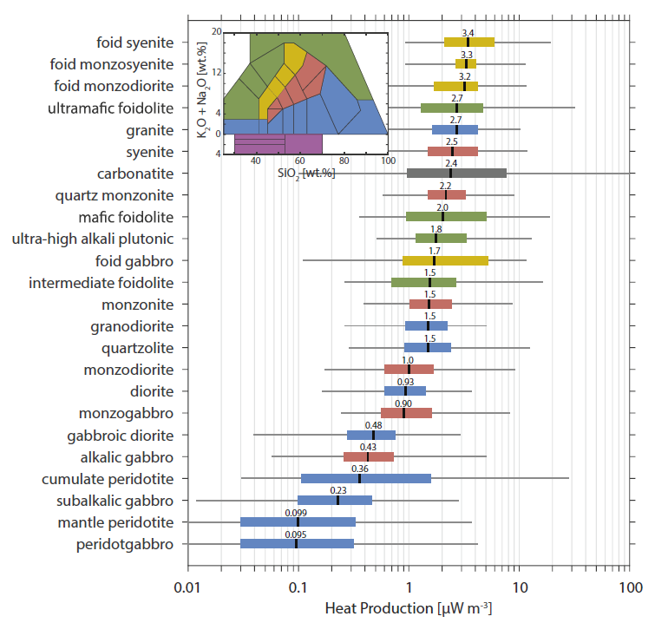
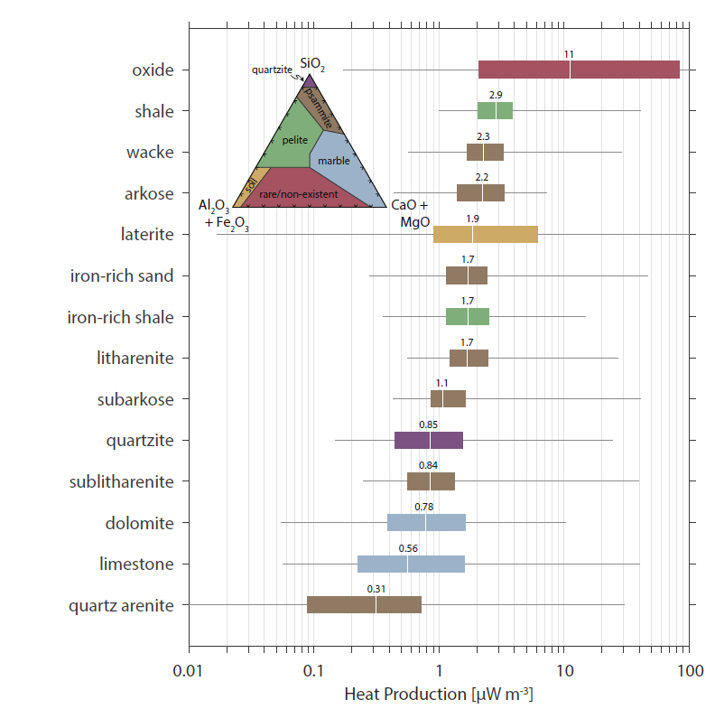
A(uW/m3) = ρ(9.67[U] + 2.56[Th] + 2.89 [K2O])*1e-5
MALI = [Na2O]-[CaO]+[K2O]
maficity = nFe + nMg + nTi

Radiogenic heat production of:
 | Igneous | Sedimentary
SiO2 | +
TiO2 | - | +
K2O | + | +
Al2O3 |  | +
FeO | - | +
MgO | -
CaO | - | -
Na2O
 |  | Aluminous shale | 2.9 uW/m3
 |  | Iron shale | 1.7 uW/m3
 |  | Quartzite/Carbonate | lowest heat producing rocks

low degree of melting + crystallization tend to increase [SiO2 and HPEs] in melt and decrease [FeO and MgO]
Igneous felsic rocks = higher heat production
Sedimentary rocks
 | lower heat production for SiO2 > 70 wt.% (separation clay-rich from quartz-rich sands due to weathering)
 | Heat production increases slightly with increasing SiO2 < 65 wt.%.
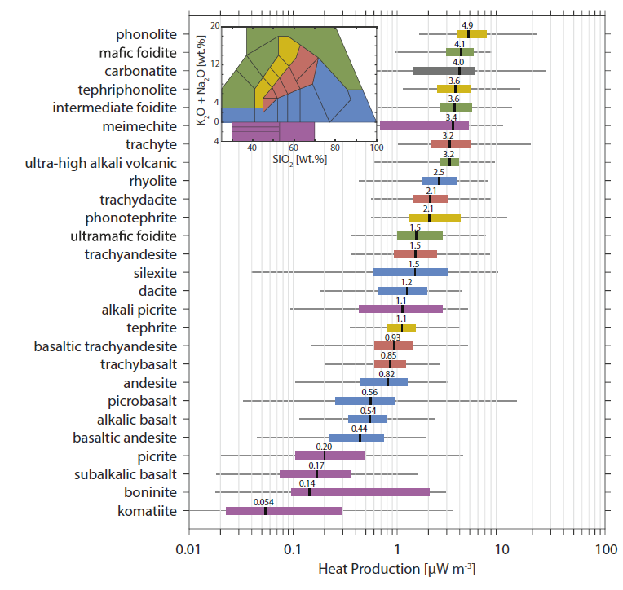
 |  | Clays produced from felsic rocks tend to have higher K and incompatible trace elements
 |  | clays derived from mafic rocks tend to be higher in Ca and Mg and fewer incompatible trace elements

Higher conductivity in silica (quartz) and alumina rich rocks (i.e. granite)
lower thermal conductivity in Mg or Fe rich rocks (basalt, gabbro)
relatiely low conductovoty of feldspar

Heat productivities of various rocks
rock type | abundances |  |  |  | heat production
 | U ppm | Th ppm | Rb ppm | K % | from U | from Th | from K | total A
 |  |  |  |  |  |  |  | (in 10−6 calories per gram per year)
Source: Modified from compilation by William Van Schmus in Robert S. Carmichael (ed.), Handbook of Physical Properties of Rocks, vol. 3, CRC Press, Inc. (1984).
granite | 3.4 | 50 | 220 | 4.45 | 2.52 | 9.95 | 1.16 | 13.63
andesite | 1.9 | 6.4 | 67 | 2.35 | 1.41 | 1.27 | 0.61 | 3.29
oceanic basalt | 0.5 | 0.9 | 9 | 0.43 | 0.37 | 0.18 | 0.11 | 0.66
peridotite | 0.005 | 0.01 | 0.063 | 0.001 | 0.0037 | 0.002 | 0.0003 | 0.006
average upper continental crust | 2.5 | 10.5 | 110 | 2.7 | 1.85 | 2.09 | 0.7 | 4.64
average continental crust | 1 | 2.5 | 50 | 1.25 | 0.74 | 0.5 | 0.33 | 1.56

